Overview
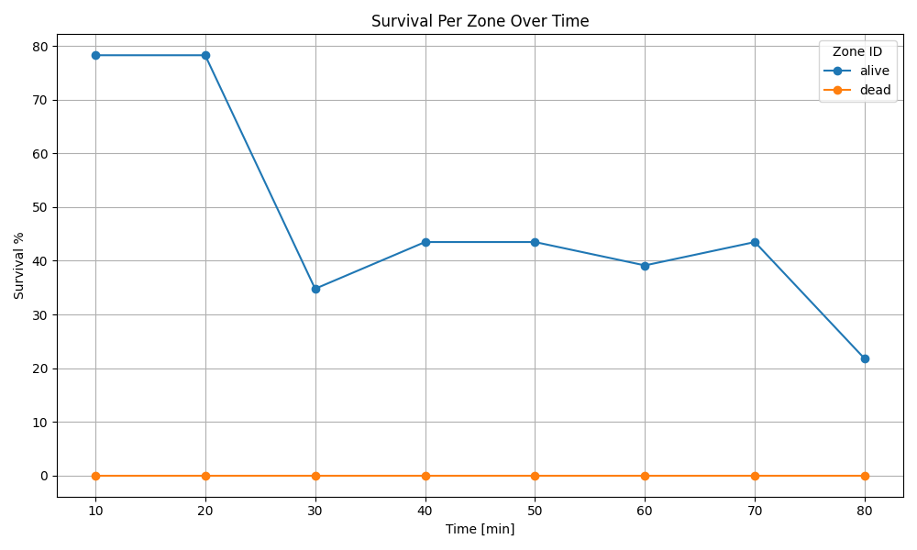

Recording 1
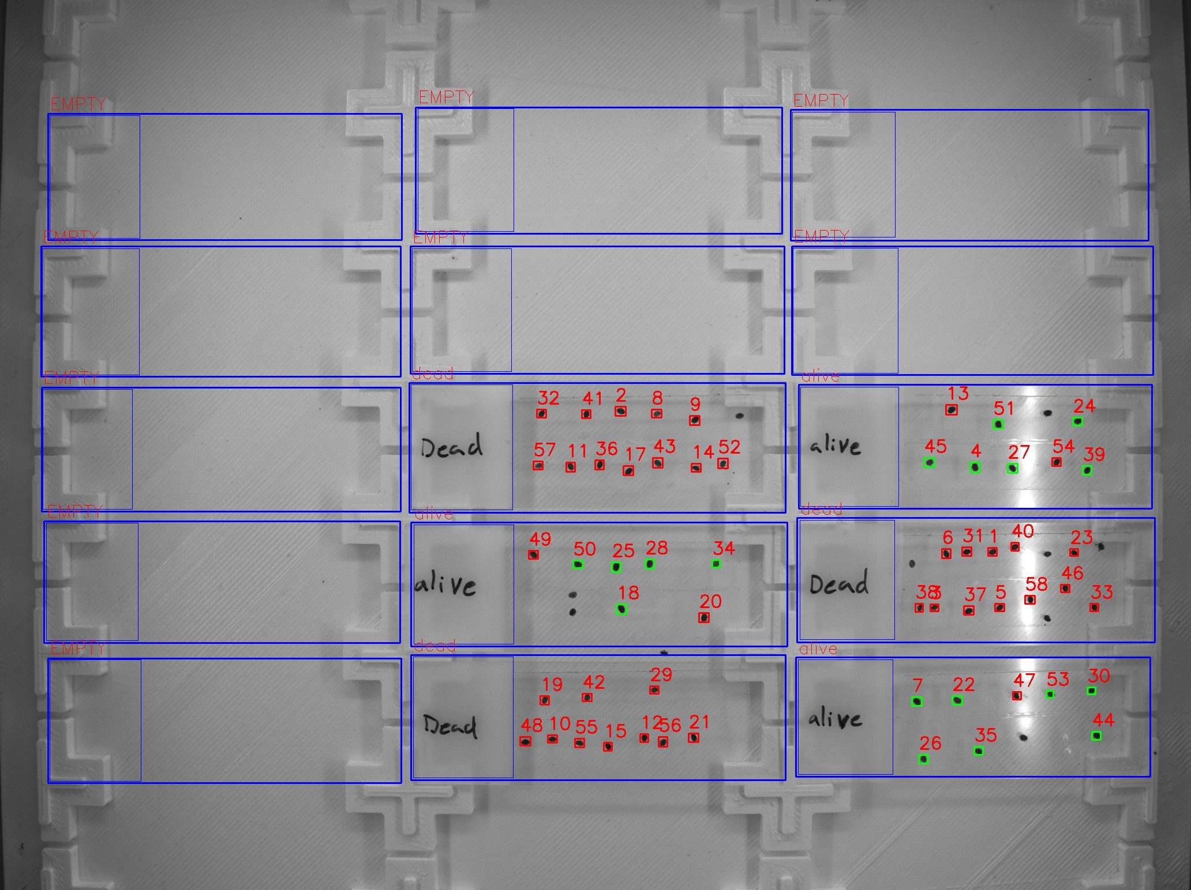
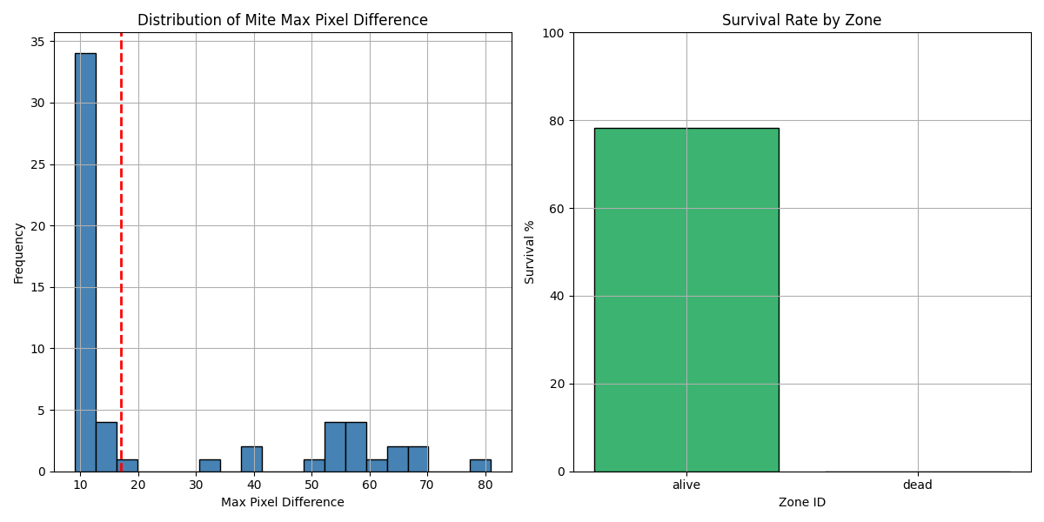
Zone ID | recording | Total Mites | Alive Mites | Dead Mites | Survival %
alive | 1 | 23 | 18 | 5 | 78.26
dead | 1 | 34 | 0 | 34 | 0

Recording 2

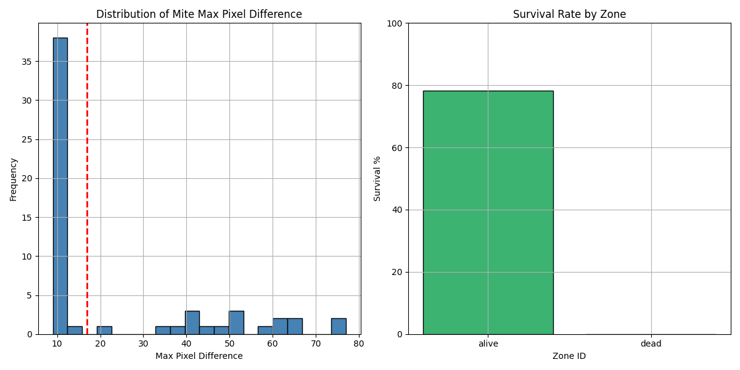
Zone ID | recording | Total Mites | Alive Mites | Dead Mites | Survival %
alive | 2 | 23 | 18 | 5 | 78.26
dead | 2 | 34 | 0 | 34 | 0

Recording 3
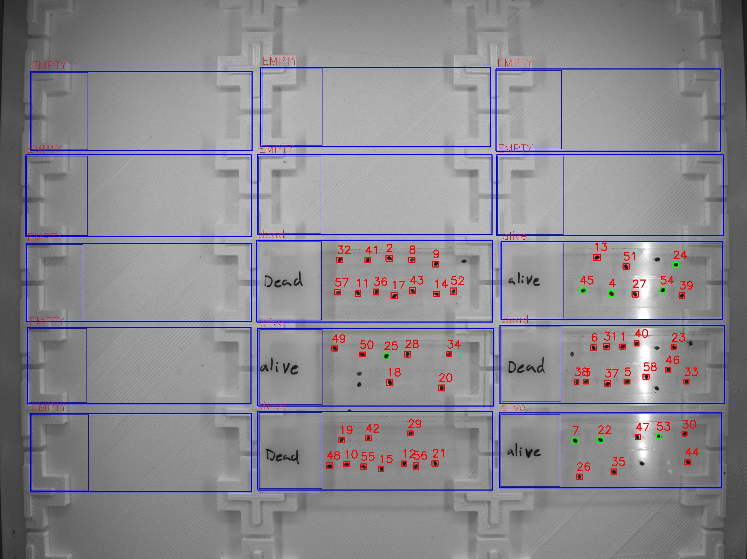
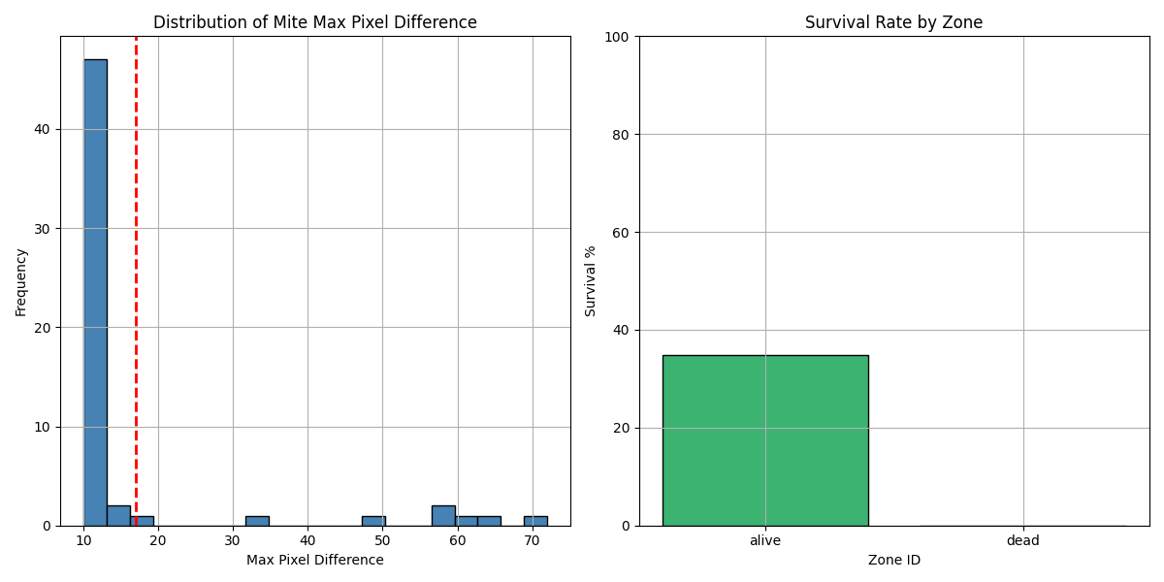
Zone ID | recording | Total Mites | Alive Mites | Dead Mites | Survival %
alive | 3 | 23 | 8 | 15 | 34.78
dead | 3 | 34 | 0 | 34 | 0

Recording 4
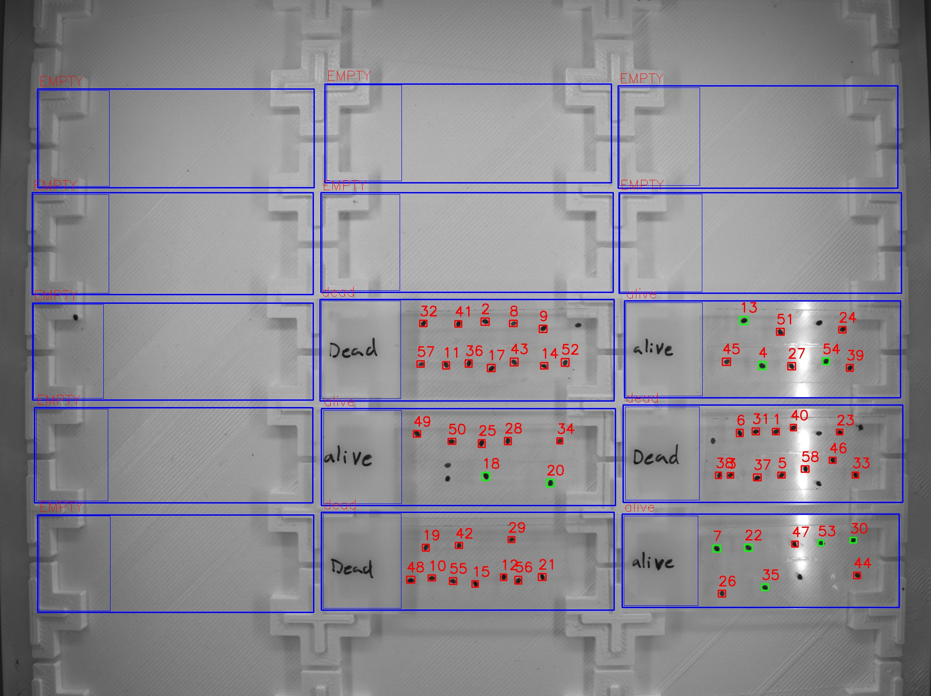
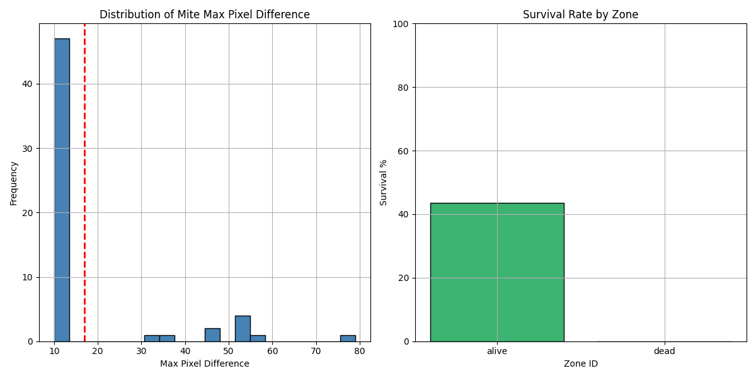
Zone ID | recording | Total Mites | Alive Mites | Dead Mites | Survival %
alive | 4 | 23 | 10 | 13 | 43.48
dead | 4 | 34 | 0 | 34 | 0

Recording 5
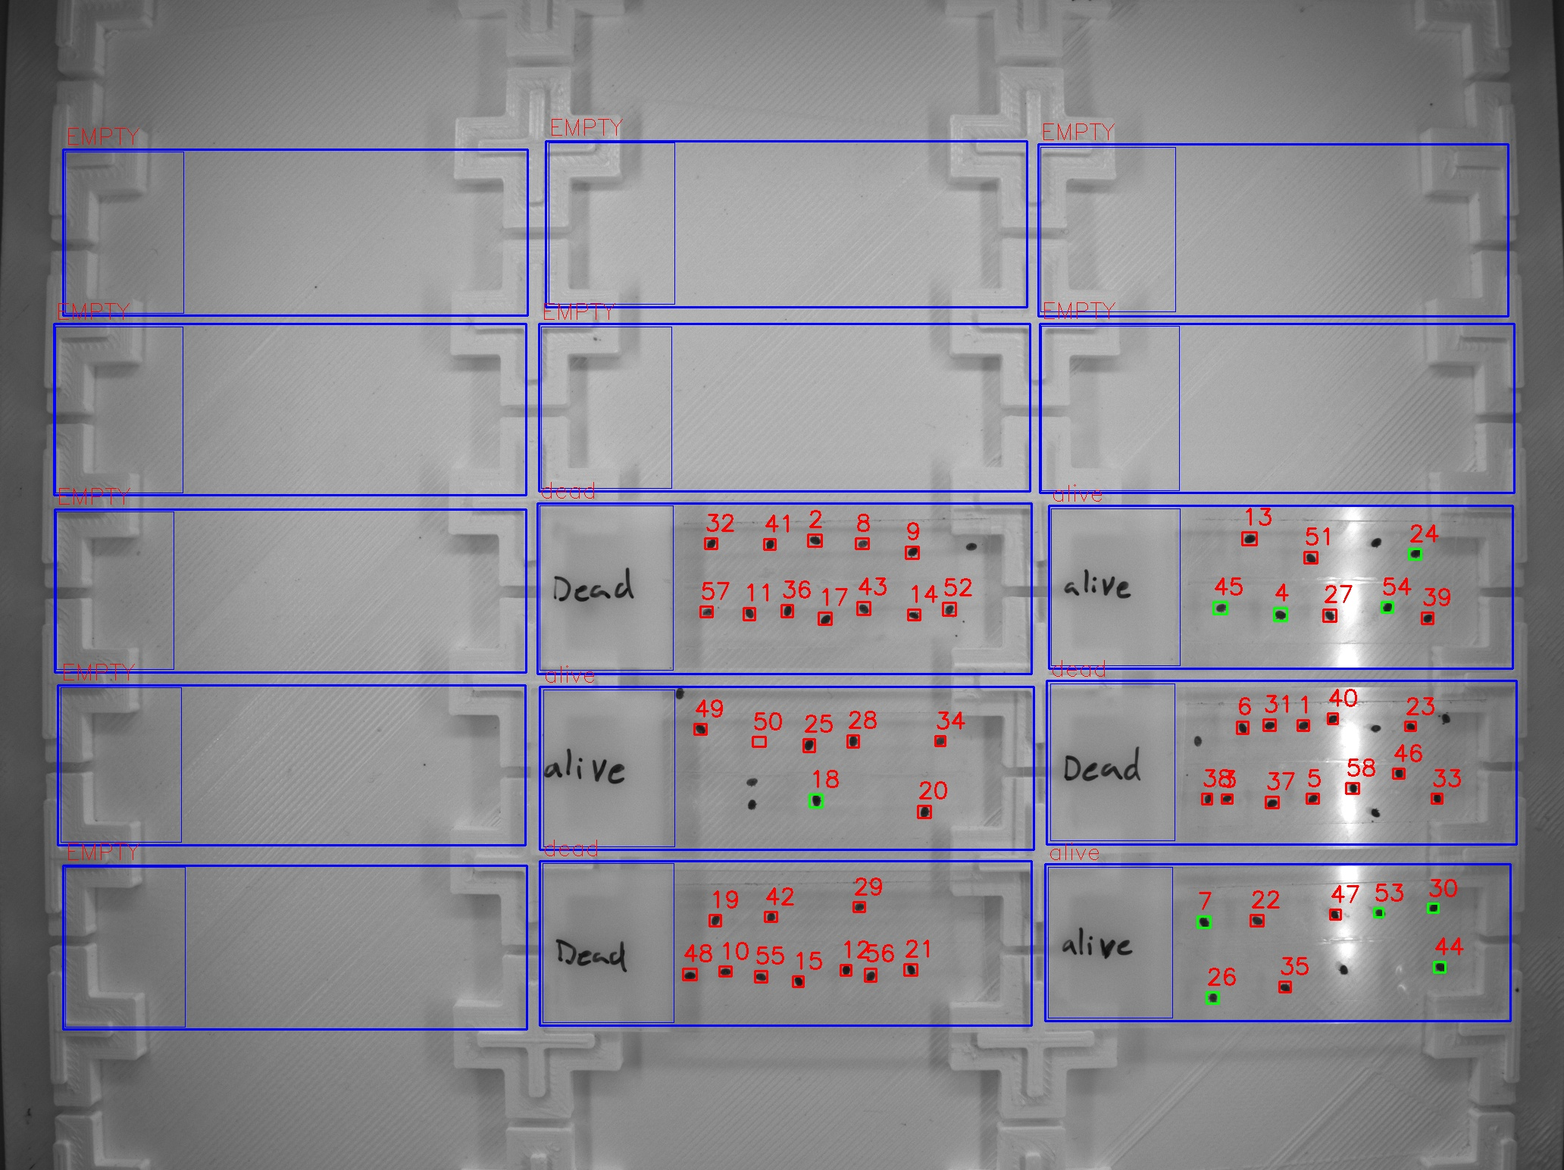
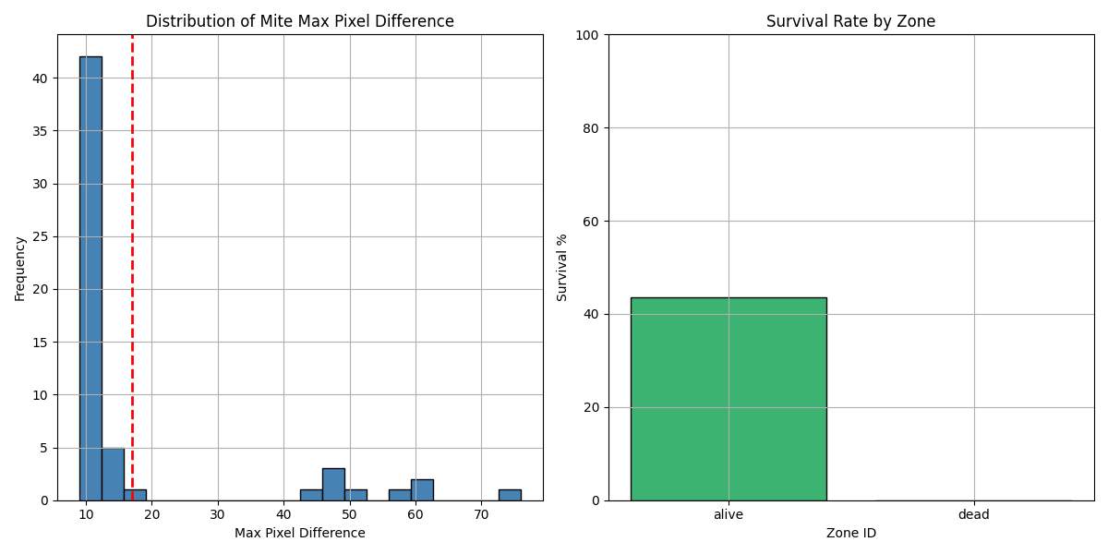
Zone ID | recording | Total Mites | Alive Mites | Dead Mites | Survival %
alive | 5 | 23 | 10 | 13 | 43.48
dead | 5 | 34 | 0 | 34 | 0

Recording 6
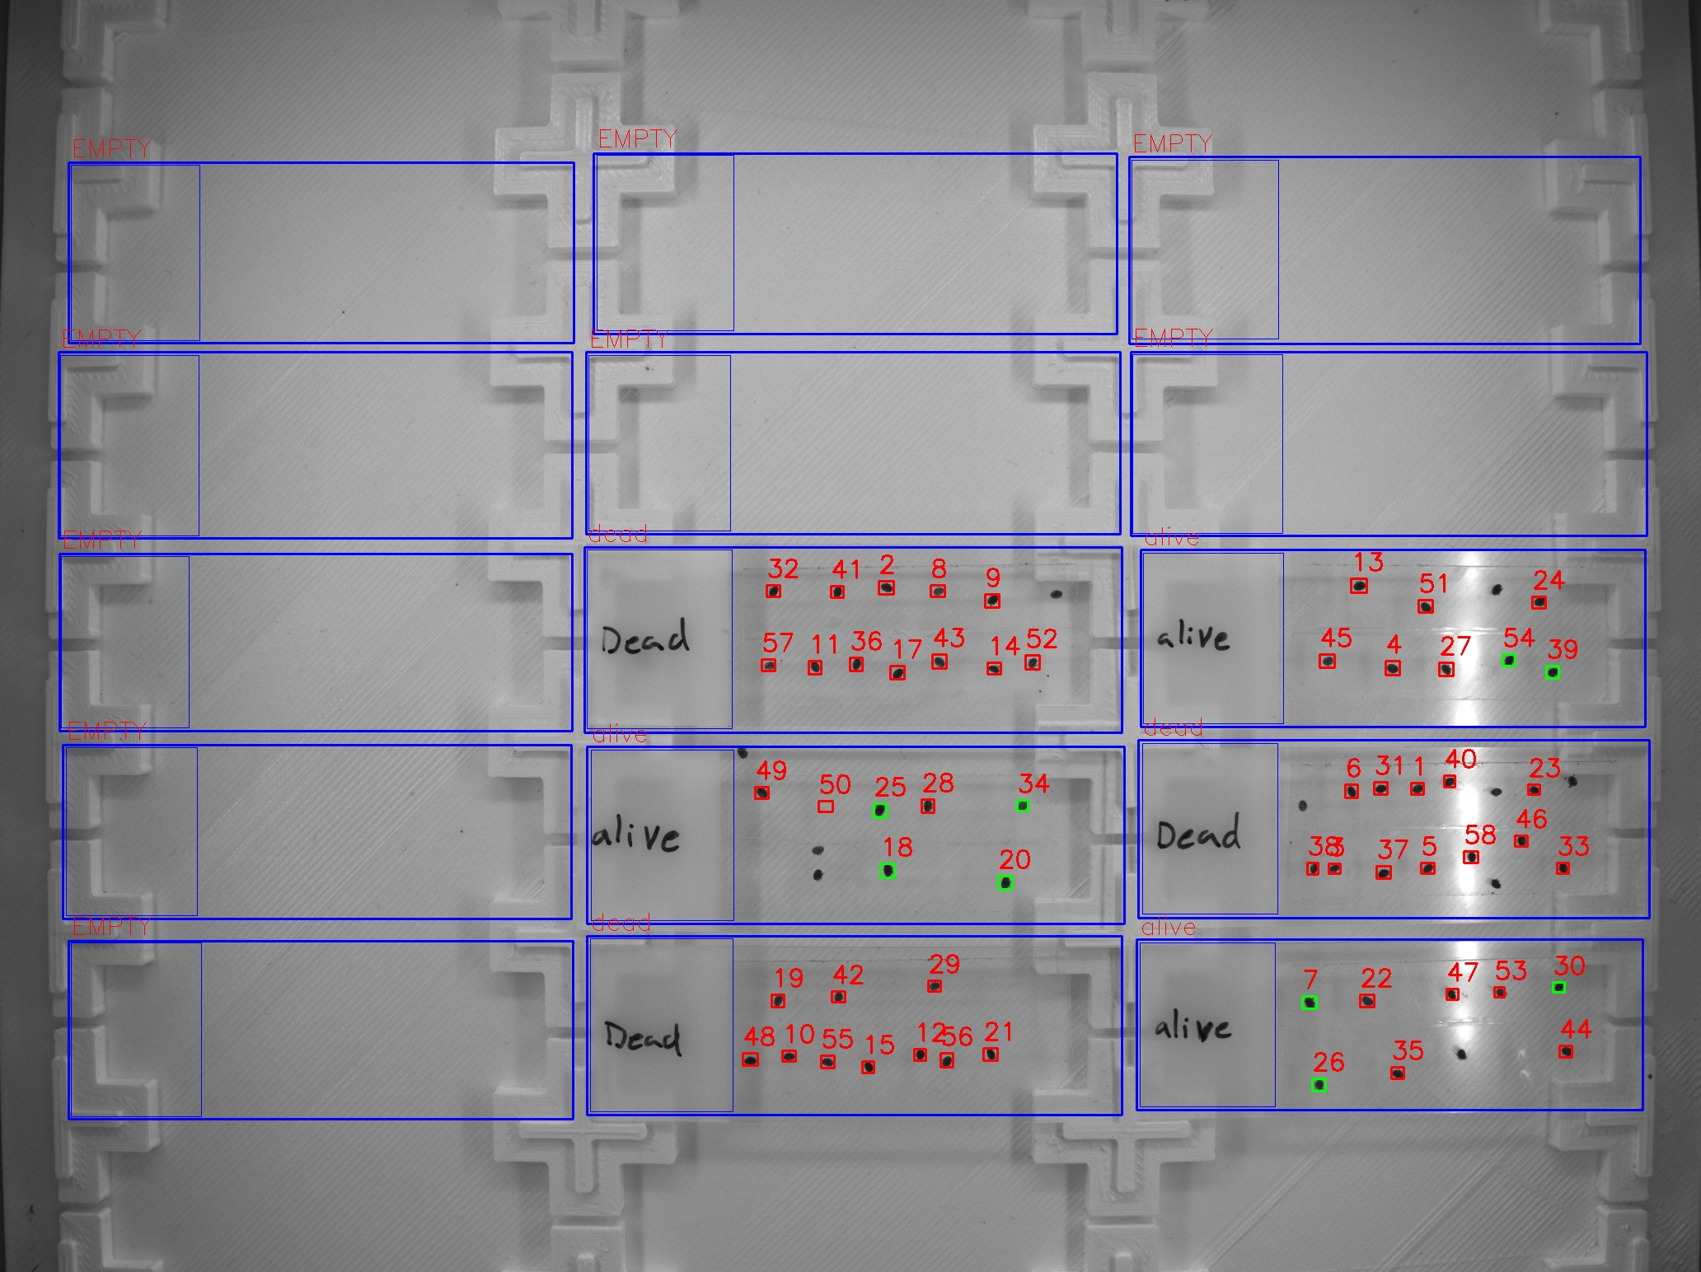
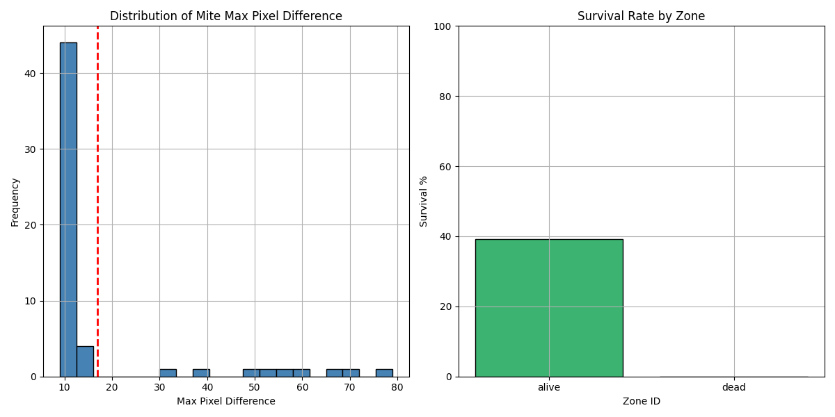
Zone ID | recording | Total Mites | Alive Mites | Dead Mites | Survival %
alive | 6 | 23 | 9 | 14 | 39.13
dead | 6 | 34 | 0 | 34 | 0

Recording 7

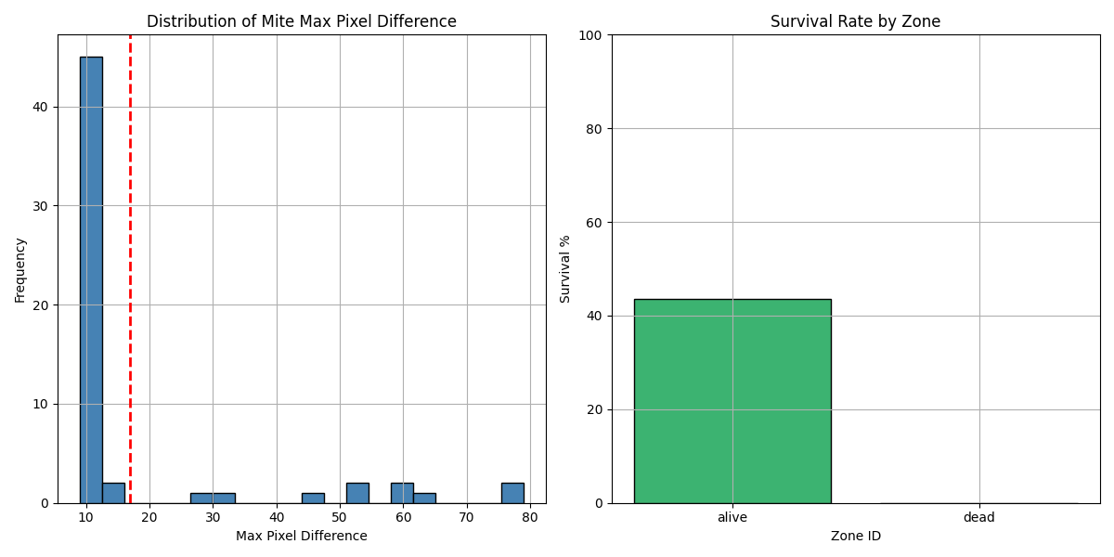
Zone ID | recording | Total Mites | Alive Mites | Dead Mites | Survival %
alive | 7 | 23 | 10 | 13 | 43.48
dead | 7 | 34 | 0 | 34 | 0

Recording 8

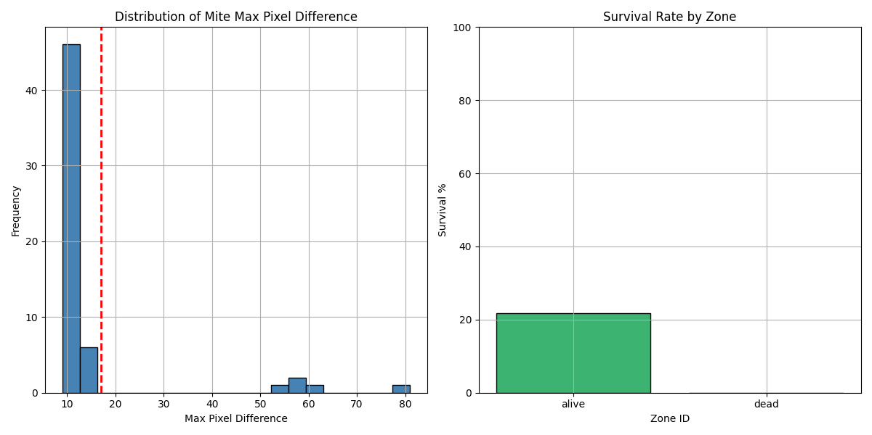
Zone ID | recording | Total Mites | Alive Mites | Dead Mites | Survival %
alive | 8 | 23 | 5 | 18 | 21.74
dead | 8 | 34 | 0 | 34 | 0

