Overview
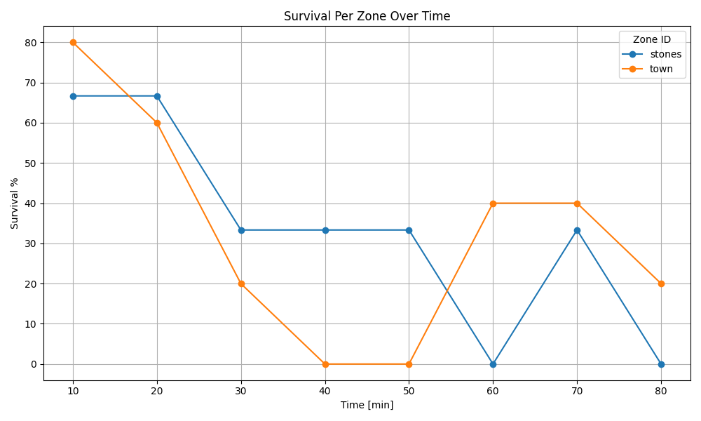

Recording 1
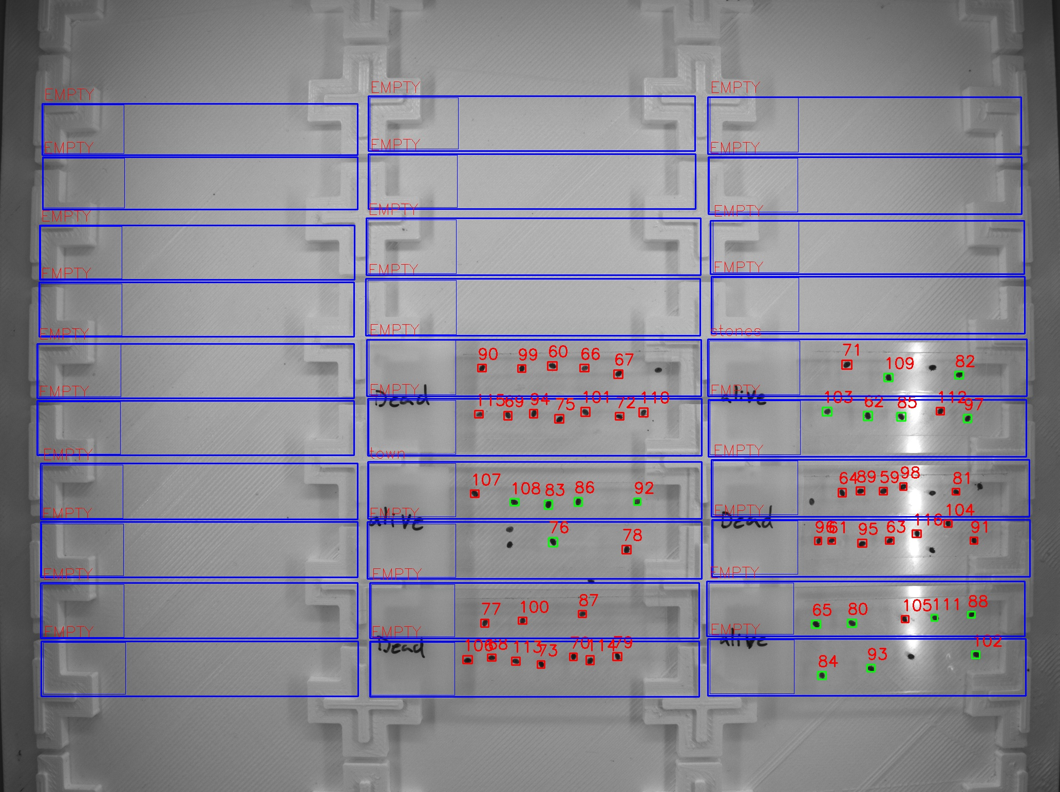
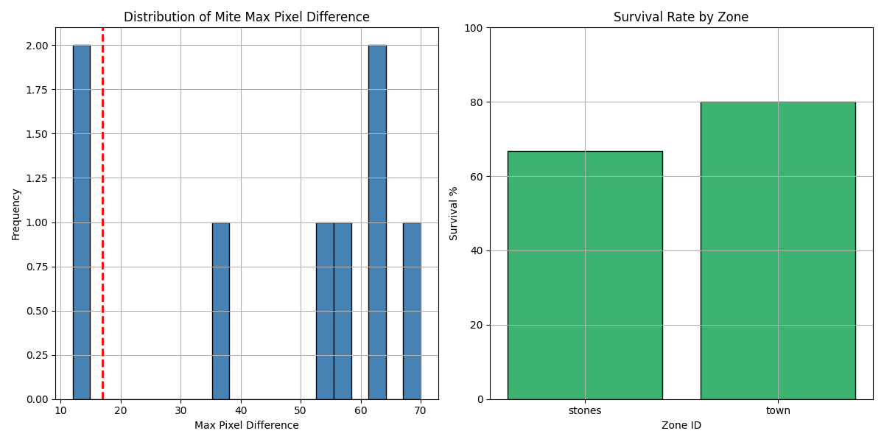
Zone ID | recording | Total Mites | Alive Mites | Dead Mites | Survival %
stones | 1 | 3 | 2 | 1 | 66.67
town | 1 | 5 | 4 | 1 | 80

Recording 2
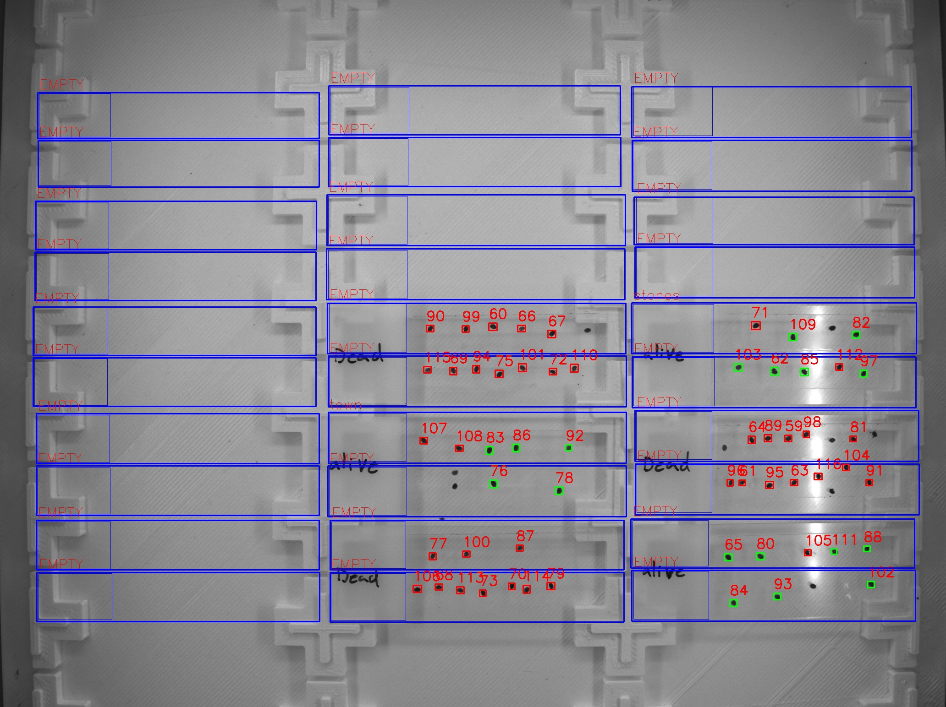
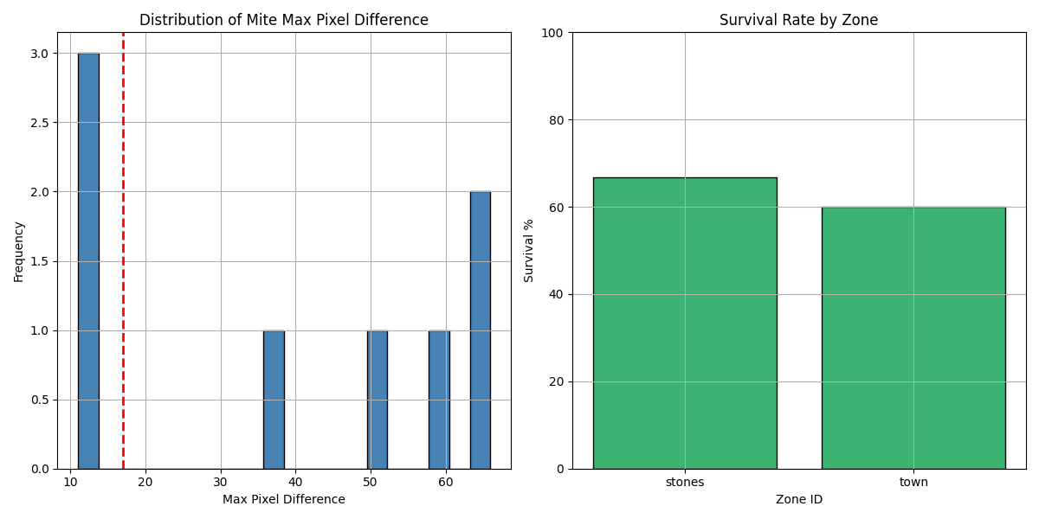
Zone ID | recording | Total Mites | Alive Mites | Dead Mites | Survival %
stones | 2 | 3 | 2 | 1 | 66.67
town | 2 | 5 | 3 | 2 | 60

Recording 3

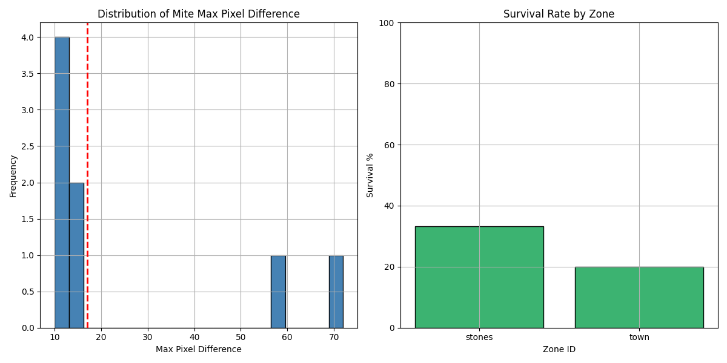
Zone ID | recording | Total Mites | Alive Mites | Dead Mites | Survival %
stones | 3 | 3 | 1 | 2 | 33.33
town | 3 | 5 | 1 | 4 | 20

Recording 4

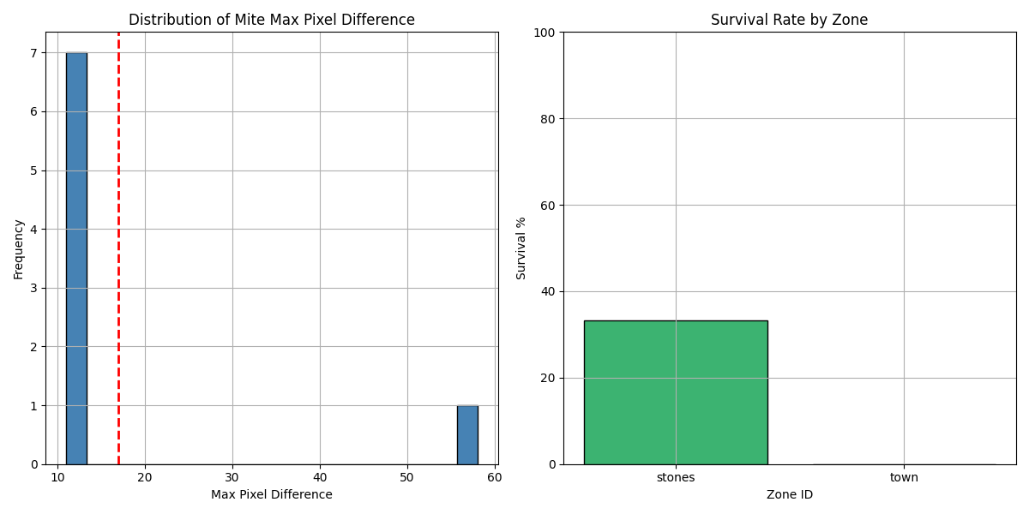
Zone ID | recording | Total Mites | Alive Mites | Dead Mites | Survival %
stones | 4 | 3 | 1 | 2 | 33.33
town | 4 | 5 | 0 | 5 | 0

Recording 5
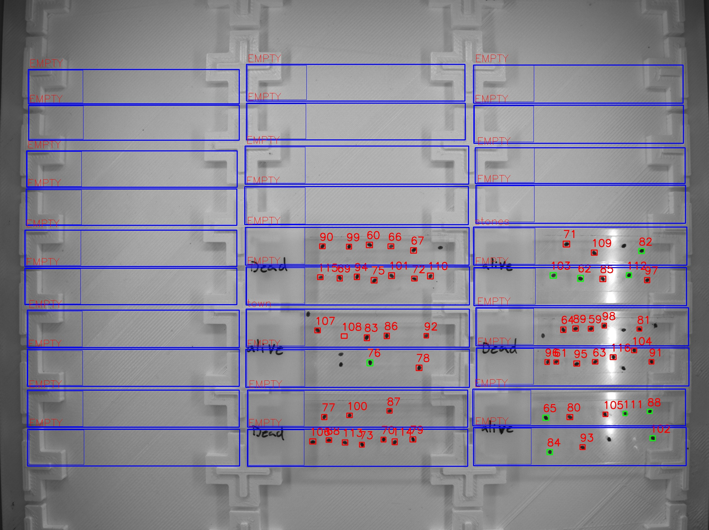
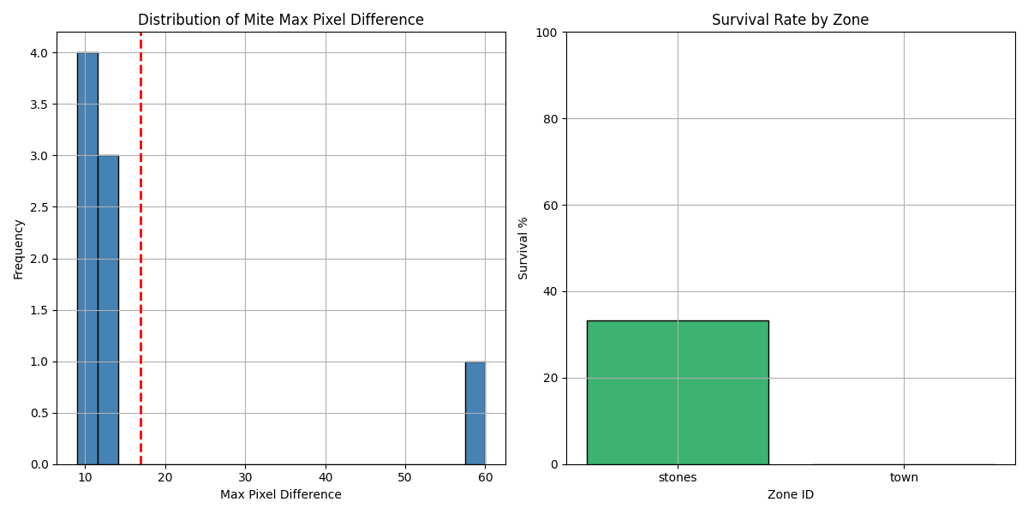
Zone ID | recording | Total Mites | Alive Mites | Dead Mites | Survival %
stones | 5 | 3 | 1 | 2 | 33.33
town | 5 | 5 | 0 | 5 | 0

Recording 6

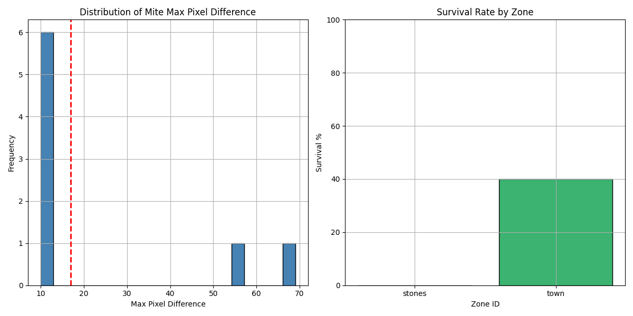
Zone ID | recording | Total Mites | Alive Mites | Dead Mites | Survival %
stones | 6 | 3 | 0 | 3 | 0
town | 6 | 5 | 2 | 3 | 40

Recording 7
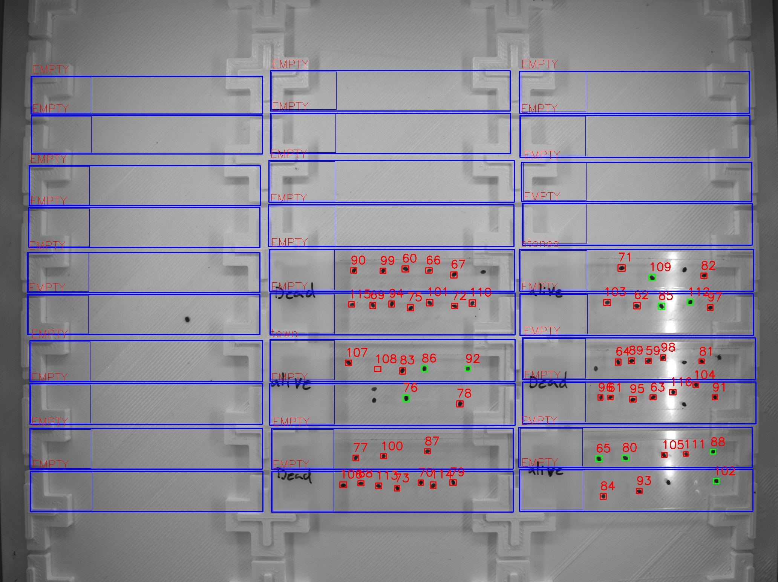
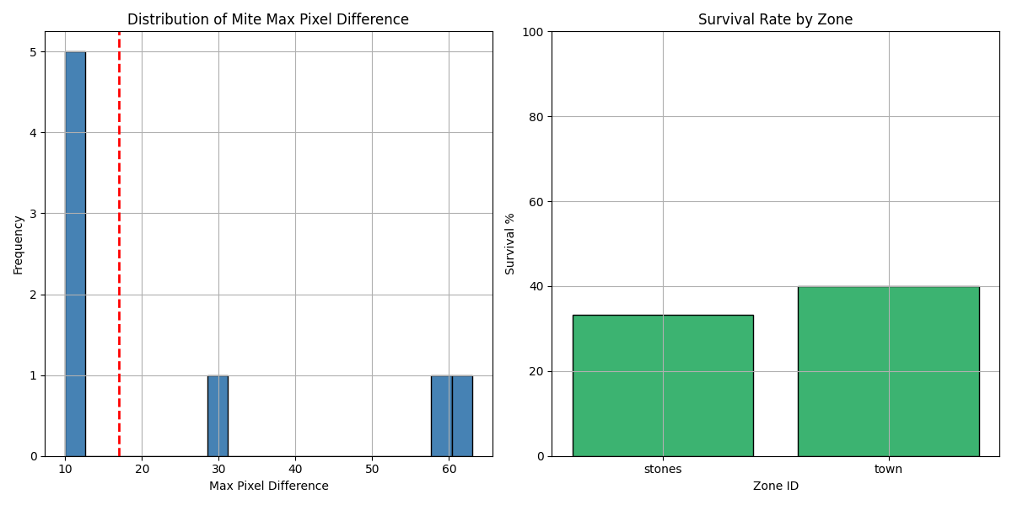
Zone ID | recording | Total Mites | Alive Mites | Dead Mites | Survival %
stones | 7 | 3 | 1 | 2 | 33.33
town | 7 | 5 | 2 | 3 | 40

Recording 8
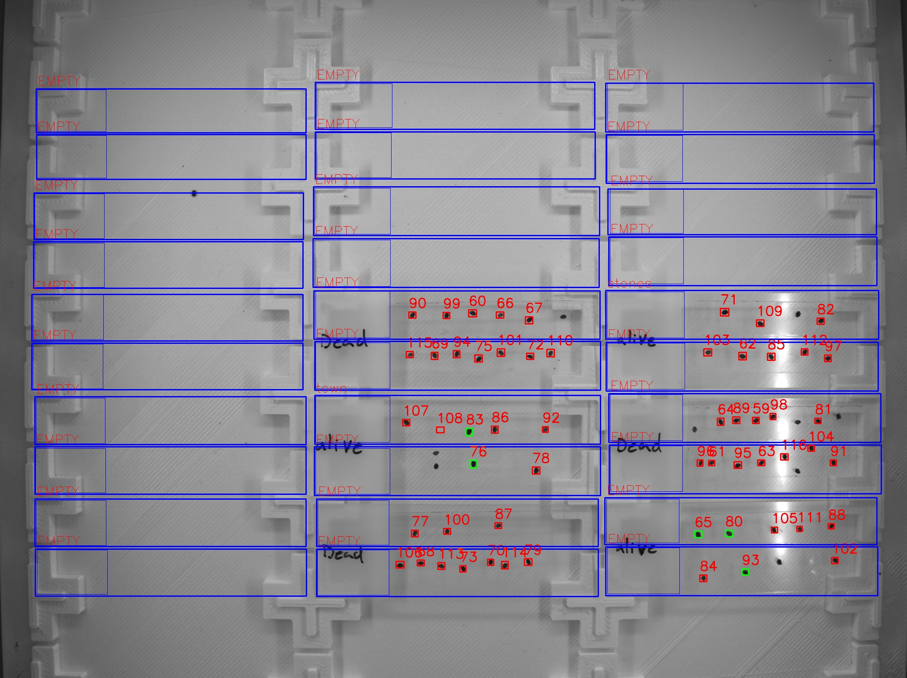
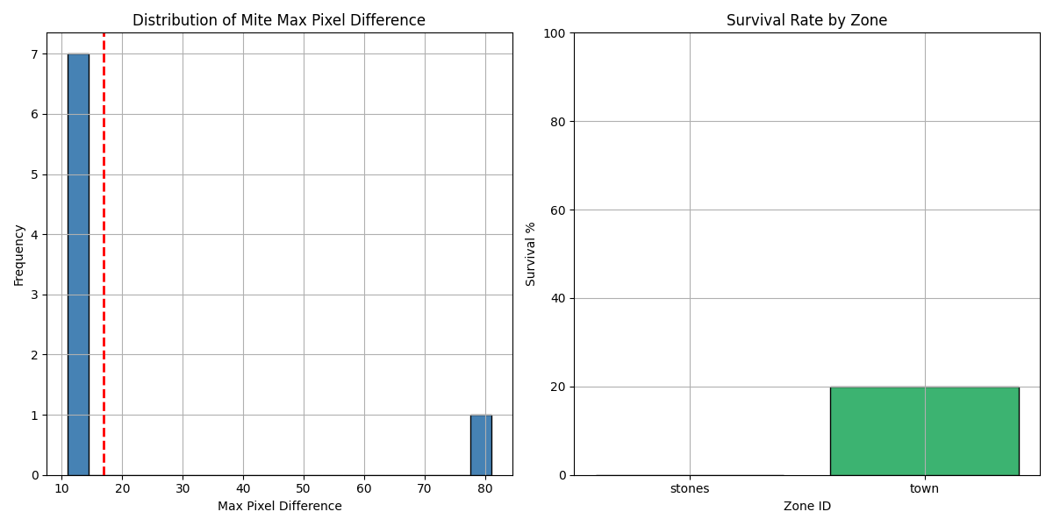
Zone ID | recording | Total Mites | Alive Mites | Dead Mites | Survival %
stones | 8 | 3 | 0 | 3 | 0
town | 8 | 5 | 1 | 4 | 20

