stones
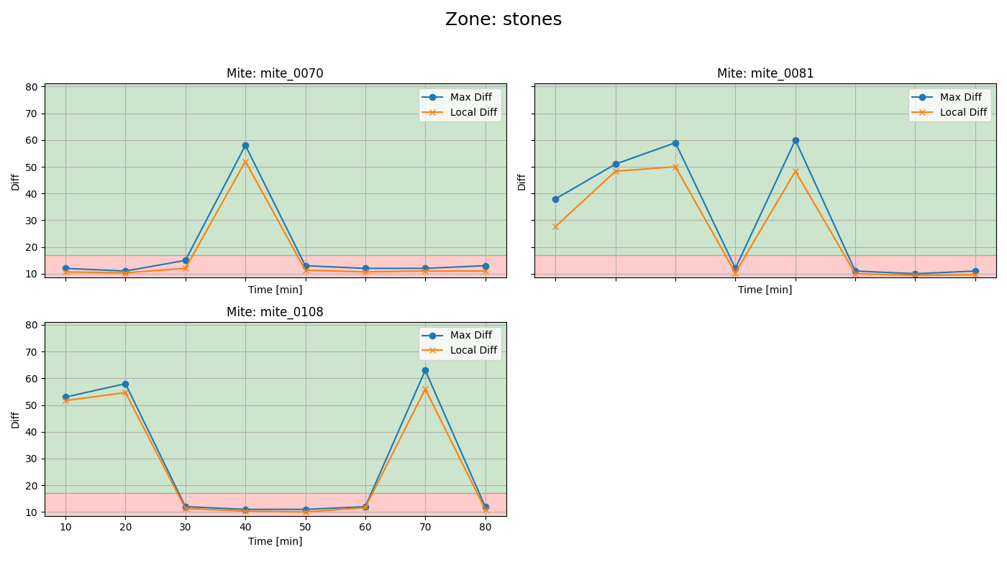
mite ID | 1 | 2 | 3 | 4 | 5 | 6 | 7 | 8 | first recording detections
mite_0070 | dead | dead | dead | alive | dead | dead | dead | dead
mite_0081 | alive | alive | alive | dead | alive | dead | dead | dead
mite_0108 | alive | alive | dead | dead | dead | dead | alive | dead

town
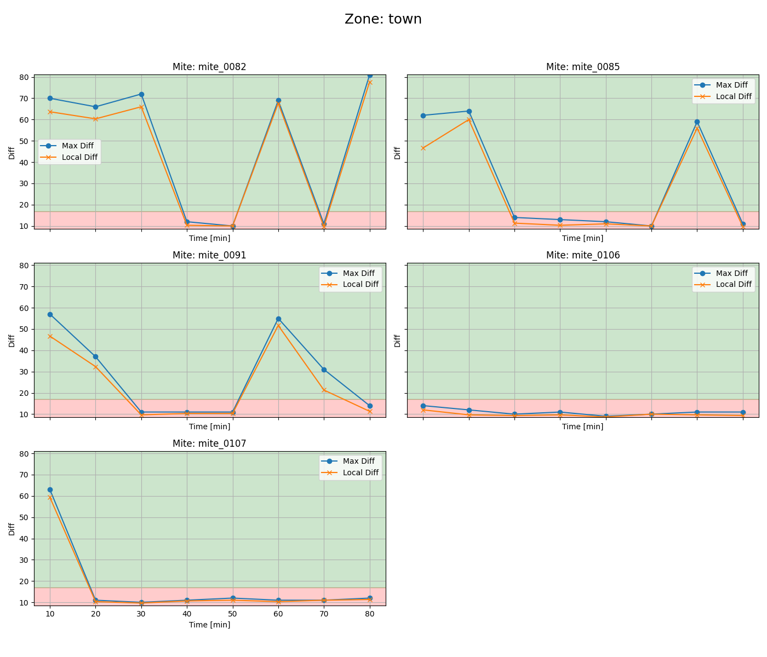
mite ID | 1 | 2 | 3 | 4 | 5 | 6 | 7 | 8 | first recording detections
mite_0082 | alive | alive | alive | dead | dead | alive | dead | alive
mite_0085 | alive | alive | dead | dead | dead | dead | alive | dead
mite_0091 | alive | alive | dead | dead | dead | alive | alive | dead
mite_0106 | dead | dead | dead | dead | dead | dead | dead | dead
mite_0107 | alive | dead | dead | dead | dead | dead | dead | dead

