Map
Health in the European Union – facts and figures
Mental health and related issues

Map 1: Standardised death rates for mental and behavioural disorders, by NUTS level 2 regions, 2021
(per 100 000 inhabitants)

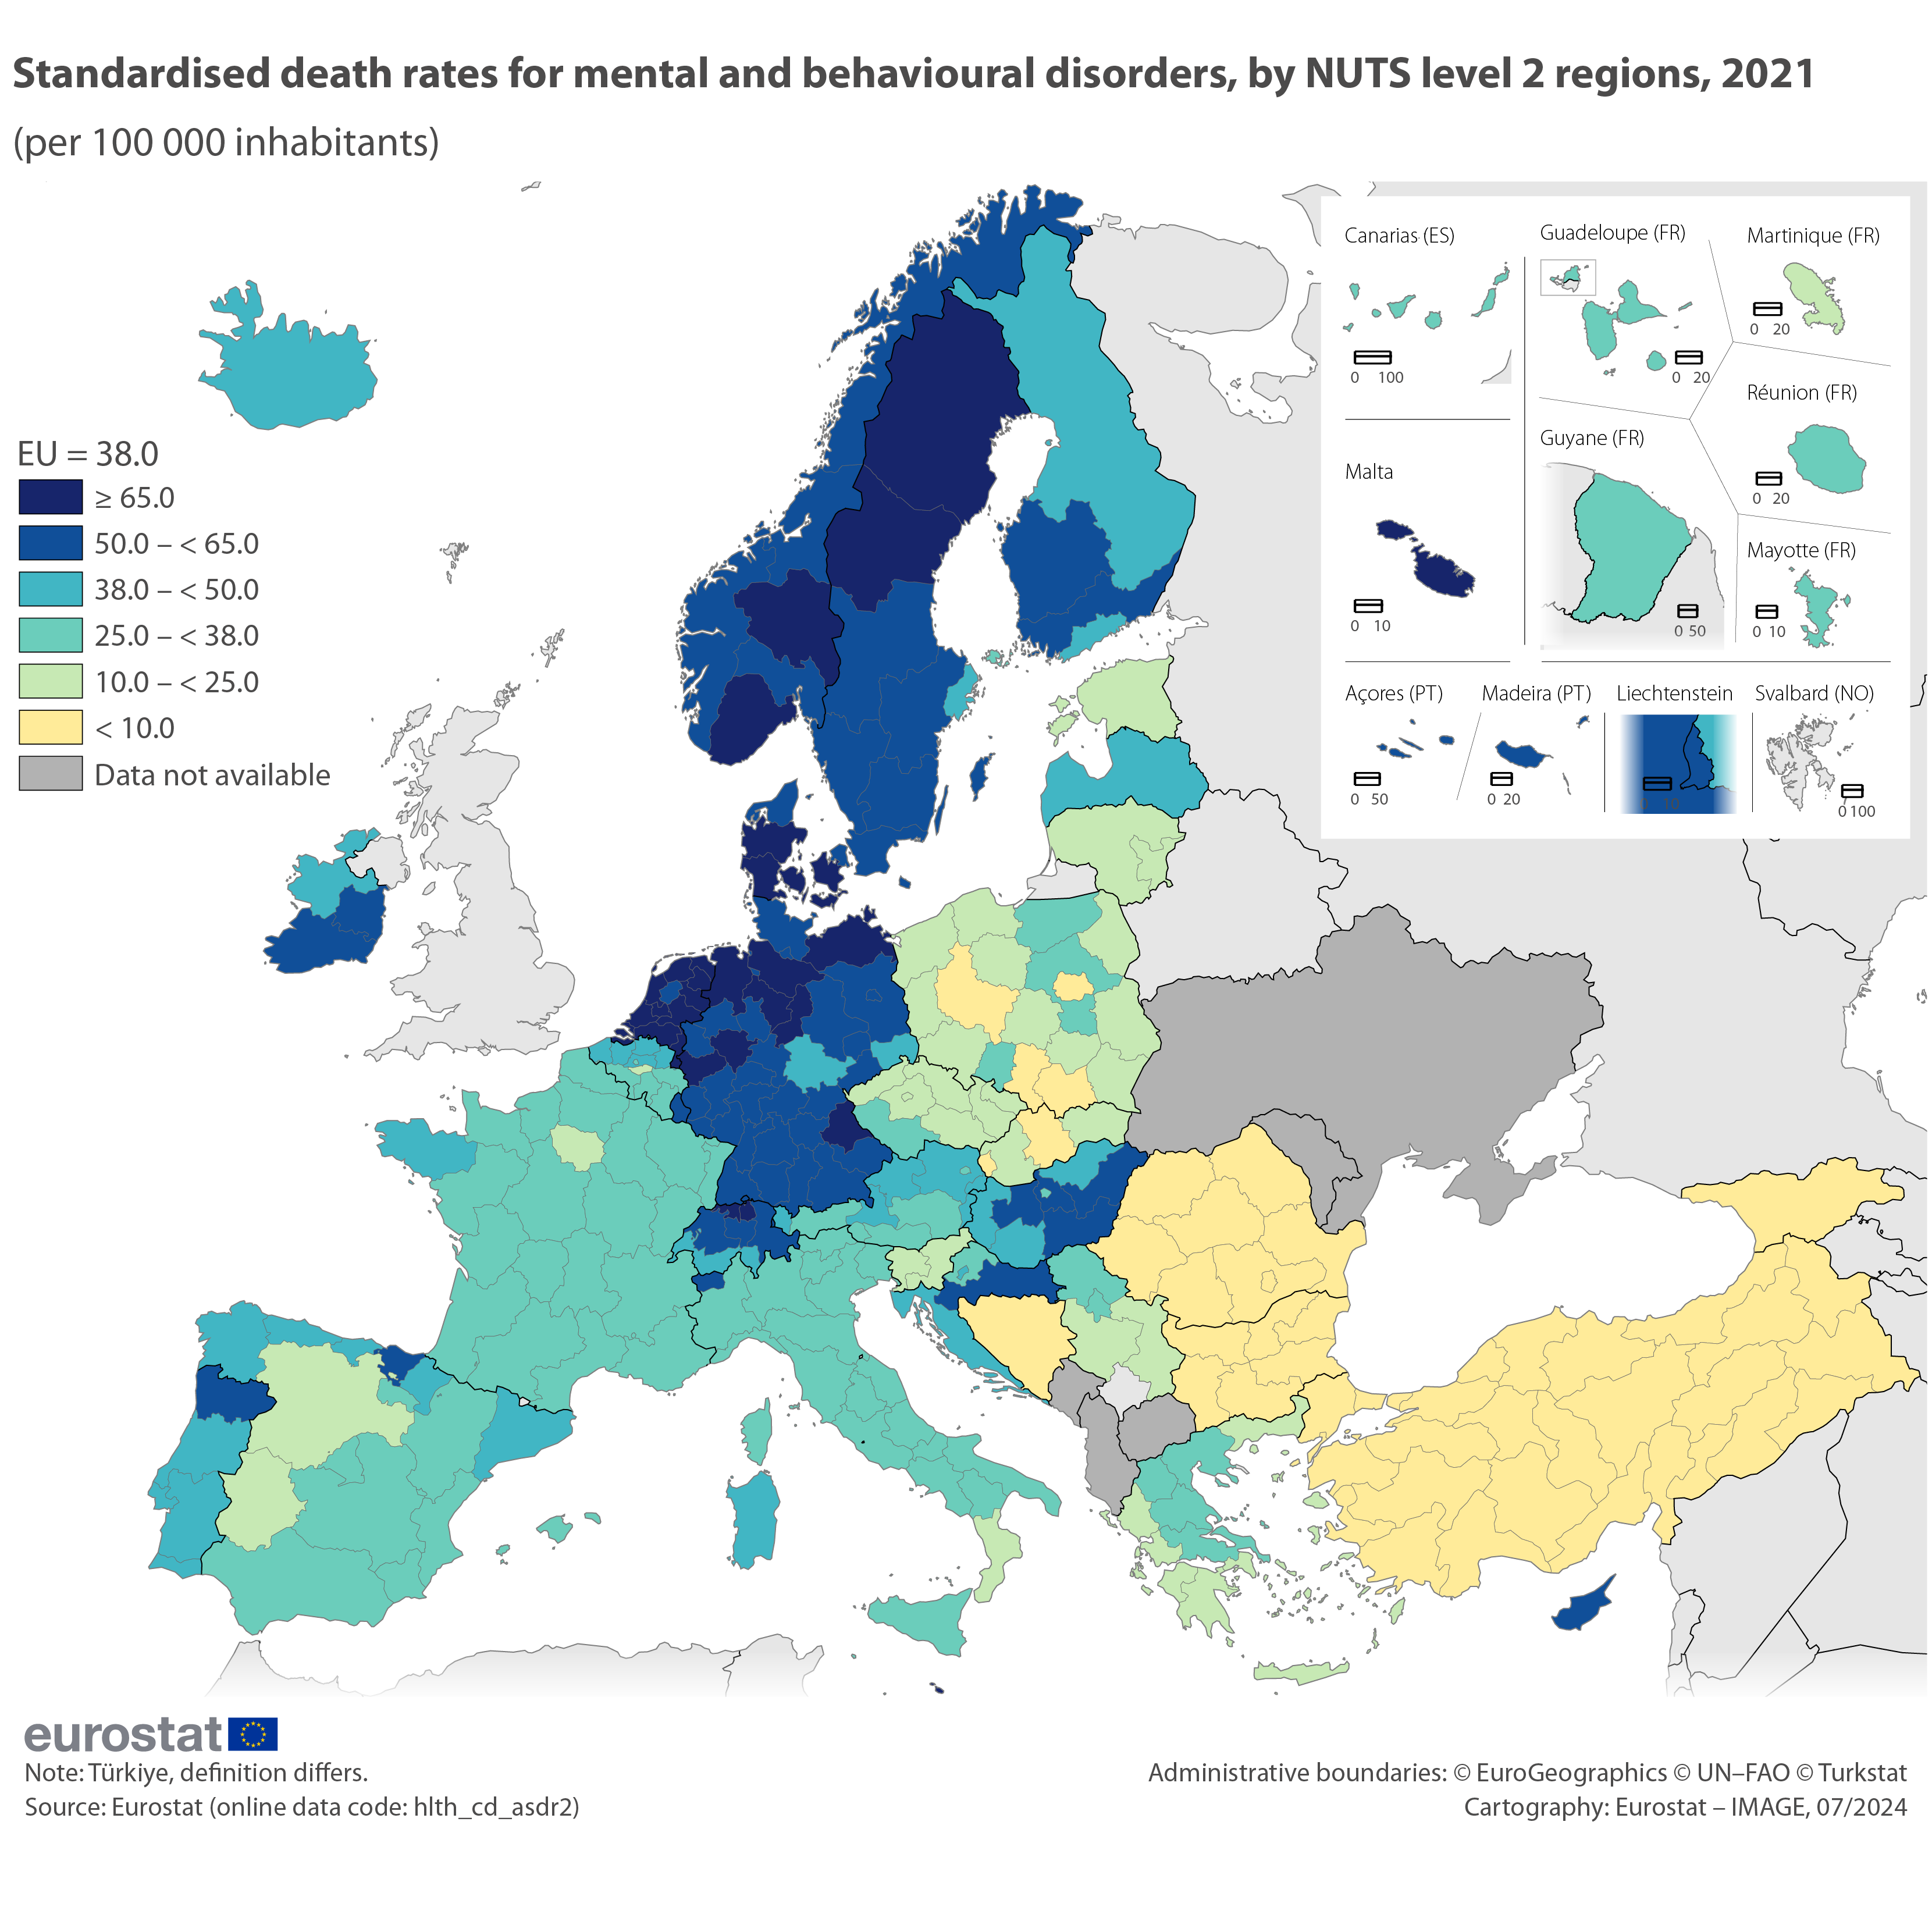
Code | Label | Value | Class
BE10 | Région de Bruxelles-Capitale/Brussels Hoofdstedelijk Gewest | 29.8 | 4
BE21 | Prov. Antwerpen | 46.6 | 3 | EU = 38.0
BE22 | Prov. Limburg (BE) | 43.7 | 3
BE23 | Prov. Oost-Vlaanderen | 42.6 | 3 | multiHueRYB
BE24 | Prov. Vlaams-Brabant | 44.3 | 3 | ≥ 65.0 | 1
BE25 | Prov. West-Vlaanderen | 41.7 | 3 | 50.0 – < 65.0 | 2
BE31 | Prov. Brabant wallon | 24.6 | 5 | 38.0 – < 50.0 | 3
BE32 | Prov. Hainaut | 33.9 | 4 | 25.0 – < 38.0 | 4
BE33 | Prov. Liège | 31.0 | 4 | 10.0 – < 25.0 | 5
BE34 | Prov. Luxembourg (BE) | 25.1 | 4 | < 10.0 | 6
BE35 | Prov. Namur | 28.2 | 4 | Not available | :
BG31 | Severozapaden | 2.4 | 6
BG32 | Severen tsentralen | 1.5 | 6
BG33 | Severoiztochen | 3.9 | 6
BG34 | Yugoiztochen | 0.9 | 6
BG41 | Yugozapaden | 1.4 | 6
BG42 | Yuzhen tsentralen | 0.3 | 6
CZ01 | Praha | 24.9 | 5
CZ02 | Střední Čechy | 20.2 | 5
CZ03 | Jihozápad | 29.5 | 4
CZ04 | Severozápad | 23.0 | 5
CZ05 | Severovýchod | 23.4 | 5
CZ06 | Jihovýchod | 17.1 | 5
CZ07 | Střední Morava | 23.1 | 5
CZ08 | Moravskoslezsko | 24.2 | 5
DK01 | Hovedstaden | 57.6 | 2
DK02 | Sjælland | 71.1 | 1
DK03 | Syddanmark | 78.0 | 1
DK04 | Midtjylland | 76.8 | 1
DK05 | Nordjylland | 62.0 | 2
DE11 | Stuttgart | 58.8 | 2
DE12 | Karlsruhe | 60.8 | 2
DE13 | Freiburg | 57.9 | 2
DE14 | Tübingen | 51.8 | 2
DE21 | Oberbayern | 62.2 | 2
DE22 | Niederbayern | 60.5 | 2
DE23 | Oberpfalz | 69.4 | 1
DE24 | Oberfranken | 56.6 | 2
DE25 | Mittelfranken | 64.2 | 2
DE26 | Unterfranken | 52.1 | 2
DE27 | Schwaben | 62.0 | 2
DE30 | Berlin | 54.4 | 2
DE40 | Brandenburg | 53.7 | 2
DE50 | Bremen | 64.6 | 2
DE60 | Hamburg | 62.0 | 2
DE71 | Darmstadt | 56.9 | 2
DE72 | Gießen | 60.7 | 2
DE73 | Kassel | 60.5 | 2
DE80 | Mecklenburg-Vorpommern | 66.6 | 1
DE91 | Braunschweig | 66.5 | 1
DE92 | Hannover | 79.3 | 1
DE93 | Lüneburg | 74.8 | 1
DE94 | Weser-Ems | 72.2 | 1
DEA1 | Düsseldorf | 61.7 | 2
DEA2 | Köln | 65.7 | 1
DEA3 | Münster | 64.2 | 2
DEA4 | Detmold | 61.2 | 2
DEA5 | Arnsberg | 67.4 | 1
DEB1 | Koblenz | 54.0 | 2
DEB2 | Trier | 53.3 | 2
DEB3 | Rheinhessen-Pfalz | 53.7 | 2
DEC0 | Saarland | 62.7 | 2
DED2 | Dresden | 49.9 | 3
DED4 | Chemnitz | 51.8 | 2
DED5 | Leipzig | 58.0 | 2
DEE0 | Sachsen-Anhalt | 54.6 | 2
DEF0 | Schleswig-Holstein | 61.5 | 2
DEG0 | Thüringen | 45.9 | 3
EE00 | Eesti | 16.0 | 5
IE04 | Northern and Western | 43.5 | 3
IE05 | Southern | 53.4 | 2
IE06 | Eastern and Midland | 57.5 | 2
EL30 | Attiki | 22.9 | 5
EL41 | Voreio Aigaio | 20.1 | 5
EL42 | Notio Aigaio | 22.0 | 5
EL43 | Kriti | 19.7 | 5
EL51 | Anatoliki Makedonia, Thraki | 18.7 | 5
EL52 | Kentriki Makedonia | 28.5 | 4
EL53 | Dytiki Makedonia | 27.1 | 4
EL54 | Ipeiros | 16.3 | 5
EL61 | Thessalia | 28.1 | 4
EL62 | Ionia Nisia | 21.2 | 5
EL63 | Dytiki Elláda | 22.6 | 5
EL64 | Sterea Elláda | 25.5 | 4
EL65 | Peloponnisos | 21.9 | 5
ES11 | Galicia | 45.7 | 3
ES12 | Principado de Asturias | 48.2 | 3
ES13 | Cantabria | 40.0 | 3
ES21 | País Vasco | 53.9 | 2
ES22 | Comunidad Foral de Navarra | 38.1 | 3
ES23 | La Rioja | 34.3 | 4
ES24 | Aragón | 34.5 | 4
ES30 | Comunidad de Madrid | 27.2 | 4
ES41 | Castilla y León | 24.2 | 5
ES42 | Castilla-La Mancha | 30.2 | 4
ES43 | Extremadura | 24.4 | 5
ES51 | Cataluña | 38.1 | 3
ES52 | Comunitat Valenciana | 33.8 | 4
ES53 | Illes Balears | 34.5 | 4
ES61 | Andalucía | 32.5 | 4
ES62 | Región de Murcia | 34.9 | 4
ES63 | Ciudad de Ceuta | 41.8 | 3
ES64 | Ciudad de Melilla | 18.8 | 5
ES70 | Canarias | 33.7 | 4
FR10 | Ile de France | 24.4 | 5
FRB0 | Centre — Val de Loire | 33.3 | 4
FRC1 | Bourgogne | 27.6 | 4
FRC2 | Franche-Comté | 30.8 | 4
FRD1 | Basse-Normandie | 30.2 | 4
FRD2 | Haute-Normandie | 32.2 | 4
FRE1 | Nord-Pas de Calais | 30.8 | 4
FRE2 | Picardie | 28.2 | 4
FRF1 | Alsace | 29.6 | 4
FRF2 | Champagne-Ardenne | 27.1 | 4
FRF3 | Lorraine | 33.8 | 4
FRG0 | Pays de la Loire | 29.2 | 4
FRH0 | Bretagne | 38.6 | 3
FRI1 | Aquitaine | 29.8 | 4
FRI2 | Limousin | 37.1 | 4
FRI3 | Poitou-Charentes | 30.9 | 4
FRJ1 | Languedoc-Roussillon | 30.1 | 4
FRJ2 | Midi-Pyrénées | 27.2 | 4
FRK1 | Auvergne | 35.1 | 4
FRK2 | Rhône-Alpes | 25.8 | 4
FRL0 | Provence-Alpes-Côte d’Azur | 30.2 | 4
FRM0 | Corse | 25.6 | 4
FRY1 | Guadeloupe | 30.7 | 4
FRY2 | Martinique | 18.9 | 5
FRY3 | Guyane | 28.6 | 4
FRY4 | La Réunion | 35.0 | 4
FRY5 | Mayotte | 25.7 | 4
HR02 | Panonska Hrvatska | 51.8 | 2
HR03 | Jadranska Hrvatska | 45.2 | 3
HR05 | Grad Zagreb | 39.1 | 3
HR06 | Sjeverna Hrvatska | 37.5 | 4
ITC1 | Piemonte | 35.2 | 4
ITC2 | Valle d’Aosta/Vallée d’Aoste | 57.4 | 2
ITC3 | Liguria | 26.1 | 4
ITC4 | Lombardia | 28.2 | 4
ITF1 | Abruzzo | 27.0 | 4
ITF2 | Molise | 25.0 | 4
ITF3 | Campania | 25.1 | 4
ITF4 | Puglia | 26.2 | 4
ITF5 | Basilicata | 27.7 | 4
ITF6 | Calabria | 23.6 | 5
ITG1 | Sicilia | 35.7 | 4
...

Figure 1
...
Standardised death rates for intentional self-harm, by sex, 2021 (per 100 000 inhabitants)
 | Both sexes | Males | Females | Males | Both sexes | Females
EU | 10.2 | 16.8 | 4.6
Slovenia | 19.8 | 33.3 | 8.3
Lithuania | 19.5 | 35.2 | 7.5
Hungary | 15.7 | 27.5 | 6.5
Belgium | 14.3 | 21.3 | 8.1
Croatia | 14.1 | 24.8 | 5.6
Estonia | 14.0 | 25.0 | 5.2
Finland | 13.5 | 19.5 | 8.0
Latvia | 13.4 | 26.5 | 3.3
France | 13.3 | 21.7 | 6.2
Poland | 12.2 | 22.1 | 3.3
Sweden | 12.1 | 17.4 | 6.9
Austria | 11.9 | 21.0 | 4.6
Czechia | 11.6 | 19.8 | 4.8
Netherlands | 10.6 | 15.0 | 6.4
Germany | 10.3 | 16.3 | 5.1
Denmark | 9.5 | 14.1 | 5.1
Romania | 9.3 | 17.2 | 2.6
Ireland | 9.3 | 15.2 | 3.6
Portugal | 8.2 | 14.2 | 3.5
Spain | 7.9 | 12.5 | 3.9
Bulgaria | 7.8 | 13.6 | 3.2
Slovakia | 7.5 | 13.6 | 2.4
Malta | 6.6 | 9.1 | 3.9
Luxembourg | 6.1 | 9.4 | 3.2
Italy | 5.9 | 9.7 | 2.5
Greece | 4.2 | 7.3 | 1.3
Cyprus | 2.7 | 3.5 | 2.0
Norway | 12.1 | 17.7 | 6.5
Switzerland | 11.5 | 17.2 | 6.4
Iceland | 9.9 | 12.9 | 6.7
Liechtenstein | 4.9 | 10.1 | 0.0
Serbia | 12.6 | 20.9 | 5.6
Türkiye (¹) | 5.3 | 8.4 | 2.3
Males | Females | Both sexes | Males | Females
16.8 | 4.6

33.3 | 8.3
35.2 | 7.5
27.5 | 6.5
21.3 | 8.1
24.8 | 5.6
25.0 | 5.2
19.5 | 8.0
26.5 | 3.3
21.7 | 6.2
22.1 | 3.3
17.4 | 6.9
21.0 | 4.6
19.8 | 4.8
15.0 | 6.4
16.3 | 5.1
14.1 | 5.1
17.2 | 2.6
15.2 | 3.6
14.2 | 3.5
12.5 | 3.9
13.6 | 3.2
13.6 | 2.4
9.1 | 3.9
9.4 | 3.2
9.7 | 2.5
7.3 | 1.3
3.5 | 2.0

17.7 | 6.5
17.2 | 6.4
12.9 | 6.7
10.1 | 0.0

20.9 | 5.6
8.4 | 2.3
...

Figure 2
...
Hospital discharge rates for in-patients with selected mental and behavioural disorders, 2021 (per 100 000 inhabitants)
 | Dementia | Mental and behavioural disorders due to alcohol and/or psychoactive substance use | Schizophrenia, schizotypal and delusional disorders | Mood (affective) disorders | Other mental and behavioural disorders
Germany | 19.5 | 381.2 | 139.9 | 429.0 | 493.5
Latvia | 96.6 | 485.7 | 281.0 | 73.7 | 302.5
Finland | 126.6 | 286.6 | 218.9 | 223.4 | 234.2
Austria | 61.6 | 228.7 | 119.5 | 278.0 | 347.8
France | 35.7 | 200.1 | 192.6 | 277.8 | 316.3
Lithuania | 4.3 | 187.6 | 234.0 | 158.3 | 323.7
Sweden | 14.7 | 308.0 | 130.0 | 156.8 | 293.8
Romania | 67.1 | 45.3 | 192.7 | 229.1 | 232.8
Croatia | 16.1 | 159.7 | 217.9 | 101.2 | 228.7
Slovakia | 34.8 | 229.5 | 132.5 | 96.5 | 189.3
Czechia | 33.9 | 178.0 | 88.7 | 43.5 | 223.7
Poland | 13.9 | 250.5 | 95.9 | 57.7 | 135.3
Hungary | 63.6 | 69.5 | 114.8 | 94.3 | 170.2
Slovenia | 29.5 | 124.0 | 116.3 | 72.4 | 165.6
Bulgaria | 9.8 | 56.5 | 204.2 | 91.8 | 96.9
Malta (¹) | 14.6 | 138.8 | 45.2 | 49.1 | 133.1
Spain | 10.2 | 31.3 | 68.9 | 50.4 | 79.2
Belgium | 24.5 | 93.1 | 12.8 | 29.9 | 79.0
Italy | 10.4 | 22.0 | 53.7 | 65.6 | 77.1
Ireland | 15.7 | 75.2 | 8.0 | 9.8 | 74.0
Portugal | 13.0 | 18.2 | 45.1 | 46.6 | 30.0
Cyprus | 3.2 | 3.6 | 17.4 | 16.5 | 27.1
Netherlands | 1.4 | 9.9 | 2.0 | 1.7 | 25.1
Norway | 19.8 | 453.4 | 238.3 | 229.1 | 409.4
Switzerland | 27.7 | 268.9 | 176.1 | 374.1 | 407.0
Iceland (²) | 44.9 | 241.3 | 105.4 | 196.4 | 236.3
Liechtenstein | 0.0 | 74.0 | 20.4 | 421.1 | 148.0
Serbia | 12.7 | 70.7 | 93.1 | 50.1 | 65.3
Montenegro | 3.2 | 38.3 | 88.8 | 30.4 | 43.9
Dementia | Mental and behavioural disorders due to alcohol and/or psychoactive substance use | Schizophrenia, schizotypal and delusional disorders | Mood (affective) disorders | Other mental and behavioural disorders
19.5 | 381.2 | 139.9 | 429.0 | 493.5
96.6 | 485.7 | 281.0 | 73.7 | 302.5
126.6 | 286.6 | 218.9 | 223.4 | 234.2
61.6 | 228.7 | 119.5 | 278.0 | 347.8
35.7 | 200.1 | 192.6 | 277.8 | 316.3
4.3 | 187.6 | 234.0 | 158.3 | 323.7
14.7 | 308.0 | 130.0 | 156.8 | 293.8
67.1 | 45.3 | 192.7 | 229.1 | 232.8
16.1 | 159.7 | 217.9 | 101.2 | 228.7
34.8 | 229.5 | 132.5 | 96.5 | 189.3
33.9 | 178.0 | 88.7 | 43.5 | 223.7
13.9 | 250.5 | 95.9 | 57.7 | 135.3
63.6 | 69.5 | 114.8 | 94.3 | 170.2
29.5 | 124.0 | 116.3 | 72.4 | 165.6
9.8 | 56.5 | 204.2 | 91.8 | 96.9
14.6 | 138.8 | 45.2 | 49.1 | 133.1
10.2 | 31.3 | 68.9 | 50.4 | 79.2
24.5 | 93.1 | 12.8 | 29.9 | 79.0
10.4 | 22.0 | 53.7 | 65.6 | 77.1
15.7 | 75.2 | 8.0 | 9.8 | 74.0
13.0 | 18.2 | 45.1 | 46.6 | 30.0
3.2 | 3.6 | 17.4 | 16.5 | 27.1
1.4 | 9.9 | 2.0 | 1.7 | 25.1

19.8 | 453.4 | 238.3 | 229.1 | 409.4
27.7 | 268.9 | 176.1 | 374.1 | 407.0
44.9 | 241.3 | 105.4 | 196.4 | 236.3
0.0 | 74.0 | 20.4 | 421.1 | 148.0

12.7 | 70.7 | 93.1 | 50.1 | 65.3
3.2 | 38.3 | 88.8 | 30.4 | 43.9
...

Figure 3
...
In-patient average length of stay for mental and behavioural disorders and all causes, 2021 (days)
 | All causes | Mental and behavioural disorders
Spain | 8.1 | 53.1
Czechia | 9.8 | 43.4
Malta (¹) | 8.6 | 37.9
Poland | 7.2 | 36.6
Bulgaria | 5.2 | 35.2
Hungary | 8.7 | 31.3
Slovakia | 7.4 | 28.5
Croatia | 8.5 | 28.0
Germany | 8.9 | 26.9
Austria | 8.5 | 26.7
Latvia | 8.6 | 24.9
France | 9.0 | 24.2
Romania | 7.8 | 23.5
Slovenia | 6.6 | 23.4
Finland | 7.3 | 20.5
Portugal | 8.2 | 20.0
Lithuania | 7.5 | 19.6
Estonia | 7.8 | 15.7
Sweden | 5.4 | 15.6
Italy | 8.5 | 14.1
Cyprus | 5.1 | 12.3
Ireland | 5.8 | 11.6
Netherlands | 4.3 | 9.5
Belgium | 5.9 | 9.1
Liechtenstein | 7.7 | 33.3
Switzerland | 8.3 | 26.9
Norway | 5.4 | 17.7
Iceland (²) | 6.3 | 11.2
Serbia | 10.9 | 57.6
Montenegro | 8.1 | 34.0

All causes | Mental and behavioural disorders
8.1 | 53.1
9.8 | 43.4
8.6 | 37.9
7.2 | 36.6
5.2 | 35.2
8.7 | 31.3
7.4 | 28.5
8.5 | 28.0
8.9 | 26.9
8.5 | 26.7
8.6 | 24.9
9.0 | 24.2
7.8 | 23.5
6.6 | 23.4
7.3 | 20.5
8.2 | 20.0
7.5 | 19.6
7.8 | 15.7
5.4 | 15.6
8.5 | 14.1
5.1 | 12.3
5.8 | 11.6
4.3 | 9.5
5.9 | 9.1

7.7 | 33.3
8.3 | 26.9
5.4 | 17.7
6.3 | 11.2

10.9 | 57.6
8.1 | 34.0
...

Figure 4
...
Hospital beds – psychiatric care beds, 2022 (per 100 000 inhabitants)
EU | 71.8
Belgium (¹) | 140.7
Germany | 131.3
Latvia | 108.5
Croatia | 96.1
Czechia | 88.7
Romania | 87.7
Lithuania | 83.2
Slovakia | 79.8
Luxembourg | 79.2
Netherlands | 79.1
France | 77.3
Hungary | 75.6
Austria | 71.7
Malta | 71.1
Greece | 67.1
Portugal (²) | 62.9
Slovenia | 62.5
Poland | 62.4
Bulgaria | 59.5
Denmark | 52.7
Estonia | 45.6
Sweden | 39.7
Spain (²) | 36.0
Ireland | 32.6
Finland (³) | 30.3
Cyprus | 18.6
Italy | 8.1
Liechtenstein | 126.6
Norway (⁴) | 101.2
Switzerland | 99.2
Iceland (⁵) | 35.5
Serbia (⁶) | 80.4
Montenegro (⁴) | 50.2
Türkiye | 4.5
...

Figure 5
Health in the European Union – facts and figures
Mental health and related issues

Number of psychiatrists, 2012 and 2022 (per 100 000 inhabitants)
 | 2012 | 2022
Germany | 26.6 | 28.4
Greece (¹) | 17.3 | 25.8
Netherlands (²) | 21.5 | 25.3
Lithuania | 21.6 | 25.2
Finland (³) | 25.9 | 25.1
France | 22.2 | 22.7
Sweden (⁴) | 22.0 | 22.0
Austria (¹) | 15.4 | 21.9
Ireland (⁵) | 17.7 | 21.4
Luxembourg (⁶) | 20.5
Estonia (¹)(⁷) | 13.8 | 20.4
Italy | 17.8 | 20.4
Denmark (⁴) | 18.6 | 19.4
Croatia | 14.9 | 18.5
Belgium | 17.0 | 17.3
Slovenia | 11.2 | 17.3
Czechia (¹)(⁷) | 14.4 | 16.8
Romania | 10.0 | 16.2
Hungary (⁸) |  | 15.1
Latvia | 15.9 | 15.1
Portugal | 11.2 | 15.0
Malta | 6.4 | 14.1
Cyprus (⁹) | 10.3 | 13.9
Poland (¹) | 8.4 | 13.4
Spain (¹⁰) | 10.3 | 13.1
Bulgaria | 9.8 | 10.3
Switzerland | 47.1 | 53.1
Liechtenstein | 27.3 | 43.1
Norway (¹)(⁴) | 23.3 | 25.7
Iceland (¹)(⁴) | 21.2 | 20.1
Serbia (¹¹) | 13.7 | 11.7
North Macedonia (⁴) | 9.4 | 11.0
Montenegro (⁴) | 10.8 | 10.5
Türkiye (¹) | 4.1 | 7.3
Figure 5: Number of psychiatrists, 2012 and 2022
(per 100 000 inhabitants)

 | 2012 | 2022
Germany | 26.6 | 28.4
Greece (¹) | 17.3 | 25.8
Netherlands (²) | 21.5 | 25.3
Lithuania | 21.6 | 25.2
Finland (³) | 25.9 | 25.1
France | 22.2 | 22.7
Sweden (⁴) | 22.0 | 22.0
Austria (¹) | 15.4 | 21.9
Ireland (⁵) | 17.7 | 21.4
Luxembourg (⁶) | 20.5
Estonia (¹)(⁷) | 13.8 | 20.4
Italy | 17.8 | 20.4
Denmark (⁴) | 18.6 | 19.4
Croatia | 14.9 | 18.5
Belgium | 17.0 | 17.3
Slovenia | 11.2 | 17.3
Czechia (¹)(⁷) | 14.4 | 16.8
Romania | 10.0 | 16.2
Hungary (⁸) |  | 15.1
Latvia | 15.9 | 15.1
Portugal | 11.2 | 15.0
Malta | 6.4 | 14.1
Cyprus (⁹) | 10.3 | 13.9
Poland (¹) | 8.4 | 13.4
Spain (¹⁰) | 10.3 | 13.1
Bulgaria | 9.8 | 10.3

Switzerland | 47.1 | 53.1
Liechtenstein | 27.3 | 43.1
Norway (¹)(⁴) | 23.3 | 25.7
Iceland (¹)(⁴) | 21.2 | 20.1

Serbia (¹¹) | 13.7 | 11.7
North Macedonia (⁴) | 9.4 | 11.0
Montenegro (⁴) | 10.8 | 10.5
Türkiye (¹) | 4.1 | 7.3

Note: Slovakia, not available.
(¹) Break in series.
(²) 2012: professionally active physicians.
(³) 2020 instead of 2022.
(⁴) 2021 instead of 2022.
(⁵) 2012: licensed to practice. 2022: provisional.
(⁶) 2022: not available.
(⁷) 2022: estimate.
(⁸) 2012: not available.
(⁹) 2014 instead of 2012.
(¹⁰) Only includes physicians working in hospitals. 2022: provisional.
(¹¹) 2012: professionally active. Public sector only.
Source: Eurostat (online data code: hlth_rs_physcat)
...

