Arkusz1
What changed? | Car 1 | Car 2 | Car 3 | Car 4
Basic | 1 | 0 | 0 | 0
Added Dynaimc treshold in edge detection | 1 | 0 | 0 | 0
Sigma color = 2 | 1 | 0 | 0 | 0
sigma color = 50 | 1 | -1 | 0 | 0
sigma color=17 sigma space =2 | 1 | 0 | 0 | 0
sigma space = 100 | 0 | 0 | 0 | 0
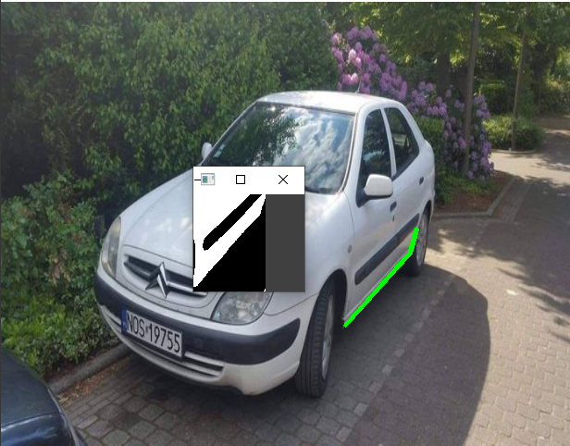
sigma space = 50 | 1 | 0 | 0 | 0
sigma space = 17 radius =100 | 1 | 0 | 0 | 0

