Feuil1
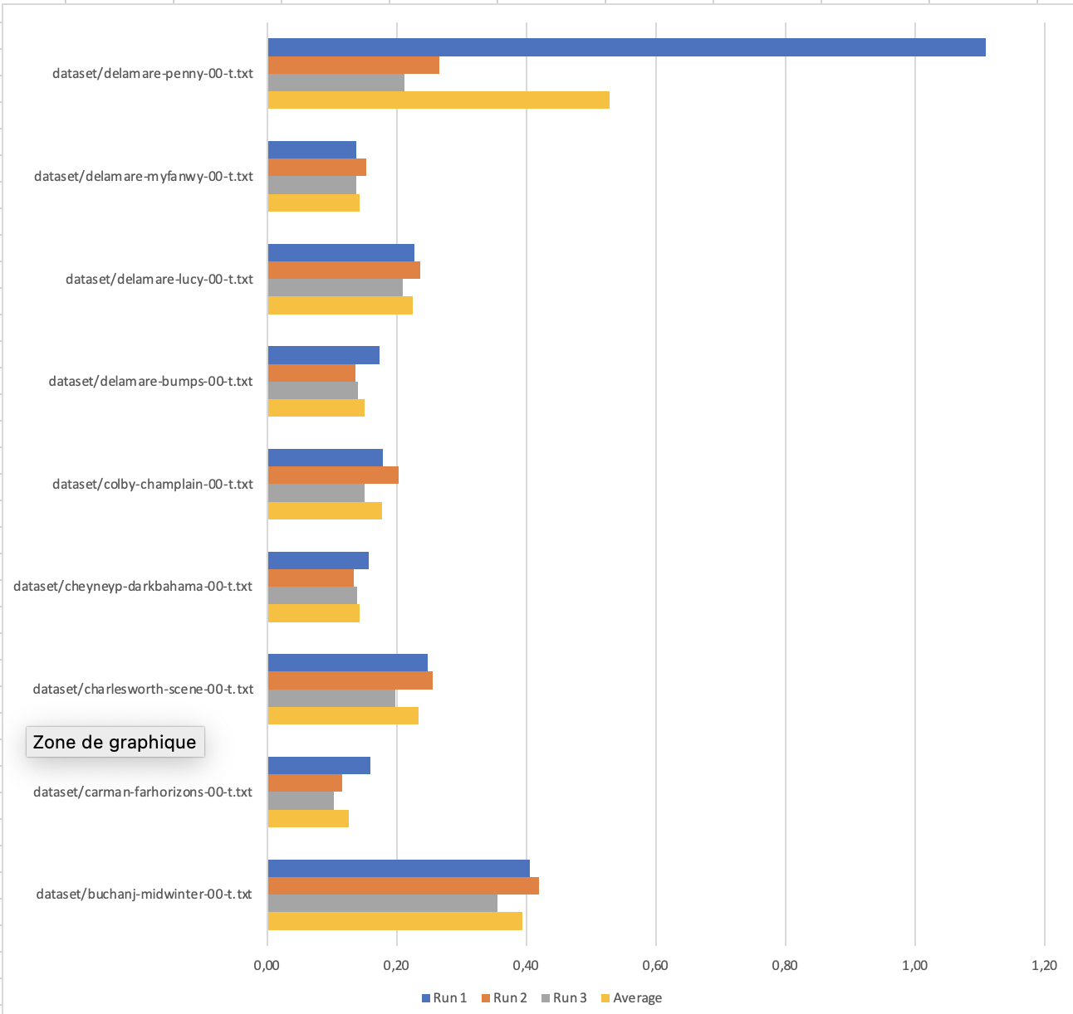
Linux
File | Run 1 | Run 2 | Run 3 | Average
dataset/buchanj-midwinter-00-t.txt | 0.142 | 0.139 | 0.138 | 0.140
dataset/carman-farhorizons-00-t.txt | 0.022 | 0.020 | 0.019 | 0.020
dataset/charlesworth-scene-00-t.txt | 0.067 | 0.067 | 0.067 | 0.067
dataset/cheyneyp-darkbahama-00-t.txt | 0.125 | 0.126 | 0.124 | 0.125
dataset/colby-champlain-00-t.txt | 0.050 | 0.050 | 0.047 | 0.049
dataset/delamare-bumps-00-t.txt | 0.018 | 0.018 | 0.016 | 0.017
dataset/delamare-lucy-00-t.txt | 0.018 | 0.019 | 0.018 | 0.018
dataset/delamare-myfanwy-00-t.txt | 0.017 | 0.017 | 0.016 | 0.017
dataset/delamare-penny-00-t.txt | 0.013 | 0.012 | 0.015 | 0.013

Hadoop
File | Run 1 | Run 2 | Run 3 | Average
dataset/buchanj-midwinter-00-t.txt | 1.221 | 1.225 | 1.222 | 1.223
dataset/carman-farhorizons-00-t.txt | 1.239 | 1.235 | 1.261 | 1.245
dataset/charlesworth-scene-00-t.txt | 1.212 | 1.220 | 1.217 | 1.216
dataset/cheyneyp-darkbahama-00-t.txt | 1.215 | 1.212 | 1.211 | 1.213
dataset/colby-champlain-00-t.txt | 1.237 | 1.236 | 1.219 | 1.231
dataset/delamare-bumps-00-t.txt | 1.899 | 1.283 | 1.251 | 1.478
dataset/delamare-lucy-00-t.txt | 1.224 | 1.237 | 1.217 | 1.226
dataset/delamare-myfanwy-00-t.txt | 1.225 | 1.223 | 1.223 | 1.224
dataset/delamare-penny-00-t.txt | 1.221 | 1.230 | 1.210 | 1.220

Hadoop on Azure
File | Run 1 | Run 2 | Run 3 | Average
dataset/buchanj-midwinter-00-t.txt | 1.074 | 1.068 | 1.063 | 1.068
dataset/carman-farhorizons-00-t.txt | 1.059 | 1.063 | 1.070 | 1.064
dataset/charlesworth-scene-00-t.txt | 1.063 | 1.081 | 1.061 | 1.068
dataset/cheyneyp-darkbahama-00-t.txt | 1.058 | 1.070 | 1.059 | 1.062
dataset/colby-champlain-00-t.txt | 1.060 | 1.061 | 1.074 | 1.065
dataset/delamare-bumps-00-t.txt | 1.067 | 1.060 | 1.061 | 1.063
dataset/delamare-lucy-00-t.txt | 1.084 | 1.083 | 1.085 | 1.084
dataset/delamare-myfanwy-00-t.txt | 1.070 | 1.061 | 1.062 | 1.064
dataset/delamare-penny-00-t.txt | 1.690 | 1.105 | 1.095 | 1.297

Spark on Azure
File | Run 1 | Run 2 | Run 3 | Average
dataset/buchanj-midwinter-00-t.txt | 0.405 | 0.420 | 0.356 | 0.394
dataset/carman-farhorizons-00-t.txt | 0.159 | 0.116 | 0.103 | 0.126
dataset/charlesworth-scene-00-t.txt | 0.248 | 0.256 | 0.198 | 0.234
dataset/cheyneyp-darkbahama-00-t.txt | 0.157 | 0.134 | 0.139 | 0.143
dataset/colby-champlain-00-t.txt | 0.179 | 0.203 | 0.150 | 0.177
dataset/delamare-bumps-00-t.txt | 0.173 | 0.137 | 0.140 | 0.150
dataset/delamare-lucy-00-t.txt | 0.227 | 0.237 | 0.209 | 0.224
dataset/delamare-myfanwy-00-t.txt | 0.138 | 0.153 | 0.138 | 0.143
dataset/delamare-penny-00-t.txt | 1.109 | 0.266 | 0.212 | 0.529

