Sheet1
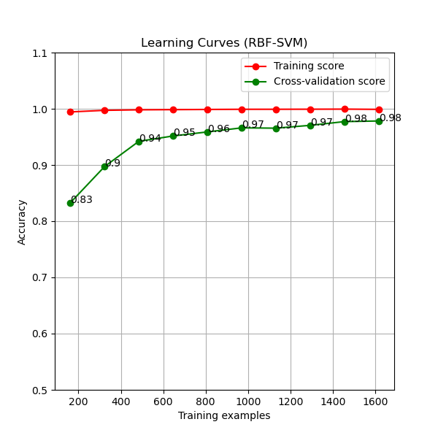
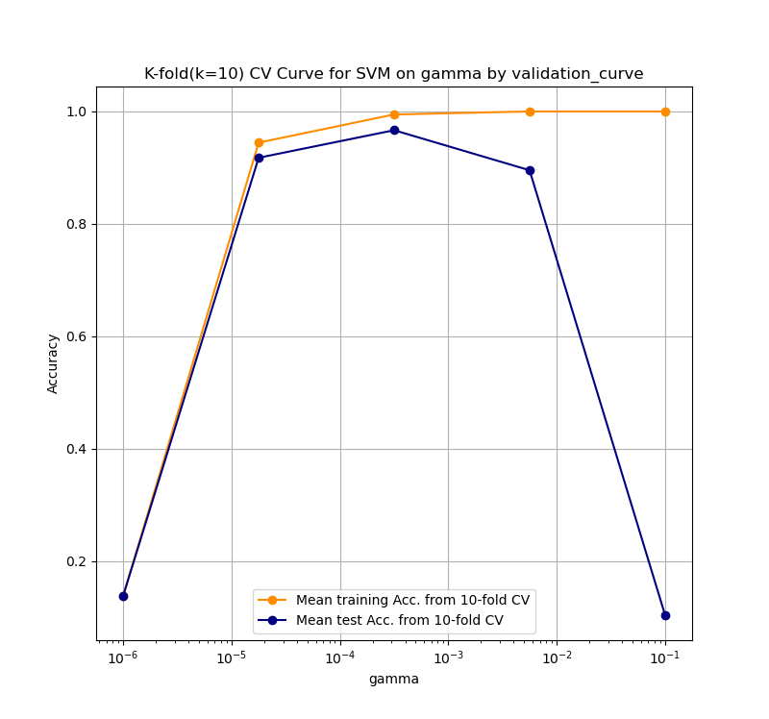
Lab-Quiz 3
Question No. | Questions | Answers | Points | Notes
Q1-1 | Copy and paste the generated validation curve (fittng graph) to the right | The figure is shown on the right side. | 20
Q1-2 | According the fitting graph of SVC with different gamma, we could know when gamma is larger, the learned SVC will be (A-more complex, B-less complex, C-the same) | A | 10 | A,B,C
Q1-3 | According the fitting graph of SVC with different gamma, the best gamma falls into (A-between 10-6 and 10-5,B-between 10-4 and 10-3, C-between 10-5 and 10-4,D-between 10-3 and 10-2,, E-between 10-2 and 10-1) | B | 10 | A,B,C，D,E

Q2-2 | After applying GridSearchCV to select the best 'C' from C_candidates, and the best 'gamma' from gamma_candidates in combination for SVC model with random_state=0 , the best 'C' is | 10 | 10
Q2-1 | After applying GridSearchCV to select the best 'C' from C_candidates, and the best 'gamma' from gamma_candidates in combination for SVC model with random_state=0 , the best 'gamma' is | 0.0005 | 10

Q3-1 | Copy and paste the generated learning curve of RBF-SVM to the right | The figure is shown on the bottom. | 10
Q3-2 | When increasing the number of training examples from 10% to 40%, which model(RBF-SVM, LinearSVC, DecisionTree) will be improved most in accuracy? | ﻿DecisionTree | 15
Q3-3 | Please list the three models(RBF-SVM, LinearSVC, DecisionTree) in the order from best to worst based on their learning capacity on this application? | RBF-SVM > LinearSVC > DecisionTree | 15

