Hyper-Graph
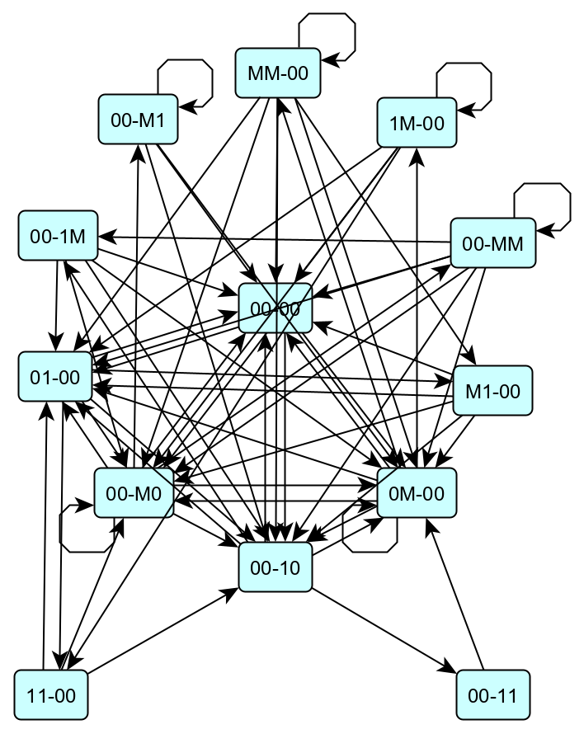
Hyperstates | Hyperstate | Next H-State
00-00 | 00-00 | 00-M0
00-10 | 00-00 | 0M-00
00-11 | 00-00 | 00-10
00-1M | 00-00 | 01-00
00-M0 | 00-10 | 00-1M
00-M1 | 00-10 | 0M-00
00-MM | 00-10 | 00-11
01-00 | 00-10 | 01-00
0M-00 | 00-10 | 00-00
11-00 | 00-11 | 0M-00
1M-00 | 00-1M | 00-M0
M1-00 | 00-1M | 00-10
MM-00 | 00-1M | 0M-00
 | 00-1M | 00-00
 | 00-1M | 01-00
 | 00-M0 | 00-M0
 | 00-M0 | 0M-00
 | 00-M0 | 00-MM
 | 00-M0 | 01-00
 | 00-M0 | 00-00
 | 00-M0 | 00-10
 | 00-M0 | 00-M1
 | 00-M1 | 0M-00
 | 00-M1 | 00-M1
 | 00-M1 | 00-00
 | 00-M1 | 00-10
 | 00-MM | 00-MM
 | 00-MM | 00-10
 | 00-MM | 00-00
 | 00-MM | 00-M0
 | 00-MM | 0M-00
 | 00-MM | 00-1M
 | 00-MM | 01-00
 | 01-00 | M1-00
 | 01-00 | 00-M0
 | 01-00 | 11-00
 | 01-00 | 00-00
 | 01-00 | 00-10
 | 0M-00 | MM-00
 | 0M-00 | 00-M0
 | 0M-00 | 00-10
 | 0M-00 | 00-00
 | 0M-00 | 0M-00
 | 0M-00 | 1M-00
 | 0M-00 | 01-00
 | 11-00 | 00-M0
 | 11-00 | 00-10
 | 11-00 | 01-00
 | 1M-00 | 11-00
 | 1M-00 | 1M-00
 | 1M-00 | 00-00
 | 1M-00 | 01-00
 | 1M-00 | 00-M0
 | M1-00 | 0M-00
 | M1-00 | 00-00
 | M1-00 | 00-10
 | M1-00 | 00-M0
 | M1-00 | 01-00
 | MM-00 | 0M-00
 | MM-00 | MM-00
 | MM-00 | 00-10
 | MM-00 | 00-M0
 | MM-00 | 01-00
 | MM-00 | M1-00
 | MM-00 | 00-00

