Sheet1
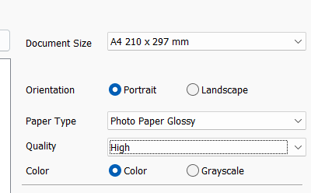
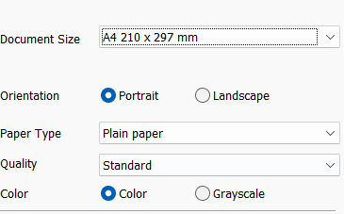
 |  |  |  |  |  |  |  |  |  |  | print try1 | print try2
Sno | FileName | Page | Size | PageSize | Layout | Colour | PaperType | PaperCode | Quality | Print Copies
1 | Grid_8x2Nova-Label-Type2-Rectangle | 2 | A4 | 100% | Portrait | Yes | Glossy | DK6x2 | High | 1
2 | orderidxxx_labelnova6x2 (1).pdf | 5 | A4 | 100% | Portrait | Yes | Glossy | DK6x2 | High | 1
3 | Grid_5x2-Label_Type2-Rectangle.pdf | 1 | A4 | 100% | Portrait | Yes | Glossy | DK5x2 | High | 0
4 | XGrid_8x2Nova-Label-Type2-Rectangle | 1 | A4 | 100% | Portrait | Yes | Glossy | DK5x2 | High | 1

