VisualSearch
Search term | Moon
Use MET | Y
Use NASA | Y
 |  |  |  |  |  |  | Preview
Source | Title | Artist/Source | Date | Description | Image URL | Thumbnail
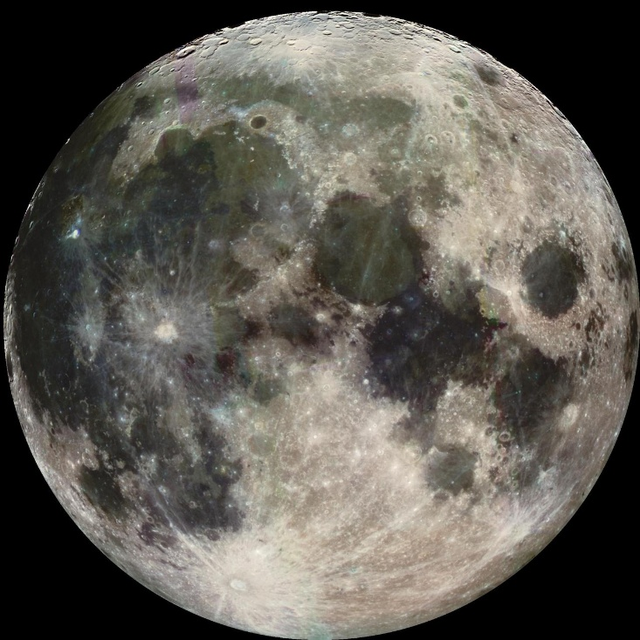
Met | \ | Manohar | recto: ca. 1610; verso: ca. 1530–40 | Islamic Art | https://images.metmuseum.org/CRDImages/is/web-large/DP246561.jpg | 
NASA | Petite Moon | NASA | 2009-05-29T12:50:15Z | Petite Moon | https://images-assets.nasa.gov/image/PIA11503/PIA11503~small.jpg | 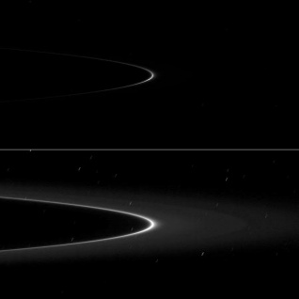
NASA | Moon to Mars Transportation and Habitation | NASA | 2025-03-12T00:00:00Z | This illustration of Moon to Mars transportation and habitation shows astronauts driving a pressurized rover away from the dome of a translucent lunar habitat. NASA’s Moon to Mars Objectives establish an objectives-based approach to the agency's human deep space exploration efforts; NASA’s Moon to Mars Architecture approach distills the objectives into operational capabilities and elements. | https://images-assets.nasa.gov/image/Moon to Mars Transportation and Habitation/Moon to Mars Transportation and Habitation~medium.jpg | 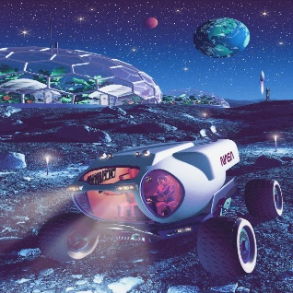
NASA | Moon Mapper Looks Homeward | NASA | 2009-08-03T17:00:38Z | NASA Moon Minerology Mapper, a guest instrument onboard the Indian Space Research Organization Chandrayaan-1 mission to the moon, looks homeward. Australia is visible in the lower center of the image. | https://images-assets.nasa.gov/image/PIA12158/PIA12158~small.jpg | 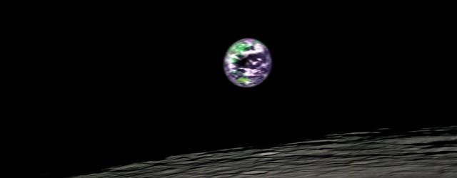
NASA | Little Moons | NASA | 2005-03-11T13:55:00Z | Little Moons | https://images-assets.nasa.gov/image/PIA06603/PIA06603~thumb.jpg | 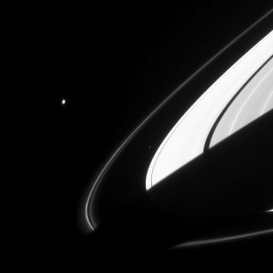
NASA | Earth Moon | NASA | 1998-06-08T15:17:56Z | NASA Galileo spacecraft took this image of Earth moon on December 7, 1992 on its way to explore the Jupiter system in 1995-97. The distinct bright ray crater at the bottom of the image is the Tycho impact basin. http://photojournal.jpl.nasa.gov/catalog/PIA00405 | https://images-assets.nasa.gov/image/PIA00405/PIA00405~medium.jpg | 