Guide
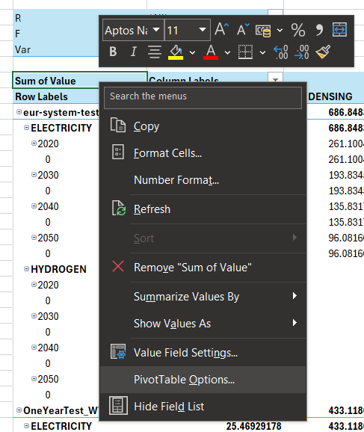
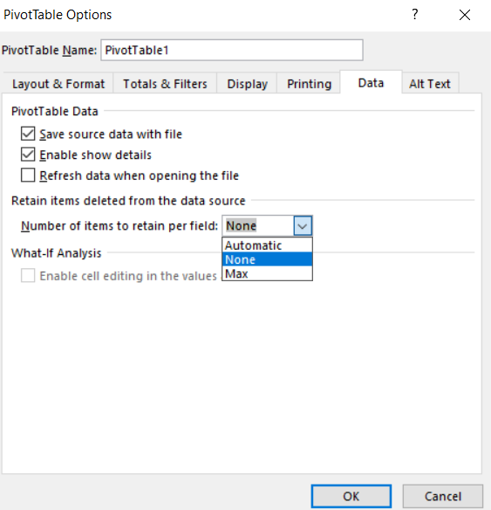
 | The Interactive Excel for Plotting Balmorel Results

 | 1. Installation

 | 1.1 Python 3.9
 | To ensure compatibility, download and install Python 3.9.111. Make sure to add Python
 | to path in the installation! (Python 3.12 and GAMS 45 works as well)
 | After installing, you need to create a virtual environment in Python. To do this:
 | Press the windows button and type "cmd" to open up a command prompt.
 | cd to the path where you want to place the virtual environment,
 | and follow the commands illustrated in listing 1. See listing 2 for the
 | corresponding installation using Python installed through Anaconda
 | 1Download link: | https://www.python.org/downloads/release/python-3911/

1 | cd path/to/the/desired/folder
2 | py -m venv name_of_venv
3 | .\name_of_venv\Scripts\activate
4 | pip install matplotlib
5 | pip install pandas
6 | pip install numpy
7 | pip install geopandas
8 | # Cartopy package is not needed, but good for nice map projections:
9 | pip install cartopy
 | Listing 1: Windows example of how to install and activate the necessary
 | Python environment in a folder called path/to/the/desired/folder.
 | Note that cartopy is not necessary, as some users experience trouble with installing it

1 | cd folder/to/the/desired/folder
2 | conda activate
3 | conda create -n name_of_venv
4 | conda install -n name_of-venv matplotlib
5 | conda install -n name_of-venv pandas
6 | conda install -n name_of-venv geopandas
7 | # Cartopy package is not needed, but good for nice map projections:
8 | conda install -n name_of-venv cartopy
9 | conda activate name_of_venv
 | Listing 2: Windows example of how to install and activate the necessary
 | Python environment in a folder called path/to/the/desired/folder.
 | This was tested with an Anaconda 23.3.1 version and Python 3.9.13.
 | Note that cartopy is not necessary, as some users experience trouble with installing it

 | 1.2 GAMS API for Python
 | The GAMS API is necessary to install for Python to work with .gdx files.
 | The installation of this GAMS API depends on your version of GAMS installed.
 | Below are guides for GAMS 45 and GAMS 37-41 - for other versions, consult these pages:
 | https://www.gams.com/44/docs/API_PY_OVERVIEW.html?search=python
 | https://www.gams.com/43/docs/API_PY_GETTING_STARTED.html
 | https://www.gams.com/42/docs/API_PY_GETTING_STARTED.html

 | 1.2.1 GAMS 45 API
 | Press the windows button and type "cmd" to open up a command prompt.
 | Follow the commands in listing 3 (for normal python) or 4 (for conda python)
 | to activate the environment you just created and install the GAMS API:
1 | .\name_of_venv\Scripts\activate
2 | pip install gamsapi[transfer]
 | Listing 3: Windows example of how to install and activate the GAMS API using
 | a "normal" python installation

1 | conda activate name_of_venv
2 | pip install gamsapi[transfer]
 | Listing 4: Windows example of how to install and activate the GAMS API using
 | a "normal" python installation

 | 1.2.2 GAMS 37-41 API for Python 3.9
 | Press the windows button and type "cmd" to open up a command prompt.
 | Follow the commands in listing 5 for "normal" python installation or listing 6 for an
 | anaconda installation. in the commands below. Remember to find your path to
 | GAMS (typically in C:\GAMS\VERSION), and replace \path\to\gams\.

1 | set PYTHONPATH=C:\path\to\gams\apifiles\Python\api_39
2 | set PYTHONPATH=C:\path\to\gams\apifiles\Python\gams;%PYTHONPATH%
3 | .\name_of_venv\Scripts\activate
4 | cd C:\path\to\gams\apifiles\Python\api_39
5 | py setup.py install
 | Listing 5: Windows example of how to install and activate the GAMS API
 | This was tested with GAMS 37 and GAMS 41.
 | Note that the commands above assume the installation in Listing 1. For an Anaconda installation
 | as in Listing 2, replace line 3 and 5 with respectively 1 and 2 below:
1 | conda activate name_of_venv
2 | python setup.py install

 | 2. Guide

 | 2.1 Paths

 | It is important to check that the paths are correct for the power query data connections to function properly.
 | In the sheet 'ExcelPathCommands', the command in cell B8 should be able to find the location of the file,
 | however, check that it has in fact succeded. You may need to press 'Data > Refresh All' at your first opening of the file.
 | Otherwise, type the path in manually in B8 (this will remove that command and require you to type the new
 | path in manually if the location is moved again later). This might be necessary if this file is placed in a OneDrive
 | synchronised folder, which produces errorneous paths. It is therefore recommended to avoid such folders,
 | e.g. in C:\Users\user_name\...

 | For the python scripts to function, it is also necessary to manually type in the activation command for the
 | environment created in section 1.1 (similar to line 3 in listing 1, but with the full path)
 | It is also necessary to type in the path of your MainResults_ScenarioName.gdx files in Overview, cell C4
 | (Do not move the light blue input cells around, as the VBA code reads these specific input cells!)

 | 2.2 Errors

 | 2.2.1 General Error Handling
 | Check the output in cell C21, which should capture (hopefully most) errors. If no charts appear or are not updated,
 | try to set Debug to "TRUE" in cell C5, which will unhide the command prompt that is used to trigger python scripts,
 | for a more detailed logging. If successful, the last message in the prompt will be "Successful execution of script_name.py".

 | 2.2.2 Wrong Environment Activation Command
 | This error will not be displayed in the error output of cell C21
 | You have not written the correct activation command for the virtual python environment if you are getting the following
 | message in the command prompt:
 | '"..."' is not recognized as an internal or external command, operable program or batch file.
 | For a standard Python environment, use: C:\Users\username\venv\Scripts\activate
 | For an Anaconda environment: conda activate venv

 | 2.2.3 Empty or Non-Existing CSV's in Input Folder
 | Are you getting a lot of these errors?

 | It probably means that excel is trying to look for data in an empty .csv file in the Output/ folder. Look for empty .csv's,
 | and load the related symbol again in some random scenario, to get rid of the error message. (Or delete the connection in
 | Data/Queries & Connections, if you are never going to analyse that symbol)

 | 2.3 Making New Charts

 | The production, capacity, system cost and electricity price results already have a data connection in this excel.
 | To include more results, replicate the power query code of the existing data links which includes
 | 1) a data import of the .csv files created by the Python scripts in the Output folder, and
 | 2) a pivot chart and table that is connected to this data import (_PC suffix), following the steps below
 | You can check the coding in 'Data > Queries & Connections' and press, e.g., PRO_YCRAGF.

 | Step 1: Import data From Text/CSV

 | Step 2: In the applied step "Source", i change the hardcoded path to the command below:
 | Text.Combine({Excel.CurrentWorkbook(){[Name = "ExcelPaths"]}[Content]{2}[Paths], "Output/NAME_OF_SYMBOL.csv"}, "/")
 | E.g., for the electricity price (called EL_PRICE_YCR):
 | Before:

 | After:

 | Step 3: Format data, e.g. columns and data types. Make sure that the correct decimal is used (e.g. ',' or '.')
 | which will depend on your system language. In my case, i needed to insert a step after the first applied step (Source)
 | to replace dots with commas. I also needed to delete the automatic "Changed Type" step, and manually change the
 | the electricity price values to decimal numbers, as they were interpreted as whole numbers.
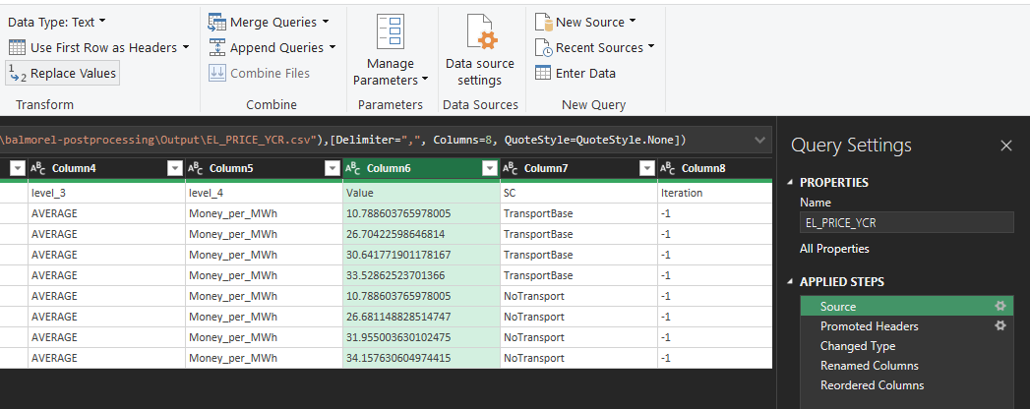

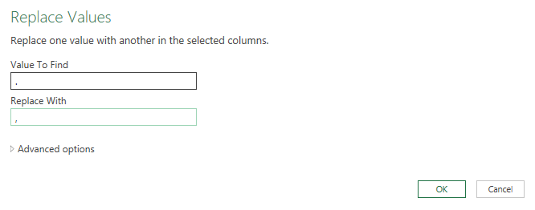

 | Step 4: A pivot chart is made, that is connected to this data. I prefer to insert the pivot table itself in the blue sheets,
 | and afterwards copy paste the pivot chart to the "Overview" sheet.
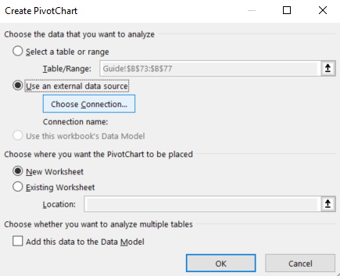

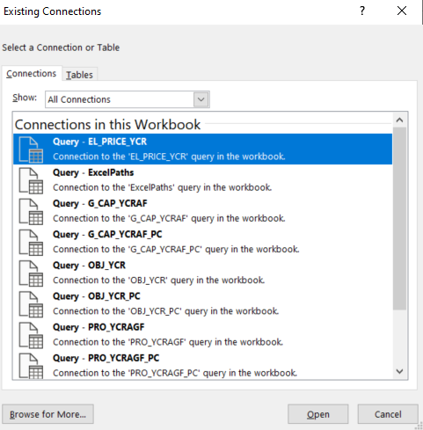

 | Step 5: Format the plot as you'd like, and the charts should now update automatically when pressing "Plot Charts"
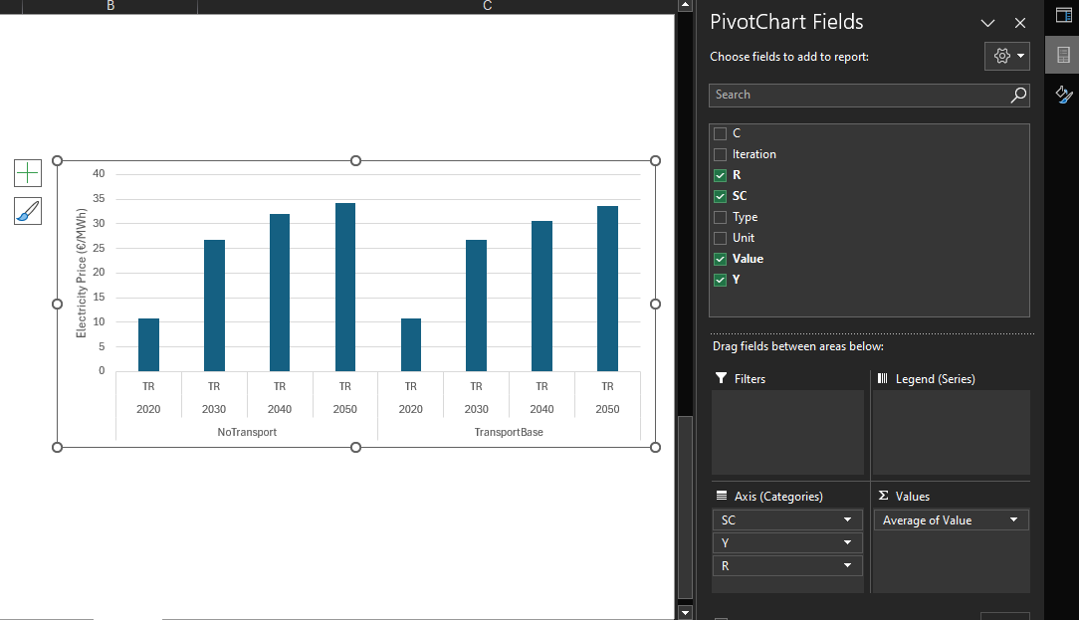

 | (Optional) Step 6: Right click on the pivot table, choose PivotTable Options / Data / Number of items to retain per field = None
 | This makes sure that old options do not stay forever when applying filters in the pivot chart fields

Overview
General Input | Value
Python env activation cmd | activation command
MainResults.gdx folder (path1, path2, …) | C:\path\to\results
Debug | FALSE

Input for Charts | Value | Input for Profile | Value | Input for Map | Value
Scenarios (format: SC1, SC2, …) | All | Scenario | SCENARIO | Geofile | Input/2022 BalmorelMap.geojson
Iterations (format: i1, i2, …) | 0 | Iteration | 0 | Name of Region Column | id
Symbols (format: S1, S2, …) | PRO_YCRAGF, G_CAP_YCRAF, OBJ_YCR, EL_DEMAND_YCR, EMI_YCRAG, EL_PRICE_YCR | Region | All | Scenario | SCENARIO
Plot Charts
 |  | Year | 2050 | Iteration | 0
 |  | Commodity | Electricity | Year | 2050
 |  | Legend | FFF | Commodity | Hydrogen
 |  | Plot style | Light | Variable Type | Both
 |  |  |  | Plot style | Light
Plot Profile
Plot Map
Iterations denoted -1 are scenarios loaded with no _IterX suffix
Check individual sheets, to see corresponding pivot tables to these figures

Outputs
Error message: | No errors

Annual Production in TWh |  | Production Profile |  |  | Transmission Map
PRO_YCRAGF
 | CONDENSING | HYDRO-RESERVOIRS | HYDRO-RUN-OF-RIVER | INTRASEASONAL-ELECT-STORAGE | SOLAR-PV | WIND-OFF | WIND-ON | INTERSEASONAL-HEAT-STORAGE | SOLAR-HEATING | ELECT-TO-HEAT | INTRASEASONAL-HEAT-STORAGE | CHP-BACK-PRESSURE
2050 | 18.302207799 | 144.56126721 | 84.361012047 | 39.564602583 | 120.16937083 | 109.83499747 | 289.56089965 |  |  |  |  | 0.051008257165
2050 |  |  |  |  |  |  |  |  | 116.07514965 | 49.918325448 | 4.0518003668 | 0.16436567746
2050 | 18.309158665 | 144.56126721 | 84.335203662 | 39.762771721 | 119.90002627 | 108.40133151 | 288.31194108 |  |  |  |  | 0.039633540814
2050 |  |  |  |  |  |  |  | -2.6884209145E-17 | 116.07514965 | 39.616335879 | 4.5897585475 | 0.13011073994

Annual Capacities in GW
G_CAP_YCRAF
 | CHP-EXTRACTION
Muni+NordBefore | 0
Muni+NordAfter | 0
 |  | CO2 Emissions in ktCO2
 |  | EMI_YCRAG
 | DK_1_6_1 | DK_5_2_1 | DE4-W
2050 | 0.00094671564454 | 0.11901983961 | 2.8354976111E-14
2050 | 0.004476267312 | 0.28222712153 | 2.8354976111E-14

System Costs in M€
OBJ_YCR
 | GENERATION_CAPITAL_COSTS | GENERATION_FIXED_COSTS | GENERATION_FUEL_COSTS | GENERATION_OPERATIONAL_COSTS | GENERATION_CO2_TAX | TRANSMISSION_OPERATIONAL_COSTS | TRANSMISSION_CAPITAL_COSTS
Muni+NordBefore | 12164.128005 | 4180.0459329 | -876.6115378 | 1793.8734834 | 0.015352038642 | 0.055514905035 | 778.43425668
Muni+NordAfter | 12052.647027 | 4160.8646828 | -877.44823605 | 1768.8226878 | 0.036689238056 | 0.054922315515 | 770.90520838
 |  | Electricity Demand in TWh
 |  | EL_DEMAND_YCR
 | EXOGENOUS | DIST_LOSSES | ENDO_INTRASTO | TRANS_LOSSES | ENDOGENOUS_ELECT2HEAT
-1 | 699.17049953 | 38.834179375 | 3.8974320425 | 9.3532077657 | 15.585444544
-1 | 699.17049953 | 38.80552016 | 3.893458158 | 9.3882535351 | 12.600830554

Electricity Price in €/MWh
EL_PRICE_YCR
 | Total
NO3 | 27.104339369
NO4 | 24.203036962
DK1 | 87.592545506
DK2 | 86.436949479
SE1 | 26.634546503
SE2 | 28.078183392
SE3 | 31.91463528
SE4 | 32.895972163
NO1 | 29.840807818
NO2 | 30.090736425
NO5 | 27.583966231
DK_1 | 16.157078186
DK_2 | 16.413971031
DK02 | 17.212901139
DK04 | 17.212901139
DK05 | 17.184392365
DK03 | 17.184392365
DK01 | 17.205068684
DK011 | 16.506620499
DK012 | 17.349228217
DK031 | 16.345910263
DK013 | 17.277062683
DK014 | 17.277062683
DK041 | 16.689282578
DK021 | 15.839736348
DK032 | 15.839736348
DK022 | 17.048949687
DK050 | 17.048949687
DK042 | 15.839736348
DK_1_1_1 | 35.827983685
DK_1_2_1 | 35.625560732
DK_1_3_1 | 35.745903847
DK_1_4_1 | 30.281467569
DK_1_5_1 | 35.85224155
DK_1_6_1 | 40.257652429
DK_1_7_1 | 35.96186694
DK_1_8_1 | 35.777059034
DK_1_9_1 | 35.44008009
DK_1_10_1 | 35.804770503
DK_1_11_1 | 35.789485398
DK_1_12_1 | 35.649241587
DK_1_13_1 | 35.659070463
DK_1_14_1 | 35.659935236
DK_1_15_1 | 35.790443453
DK_1_16_1 | 35.337560612
DK_1_17_1 | 35.569976964
DK_1_18_1 | 35.31319846
DK_1_19_1 | 35.70841459
DK_1_20_1 | 35.502913828
DK_1_21_1 | 35.946621976
...

