Tibia
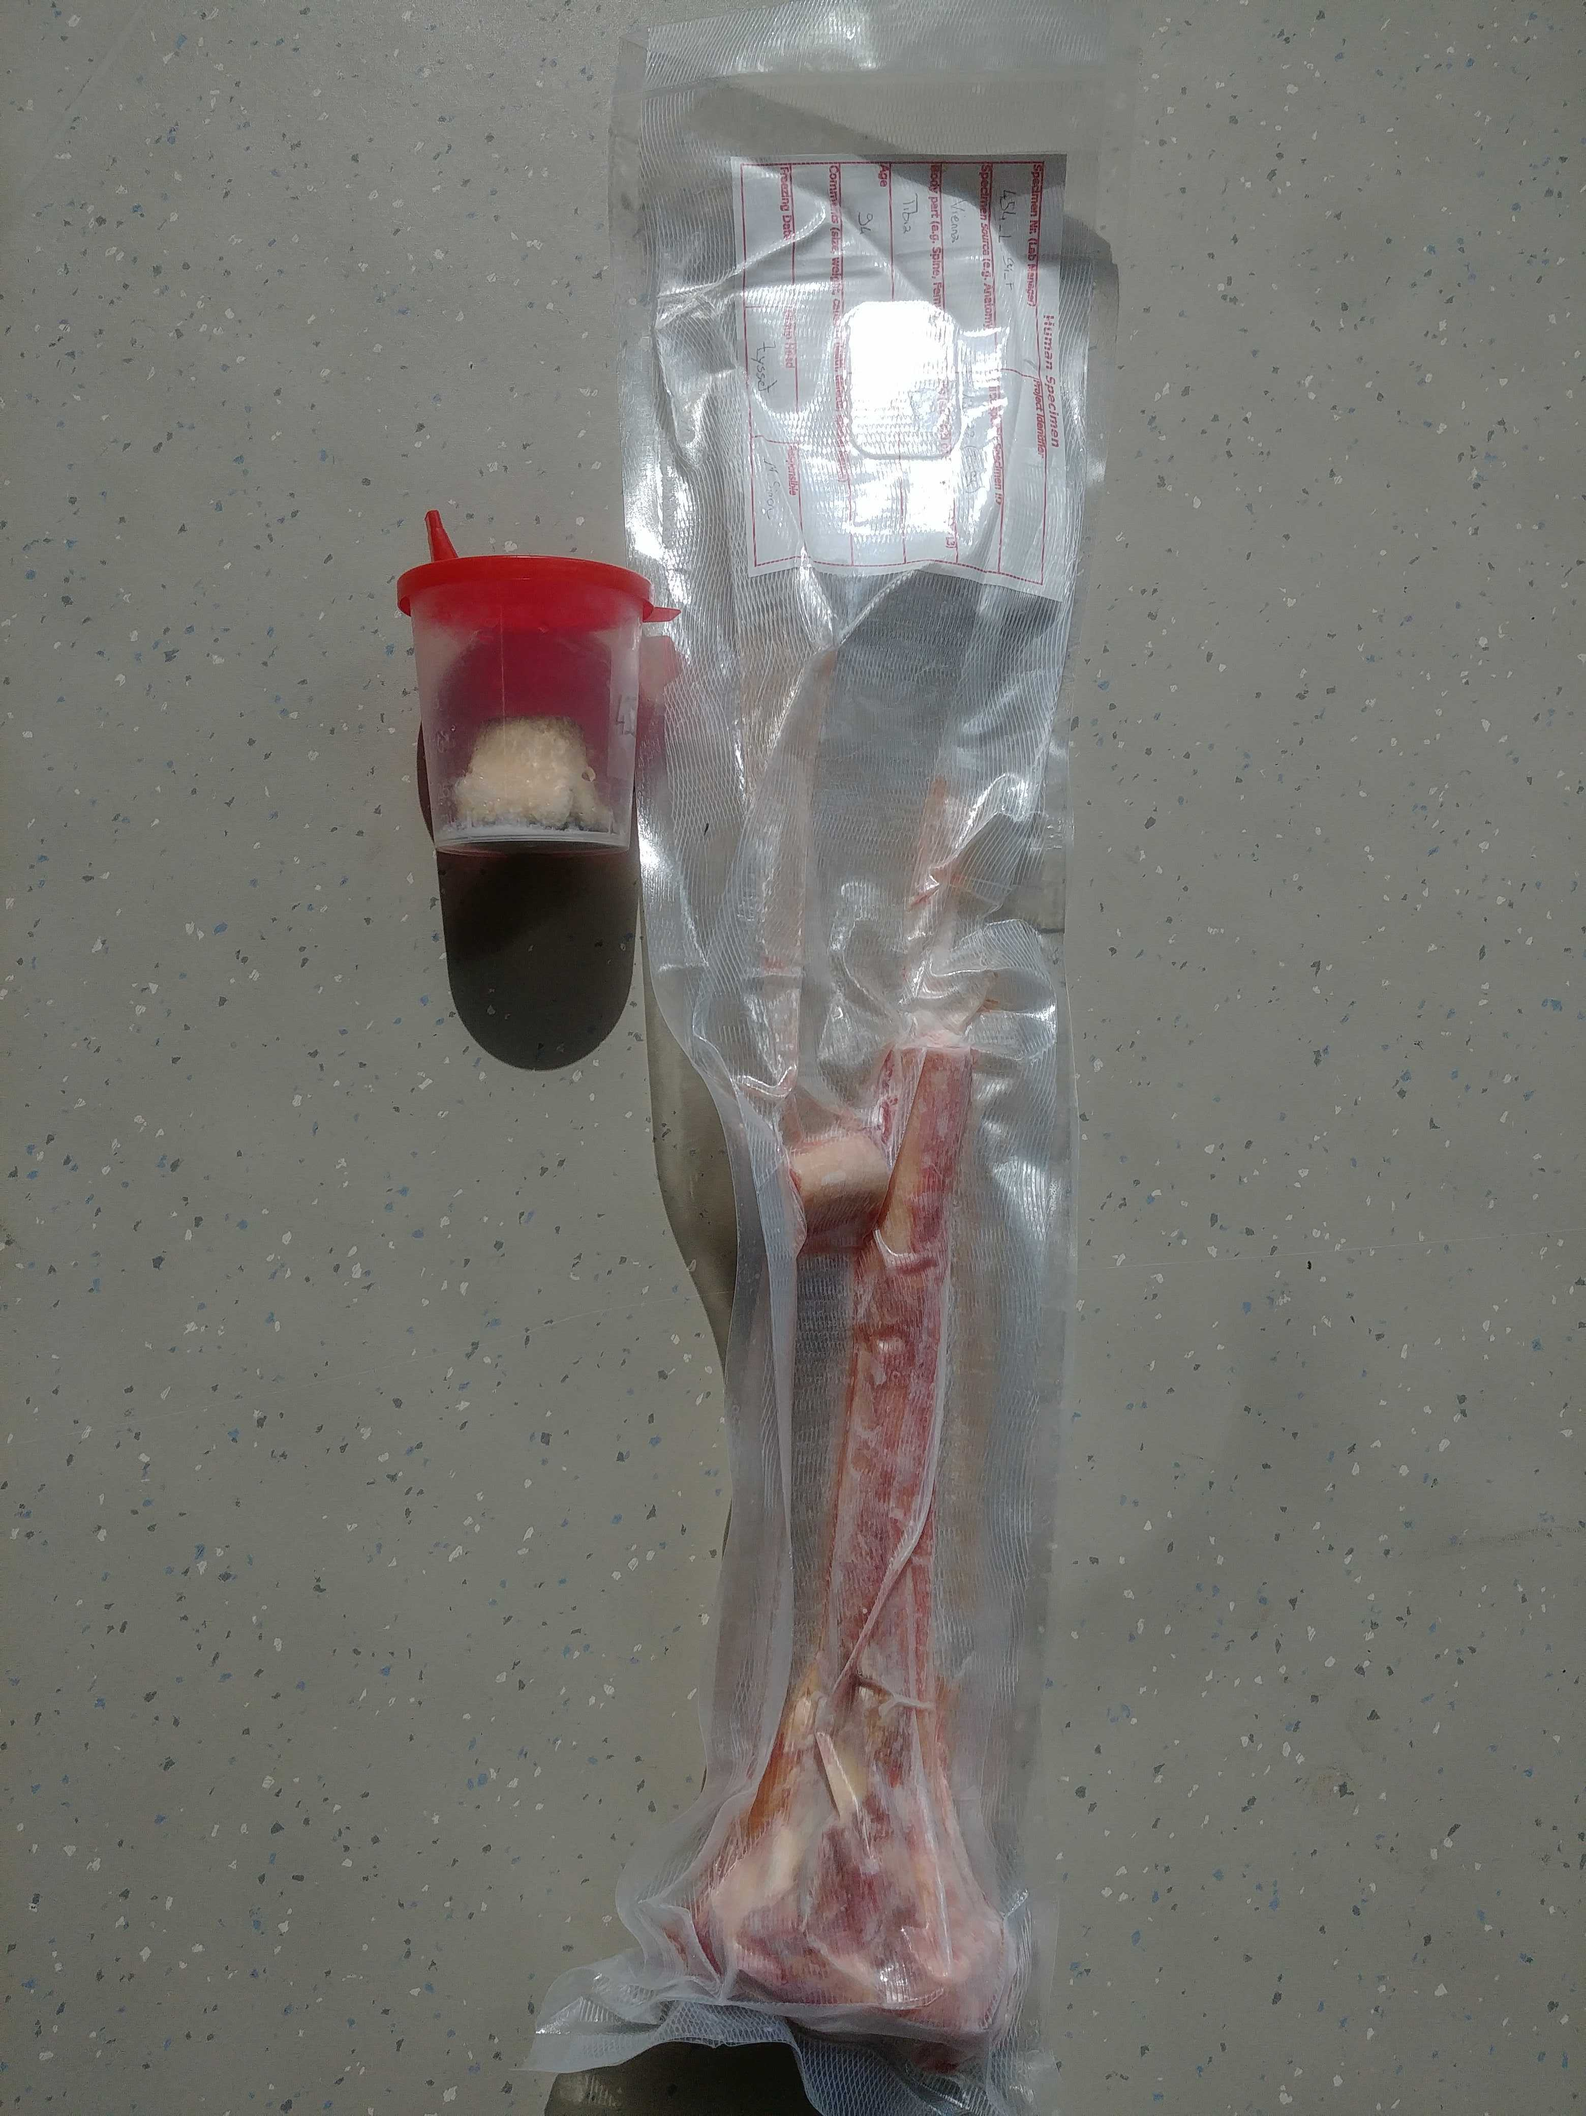
Sample ID Wien | QCT | HR-pQCT | distal section resection | microCT | mechanical testing | microCT | indentation
Completion date | May-2020 | Jul-2020 | Jul-2020 | Jul-2020 | Aug-2020 | Aug-Sep-2020 | Nov-2021
14192 | X | X | X | X | X | X
14193 | X | X | X | X | X | X
14197 | X | X | X | X | X | X
14198 | X | X | X | X | X | X
14301 | X | X | X | X | X | X
14302 | X | X | X | X | X | X
14307 | X | X | X | X | X | X
14308 | X | X | X | X | X | X
14325 | X | X | X | X | X | X
14326 | X | X | X | X | X | X
14359 | X | X | X | X | X | X
14360 | X | X | X | X | X | X
14361 | X | X | X | X | X | X
14363 | X | X | X | X | X | X
14364 | X | X | X | X | X | X
14365 | X | X | X | X | X | X
14366 | X | X | X | X | X | X
14367 | X | X | X | X | X | X
14368 | X | X | X | X | X | X
14369 | X | X | X | X | X | X
14370 | X | X | X | X | X | X
14371 | X | X | X | X | X | X
14372 | X | X | X | X | X | X
15881 | X | X | X | X | X | X
15882 | X | X | X | X | X | X

Femora
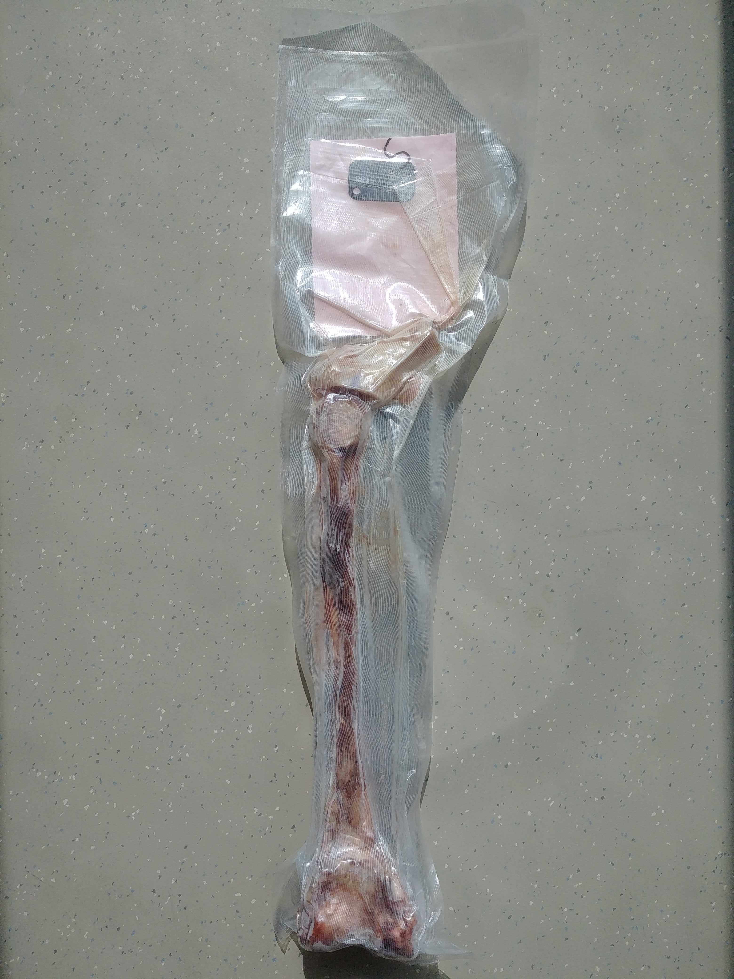
Sample ID Wien | samples from diaphysis | synchrotron imaging | QCT | DEXA | proximal resection | microCT | neck resection | microCT | mechanical testing | nanoindentation
Completion date | Jul-2017 | Oct-2017 | Jan-2020 | Aug-2020 | Sep-2020 | Jan-2021 | Feb-2021 | Mar-2021 | Jul-2021 | Dec-2021
5387_5388 |  |  | X | X | X | X | X | X
5387_5388 |  |  | X | X | X | X | X | X
5286_5287 |  |  | X | X | X | X | X | X
5286_5287 |  |  | X | X | X | X | X | X
5214_5215 |  |  | X | X | X | X | X | X
5214_5215 |  |  | X | X | X | X | X | X
5440_5441 |  |  | X | X | X | X | X | X
5440_5441 |  |  | X | X | X | X | X | X
5394_5395 |  |  | X | X | X | X | X | X
5394_5395 |  |  | X | X | X | X | X | X
4847_4848 |  |  | X | X | X | X | X | X
4847_4848 |  |  | X | X | X | X | X | X
5354_5355 |  |  | X | X | X | X | X | X
5354_5355 |  |  | X | X | X | X | X | X
5158_5159 |  |  | X | X | X | X | X | X
5158_5159 |  |  | X | X | X | X | X | X
4996_4997 |  |  | X | X | X | X | X | X
4996_4997 |  |  | X | X | X | X | X | X
5197_5198 |  |  | X | X | X | X | X | X
5197_5198 |  |  | X | X | X | X | X | X
4957_4958 |  |  | X | X | X | X | X | X
4957_4958 |  |  | X | X | X | X | X | X
4766_4772 |  |  | X | X | X | X | X | X
4766_4772 |  |  | X | X | X | X | X | X
4778_4779 |  |  | X | X | X | X | X | X
4778_4779 |  |  | X | X | X | X | X | X
4912_4913 |  |  | X | X | X | X | X | X
4912_4913 |  |  | X | X | X | X | X | X
5341_5342 |  |  | X | X | X | X | X | X
5341_5342 |  |  | X | X | X | X | X | X
5294_5295 |  |  | X | X | X | X | X | X
5294_5295 |  |  | X | X | X | X | X | X
4814_4815 |  |  | X | X | X | X | X | X
4814_4815 |  |  | X | X | X | X | X | X
4832_4833 |  |  | X | X | X | X | X | X
4832_4833 |  |  | X | X | X | X | X | X
4992_4993 |  |  | X | X | X | X | X | X
4992_4993 |  |  | X | X | X | X | X | X
5298_5299 |  |  | X | X | X | X | X | X
5298_5299 |  |  | X | X | X | X | X | X
6131_6132 |  |  | X | X | X | X | X | X
6131_6132 |  |  | X | X | X | X | X | X
5513_5514 |  |  | X | X | X | X | X | X
5513_5514 |  |  | X | X | X | X | X | X
5500_5501 |  |  | X | X | X | X | X | X
5500_5501 |  |  | X | X | X | X | X | X
5409_5410 |  |  | X | X | X | X | X | X
5409_5410 |  |  | X | X | X | X | X | X
5401_5402 |  |  | X | X | X | X | X | X
5401_5402 |  |  | X | X | X | X | X | X
5769_5770 |  |  | X | X | X | X | X | X
5769_5770 |  |  | X | X | X | X | X | X
5508_5509 |  |  | X | X | X | X | X | X
5508_5509 |  |  | X | X | X | X | X | X
6046_6047 |  |  | X | X | X | X | X | X
6046_6047 |  |  | X | X | X | X | X | X
6119_6120 |  |  | X | X | X | X | X | X
6119_6120 |  |  | X | X | X | X | X | X
5495_5496 |  |  | X | X | X | X | X | X
5495_5496 |  |  | X | X | X | X | X | X
5971_5972 |  |  | X | X | X | X | X | X
5971_5972 |  |  | X | X | X | X | X | X
5984_4985 |  |  | X | X | X | X | X | X
5984_4985 |  |  | X | X | X | X | X | X
4925_4926 |  |  | X | X | X | X | X | X
4925_4926 |  |  | X | X | X | X | X | X
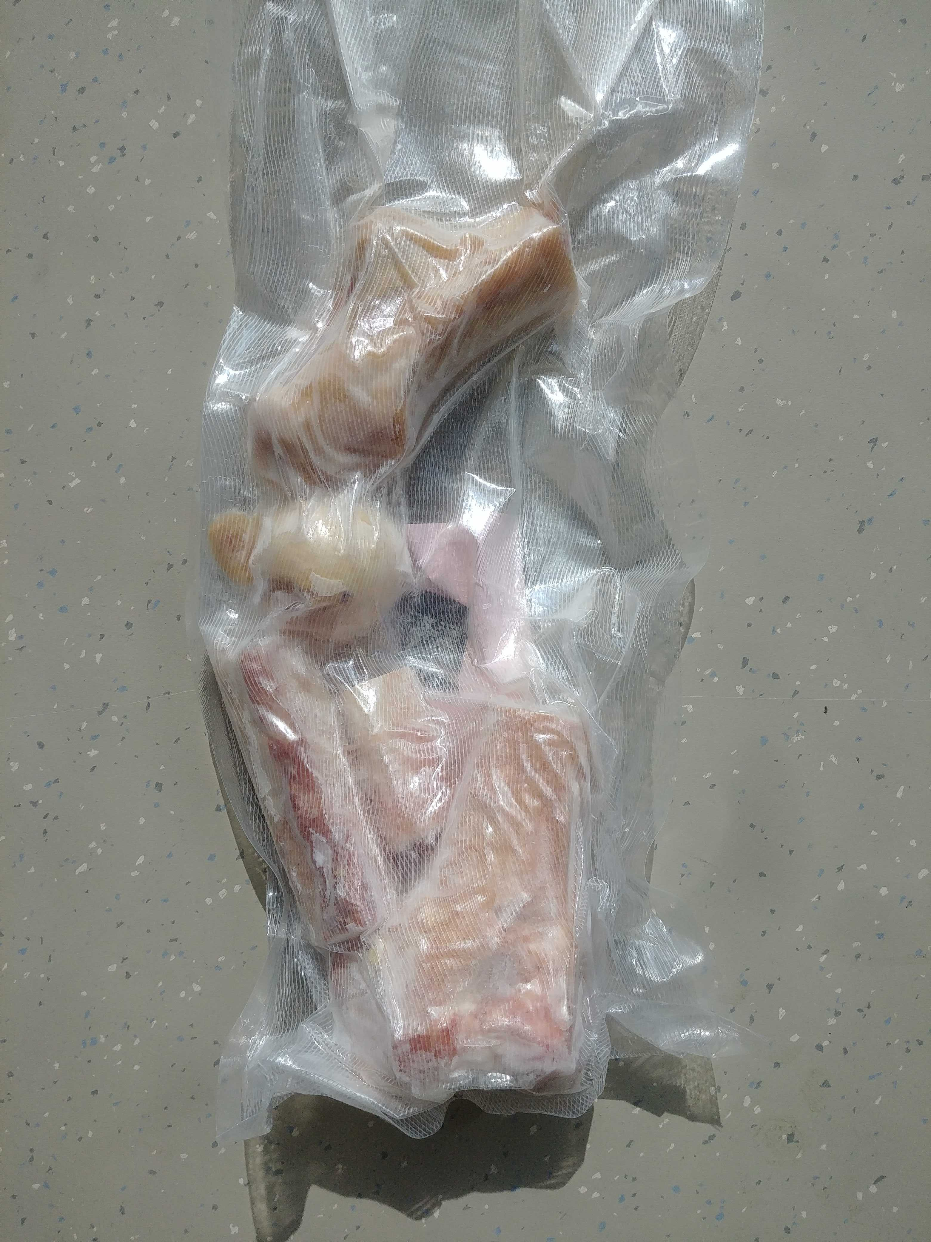
3536_3537 | X | X | X | X | X | X | X | X
3536_3537 | X | X | X | X | X | X | X | X
4785_4786 | X | X | X | X | X | X | X | X
4785_4786 | X | X | X | X | X | X | X | X
4805_4806 | X | X | X | X | X | X | X | X
4805_4806 | X | X | X | X | X | X | X | X
4852_4853 | X | X | X | X | X | X | X | X
4863_4864 | X | X | X | X | X | X | X | X
4863_4864 | X | X | X | X | X | X | X | X
4877_4878 | X | X | X | X | X | X | X | X
4877_4878 | X | X | X | X | X | X | X | X
4941_4942 | X | X | X | X | X | X | X | X
4941_4942 | X | X | X | X | X | X | X | X
4963_4964 | X | X | X | X | X | X | X | X
4963_4964 | X | X | X | X | X | X | X | X
4974_4975 | X | X | X | X | X | X | X | X
4974_4975 | X | X | X | X | X | X | X | X
5097_5098 | X | X | X | X | X | X | X | X
5097_5098 | X | X | X | X | X | X | X | X
5322_5323 | X | X | X | X | X | X | X | X
5322_5323 | X | X | X | X | X | X | X | X
5349_5350 | X | X | X | X | X | X | X | X
5349_5350 | X | X | X | X | X | X | X | X
5352_5353 | X | X | X | X | X | X | X | X
5352_5353 | X | X | X | X | X | X | X | X
5440_5441 | X | X | X | X | X | X | X | X
5440_5441 | X | X | X | X | X | X | X | X

