Sheet1
Q-NO:1 conversion rate
SUM(IF [Output]=='YES' THEN 1 ELSE 0 END)/COUNT([marketing_campaign_data])

Q-NO:2
SUM(IF[Loan]='Yes' AND [Output]='Yes' THEN 1 ELSE 0 END)/COUNT([marketing_campaign_data])
#Segmenting into marital is done in the visualisation
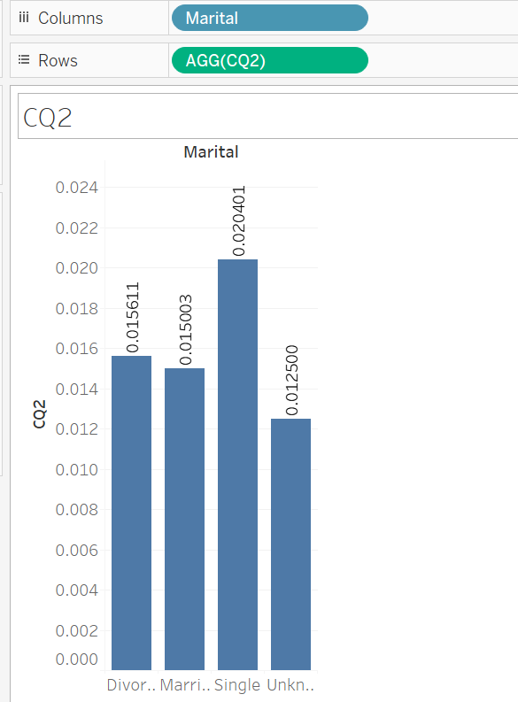

Q-No 3
IF [Age]>=15 AND [Age]<=20 THEN '15-20'
ELSEIF [Age]>20 AND [Age]<=30 THEN '21-30'
ELSEIF [Age]>30 AND [Age]<=40 THEN '31-40'
ELSEIF [Age]>40 AND [Age]<=50 THEN '41-50'
ELSEIF [Age]>50 AND [Age]<=60 THEN '51-60'
ELSEIF [Age]>60 AND [Age]<=70 THEN '61-70'
ELSEIF [Age]>70 AND [Age]<=80 THEN '71-80'
ELSEIF [Age]>80 AND [Age]<=90 THEN '81-90'
ELSEIF [Age]>90 AND [Age]<=100 THEN '91-100'
END

Q-No 4
WINDOW_SUM(SUM([Subscription Rate])) / COUNT([CustomerID])
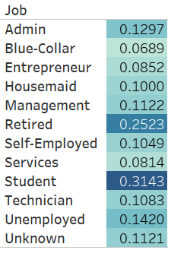

Q-No 5
AVG(DATEDIFF('day', [Contact_Date], [Subscription_Date]))

