Hoja1
 | NOMBRE | TIPO | CLASE | AREA | NIVEL | STA | STR | DEX | INT | EXP
 | Goblin | NORMAL | 1 |  | 1
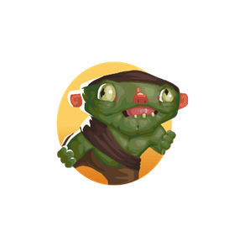 | Goblin scout | NORMAL | 1 |  | 3
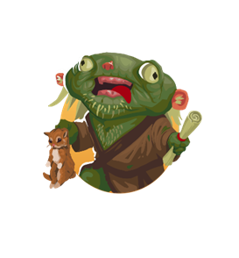 | goblin hermit | NORMAL | 1 |  | 5
 | Goblin runts | NORMAL | 1 |  | 7
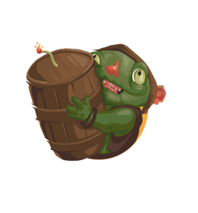 | goblin boomer | NORMAL | 1 |  | 9
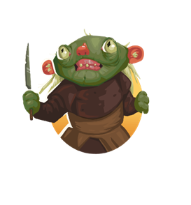 | Goblin veteran | NORMAL | 1 |  | 11
 | orc | NORMAL | 1 |  | 13
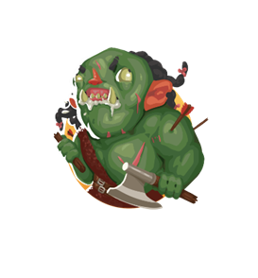 | orcish berserker | NORMAL | 1 |  | 15
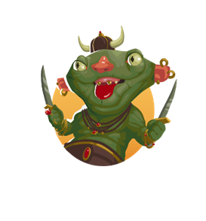 | goblin big-BOSS | BOSS | 1 |  | 16
 | Thief | NORMAL | 2 |  | 17
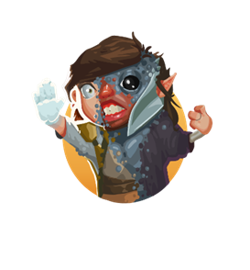 | doppelganger | NORMAL | 2 |  | 19
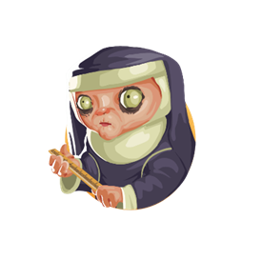 | cabalist nun | NORMAL | 2 |  | 21
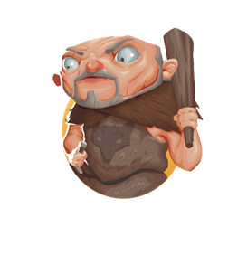 | giant | NORMAL | 2 |  | 23
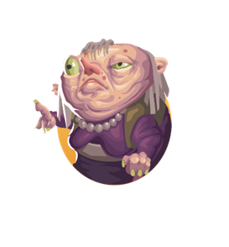 | hag | NORMAL | 2 |  | 25
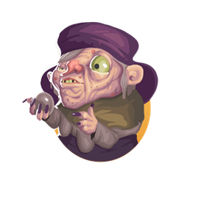 | hag matriarch-BOSS | BOSS | 2 |  | 26
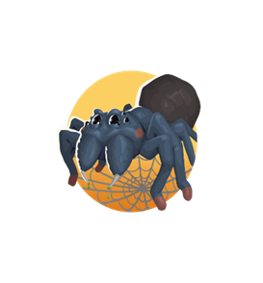 | Spider | NORMAL | 3 |  | 27
 | Zombie | NORMAL | 3 |  | 29
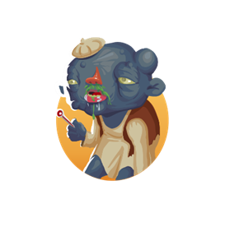 | plague zombie | NORMAL | 3 |  | 31
 | Skeleton | NORMAL | 3 |  | 33
 | Ghoul | NORMAL | 3 |  | 35
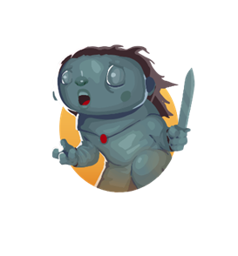 | wight | NORMAL | 3 |  | 37
 | Banshee | NORMAL | 3 |  | 39
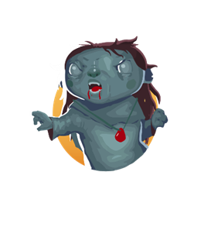 | wraith | NORMAL | 3 |  | 41
 | sanctum guardian | NORMAL | 3 |  | 43
 | draugr | NORMAL | 3 |  | 45
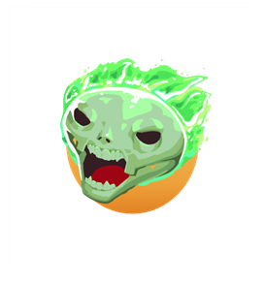 | demi lich | NORMAL | 3 |  | 47
 | lich-BOSS | BOSS | 3 |  | 48
 | Ratling | NORMAL | 4 |  | 49
 | Frogling | NORMAL | 4 |  | 51
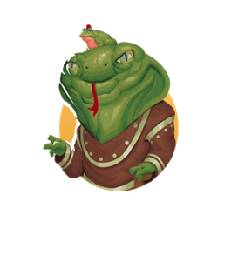 | naga | NORMAL | 4 |  | 53
 | minotaur | NORMAL | 4 |  | 55
 | werewolf cub | NORMAL | 4 |  | 57
 | merfolk | NORMAL | 4 |  | 59
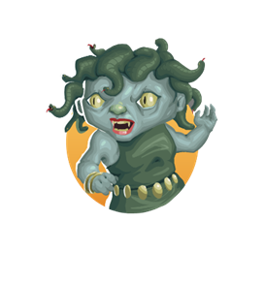 | medusa | NORMAL | 4 |  | 61
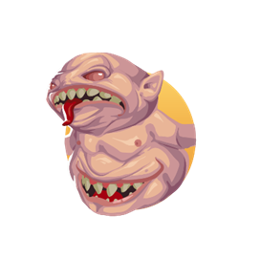 | gorgoth | NORMAL | 4 |  | 63
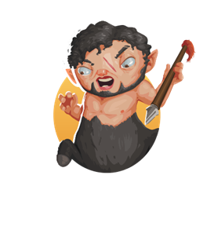 | centaur | NORMAL | 4 |  | 65
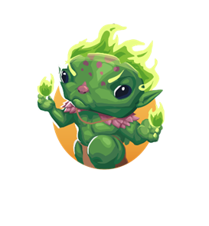 | defiled spriggan | NORMAL | 4 |  | 67
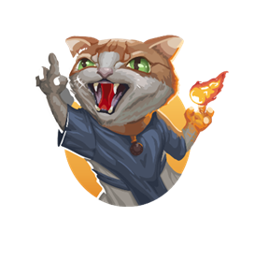 | catkin warlock | NORMAL | 4 |  | 69
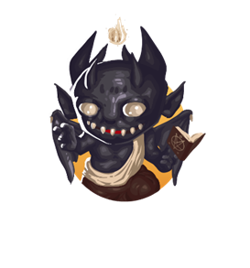 | devilkin | NORMAL | 4 |  | 71
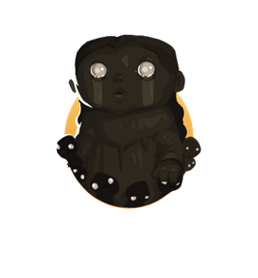 | the night mother -BOSS | BOSS | 4 |  | 72
 | deepelf | NORMAL | 5 |  | 73
 | deepelf assassin | NORMAL | 5 |  | 75
 | deepelf ranger | NORMAL | 5 |  | 77
 | deepelf wizard | NORMAL | 5 |  | 79
 | Imp | NORMAL | 5 |  | 81
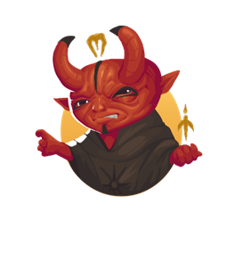 | hellion | NORMAL | 5 |  | 83
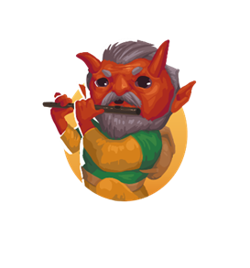 | hellion heresiarch | NORMAL | 5 |  | 85
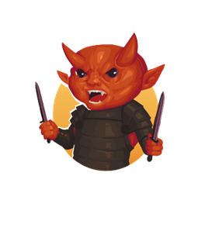 | hellion minstrel | NORMAL | 5 |  | 87
 | sky giant | NORMAL | 5 |  | 89
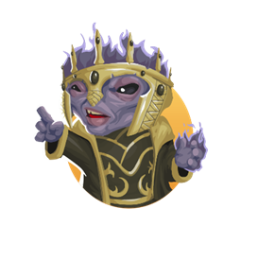 | witch king | NORMAL | 5 |  | 91
 | the inevitable -BOSS | BOSS | 5 |  | 92
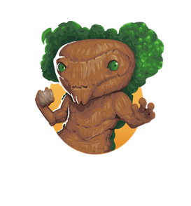 | treefolk | NORMAL | 6 |  | 93
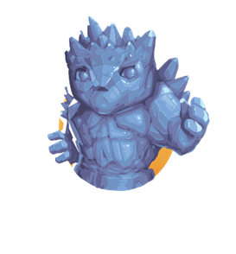 | crystal golem | NORMAL | 6 |  | 95
 | bone golem | NORMAL | 6 |  | 97
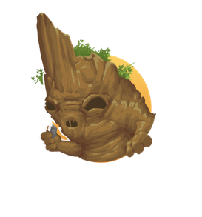 | earth elemental | NORMAL | 6 |  | 99
 | fire elemental | NORMAL | 6 |  | 101
 | water elemental | NORMAL | 6 |  | 103
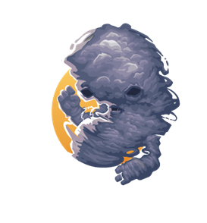 | air elemental | NORMAL | 6 |  | 105
 | abyssal | NORMAL | 6 |  | 107
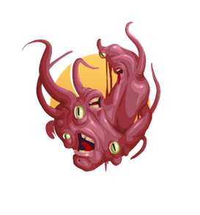 | chaos spawn | NORMAL | 6 |  | 109
 | star elemental | NORMAL | 6 |  | 111
 | void elemental -BOSS | BOSS | 6 |  | 112
 | drake | NORMAL | 7 |  | 113
 | dragon whelp | NORMAL | 7 |  | 115
 | dragonkin evoker | NORMAL | 7 |  | 117
 | dragonkin knight | NORMAL | 7 |  | 119
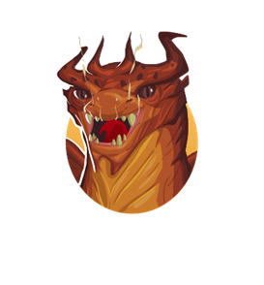 | cinder dragon-BOSS | BOSS | 7 |  | 120

