Sheet1
Dominio | Nombre_Dominio | Variable_per | Detalle_Dominio
Domain_1 | External Relations | per101 | Foreign Special Relationships: Positive
Domain_1 | External Relations | per102 | Foreign Special Relationships: Negative
Domain_1 | External Relations | per103 | Anti-Imperialism
Domain_1 | External Relations | per104 | Military: Positive
Domain_1 | External Relations | per105 | Military: Negative
Domain_1 | External Relations | per106 | Peace
Domain_1 | External Relations | per107 | Internationalism: Positive
Domain_1 | External Relations | per108 | European Community/Union: Positive
Domain_1 | External Relations | per109 | Internationalism: Negative
Domain_1 | External Relations | per110 | European Community/Union: Negative
Domain_2 | Freedom and Democracy | per201 | Freedom and Human Rights
Domain_2 | Freedom and Democracy | per202 | Democracy
Domain_2 | Freedom and Democracy | per203 | Constitutionalism: Positive
Domain_2 | Freedom and Democracy | per204 | Constitutionalism: Negative
Domain_3 | Political System | per301 | Decentralization
Domain_3 | Political System | per302 | Centralisation
Domain_3 | Political System | per303 | Governmental and Administrative Efficiency
Domain_3 | Political System | per304 | Political Corruption
Domain_3 | Political System | per305 | Political Authority | ENTENDER LAS DINÁMICAS SOCIALES Y POLÍTICAS A NIVEL GLOBAL Y CÓMO LLEGAN A CHILE
Domain_4 | Economy | per401 | Free Market Economy
Domain_4 | Economy | per402 | Incentives: Positive | PREGUNTAS
Domain_4 | Economy | per403 | Market Regulation | Cómo (dónde, cuándo) emergen y evolucionan ciertos tópicos hasta llegar a los programas presidenciales chilenos
Domain_4 | Economy | per404 | Economic Planning | Hay países o regiones cuyos discursos influencien los discursos chilenos?
Domain_4 | Economy | per405 | Corporatism/Mixed Economy | Cuánto tardó en llegar a Chile con la misma fuerza?
Domain_4 | Economy | per406 | Protectionism: Positive | Comparación entre Chile y los países de la misma región
Domain_4 | Economy | per407 | Protectionism: Negative | Hay patrones?
Domain_4 | Economy | per408 | Economic Goals | Qué tópicos aparecieron en Chile antes que en otros países?
Domain_4 | Economy | per409 | Keynesian Demand Management
Domain_4 | Economy | per410 | Economic Growth: Positive
Domain_4 | Economy | per411 | Technology and Infrastructure: Positive | Inclusión y Minorías | 503, 705, 606.1
Domain_4 | Economy | per412 | Controlled Economy
Domain_4 | Economy | per413 | Nationalisation
Domain_4 | Economy | per414 | Economic Orthodoxy
Domain_4 | Economy | per415 | Marxist Analysis
Domain_4 | Economy | per416 | Anti-Growth Economy: Positive
Domain_5 | Welfare and Quality of Life | per501 | Environmental Protection
Domain_5 | Welfare and Quality of Life | per502 | Culture: Positive
Domain_5 | Welfare and Quality of Life | per503 | Equality: Positive
Domain_5 | Welfare and Quality of Life | per504 | Welfare State Expansion
Domain_5 | Welfare and Quality of Life | per505 | Welfare State Limitation
Domain_5 | Welfare and Quality of Life | per506 | Education Expansion
Domain_5 | Welfare and Quality of Life | per507 | Education Limitation
Domain 6 | Fabric of Society | per601 | National Way of Life: Positive
Domain 6 | Fabric of Society | per602 | National Way of Life: Negative
Domain 6 | Fabric of Society | per603 | Traditional Morality: Positive
Domain 6 | Fabric of Society | per604 | Traditional Morality: Negative
Domain 6 | Fabric of Society | per605 | Law and Order: Positive | Inmigración | 602.2, 607.1
Domain 6 | Fabric of Society | per606 | Civic Mindedness: Positive
Domain 6 | Fabric of Society | per607 | Multiculturalism: Positive
Domain 6 | Fabric of Society | per608 | Multiculturalism: Negative
Domain_7 | Social Groups | per701 | Labour Groups: Positive
Domain_7 | Social Groups | per702 | Labour Groups: Negative
Domain_7 | Social Groups | per703 | Agriculture and Farmers: Positive
Domain_7 | Social Groups | per704 | Middle Class and Professional Groups
Domain_7 | Social Groups | per705 | Underprivileged Minority Groups
Domain_7 | Social Groups | per706 | Non-economic Demographic Groups
 |  | per1011 | Russia/USSR/CIS: Positive | DDHH | 201.2, 503
 |  | per1012 | Western States: Positive
 |  | per1013 | Eastern European Countries: Positive
 |  | per1014 | Baltic States: Positive
 |  | per1015 | Nordic Council: Positive
 |  | per1016 | SFR Yugoslavia: Positive
 |  | per1021 | Russia/USSR/CIS: Negative
 |  | per1022 | Western States: Negative
 |  | per1023 | East European Countries: Negative
 |  | per1024 | Baltic States: Negative
 |  | per1025 | Nordic Council: Negative | Pueblos originarios | 607.3, 608.3
 |  | per1026 | SFR Yugoslavia: Negative
 |  | per1031 | Russian Army: Negative
 |  | per1032 | Independence: Positive
 |  | per1033 | Rights of Nations: Positive
 |  | per2021 | Transition to Democracy
 |  | per2022 | Restrictive Citizenship: Positive
 |  | per2023 | Lax Citizenship: Positive
 |  | per2031 | Presidential Regime: Positive
 |  | per2032 | Republic: Positive
 |  | per2033 | Checks and Balances: Positive | Medio ambiente | 501
 |  | per2041 | Monarchy: Positive
 |  | per3011 | Republican Powers: Positive
 |  | per3051 | Public Situation: Negative
 |  | per3052 | Communist: Positive
 |  | per3053 | Communist: Negative
 |  | per3054 | Rehabilitation and Compensation: Positive
 |  | per3055 | Political Coalitions: Positive
 |  | per4011 | Privatisation: Positive
 |  | per4012 | Control of Economy: Negative | + Derechos sociales | 504
 |  | per4013 | Property-Restitution: Positive
 |  | per4014 | Privatisation Vouchers: Positive
 |  | per4121 | Social Ownership: Positive
 |  | per4122 | Mixed Economy: Positive
 |  | per4123 | Publicly-Owned Industry: Positive
 |  | per4124 | Socialist Property: Positive
 |  | per4131 | Property-Restitution: Negative
 |  | per4132 | Privatisation: Negative
 |  | per5021 | Private-Public Mix in Culture: Positive
 |  | per5031 | Private-Public Mix in Social Justice: Positive
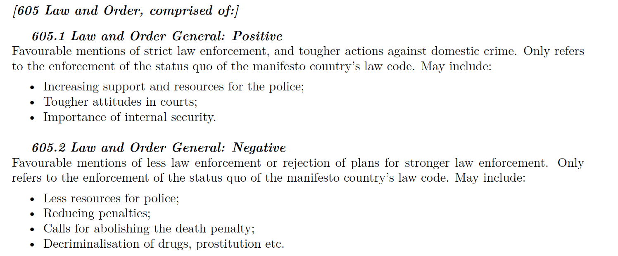
 |  | per5041 | Private-Public Mix in Welfare: Positive | Orden, Corrupción, Instituciones debilitadas, Justicia | 605.1, 605.2
 |  | per5061 | Private-Public Mix in Education: Positive
 |  | per6011 | The Karabakh Issue: Positive
 |  | per6012 | Rebuilding the USSR: Positive
 |  | per6013 | National Security: Positive
 |  | per6014 | Cyprus Issue
 |  | per6061 | General Crisis
 |  | per6071 | Cultural Autonomy: Positive
 |  | per6072 | Multiculturalism pro Roma: Positive
 |  | per6081 | Multiculturalism pro Roma: Negative
 |  | per7051 | Minorities Inland: Positive

 |  |  |  | issues en approach inicial:
 |  |  |  | 1.hay evenbtos que influencian los programas en ciertos países, que no tienen relación con chile. por ejemplo, una guerra.-
 |  |  |  | 2.hay temas muy locaes que infliuencian los programas en chile y no en el extranjero. Ej. La ley Zamudio
 |  |  |  | 3. considerar el efecto del cambio de régimen electoral (proporcional a …....)

 |  |  |  | Tomar chile
 |  |  |  | para cada elección, sumar, promediar, ponderar (lo que defina como razonable y defendible), cada variable 'per'
 |  |  |  | elegir el feature vector para cada tema de interés. Por ej.: inclusión (per1, per2, per4), inmigración (per 2, per7, per8), seguridad (per10, per15)
Otros | Otros | per2033 | Checks and Balances: Positive | hacer una red de similaridad y ver si el resultado es coherente copn lo que yo esperaría para chile en esos añois
Otros | Otros | per4011 | Privatisation: Positive
Otros | Otros | per4012 | Control of Economy: Negative
Otros | Otros | per4123 | Publicly-Owned Industry: Positive
Otros | Otros | per4124 | Socialist Property: Positive
Otros | Otros | per5061 | Private-Public Mix in Education: Positive
Otros | Otros | per201_1 | Freedom
Otros | Otros | per201_2 | Human Rights
Otros | Otros | per202_1 | Democracy General: Positive

