SubRegions
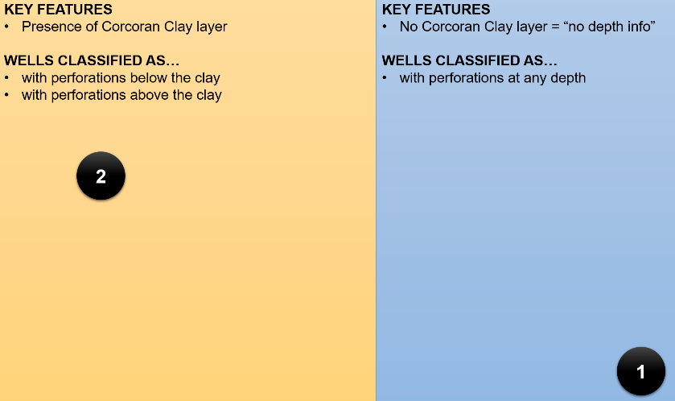
Sub Regions | Abbrevation | Definition | FM2Sim SR Results
SubRegion 1 | SR1 | No Corcoran Clay Layer | "ALL" results for the region without the presence of Corcoran Clay layer
SubRegion 2 | SR2 | Corcoran Clay Layer & Wells with perforation BELOW the clay | "CONFINED" for the subregion BELOW the Corcoran Clay
SubRegion 3 | SR3 | Corcoran Clay Layer & Wells with perforation ABOVE the clay | "UNCONFINED" for the subregion ABOVE the Corcoran Clay
InsideCCL | InsideCCL | Perforated interval completely inside the Corcoran clay layer | Ignore these wells
NOTES

