Readme coverage
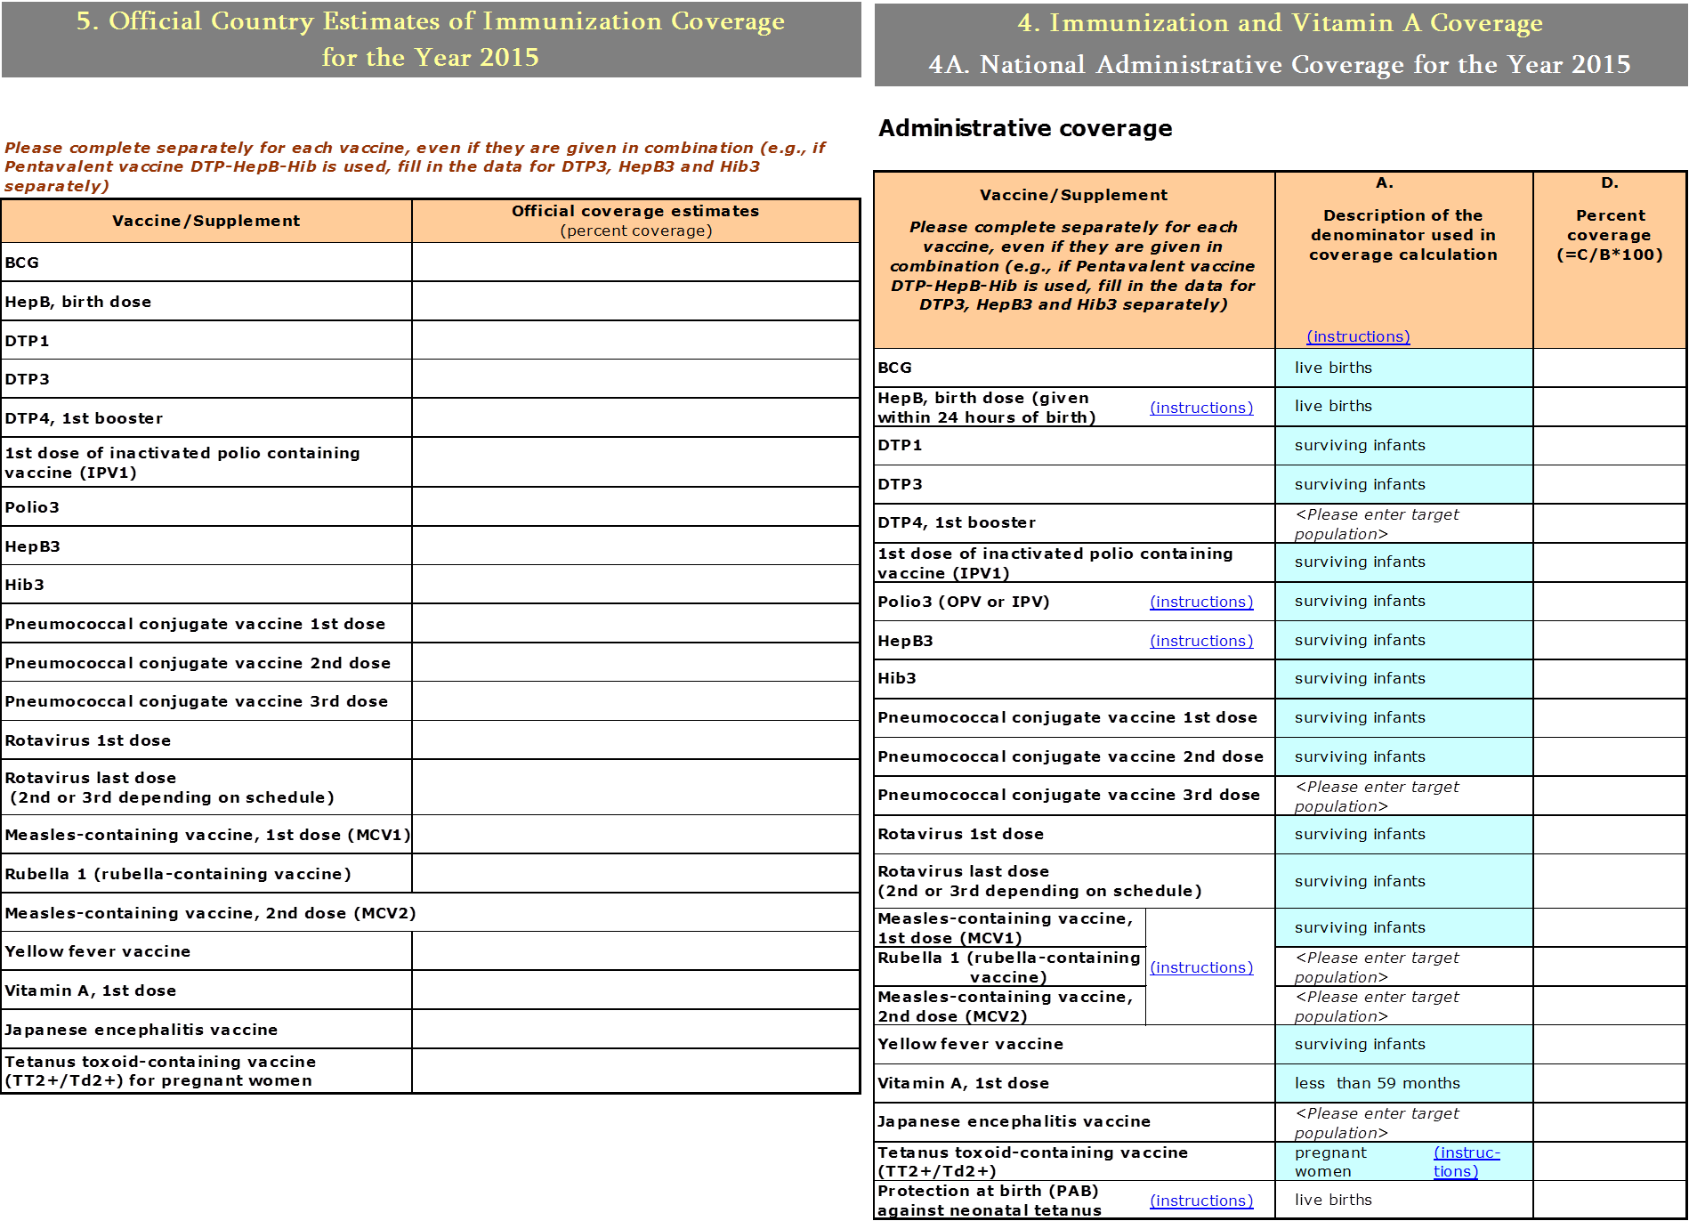
Reported official target population, number of doses administrered and official coverage

Data not always the same as the Country official Estimates and WHO UNICEF Estimates

Data extracted from WHO database. Data up to 2015. Next update June 2017

HepB1 refers to birth dose, however occasionally countries report 1st dose.
HepB3 refers to 3rd dose administered to infants and not to adolescents

This data is based on official and administrative system as reported in the Joint Reporting Form (JRF) tables 5 and 4A
Preference is given to official figures (table 5), but if needed, values are also taken from the administrative figures.

For more information on the JRF go to | http://www.who.int/immunization/monitoring_surveillance/routine/reporting/en/

(Update of 2016/December/01)

