Title Page
[ Grocery Basket Analysis ]

• Project Name: Customer Targeting Kickoff
• Date: September 5, 2024
• Analyst Name: Matthieu Da Col

Contents:

- Population Flow
- Consistency checks
- Wrangling steps
- Column derivations
- Visualizations
- Recommendations

1. Data Citation
 |  |  |  |  | Title page

Data Citation

Dataset | Source | Size | Download date | Commentary
customers.csv | Fabricated by Careerfoundry for the purpose of the study, cohort 2024 | 13,66 Mb | 2024-06-11
departments.csv | “The Instacart Online Grocery Shopping Dataset 2017”, Accessed from www.instacart.com/datasets/grocery-shopping-2017 via Kaggle | 1 Ko | 2024-05-22
orders.csv | “The Instacart Online Grocery Shopping Dataset 2017”, Accessed from www.instacart.com/datasets/grocery-shopping-2017 via Kaggle | 106,42 Mb | 2024-05-20
orders_products_prior.csv | “The Instacart Online Grocery Shopping Dataset 2017”, Accessed from www.instacart.com/datasets/grocery-shopping-2017 via Kaggle | 564,1 Mb | 2024-05-27
products.csv | “The Instacart Online Grocery Shopping Dataset 2017”, Accessed from www.instacart.com/datasets/grocery-shopping-2017 via Kaggle | 2,37 Mb | 2024-05-20 | The column 'prices' was fabricated by Careerfoundry for the purpose of the study, cohort 2024

2. Population Flow
Title page

Population flow

Original data
Consistency checks
Merged datasets
Final dataset
(without exclusions)

Orders.csv
Total rows : 3 421 083
Orders_checked.csv
Total rows : 3 421 083

orders_products_combined.pkl
Total rows : 32 434 489

orders_products_prior.csv
Total rows : 32 434 489
orders_products_prior.pkl
Total rows : : 32 434 489

Products.csv
Total rows : 49 693
Products_checked.csv
Total rows : 49 672
ords_prods_merge.pkl
Total rows : 32 404 859
ords_prods_cust_merged.pkl
Total rows : 32 404 859

Customers.csv
Total rows : 206 209
Customers.pkl
Total rows : 206 209

Exclusion flag
- Condition: max_order < 5
- Obervations to be removed: all customers'orders with less than 5 orders

departments.csv
Total rows : 2
department_wrangled.csv
Total rows : 21 (transpose)
ords_prods_high_activity_customers_profile_iso
Total rows : 30 964 564

3. Consistency checks
 |  |  |  | Title page
Consistency checks

Dataset | Missing values | Missing values treatment | Duplicates
orders | 206 209 values in days_since_prior_order | kept since it is meant for a 0 score
products | 16 product_name missing | Filtered out since there is no way to deduce them | 5 duplicates deleted
orders_products_prior | / | / | /
customers | / | / | /
departments | / | / | /

4. Wrangling steps
 |  |  |  | Title page
Wrangling steps

Columns dropped | Columns renamed | Columns' type changed | Comment/Reason
orders ['eval_set'] |  |  | We had no use of this column countaining an old flag mark from instcart
 | orders [order_dow'] as 'order_day_of_week' |  | order_dow wasn't clear enough (acronyme DOW not current)
 |  | orders ['order_id'] | From an integer to a string since we need no statistical calculations from an ID
 | customers['First Name' ] as 'first_name' |  | Complying to naming convention
 | customers['Surnam' ] as 'last_name' |  | Complying to naming convention
 | customers['Gender' ] as 'gender' |  | Complying to naming convention
 | customers['STATE' ] as 'state' |  | Complying to naming convention
 | customers['Age' ] as 'age' |  | Complying to naming convention
 |  | customers['user_id' ] | From an integer to a string since we need no statistical calculations from an ID
customers['first_name'] |  |  | Data security necessity for anonymity
customers['last_name'] |  |  | Data security necessity for anonymity

5. Column derivations
 |  |  |  |  | Title page

Column derivations and aggregations

Dataset | New column | Column/s it was derived from | Conditions | Flag frequencies
ords_prods_merge | price_range_loc | prices | >15 = High range product >5 <=15 = Mid range product <5 = Low range product | Mid range product 21 860 860 Low range product 10 126 321 High range product 417 678
ords_prods_merge | Busiest_days_new | order_day_of_week | 2 Highest and 1 lowest number of order, else only flagged regular | Regularly days 12 916 111 Busiest days 11 864 412 Slowest days 7624 336
ords_prods_merge | busiest_period_of_day | order_hour_of_day | Hours from 9 to 16 are considered busiest, from à to 6 the least, and the rest is average | Average hours 21 192 041 Most orders 10 325 997 Fewest orders 886 821
orders_products_merged | max_order | order_number | Get the max for number_order by user | /
orders_products_merged | loyalty_flag | max_order | Loyal as 40+ orders, regular has between 10 and 40 orders, and new has less than 10 orders | Regular customer 15 876 776 Loyal customer 10 284 093 New customer 6 243 990
orders_products_merged | avg_price_by_user | prices | calculating the average price bought by client | /
orders_products_merged | spending_flag | avg_price_by_user | Low spender spends less than 10$ in average, and high spender spends more than 10 | Low spender 31 770 614 High spender 634 245
orders_products_merged | median_frequency | days_since_prior_order | Median number of days since the last order | /
orders_products_merged | frequency_flag | median_frequency | More than 20 median days is considered non-frequent, from 10 to 20 regular, and less than 10 frequent | Frequent customer 21 559 853 Regular customer 7 208 564 Non-frequent customer 3636 437
customers | years_since_join | date_joined | calculating the number of years since clients joined instacart | /
ords_prods_cust_merged | cust_profile | age order_day_of_week order_hour_of_day fam_status n_dependants department_id income | 1. single adult : under 21 y/o and a family status != married 2. young parent : under 40 y/o, at least one pendent, and one order in the babies department id (18) 3. student : under 25 y/o, family status != married and divorced/widowed, no pendents and an income < 30k 4. Retired : above 60 y/o, orders in week days (2,3,4,5,6), orders in working hours (from 9 to 17) 5. Family : above 21 y/o, family status = married, at least one pendent and some orders of household goods (department_id = 17) | NaN 23 334 879 Retired 5 913 479 Single adult 1 426 242 Family 171 358 Young parent 105 132 Student 13 474

6. Visualizations
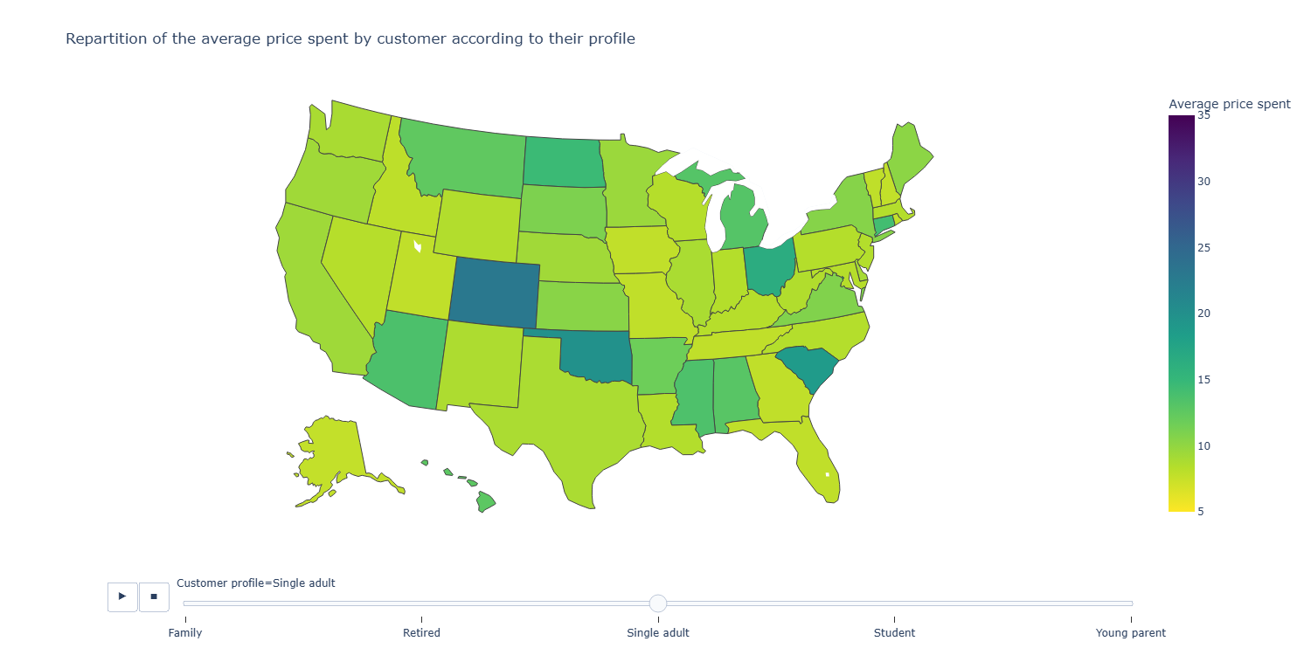
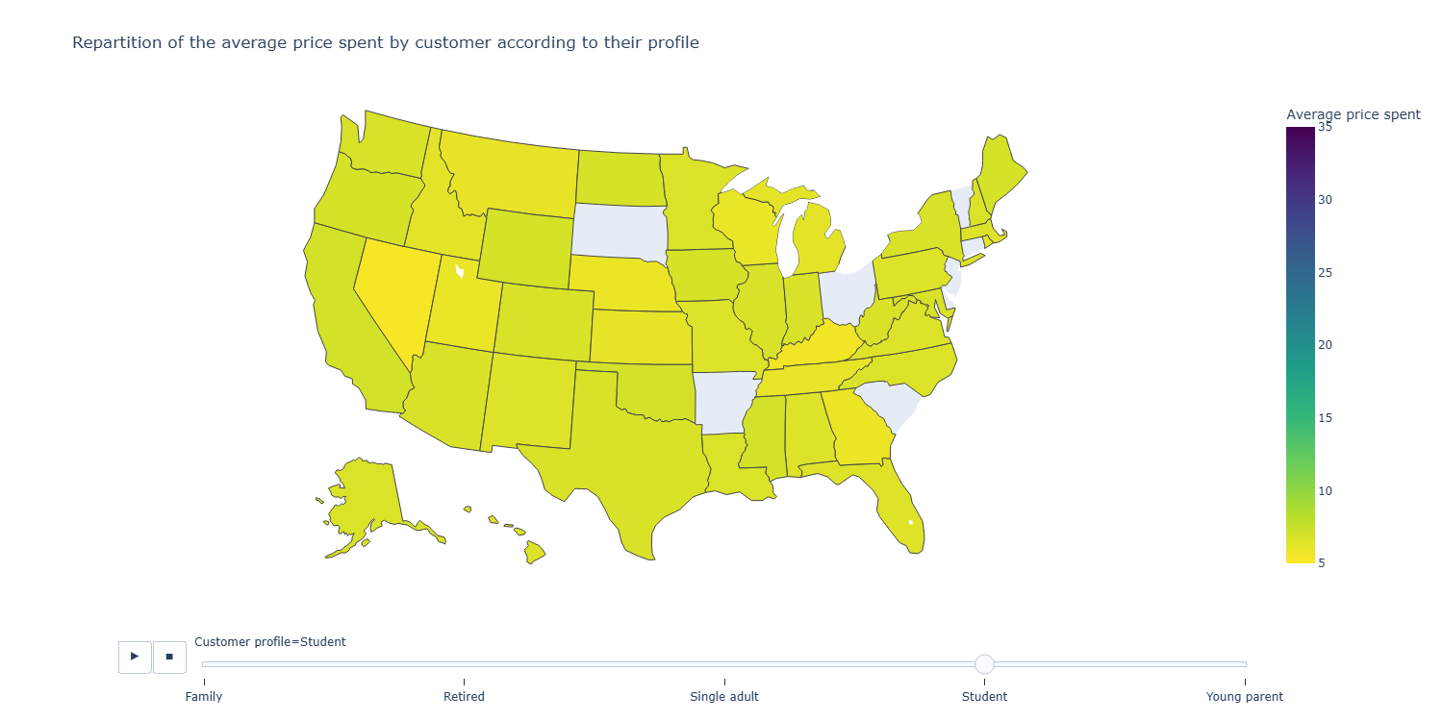
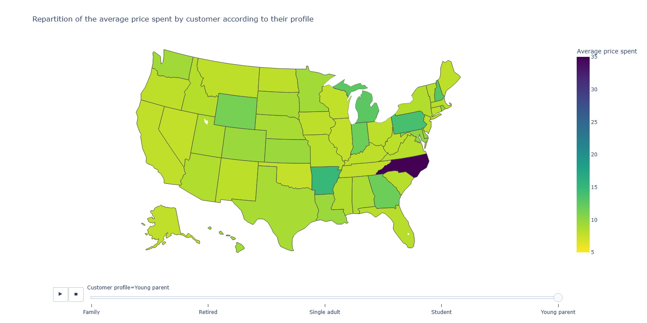
Title page

Visualisations

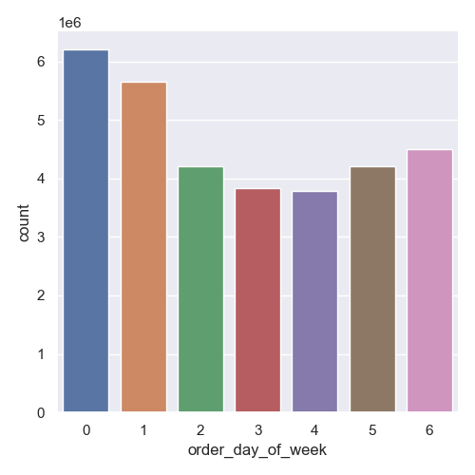
1. Repartition of the orders accross the week
• Question brief: What is the busiest day of the week ?
• Comment: The busiest days are on the weekend (0 is for Saturday), folllowed by Thursday and Friday. People are more keen to think about groceries as the working week goes by.

2. Repartition of all sold items according to their price.
• Question brief: How can different price tags be used by marketing and sales creating price range groupings to help direct their efforts?
• Comment: Items are mostly from 1$ to 14$, and up to 25$ (except for some outliers omitted in this graph). They could create 2 price groups, and set more detailled ranges according to their need for proces under 14$.
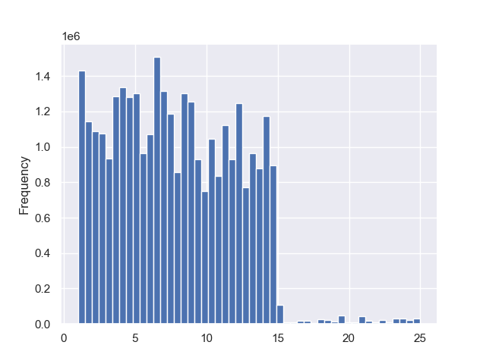

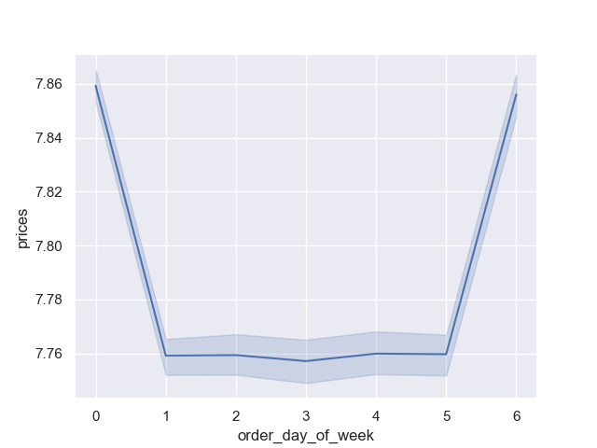
3. Evolution of prices spent by day
• Question brief: Are there particular days when people
spend the most money?
• Comment: People tend to spend the most money on Satudays and on Fridays.

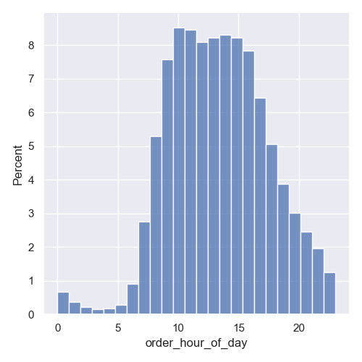
4. Repartition of the orders accross the day
• Question brief: What is the busiest hour of the day ?
• Comment: The busiest hours are from 10 a.m to 16 p.m. As the evening sets, orders are fewer, but never null even during the night.

5. Repartition of customers by their frequency flag
• Question brief: What’s the distribution among users in regards to their brand loyalty (i.e., how often do they return to Instacart)??
• Comment: Frequent > Regular > Non-frequent
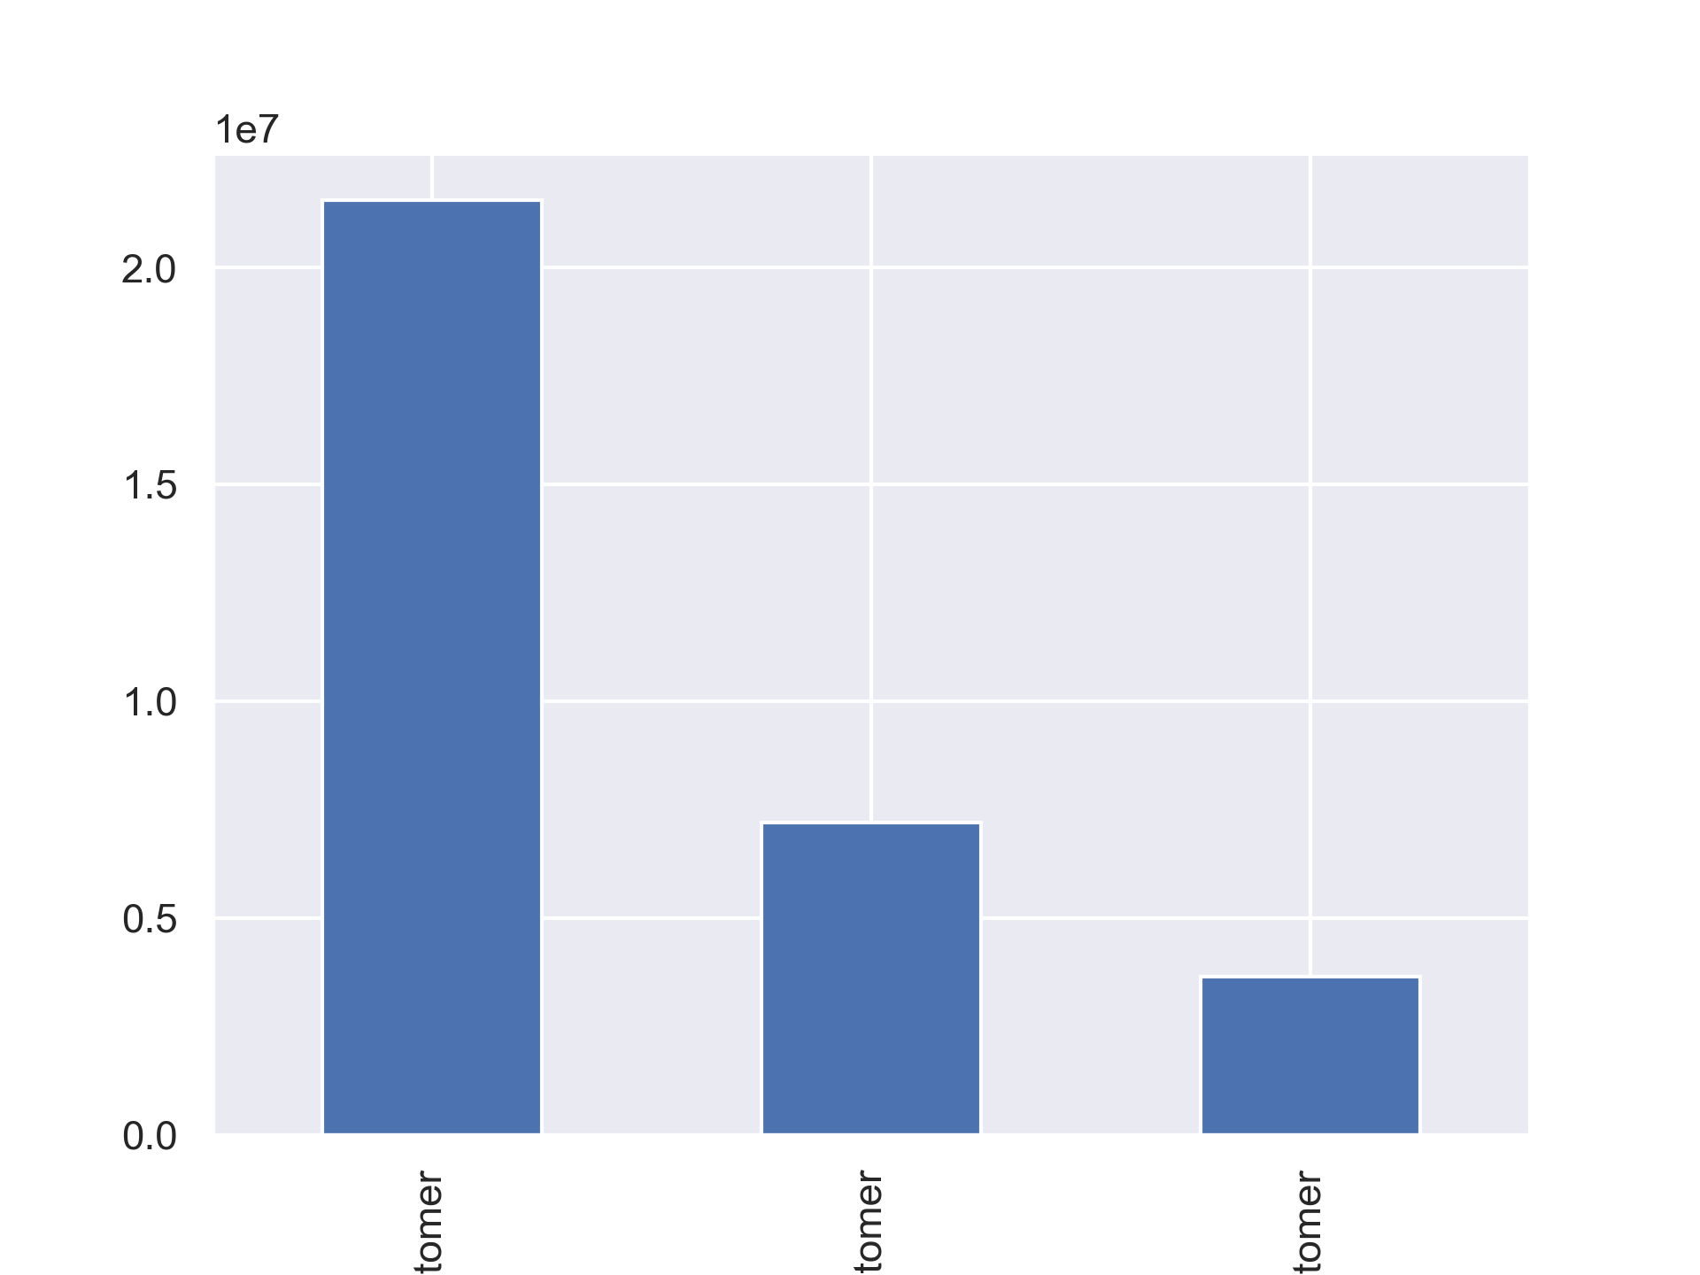

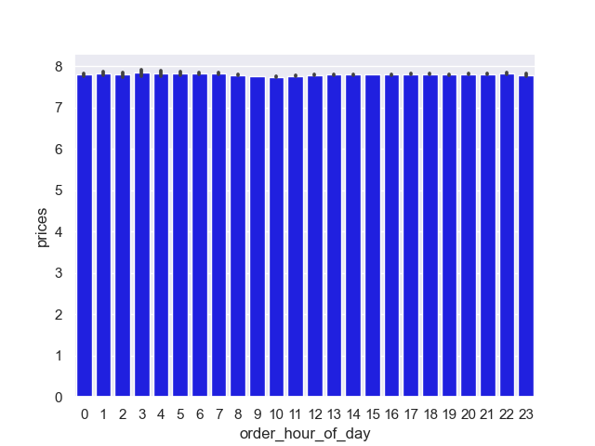
6. Evolution of the average prices spent during the day
• Question brief: Are there particular hours of the day when people
spend the most money?
• Comment: People tend to spend items of roughly the same prices accros the days, no need to focus on prices for timed focused ads.

7. Repartition of the number of orders by departement
• Question brief: Are there certain types of products that are more popular than others?
• Comment: The main department is 4 (produce), then 16 (dairy eggs) and finally 19(snacks) and 7 (beverages).
On the contrary, 2 (other) , 10 (bulk) and 8 (pets) are not popular at all.
21 (missing) could be considered differently, not an item per se.
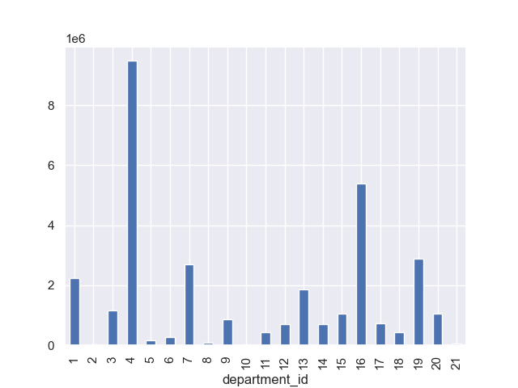

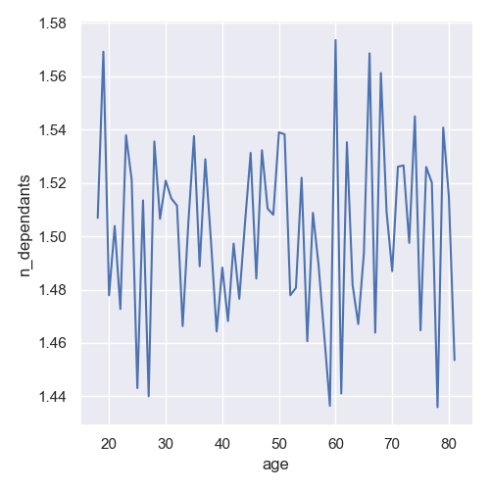
8. Average number of pendents according to the age of customers
• Question brief: Who are instacarts's customers ?
• Comment: This data entry isn't as robust as we could have hoped for. Since this data comes from the customers file creating by careerfoudry, maybe it is only the proof that it was well randomised.

9. Link between age and income
• Question brief: Who are instacarts's customers ?
• Comment: the correlation is to be calculated here.
- most customers have an income of 200k or less, with no distinction of their age#
- by the age of 40, customers have more income, > 200K and mostly between 200k and 300K#
- all customers having more than 400k are above 40 years old
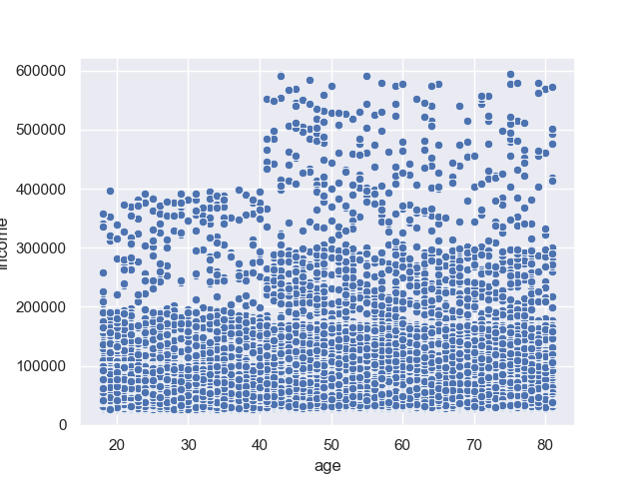

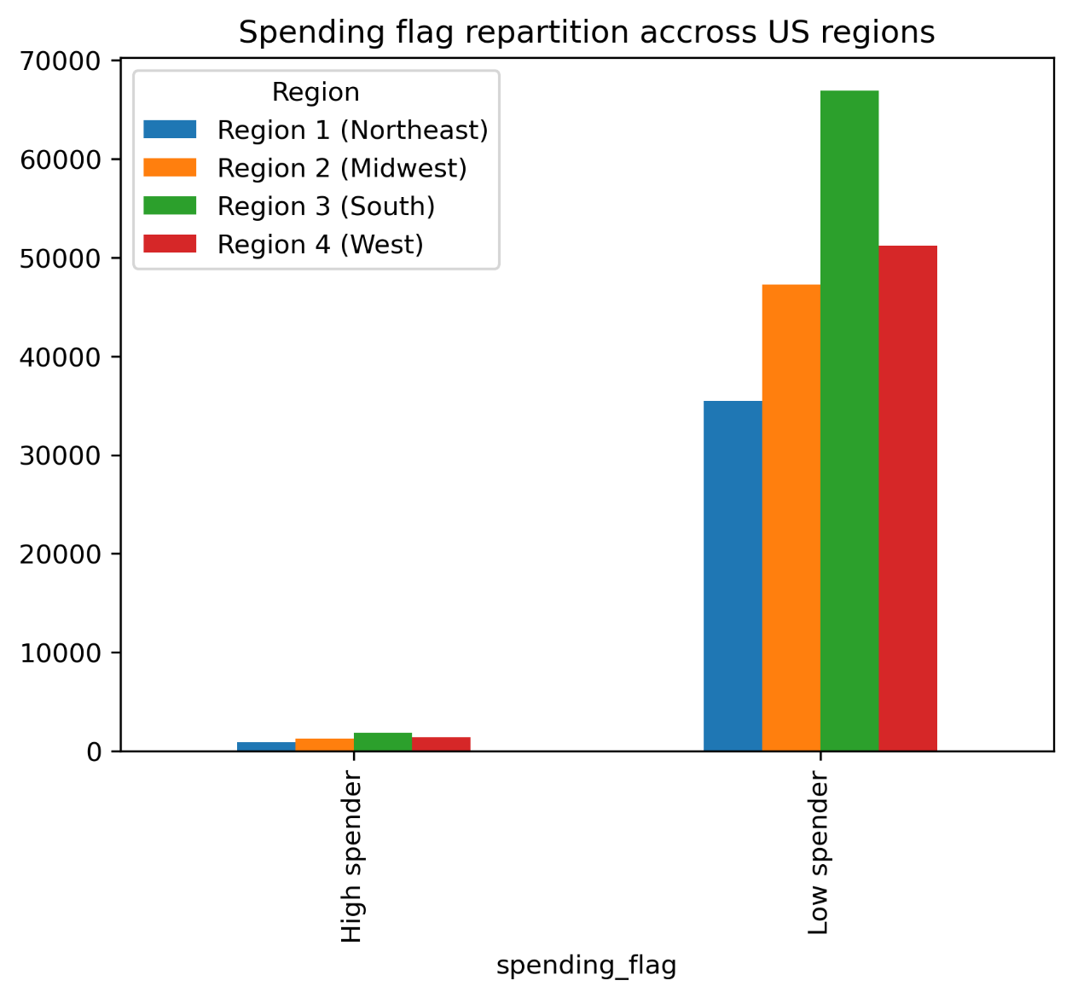
10. Spending flag repartition accross US regions
• Question brief: Are there differences in ordering habits based on a customer’s region?
• Comment: It seems that spending habits are quite similar from a region to another : regions with more customers have more low and high spenders.

11. Distribution of clients profiles by their spending flag
• Question brief: What differences can you find in ordering habits of different customer
profiles?
• Comment:
-Most clients buy articles from 1 to 15 dollars : Top buyers are mostly retired clients and single adults, eventhough the average prices are higher in the group of families.
-Students have no high spender, and most of them by article below 5 dollars.
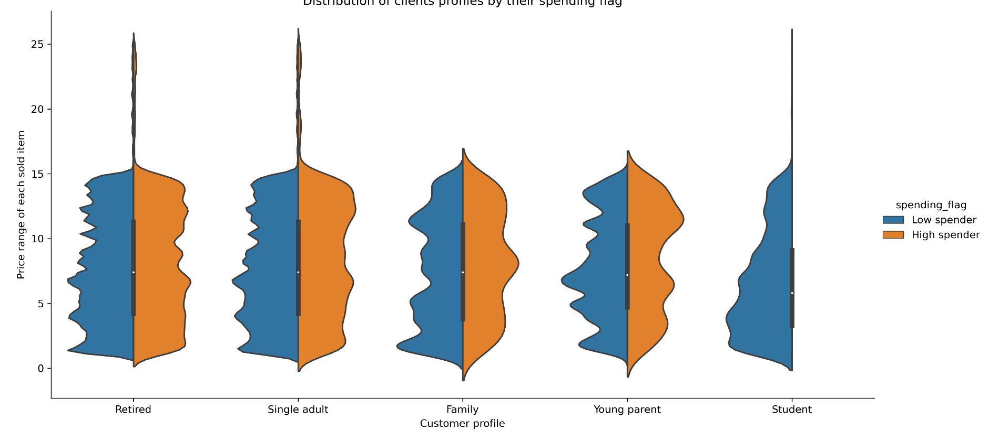

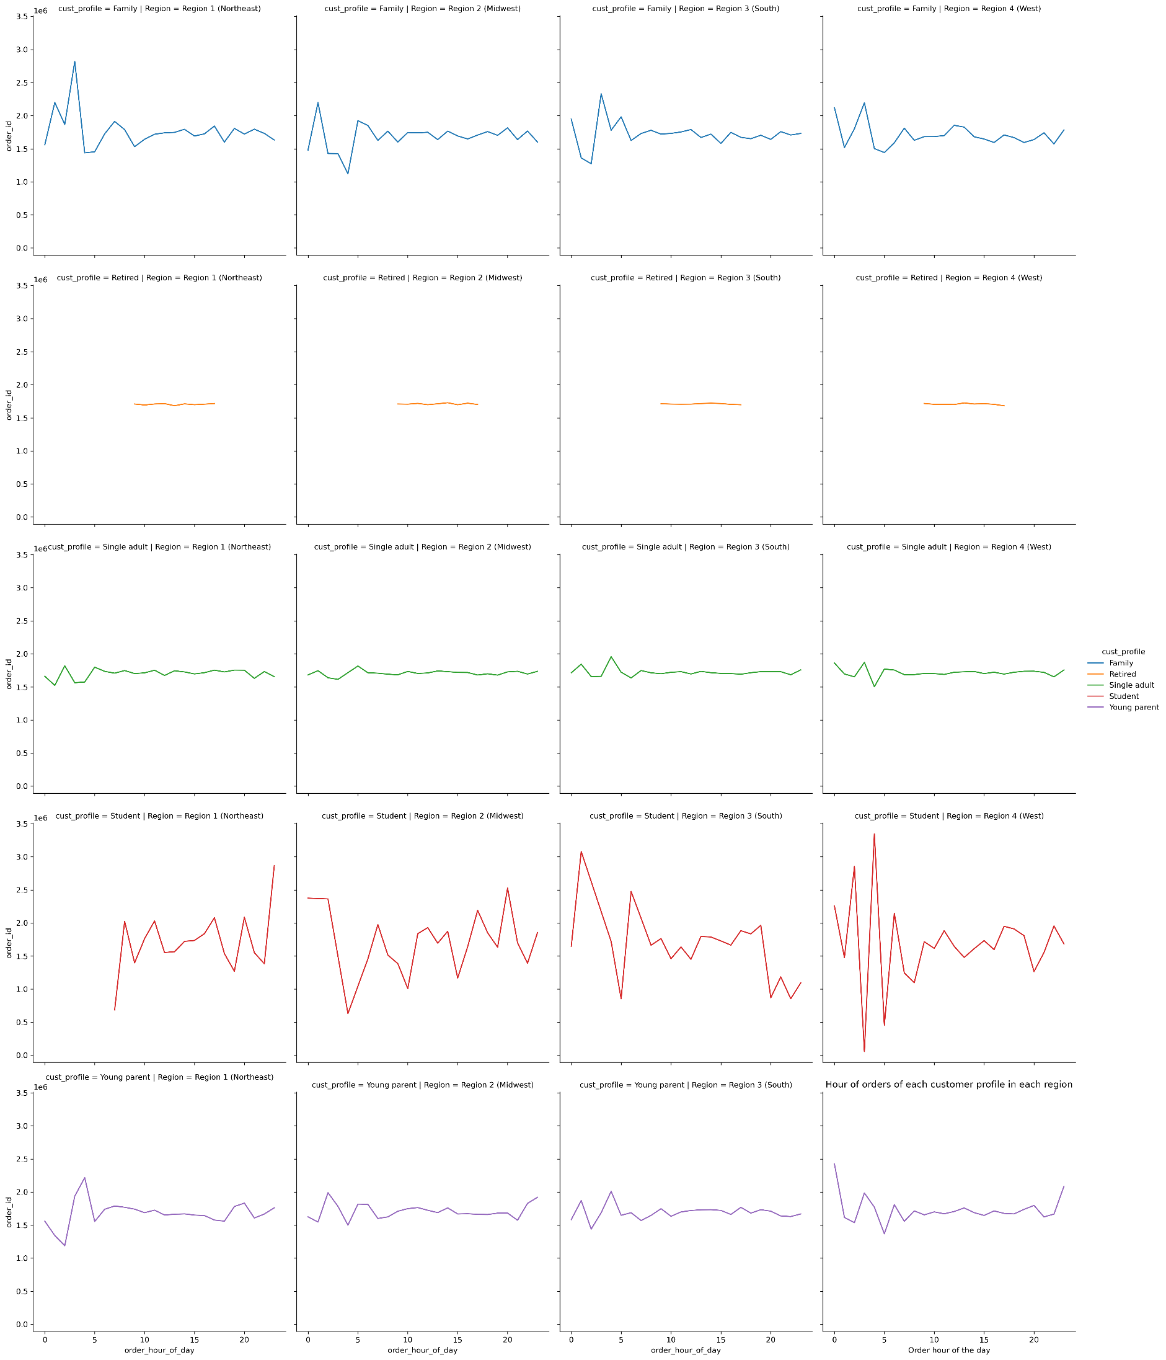
12. Hour of orders of each customer profile in each region
• Question brief: What differences can you find in ordering habits of different customer
profiles?
• Comment:
The lineplot above shows different habits of orders hour for the customer profiles :
-For the retired clients, the hour was a selctive criteria, namely there is no order placed outside of working hours.
-Students are clearly the least consistent group of clients, with orders placed at every hour of the dday and even at night, making them somehow more compulsive buyers.
-Families and young adults tend to behave in a similat fashion, quite consistent during the day, with a bit more order in the early mornings
-Young parents look like they are still adjusting their schedules, with more orders placed on early morning and late at night
-People overall tend to order the latest in the West region, that said all regions tend to look similar.

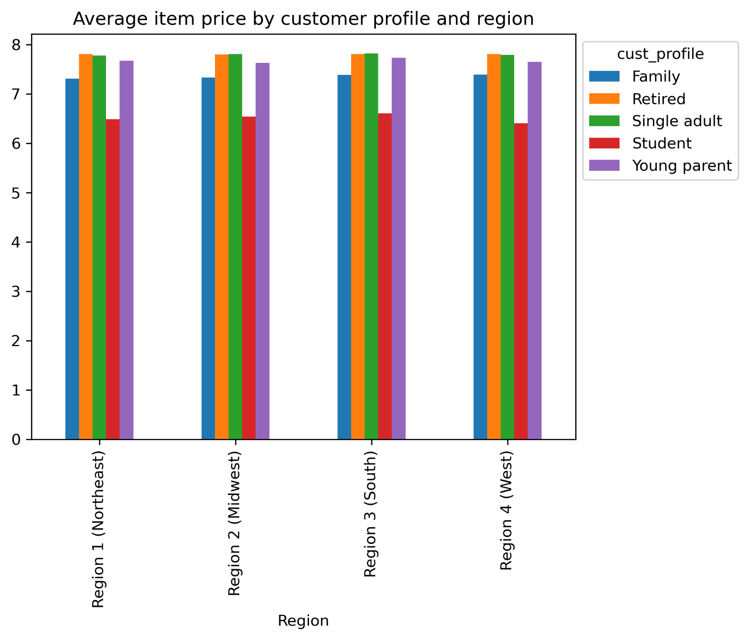
13. Average item price by customer profile and region
• Question brief: Are there differences in ordering habits based on a customer’s region?
• Comment: The main idea of this barplot is that there are a lot of similarities from a region to another as far as prices go.

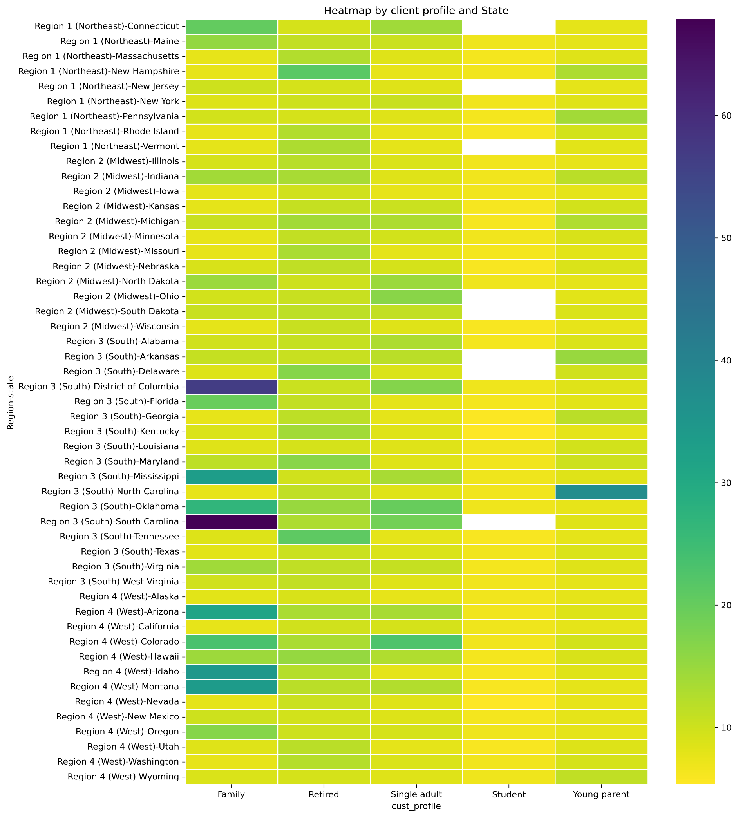
14. Heatmap by client profile and State
• Question brief: Are there differences in ordering habits based on a customer’s region?
• Comment: Families tend to buy more expensive products, followed by retired people. Students are buying the cheapest items accros the US.
Some states stand out, even if on the region level it was very similar, the state grind brings new information, best read on a map below.

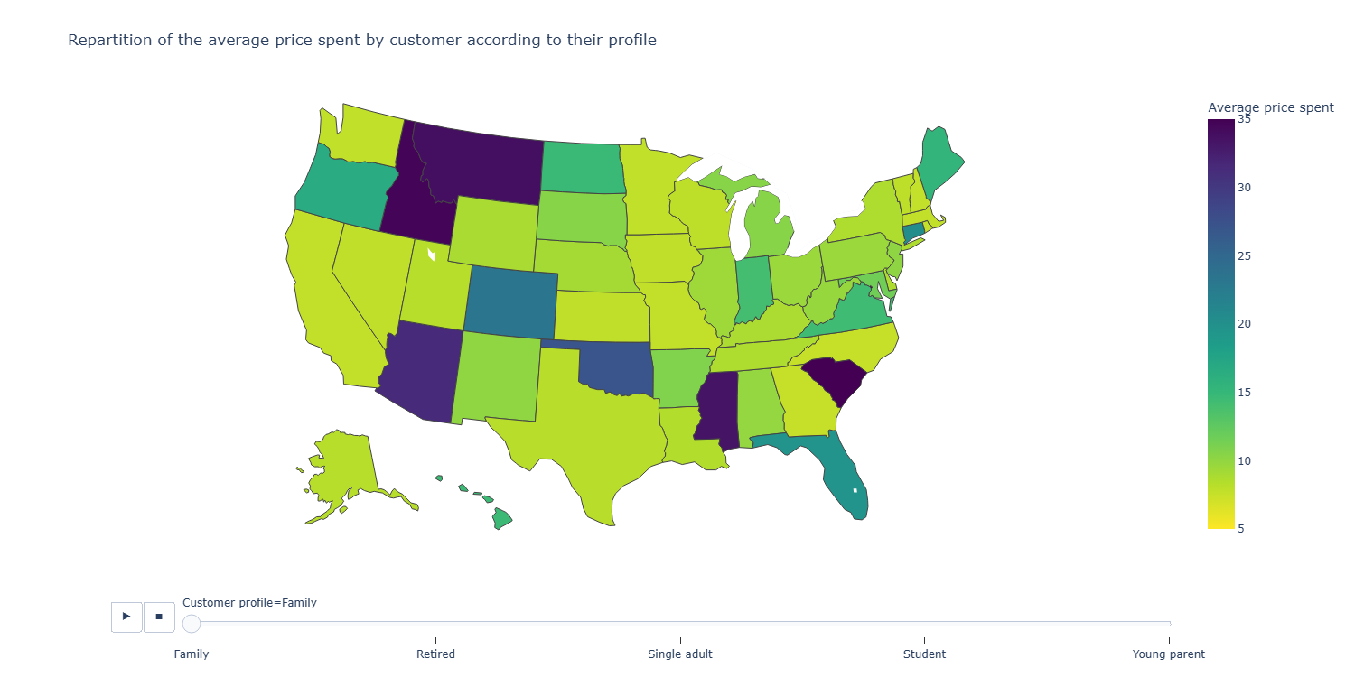
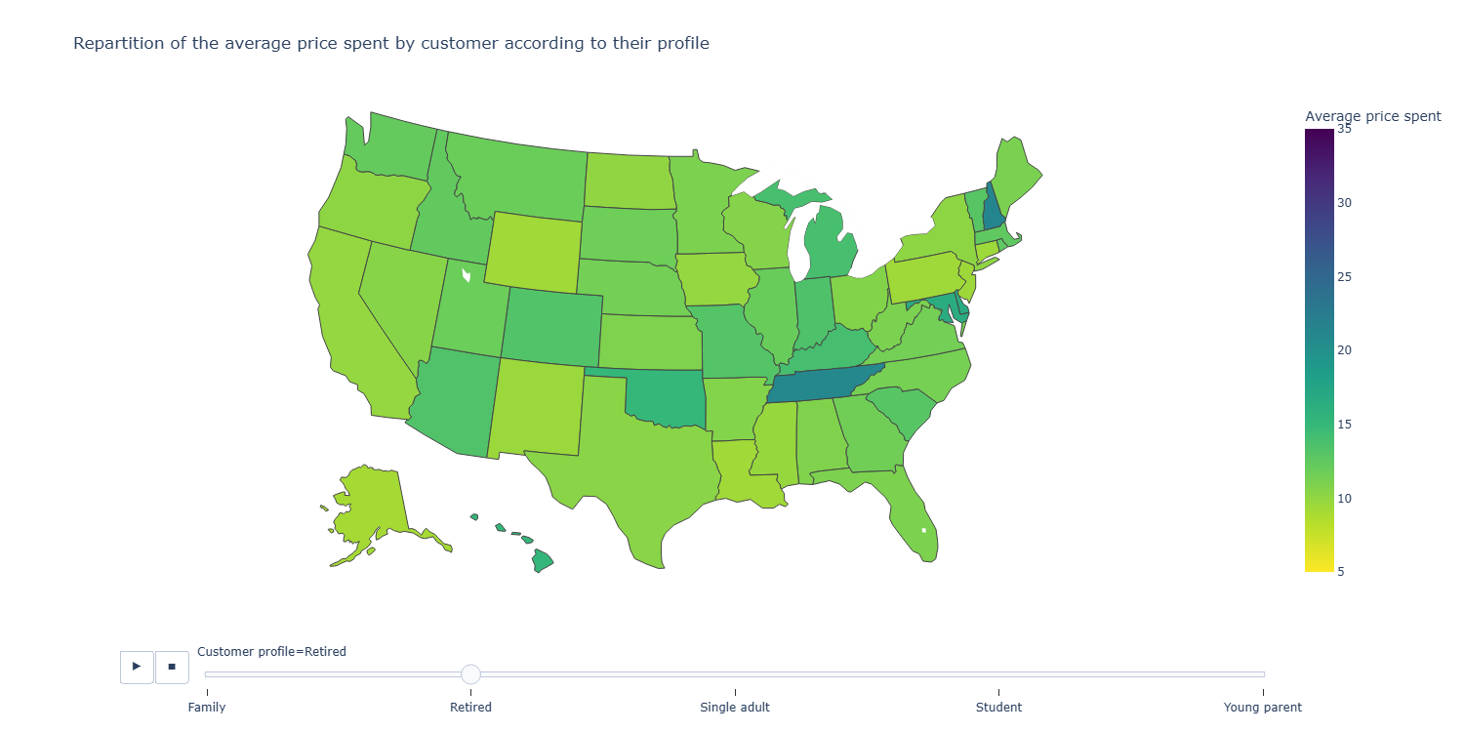
15. Repartition of the average price spent by customer according to their profile
• Question brief: Are there differences in ordering habits based on a customer’s region?
• Comment:
The map shows the buying habits of each customer profile accros USA : some states stand out for some profiles (ex : South Carolina for the families or North Carolina for young parents). Marketing could focus their attention to these states and adapt their strategies (ex: more advertizing of baby items in both South and North Carolina).

7. Recommendations
 |  |  |  | Title page

Recommendations

Key question | Answer | Recommendations | Supporting data
The sales team needs to know what the busiest days of the week and hours of the day are (i.e., the days and times with the most orders) in order to schedule ads at times when there are fewer orders. | - Busiest days of the week : Saturday, Sunday and Friday - Busiest hours of the day : From 10 am to 16 pm | Ads could be scheduled on week days (Monday to Friday), and on the evenings from 17 pm on. | cf visualizations 1 and 4
They also want to know whether there are particular times of the day when people spend the most money, as this might inform the type of products they advertise at these times. | People tend to spend items of roughly the same prices (about 8$) accros the day | Focusing on prices to time well the ads insn't relevant, although people tend to buy more expensive items on Friday and Saturday. Marketing could aim ads of expensive items on those two days, disregarding the hour of the ads. | cf visualizations 3 and 6
Instacart has a lot of products with different price tags. Marketing and sales want to use simpler price range groupings to help direct their efforts. | Items are mostly from 1$ to 14$, and few are up to 25$ (except for some outliers omitted in this study, more information needed). | Marketing and sales could create 2 pricing groups in a first study : one for targetted prices (1$ to 14$), and another for expensive prices (15$ and up). and Later, a more detailled set of ranges according to their level of precision could be made to go further in understanfing buying habits for targeted prices. | cf visualizations 2
Are there certain types of products that are more popular than others? The marketing and sales teams want to know which departments have the highest frequency of product orders. | The main department is 4 (produce), then followed by 16 (dairy eggs) and finally 19 (snacks) and 7 (beverages). On the contrary, 2 (other) , 10 (bulk) and 8 (pets) are not popular at all. department 21 (missing) could be considered differently, not an item per se. | Trying to find a way to get the information about pet owning by customers could help targetting ads on department 8 in order to foster sales. Maybye department 4 has too many items to sel since its name is very generic, it may hide some information about sold items in order to understand best customers habits : sales could rethink this department and create a new one for a better detailling. | cf visualizations 7
What’s the distribution among users in regards to their brand loyalty (i.e., how often do they return to Instacart)? | 67% of customers are considered frequent, meaning more than two thirds come back to order in less than 10 days, meaning about once a week. | Creating an automatic email/sms reminder every week of their last order could help customers not forget about ordering, hence helping them be more loyal and growing even further these frequent customers | Frequent customer 21 559 853 Regular customer 7 208 564 Non-frequent customer 3636 437 cf visualizations 5
Are there differences in ordering habits based on a customer’s loyalty status? | New customers tend to buy more expensive items with an average price of 13.30$, about 3$ more than the the customers with 40+ orders. | Ads to new customers should aim to sell the most expensive items, and ads to the most loyal customers should aim to remind them of their common basket.
Are there differences in ordering habits based on a customer’s region? | As far as spending amount goes, customers behave in a quite similar way in all regions, with about 2,6 % of high spenders only. | Prices don't have to be different from a region to another since customers are mostly low spenders in USA. Sales can keep their pricing strategy in a uniformerd way. | cf visualizations 10
What different classifications does the demographic information suggest? Age? Income? Certain types of goods? Family status? | The data allows to create some customers profiles using their age, income, ordering hours and department, family status. I suggest to use these 5 profiles, to be further attuned with the marketing team : 1. single adult : under 21 y/o and a family status != married 2. young parent : under 40 y/o, at least one pendent, and one order in the babies department id (18) 3. student : under 25 y/o, family status != married and divorced/widowed, no pendents and an income < 30k 4. Retired : above 60 y/o, orders in week days (2,3,4,5,6), orders in working hours (from 9 to 17) 5. Family : above 21 y/o, family status = married, at least one pendent and some orders of household goods (department_id = 17) | Customer profiling will help down the road to advertise in a more individual way by creating some batches of ads accordin gto each profile. Marketing and Sales could ask for specific profiles to modify or implement in this study.
What differences can you find in ordering habits of different customer profiles? Consider the price of orders, the frequency of orders, the products customers are ordering, and anything else | Only the average prices were taken into consideration for this comparative study, further study will arrive soon after marketing and sales validate the different suggested profiles. Prices of items have very noticeable differences for two profiles, namely families and your parents, meaning that customers with at least one dependant tend to spend more. These differences are even greater according to the customers' living state : some states stand out for some profiles (ex : South Carolina for the families or North Carolina for young parents). | Marketing could focus their attention to these states and adapt their strategies (ex: more advertizing of baby items in both South and North Carolina). | cf visualizations 13, 14 and 15

