Sheet1
Google Cloud |  |  |  | Azure |  |  |  |  |  | IBM | AWS
https://console.cloud.google.com/automl-tables/ |  |  |  | https://docs.microsoft.com/en-us/azure/machine-learning/service/how-to-manage-workspace |  |  |  |  |  | https://www.youtube.com/user/developerworks | Amazon Sagemaker
Enable API |  |  |  | Create workspace |  |  |  |  |  |  | https://www.youtube.com/watch?v=R0vC31OXt-g&t=1549s
Table |  |  |  | Go to resource |  |  |  |  |  | one-month free trial | start w/ 11:00
New dataset |  |  |  |  |  |  |  |  |  | https://www.ibm.com/cloud/watson-studio/faq
Create dataset |  |  |  | https://docs.microsoft.com/en-us/azure/machine-learning/service/how-to-create-portal-experiments
Upload a file to cloud storage |  |  |  | Compute
Create a bucket |  |  |  | Launch the new Azure Machine Learning studio |  |  |  |  |  | https://dataplatform.cloud.ibm.com/home?context=wdp
Choose categorical features |  |  |  | Upgrade to enterprise ???? |  |  |  |  |  | new project
Edit additional parameter |  |  |  | New automl run |  |  |  |  |  | set a storage
 |  |  |  | Upload data |  |  |  |  |  | assets
can deal with nan value |  |  |  | Config |  |  |  |  |  | add to projects -- choose data
 |  |  |  | Create a new compute |  |  |  |  |  | upload data
 |  |  |  | Choose Regression |  |  |  |  |  | add to projects -- autoai Experiment
starts from 16:48 |  |  |  | View additional configuration settings
https://www.youtube.com/watch?v=MqO_L9nIOWM&t=1012s |  |  |  | View featurization settings

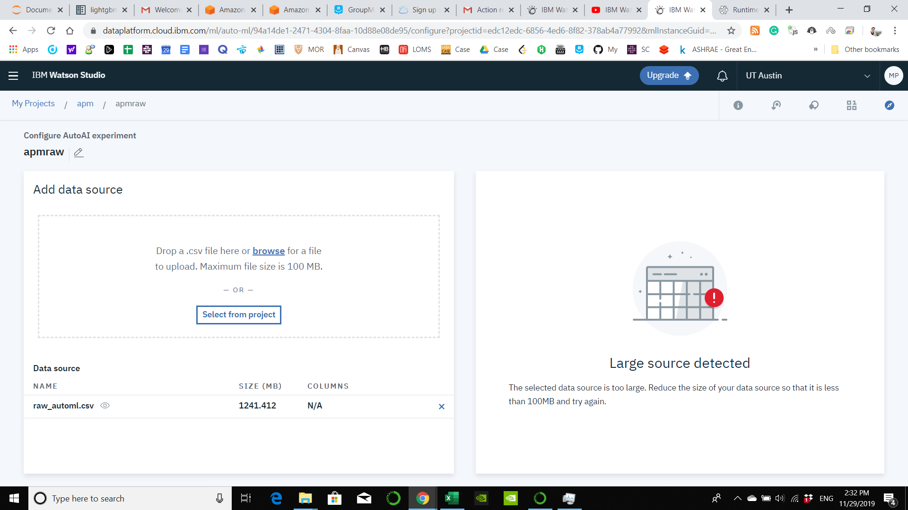
 |  |  |  | it will take care feature engineering process
 |  |  |  | you can choose classification, regression and time series forecasting
 |  |  |  | it looks like can deal with nan value |  |  |  |  |  |  | https://www.youtube.com/watch?v=TzLuAjhfSrE
See transactions |  |  |  | you can download your model |  |  |  |  |  |  | 19:30:00
19.32 | raw | 1 hour | 2019-11-22 |  |  |  |  |  |  |  | S3 create a bucket
77.28 | raw | 4hr | 2019-11-24 | storage | virtual machine |  |  |  |  |  | Upload
 |  |  |  | 0.13 | 1.52 | raw | 1 hour | 2019-11-22 |  |  | Create data source
 |  |  |  | 0.69 | 7.98 | raw | 4 hour | 2019-11-23 | failed? |  | AmazonML is no longer available to new customers. Please consider using Amazon SageMaker.
Remember to screen shot the training metrix |  |  |  | 0.58 | 7.97 | raw | 4 hour | 2019-11-24
 |  |  |  | 0.51 | 7.3 |  |  | 2019-11-25 | didn't do anything

 |  |  |  | https://portal.azure.com/#home

