Excel Regression
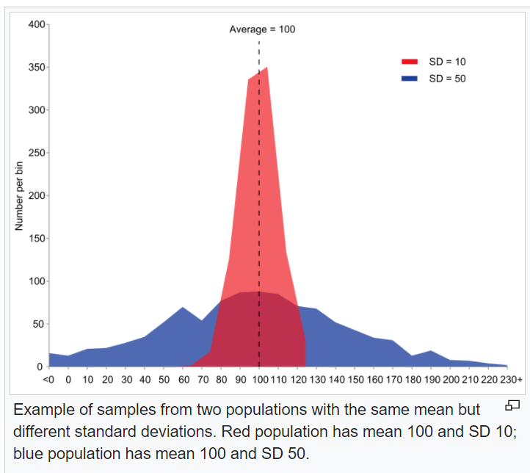
X | Y | AVG X | AVG Y | N
1 | 1.4 | 10.454545455 | 8.2545454545 | 11
2 | 2.7
5 | 3.5
7 | 6.7 | X-AVG(X) | Y-AVG(Y) | (X-AVG(X))^2 | (Y-AVG(Y))^2 | XY
9 | 9.2 | -9.4545454545 | -6.8545454545 | 89.388429752 | 46.984793388 | 1.4
11 | 10.7 | -8.4545454545 | -5.5545454545 | 71.479338843 | 30.852975207 | 5.4
13 | 10.9 | -5.4545454545 | -4.7545454545 | 29.752066116 | 22.605702479 | 17.5
14 | 9.8 | -3.4545454545 | -1.5545454545 | 11.933884298 | 2.4166115702 | 46.9
15 | 11.5 | -1.4545454545 | 0.94545454545 | 2.1157024793 | 0.89388429752 | 82.8
18 | 12.4 | 0.54545454545 | 2.4454545455 | 0.29752066116 | 5.9802479339 | 117.7
20 | 12 | 2.5454545455 | 2.6454545455 | 6.479338843 | 6.9984297521 | 141.7
 |  | 3.5454545455 | 1.5454545455 | 12.570247934 | 2.3884297521 | 137.2
 |  | 4.5454545455 | 3.2454545455 | 20.661157025 | 10.532975207 | 172.5
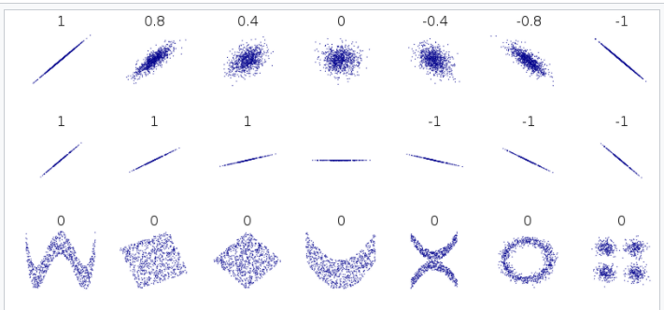
 |  | 7.5454545455 | 4.1454545455 | 56.933884298 | 17.184793388 | 223.2
 |  | 9.5454545455 | 3.7454545455 | 91.115702479 | 14.028429752 | 240
 |  |  |  | 392.72727273 | 160.86727273 | 1186.3

 |  | STDEV(X) | 6.2667956144 | 5.9751551728
 |  | STDEV(Y) | 4.0108262581 | 3.8241727891
 |  | CORR | 0.94301573451

 |  | CorrNum | 21.547933884 |  | SLOPE | 0.60354166667 |  | CalcSlope | 0.60354166667
 |  | CorrDen | 22.850025822 |  | INTERCEPT | 1.9447916667 |  | CalcIntercept | AVG(Y) = SLOPE*AVG(X)+INTERCEPT
 |  | CalculatedCorr | 0.94301573451 |  | LINEST | 0.60354166667 | 1.9447916667 |  | 1.9447916667
 |  | RSQ | 0.88927867553

 |  |  |  |  |  |  |  | To graph:
 |  |  |  |  |  |  |  | Start with a point we know - the avg(X) and avg(Y) and choose a new X and plug in to get the new Y. Keep filling in more Xs and Ys. We are graphing our best guess for Y (the expected Y) for every X.

Concept
$$Ax=b$$
$$A^{T}A\hat{x}=A^{T}b$$
$$x={\left(A^{T}A\right)}^{−1}A^{T}b$$

A |  | b
1 | 4 | 2.5
1 | 5 | 3
1 | 3 | 5
1 | 2 | 1.9

(A^T)*A |  | m= ((A^T)*A)^-1
4 | 14 | 2.7 | -0.7
14 | 54 | -0.7 | 0.2

m*(A^T)*b
2.82
0.08
 |  |  |  | THE BEST SOLUTION
 |  | b |  | Ax(hat)
 |  | 2.5 |  | 3.14
 |  | 3 |  | 3.22
 |  | 5 |  | 3.06
 |  | 1.9 |  | 2.98

 |  | r |  | RMSE
 |  | -0.64 |  | 1.1606032914
 |  | -0.22
 |  | 1.94
 |  | -1.08

Other Models
$$y=c_{1}+c_{2}\cos{2πt+c_{3}\sin{2πt}}$$

time | temp | plug in time = t |  |  | A |  |  | b
0.000 | -2.2 | 1 | cos(0) | sin(0) | 1 | 1 | 0 | -2.2
0.125 | -2.8 | 1 | cos(pi/4) | sin(pi/4) | 1 | 0.70710678119 | 0.70710678119 | -2.8
0.250 | -6.1 | 1 | cos(pi/2) | sin(pi/2) | 1 | 0 | 1 | -6.1
0.375 | -3.9 | 1 | cos(3*pi/4) | sin(3*pi/4) | 1 | -0.70710678119 | 0.70710678119 | -3.9
0.500 | 0 | etc |  |  | 1 | -1 | 0 | 0
0.625 | 1.1 |  |  |  | 1 | -0.70710678119 | -0.70710678119 | 1.1
0.750 | -0.6 |  |  |  | 1 | 0 | -1 | -0.6
0.875 | -1.1 |  |  |  | 1 | 0.70710678119 | -0.70710678119 | -1.1

$$y=C_{1}+C_{2}\cos{2}πt+C_{3}\sin{2πt}+C_{4}\cos{4πt}$$
 |  |  |  |  | (A^T)A |  |  | (A^T)b
 |  |  |  |  | 8 | 0 | 0 | -15.60
 |  |  |  |  | 0 | 4 | 0 | -2.98
 |  |  |  |  | 0 | 0 | 4 | -10.24

$$y=C_{1}ⅇ^{C_{2}t}$$

$$\ln{y}=\ln\left(C_{1}ⅇ^{C_{2}t}\right)=\ln{C_{1}}+C_{2}t$$
$$k=\ln{c_{1}}$$

$$\ln{y}=k+C_{2}t$$
 |  | type | year | transistors | A |  | b
 |  | a | 1 | 2500 | 1 | 1 | 7.8240460109
 |  | b | 2 | 2850 | 1 | 2 | 7.9550742733
 |  | c | 4 | 5200 | 1 | 4 | 8.5564139046
 |  | d | 8 | 29000 | 1 | 8 | 10.275051109
 |  | e | 10 | 11000 | 1 | 10 | 9.3056505518
 |  | f | 14 | 285000 | 1 | 14 | 12.560244459
 |  | g | 16 | 1180000 | 1 | 16 | 13.981024996

 |  |  |  |  | k | 7.0291622021
 |  |  |  |  | c2 | 0.3864249071

 |  |  |  |  | therefore c1 = e^k
 |  |  |  |  | 1129.0842694
$$y=1129.084ⅇ^{0.386t}$$

