Investigation
Australia Blast furnace gas investigation
 | Blast furnace gas produced by … | Consumption in …
Year range | Blast furnaces | Iron and steel | Mon-metallic minerals | Coke ovens | Autoproducer electricity plants | Main activity producer electricity plants | Blast furnaces
 | V | Y | Y | U_EIOU | U_EIOU | U_EIOU | U_EIOU
1960–1973 | x | x
1974–1985 | x | x |  | x
 | Iron and steel | Mon-metallic minerals | Coke ovens | Autoproducer electricity plants | Main activity producer electricity plants | Blast furnaces
2003 | 17722.0001 | 9.0016 | 10093.0015 | 4108.0002 |  | 9133.9982
2004 | 18077.9995 | 8.001 | 10827.9985 | 3879.9997 |  | 9089.9992
2005 | 14378.9994 | 4.999 | 8225.9986 | 3897.9987 |  | 8970.0013
2006 | 13149.0013 | 5.9997 | 10250.9988 | 4642.9979 |  | 9780.0005
2007 | 13225.0001 | 5.9997 | 10254.0007 | 4303.0004 |  | 9663.0004
2008 | 14215.9989 | 5.9997 | 10295.9985 | 952.9994 |  | 9709.0008
2009 | 9742.0012 | 5.9997 | 8355.9987 | 3185.9999 |  | 6947.9988
2010 |  |  |  | 3442.0018 |  | 28808.0017
2011 |  |  |  | 3060.9988 |  | 28886.9983
2012 |  |  |  | 2883.0012 |  | 18139.0012
2013 |  |  |  |  |  | 18874.9987
2014 |  |  |  |  |  | 17182.9998
2015 |  |  |  |  |  | 16763.001
2016 |  |  |  |  |  | 18135.9992
2017 |  |  |  |  |  | 19166.9987
2018 |  |  |  |  |  | 17435.9998
2019 |  |  |  |  |  | 16712.998
2020 |  |  |  |  |  | 16466.9984
1986–2001 | x | x |  | x | x
2002 | x | x |  | x | x | x
2003–2009 | x | x | x | x | x |  | x
2010–2012 | x | Problem: Iron and steel gone! |  |  | x |  | x
2013–2020 | x | This is the reason we find singular matrices! |  |  |  |  | x

 | V | Y | Y | U_EIOU | U_EIOU | U_EIOU | U_EIOU
Year | Blast furnaces | Iron and steel | Mon-metallic minerals | Coke ovens | Autoproducer electricity plants | Main activity producer electricity plants | Blast furnaces | Iron & steel (Y) / Blast furnaces (V)
2003 | 33111.9986 | 17722.0001 | 9.0016 | 10093.0015 | 4108.0002 |  | 9133.9982 | 0.53521384541
2004 | 33787.9994 | 18077.9995 | 8.001 | 10827.9985 | 3879.9997 |  | 9089.9992 | 0.53504202146
2005 | 32743.9998 | 14378.9994 | 4.999 | 8225.9986 | 3897.9987 |  | 8970.0013 | 0.43913387148
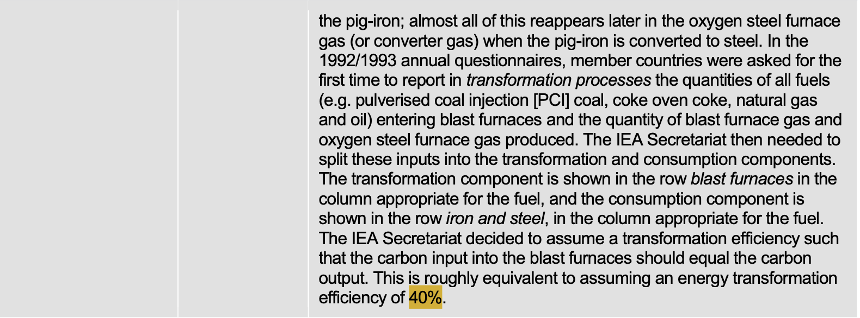
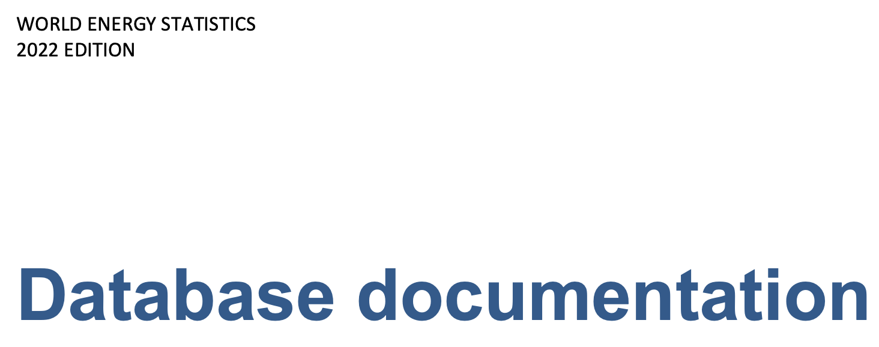
2006 | 33846.9997 | 13149.0013 | 5.9997 | 10250.9988 | 4642.9979 |  | 9780.0005 | 0.38848351158 | <-- Note this is close to the 40% efficiency suggested by the IEA (below).
2007 | 34267.9992 | 13225.0001 | 5.9997 | 10254.0007 | 4303.0004 |  | 9663.0004 | 0.38592857502
2008 | 35620.0007 | 14215.9989 | 5.9997 | 10295.9985 | 952.9994 |  | 9709.0008 | 0.39910158957
2009 | 25032.9986 | 9742.0012 | 5.9997 | 8355.9987 | 3185.9999 |  | 6947.9988 | 0.38916637018 | Iron and steel | Blast furnaces
2010 | 31257.9998 |  |  |  | 3442.0018 |  | 28808.0017 |  | 11523.20068 | 17284.80102 | <-- So for here, assume a 40% efficiency
2011 | 31948.0012 |  |  |  | 3060.9988 |  | 28886.9983 |  | 11554.79932 | 17332.19898
2012 | 21021.9982 |  |  |  | 2883.0012 |  | 18139.0012 |  | 7255.60048 | 10883.40072
2013 | 18874.9987 |  |  |  |  |  | 18874.9987 |  | 7549.99948 | 11324.99922
2014 | 17182.9998 |  |  |  |  |  | 17182.9998 |  | 6873.19992 | 10309.79988
2015 | 16763.001 |  |  |  |  |  | 16763.001 |  | 6705.2004 | 10057.8006
2016 | 18135.9992 |  |  |  |  |  | 18135.9992 |  | 7254.39968 | 10881.59952
2017 | 19166.9987 |  |  |  |  |  | 19166.9987 |  | 7666.79948 | 11500.19922
2018 | 17435.9998 |  |  |  |  |  | 17435.9998 |  | 6974.39992 | 10461.59988
2019 | 16712.998 |  |  |  |  |  | 16712.998 |  | 6685.1992 | 10027.7988
2020 | 16466.9984 |  |  |  |  |  | 16466.9984 |  | 6586.79936 | 9880.19904

 | Iron and steel | Mon-metallic minerals | Coke ovens | Autoproducer electricity plants | Main activity producer electricity plants | Blast furnaces
2003 | 17722.0001 | 9.0016 | 10093.0015 | 4108.0002 |  | 9133.9982
2004 | 18077.9995 | 8.001 | 10827.9985 | 3879.9997 |  | 9089.9992
2005 | 14378.9994 | 4.999 | 8225.9986 | 3897.9987 |  | 8970.0013
2006 | 13149.0013 | 5.9997 | 10250.9988 | 4642.9979 |  | 9780.0005
2007 | 13225.0001 | 5.9997 | 10254.0007 | 4303.0004 |  | 9663.0004
2008 | 14215.9989 | 5.9997 | 10295.9985 | 952.9994 |  | 9709.0008
2009 | 9742.0012 | 5.9997 | 8355.9987 | 3185.9999 |  | 6947.9988
2010 | 11523.20068 |  |  | 3442.0018 |  | 17284.80102
2011 | 11554.79932 |  |  | 3060.9988 |  | 17332.19898
2012 | 7255.60048 |  |  | 2883.0012 |  | 10883.40072
2013 | 7549.99948 |  |  |  |  | 11324.99922
2014 | 6873.19992 |  |  |  |  | 10309.79988
2015 | 6705.2004 |  |  |  |  | 10057.8006
2016 | 7254.39968 |  |  |  |  | 10881.59952
2017 | 7666.79948 |  |  |  |  | 11500.19922
2018 | 6974.39992 |  |  |  |  | 10461.59988
2019 | 6685.1992 |  |  |  |  | 10027.7988
2020 | 6586.79936 |  |  |  |  | 9880.19904
 | V | Y | Y | U_EIOU | U_EIOU | U_EIOU | U_EIOU
Year | Blast furnaces | Iron and steel | Mon-metallic minerals | Coke ovens | Autoproducer electricity plants | Main activity producer electricity plants | Blast furnaces
2003 | 33111.9986 | 17722.0001 | 9.0016 | 10093.0015 | 4108.0002 |  | 9133.9982
2004 | 33787.9994 | 18077.9995 | 8.001 | 10827.9985 | 3879.9997 |  | 9089.9992
2005 | 32743.9998 | 14378.9994 | 4.999 | 8225.9986 | 3897.9987 |  | 8970.0013
2006 | 33846.9997 | 13149.0013 | 5.9997 | 10250.9988 | 4642.9979 |  | 9780.0005
2007 | 34267.9992 | 13225.0001 | 5.9997 | 10254.0007 | 4303.0004 |  | 9663.0004
2008 | 35620.0007 | 14215.9989 | 5.9997 | 10295.9985 | 952.9994 |  | 9709.0008
2009 | 25032.9986 | 9742.0012 | 5.9997 | 8355.9987 | 3185.9999 |  | 6947.9988
2010 | 31257.9998 | 11523.20068 |  |  | 3442.0018 |  | 17284.80102
2011 | 31948.0012 | 11554.79932 |  |  | 3060.9988 |  | 17332.19898
2012 | 21021.9982 | 7255.60048 |  |  | 2883.0012 |  | 10883.40072
2013 | 18874.9987 | 7549.99948 |  |  |  |  | 11324.99922
2014 | 17182.9998 | 6873.19992 |  |  |  |  | 10309.79988
2015 | 16763.001 | 6705.2004 |  |  |  |  | 10057.8006
2016 | 18135.9992 | 7254.39968 |  |  |  |  | 10881.59952
2017 | 19166.9987 | 7666.79948 |  |  |  |  | 11500.19922
2018 | 17435.9998 | 6974.39992 |  |  |  |  | 10461.59988
2019 | 16712.998 | 6685.1992 |  |  |  |  | 10027.7988
2020 | 16466.9984 | 6586.79936 |  |  |  |  | 9880.19904

