Meta
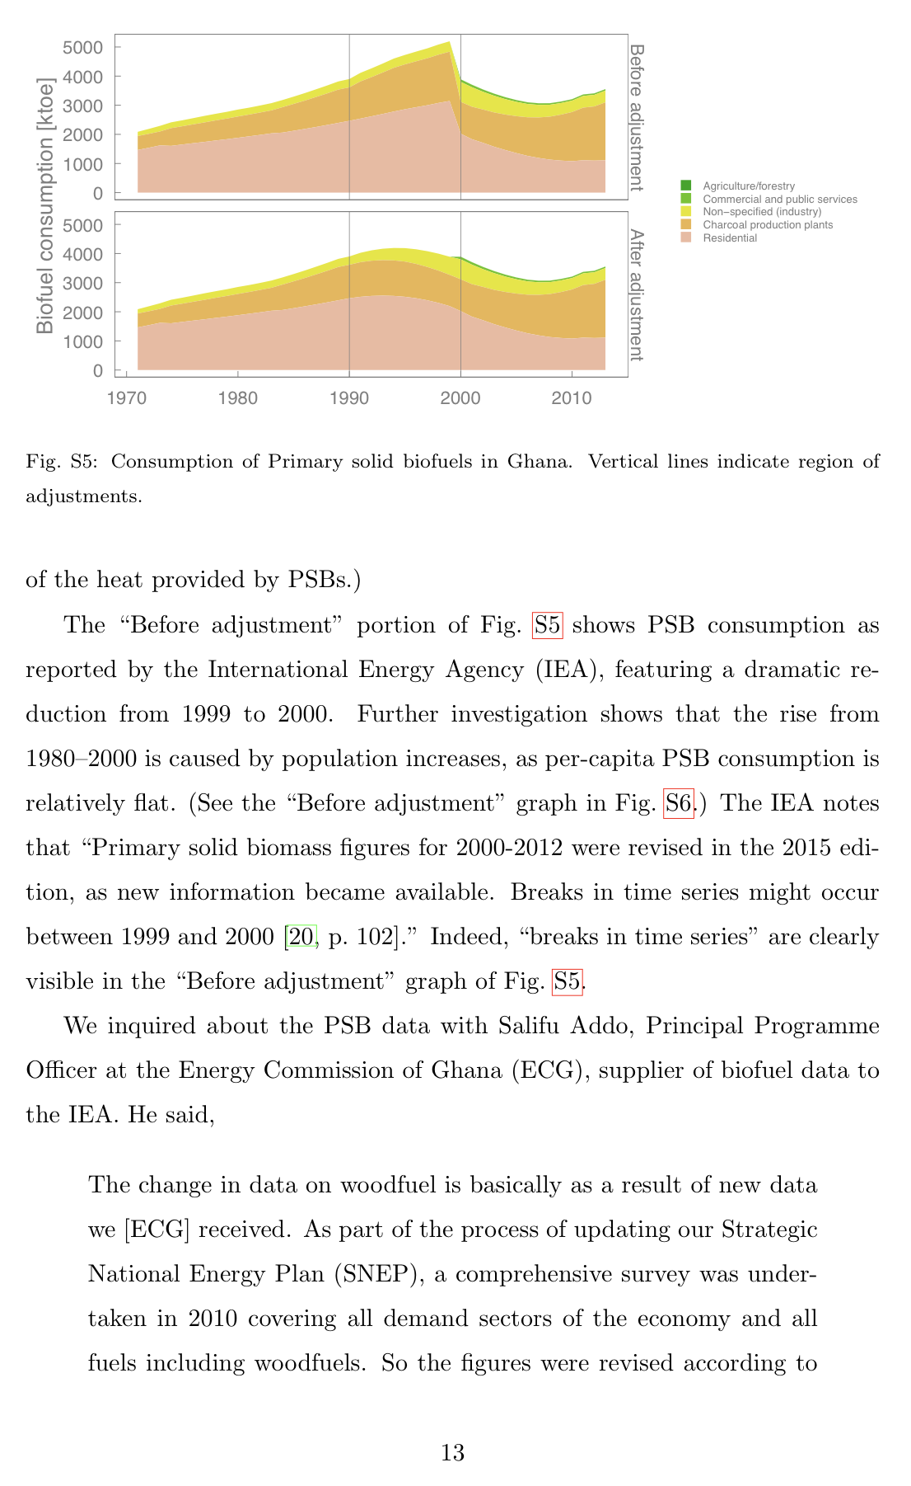
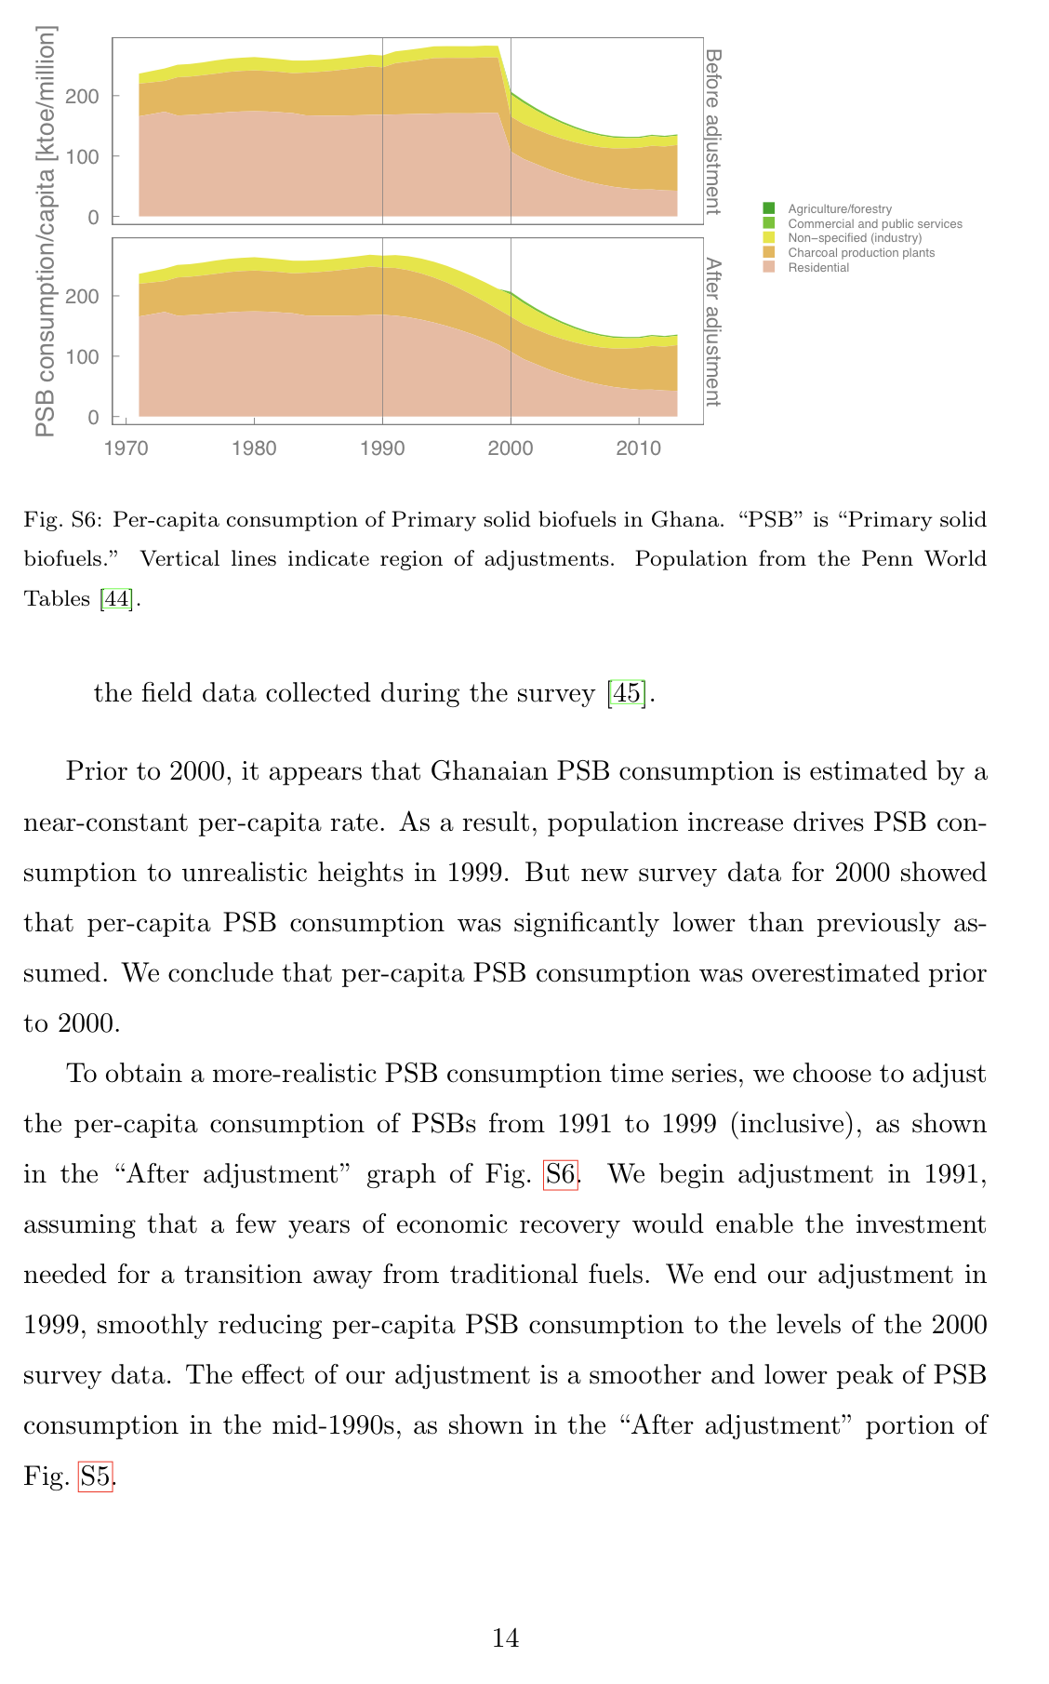
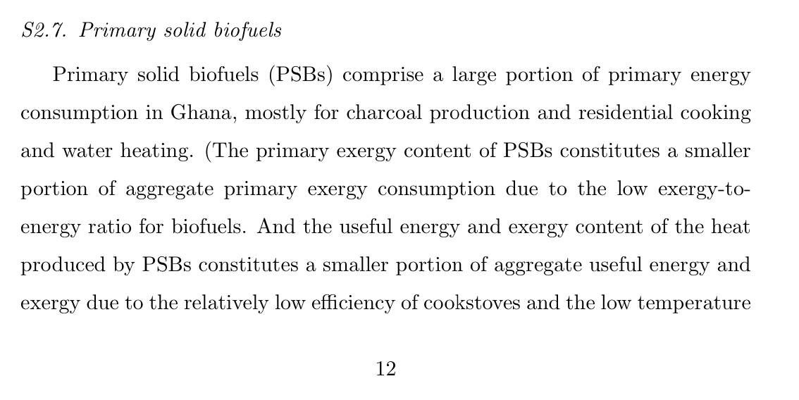
This workbook provides corrections to Ghana's Promary solid biofuel data.

The PSB tab shows how corrections are made.
The FixedGHPSB tab shows the changed years. FixedGHPSB is read by the IEATools package in the function fix_GHA_psb()
The original calculations were made in ktoe as shown in FixedGHPSB ktoe original
We're now using TJ units throughout IEATools. So FixedGHPSB converts to TJ by multiplying all values by 41.868 TJ/ktoe. See https://www.iea.org/data-and-statistics/data-tools/unit-converter for unit conversions.

ktoe_to_TJ | 41.868

From Supplemental information to M. K. Heun and P. E. Brockway. Meeting 2030 primary energy and economic growth goals: Mission impossible? Applied Energy, 251(112697):1–24, May 2019.

PSB
Original
 | 1971 | 1972 | 1973 | 1974 | 1975 | 1976 | 1977 | 1978 | 1979 | 1980 | 1981 | 1982 | 1983 | 1984 | 1985 | 1986 | 1987 | 1988 | 1989 | 1990 | 1991 | 1992 | 1993 | 1994 | 1995 | 1996 | 1997 | 1998 | 1999 | 2000 | 2001 | 2002 | 2003 | 2004 | 2005 | 2006 | 2007 | 2008 | 2009 | 2010 | 2011 | 2012 | 2013
Production | 2087 | 2187 | 2292 | 2412 | 2484 | 2558 | 2635 | 2706 | 2774 | 2851 | 2918 | 2992 | 3071 | 3178 | 3295 | 3417 | 3546 | 3678 | 3816 | 3900 | 4112 | 4267 | 4432 | 4604 | 4728 | 4842 | 4953 | 5084 | 5196 | 3890 | 3704 | 3540 | 3397 | 3276 | 3177 | 3101 | 3067 | 3069 | 3126 | 3206 | 3370 | 3408 | 3553
Charcoal production plants | 478 | 478 | 478 | 609 | 626 | 647 | 669 | 690 | 709 | 731 | 747 | 769 | 788 | 872 | 922 | 972 | 1029 | 1084 | 1144 | 1149 | 1278 | 1347 | 1423 | 1502 | 1540 | 1577 | 1614 | 1656 | 1693 | 1094 | 1116 | 1144 | 1178 | 1219 | 1268 | 1325 | 1391 | 1474 | 1577 | 1687 | 1805 | 1859 | 1989
Residential | 1464 | 1540 | 1621 | 1605 | 1652 | 1698 | 1741 | 1789 | 1834 | 1882 | 1932 | 1982 | 2035 | 2061 | 2123 | 2187 | 2252 | 2321 | 2393 | 2464 | 2541 | 2620 | 2701 | 2784 | 2863 | 2932 | 2999 | 3079 | 3146 | 2022 | 1833 | 1709 | 1574 | 1461 | 1356 | 1261 | 1190 | 1133 | 1100 | 1079 | 1112 | 1100 | 1111
Agriculture/forestry | 0 | 0 | 0 | 0 | 0 | 0 | 0 | 0 | 0 | 0 | 0 | 0 | 0 | 0 | 0 | 0 | 0 | 0 | 0 | 0 | 0 | 0 | 0 | 0 | 0 | 0 | 0 | 0 | 0 | 3 | 3 | 2 | 2 | 2 | 2 | 2 | 2 | 2 | 2 | 2 | 2 | 2 | 2
Industry not elsewhere specified | 146 | 170 | 193 | 199 | 205 | 213 | 225 | 227 | 231 | 239 | 238 | 241 | 249 | 246 | 251 | 258 | 265 | 272 | 279 | 287 | 294 | 301 | 308 | 318 | 325 | 333 | 340 | 349 | 357 | 685 | 670 | 609 | 573 | 529 | 491 | 457 | 431 | 410 | 398 | 391 | 402 | 398 | 402
Commercial and public services | 0 | 0 | 0 | 0 | 0 | 0 | 0 | 0 | 0 | 0 | 0 | 0 | 0 | 0 | 0 | 0 | 0 | 0 | 0 | 0 | 0 | 0 | 0 | 0 | 0 | 0 | 0 | 0 | 0 | 87 | 83 | 77 | 71 | 66 | 61 | 57 | 54 | 51 | 50 | 49 | 50 | 50 | 50

Stat diff | -1 | -1 | 0 | -1 | 1 | 0 | 0 | 0 | 0 | -1 | 1 | 0 | -1 | -1 | -1 | 0 | 0 | 1 | 0 | 0 | -1 | -1 | 0 | 0 | 0 | 0 | 0 | 0 | 0 | -1 | -1 | -1 | -1 | -1 | -1 | -1 | -1 | -1 | -1 | -2 | -1 | -1 | -1

Fixed
 | 1971 | 1972 | 1973 | 1974 | 1975 | 1976 | 1977 | 1978 | 1979 | 1980 | 1981 | 1982 | 1983 | 1984 | 1985 | 1986 | 1987 | 1988 | 1989 | 1990 | 1991 | 1992 | 1993 | 1994 | 1995 | 1996 | 1997 | 1998 | 1999 | 2000 | 2001 | 2002 | 2003 | 2004 | 2005 | 2006 | 2007 | 2008 | 2009 | 2010 | 2011 | 2012 | 2013
Production | 2088 | 2188 | 2292 | 2413 | 2483 | 2558 | 2635 | 2706 | 2774 | 2852 | 2917 | 2992 | 3072 | 3179 | 3296 | 3417 | 3546 | 3677 | 3816 | 3900 | 4025 | 4110 | 4165 | 4190 | 4185 | 4145 | 4080 | 3995 | 3890 | 3891 | 3705 | 3541 | 3398 | 3277 | 3178 | 3102 | 3068 | 3070 | 3127 | 3208 | 3371 | 3409 | 3554
Charcoal production plants | 478 | 478 | 478 | 609 | 626 | 647 | 669 | 690 | 709 | 731 | 747 | 769 | 788 | 872 | 922 | 972 | 1029 | 1084 | 1144 | 1149 | 1189 | 1209 | 1219 | 1219 | 1209 | 1179 | 1144 | 1109 | 1074 | 1094 | 1116 | 1144 | 1178 | 1219 | 1268 | 1325 | 1391 | 1474 | 1577 | 1687 | 1805 | 1859 | 1989
Residential | 1464 | 1540 | 1621 | 1605 | 1652 | 1698 | 1741 | 1789 | 1834 | 1882 | 1932 | 1982 | 2035 | 2061 | 2123 | 2187 | 2252 | 2321 | 2393 | 2464 | 2514 | 2544 | 2554 | 2544 | 2514 | 2464 | 2394 | 2304 | 2194 | 2022 | 1833 | 1709 | 1574 | 1461 | 1356 | 1261 | 1190 | 1133 | 1100 | 1079 | 1112 | 1100 | 1111
Agriculture/forestry | 0 | 0 | 0 | 0 | 0 | 0 | 0 | 0 | 0 | 0 | 0 | 0 | 0 | 0 | 0 | 0 | 0 | 0 | 0 | 0 | 0 | 0 | 0 | 0 | 0 | 0 | 0 | 0 | 0 | 3 | 3 | 2 | 2 | 2 | 2 | 2 | 2 | 2 | 2 | 2 | 2 | 2 | 2
Industry not elsewhere specified | 146 | 170 | 193 | 199 | 205 | 213 | 225 | 227 | 231 | 239 | 238 | 241 | 249 | 246 | 251 | 258 | 265 | 272 | 279 | 287 | 322 | 357 | 392 | 427 | 462 | 502 | 542 | 582 | 622 | 685 | 670 | 609 | 573 | 529 | 491 | 457 | 431 | 410 | 398 | 391 | 402 | 398 | 402
Commercial and public services | 0 | 0 | 0 | 0 | 0 | 0 | 0 | 0 | 0 | 0 | 0 | 0 | 0 | 0 | 0 | 0 | 0 | 0 | 0 | 0 | 0 | 0 | 0 | 0 | 0 | 0 | 0 | 0 | 0 | 87 | 83 | 77 | 71 | 66 | 61 | 57 | 54 | 51 | 50 | 49 | 50 | 50 | 50

Stat diff | 0 | 0 | 0 | 0 | 0 | 0 | 0 | 0 | 0 | 0 | 0 | 0 | 0 | 0 | 0 | 0 | 0 | 0 | 0 | 0 | 0 | 0 | 0 | 0 | 0 | 0 | 0 | 0 | 0 | 0 | 0 | 0 | 0 | 0 | 0 | 0 | 0 | 0 | 0 | 0 | 0 | 0 | 0

deltaProd | 1 | 1 | 0 | 1 | -1 | 0 | 0 | 0 | 0 | 1 | -1 | 0 | 1 | 1 | 1 | 0 | 0 | -1 | 0 | 0 | -87 | -157 | -267 | -414 | -543 | -697 | -873 | -1089 | -1306 | 1 | 1 | 1 | 1 | 1 | 1 | 1 | 1 | 1 | 1 | 2 | 1 | 1 | 1
Original
Fixed

