UN Male age group pop future
Male population by five-year age group (thousands) |  |  |  |  |  |  |  |  |  |  |  |  |  |  |  |  |  |  | Source Information
 | Index | 1 | 2 | 3 | 4 | 5 | 6 | 7 | 8 | 9 | 10 | 11 | 12 | 13 | 14 | 15 | 16 | 17 | Web Source | https://population.un.org/wpp2019/Download/Probabilistic/Population/
 | Variant | Median PI | Median PI | Median PI | Median PI | Median PI | Median PI | Median PI | Median PI | Median PI | Median PI | Median PI | Median PI | Median PI | Median PI | Median PI | Median PI | Median PI | Date Accessed | 2021-07-15
 | Region, subregion, country or area * | WORLD | WORLD | WORLD | WORLD | WORLD | WORLD | WORLD | WORLD | WORLD | WORLD | WORLD | WORLD | WORLD | WORLD | WORLD | WORLD | WORLD | .bib Citation | @misc{UN-Population-Dynamics:2019,
 | Notes |  |  |  |  |  |  |  |  |  |  |  |  |  |  |  |  |  |  | author = {United Nations, Department of Economic and Social Affairs, Population Division},
Country code |  | 900 | 900 | 900 | 900 | 900 | 900 | 900 | 900 | 900 | 900 | 900 | 900 | 900 | 900 | 900 | 900 | 900 |  | title = {World Population Prospects 2019},
 | Type | World | World | World | World | World | World | World | World | World | World | World | World | World | World | World | World | World |  | year = {2019},
Parent code |  | 0 | 0 | 0 | 0 | 0 | 0 | 0 | 0 | 0 | 0 | 0 | 0 | 0 | 0 | 0 | 0 | 0 |  | Bdsk-Url-1 = {https://population.un.org/wpp2019/Download/Probabilistic/Population/}}
Reference date (as of 1 July) |  | 2020 | 2025 | 2030 | 2035 | 2040 | 2045 | 2050 | 2055 | 2060 | 2065 | 2070 | 2075 | 2080 | 2085 | 2090 | 2095 | 2100
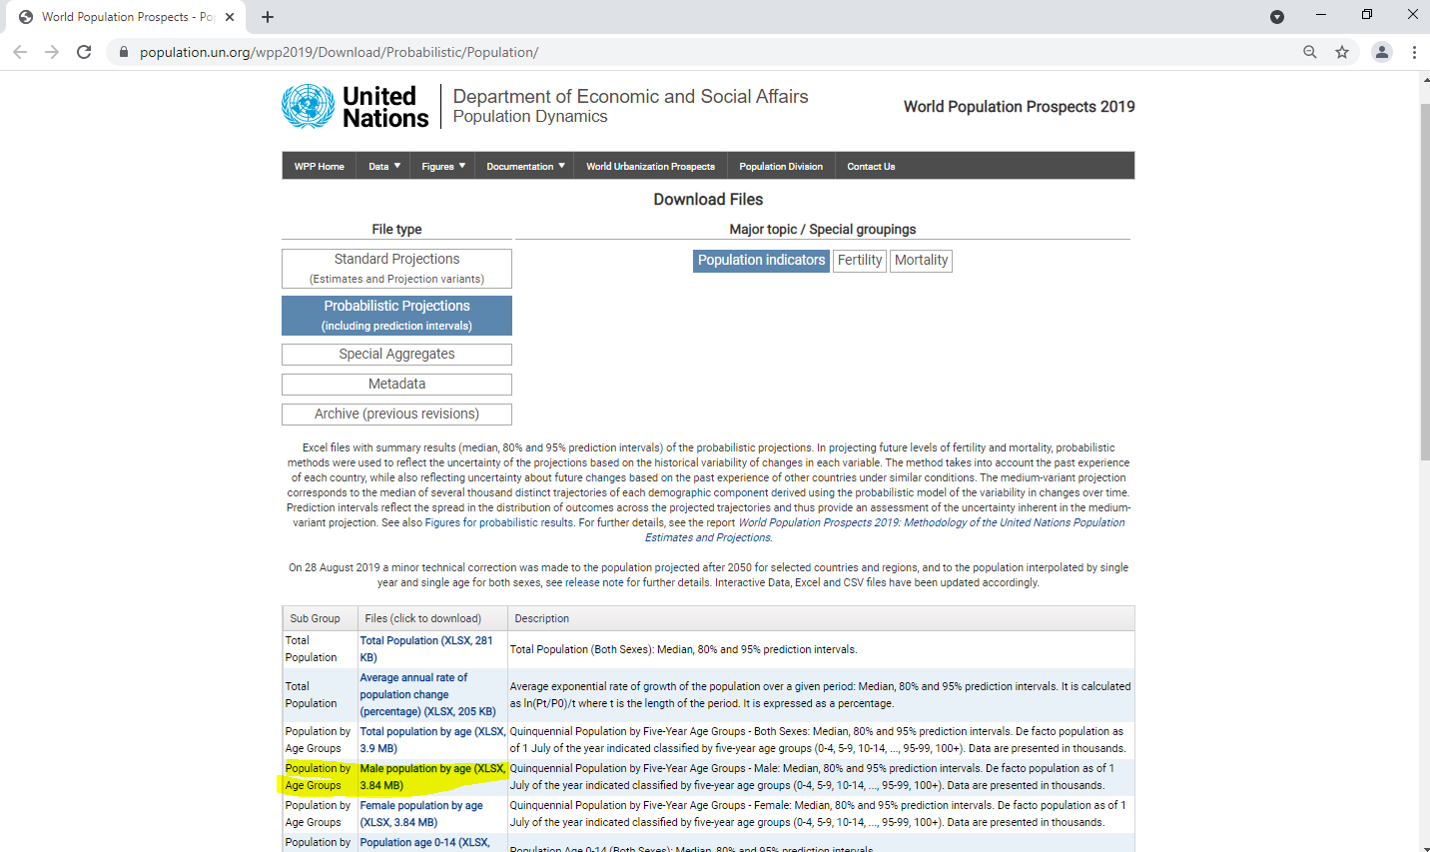
 | 0-4 | 349,433 | 348,334 | 347,874 | 349,152 | 351,164 | 352,934 | 353,202 | 352,059 | 349,737 | 347,341 | 344,612 | 341,814 | 338,634 | 334,457 | 329,656 | 324,409 | 319,081
 | 5-9 | 342,928 | 346,579 | 345,614 | 345,281 | 346,737 | 348,905 | 350,823 | 351,237 | 350,230 | 348,039 | 345,766 | 343,152 | 340,465 | 337,390 | 333,315 | 328,606 | 323,446
 | 10-14 | 331,498 | 341,355 | 345,205 | 344,258 | 344,012 | 345,532 | 347,763 | 349,743 | 350,219 | 349,270 | 347,137 | 344,918 | 342,358 | 339,721 | 336,694 | 332,665 | 328,002
 | 15-19 | 316,642 | 329,794 | 339,868 | 343,893 | 342,996 | 342,811 | 344,387 | 346,671 | 348,705 | 349,233 | 348,336 | 346,253 | 344,082 | 341,567 | 338,976 | 335,993 | 332,009
 | 20-24 | 308,287 | 314,640 | 328,017 | 338,261 | 342,289 | 341,395 | 341,229 | 342,876 | 345,228 | 347,329 | 347,927 | 347,098 | 345,084 | 342,979 | 340,530 | 338,003 | 335,085
 | 25-29 | 306,059 | 306,656 | 313,048 | 326,451 | 336,609 | 340,607 | 339,692 | 339,610 | 341,335 | 343,764 | 345,943 | 346,623 | 345,875 | 343,945 | 341,920 | 339,553 | 337,107
 | 30-34 | 309,237 | 303,752 | 304,341 | 310,771 | 324,162 | 334,359 | 338,399 | 337,585 | 337,594 | 339,403 | 341,919 | 344,186 | 344,959 | 344,305 | 342,470 | 340,540 | 338,267
 | 35-39 | 276,447 | 305,369 | 299,954 | 300,702 | 307,273 | 320,745 | 331,035 | 335,183 | 334,489 | 334,608 | 336,521 | 339,142 | 341,517 | 342,404 | 341,866 | 340,149 | 338,336
 | 40-44 | 249,390 | 271,779 | 300,480 | 295,251 | 296,206 | 302,920 | 316,458 | 326,817 | 331,094 | 330,542 | 330,795 | 332,836 | 335,588 | 338,096 | 339,125 | 338,732 | 337,166
 | 45-49 | 241,233 | 243,977 | 266,131 | 294,605 | 289,649 | 290,822 | 297,649 | 311,196 | 321,636 | 326,065 | 325,692 | 326,114 | 328,315 | 331,229 | 333,908 | 335,119 | 334,917
 | 50-54 | 222,610 | 234,233 | 236,995 | 258,801 | 287,043 | 282,393 | 283,795 | 290,690 | 304,235 | 314,763 | 319,384 | 319,243 | 319,884 | 322,290 | 325,417 | 328,320 | 329,776
 | 55-59 | 192,215 | 213,390 | 224,788 | 227,588 | 248,896 | 276,757 | 272,523 | 274,176 | 281,159 | 294,685 | 305,325 | 310,201 | 310,374 | 311,310 | 313,998 | 317,416 | 320,630
 | 60-64 | 157,180 | 180,050 | 200,722 | 211,899 | 214,780 | 235,439 | 262,723 | 259,028 | 261,015 | 268,090 | 281,564 | 292,329 | 297,527 | 298,116 | 299,455 | 302,519 | 306,335
 | 65-69 | 128,939 | 142,050 | 163,681 | 183,526 | 194,441 | 197,546 | 217,311 | 243,627 | 240,674 | 243,043 | 250,176 | 263,493 | 274,327 | 279,881 | 280,995 | 282,826 | 286,359
 | 70-74 | 87,186 | 110,065 | 122,230 | 142,067 | 160,499 | 171,029 | 174,486 | 192,920 | 217,695 | 215,694 | 218,467 | 225,579 | 238,543 | 249,339 | 255,275 | 257,022 | 259,467
 | 75-79 | 54,755 | 68,238 | 86,805 | 97,684 | 114,862 | 131,119 | 140,990 | 144,819 | 161,308 | 183,648 | 182,796 | 185,924 | 192,805 | 205,052 | 215,562 | 221,789 | 224,259
 | 80-84 | 33,649 | 37,551 | 47,776 | 61,424 | 70,307 | 83,961 | 97,171 | 105,762 | 109,628 | 123,298 | 142,037 | 142,246 | 145,451 | 151,704 | 162,633 | 172,316 | 178,541
 | 85-89 | 15,757 | 18,862 | 21,655 | 28,352 | 36,899 | 43,169 | 52,586 | 61,925 | 68,482 | 71,825 | 81,796 | 95,683 | 96,609 | 99,496 | 104,632 | 113,425 | 121,538
 | 90-94 | 5,328 | 6,557 | 8,087 | 9,630 | 13,031 | 17,245 | 20,761 | 25,920 | 31,195 | 35,237 | 37,577 | 43,510 | 51,875 | 53,060 | 55,268 | 58,825 | 64,788
 | 95-99 | 1,078 | 1,500 | 1,901 | 2,423 | 2,987 | 4,182 | 5,678 | 7,064 | 9,069 | 11,209 | 12,997 | 14,178 | 16,768 | 20,461 | 21,338 | 22,609 | 24,483
 | 100+ | 124 | 188 | 268 | 351 | 457 | 577 | 815 | 1,147 | 1,492 | 1,968 | 2,516 | 3,037 | 3,451 | 4,148 | 5,176 | 5,700 | 6,214

UN Female age group pop future
Female population by five-year age group (thousands) |  |  |  |  |  |  |  |  |  |  |  |  |  |  |  |  |  |  | Source Information
 | Index | 1 | 2 | 3 | 4 | 5 | 6 | 7 | 8 | 9 | 10 | 11 | 12 | 13 | 14 | 15 | 16 | 17 | Web Source | https://population.un.org/wpp2019/Download/Probabilistic/Population/
 | Variant | Median PI | Median PI | Median PI | Median PI | Median PI | Median PI | Median PI | Median PI | Median PI | Median PI | Median PI | Median PI | Median PI | Median PI | Median PI | Median PI | Median PI | Date Accessed | 2021-07-15
 | Region, subregion, country or area * | WORLD | WORLD | WORLD | WORLD | WORLD | WORLD | WORLD | WORLD | WORLD | WORLD | WORLD | WORLD | WORLD | WORLD | WORLD | WORLD | WORLD | .bib Citation | @misc{UN-Population-Dynamics:2019,
 | Notes |  |  |  |  |  |  |  |  |  |  |  |  |  |  |  |  |  |  | author = {United Nations, Department of Economic and Social Affairs, Population Division},
Country code |  | 900 | 900 | 900 | 900 | 900 | 900 | 900 | 900 | 900 | 900 | 900 | 900 | 900 | 900 | 900 | 900 | 900 |  | title = {World Population Prospects 2019},
 | Type | World | World | World | World | World | World | World | World | World | World | World | World | World | World | World | World | World |  | year = {2019},
Parent code |  | 0 | 0 | 0 | 0 | 0 | 0 | 0 | 0 | 0 | 0 | 0 | 0 | 0 | 0 | 0 | 0 | 0 |  | Bdsk-Url-1 = {https://population.un.org/wpp2019/Download/Probabilistic/Population/}}
Reference date (as of 1 July) |  | 2020 | 2025 | 2030 | 2035 | 2040 | 2045 | 2050 | 2055 | 2060 | 2065 | 2070 | 2075 | 2080 | 2085 | 2090 | 2095 | 2100
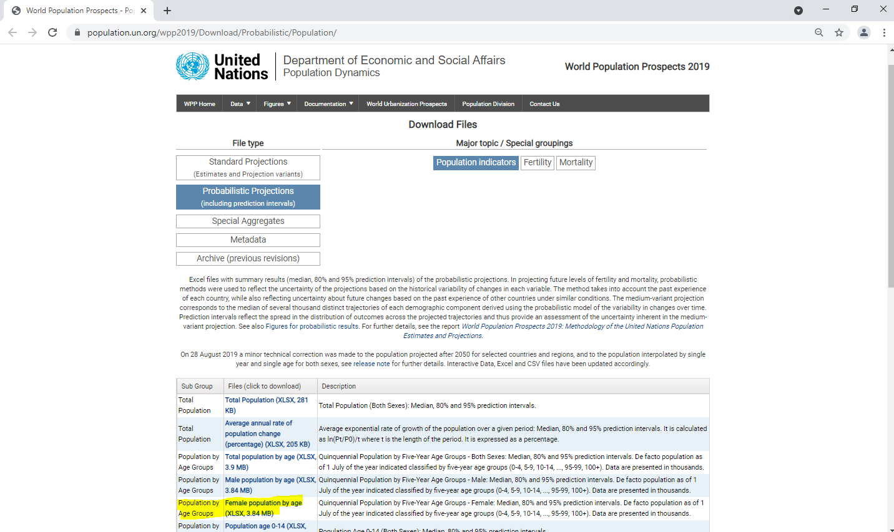
 | 0-4 | 328,509 | 328,585 | 329,569 | 332,060 | 334,481 | 336,597 | 336,974 | 335,973 | 333,828 | 331,595 | 329,027 | 326,367 | 323,319 | 319,308 | 314,698 | 309,658 | 304,536
 | 5-9 | 321,512 | 326,048 | 326,298 | 327,450 | 330,143 | 332,740 | 335,017 | 335,545 | 334,677 | 332,652 | 330,528 | 328,052 | 325,476 | 322,503 | 318,561 | 314,011 | 309,027
 | 10-14 | 309,770 | 320,152 | 324,903 | 325,198 | 326,445 | 329,212 | 331,879 | 334,224 | 334,813 | 334,002 | 332,031 | 329,953 | 327,520 | 324,981 | 322,043 | 318,134 | 313,614
 | 15-19 | 295,554 | 308,395 | 319,007 | 323,891 | 324,243 | 325,552 | 328,376 | 331,097 | 333,493 | 334,131 | 333,365 | 331,436 | 329,396 | 326,998 | 324,492 | 321,584 | 317,704
 | 20-24 | 289,101 | 293,914 | 306,985 | 317,763 | 322,712 | 323,133 | 324,504 | 327,391 | 330,175 | 332,630 | 333,327 | 332,615 | 330,738 | 328,746 | 326,393 | 323,931 | 321,065
 | 25-29 | 288,633 | 287,604 | 292,506 | 305,717 | 316,541 | 321,547 | 322,028 | 323,463 | 326,411 | 329,257 | 331,774 | 332,533 | 331,880 | 330,061 | 328,125 | 325,826 | 323,415
 | 30-34 | 296,294 | 287,064 | 286,057 | 291,048 | 304,285 | 315,142 | 320,204 | 320,754 | 322,252 | 325,260 | 328,169 | 330,750 | 331,576 | 330,987 | 329,233 | 327,360 | 325,123
 | 35-39 | 268,372 | 294,189 | 285,015 | 284,093 | 289,133 | 302,387 | 313,286 | 318,417 | 319,041 | 320,606 | 323,682 | 326,660 | 329,314 | 330,216 | 329,704 | 328,028 | 326,230
 | 40-44 | 244,399 | 265,692 | 291,421 | 282,379 | 281,548 | 286,636 | 299,907 | 310,843 | 316,046 | 316,751 | 318,393 | 321,544 | 324,603 | 327,339 | 328,332 | 327,912 | 326,331
 | 45-49 | 238,133 | 241,193 | 262,345 | 287,983 | 279,100 | 278,366 | 283,501 | 296,767 | 307,738 | 313,022 | 313,823 | 315,555 | 318,794 | 321,947 | 324,785 | 325,888 | 325,582
 | 50-54 | 223,163 | 233,824 | 236,909 | 257,875 | 283,392 | 274,712 | 274,099 | 279,286 | 292,548 | 303,572 | 308,964 | 309,897 | 311,753 | 315,112 | 318,396 | 321,372 | 322,626
 | 55-59 | 195,634 | 217,306 | 227,925 | 231,033 | 251,746 | 277,061 | 268,664 | 268,218 | 273,483 | 286,738 | 297,841 | 303,384 | 304,504 | 306,531 | 310,061 | 313,529 | 316,701
 | 60-64 | 164,961 | 187,708 | 209,026 | 219,576 | 222,746 | 243,080 | 268,065 | 260,095 | 259,894 | 265,268 | 278,509 | 289,711 | 295,463 | 296,845 | 299,122 | 302,892 | 306,622
 | 65-69 | 140,704 | 154,435 | 176,357 | 197,079 | 207,488 | 210,753 | 230,489 | 254,900 | 247,566 | 247,693 | 253,189 | 266,358 | 277,657 | 283,663 | 285,405 | 288,012 | 292,105
 | 70-74 | 101,491 | 126,641 | 139,651 | 160,306 | 179,964 | 190,098 | 193,488 | 212,243 | 235,635 | 229,218 | 229,754 | 235,337 | 248,293 | 259,602 | 265,890 | 268,083 | 271,104
 | 75-79 | 69,027 | 85,774 | 107,622 | 119,553 | 138,203 | 156,110 | 165,721 | 169,203 | 186,375 | 208,036 | 202,888 | 203,903 | 209,481 | 221,913 | 233,026 | 239,545 | 242,263
 | 80-84 | 48,281 | 52,388 | 66,046 | 83,473 | 93,663 | 109,335 | 124,555 | 133,170 | 136,590 | 151,310 | 170,156 | 166,626 | 168,139 | 173,466 | 184,863 | 195,336 | 201,886
 | 85-89 | 26,429 | 30,832 | 34,154 | 43,960 | 55,985 | 63,695 | 75,349 | 86,815 | 93,811 | 96,903 | 108,207 | 122,916 | 121,219 | 123,098 | 127,838 | 137,450 | 146,602
 | 90-94 | 11,352 | 13,178 | 15,650 | 17,853 | 23,556 | 30,295 | 35,091 | 42,243 | 49,427 | 54,243 | 56,617 | 63,931 | 73,643 | 73,468 | 75,400 | 79,098 | 86,166
 | 95-99 | 3,056 | 3,927 | 4,700 | 5,724 | 6,750 | 9,160 | 11,982 | 14,188 | 17,487 | 20,932 | 23,498 | 24,920 | 28,622 | 33,631 | 34,160 | 35,673 | 38,010
 | 100+ | 449 | 670 | 905 | 1,141 | 1,427 | 1,744 | 2,379 | 3,210 | 3,962 | 5,004 | 6,214 | 7,282 | 8,024 | 9,301 | 11,158 | 12,001 | 12,879

UN Female age group population
Female population by five-year age group (thousands) |  |  |  |  |  |  |  |  |  |  |  |  |  |  |  | Source Information
Index | 1 | 2 | 3 | 4 | 5 | 6 | 7 | 8 | 9 | 10 | 11 | 12 | 13 | 14 | 15 | Web Source | https://population.un.org/wpp2019/Download/Standard/Population/
Variant | Estimates | Estimates | Estimates | Estimates | Estimates | Estimates | Estimates | Estimates | Estimates | Estimates | Estimates | Estimates | Estimates | Estimates | Estimates | Date Accessed | 2021-07-14
Region, subregion, country or area * | WORLD | WORLD | WORLD | WORLD | WORLD | WORLD | WORLD | WORLD | WORLD | WORLD | WORLD | WORLD | WORLD | WORLD | WORLD | .bib Citation | @misc{UN-Population-Dynamics:2019,
Notes |  |  |  |  |  |  |  |  |  |  |  |  |  |  |  |  | author = {United Nations, Department of Economic and Social Affairs, Population Division},
Country code | 900 | 900 | 900 | 900 | 900 | 900 | 900 | 900 | 900 | 900 | 900 | 900 | 900 | 900 | 900 |  | title = {World Population Prospects 2019},
Type | World | World | World | World | World | World | World | World | World | World | World | World | World | World | World |  | year = {2019},
Parent code | 0 | 0 | 0 | 0 | 0 | 0 | 0 | 0 | 0 | 0 | 0 | 0 | 0 | 0 | 0 |  | Bdsk-Url-1 = {https://population.un.org/wpp2019/Download/Standard/Population/}}
Reference date (as of 1 July) | 1950 | 1955 | 1960 | 1965 | 1970 | 1975 | 1980 | 1985 | 1990 | 1995 | 2000 | 2005 | 2010 | 2015 | 2020
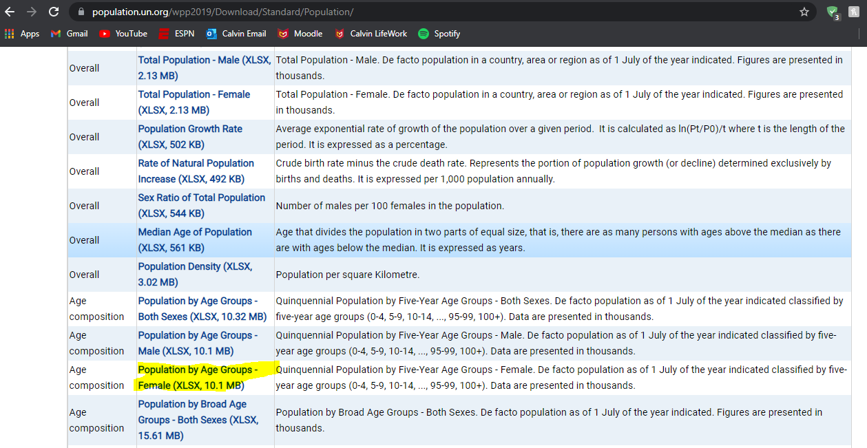
0-4 | 166077 | 199236 | 212402 | 234318 | 256787 | 266221 | 267434 | 287731 | 312905 | 300117 | 297524 | 302684 | 314830 | 324426 | 328509
5-9 | 131785 | 154926 | 187553 | 200959 | 224556 | 247279 | 257559 | 259928 | 280584 | 306503 | 294721 | 293423 | 298887 | 311370 | 321512
10-14 | 127343 | 128616 | 151840 | 183750 | 198212 | 221764 | 244682 | 255382 | 258206 | 279136 | 304908 | 293769 | 292351 | 297197 | 309770
15-19 | 117333 | 124828 | 126068 | 149282 | 181377 | 195801 | 219852 | 242940 | 253753 | 256440 | 277326 | 302955 | 291785 | 290910 | 295554
20-24 | 109689 | 114283 | 122023 | 123584 | 146959 | 178776 | 193518 | 217743 | 240489 | 250736 | 253615 | 274399 | 299587 | 290007 | 289101
25-29 | 98538 | 106315 | 111277 | 119209 | 121194 | 144815 | 176264 | 191405 | 215159 | 237985 | 248521 | 251351 | 272497 | 297822 | 288633
30-34 | 84666 | 95222 | 103287 | 108204 | 116731 | 119397 | 142802 | 174443 | 189532 | 213332 | 235955 | 246135 | 249103 | 270534 | 296294
35-39 | 83026 | 81378 | 92107 | 100175 | 105407 | 114637 | 117340 | 140971 | 172362 | 187491 | 211272 | 233387 | 243874 | 247008 | 268372
40-44 | 74400 | 79460 | 77941 | 88885 | 97346 | 103067 | 112453 | 115393 | 139003 | 170029 | 184962 | 208211 | 230557 | 241397 | 244399
45-49 | 64902 | 70485 | 75953 | 74558 | 85990 | 94669 | 100568 | 109915 | 112990 | 136300 | 167017 | 181232 | 205214 | 227488 | 238133
50-54 | 55078 | 61385 | 66936 | 72219 | 71107 | 83031 | 91657 | 97513 | 106781 | 110086 | 132980 | 163015 | 177498 | 201180 | 223163
55-59 | 46114 | 50850 | 57056 | 62711 | 68179 | 67439 | 79362 | 87703 | 93546 | 102660 | 105959 | 128637 | 157643 | 172316 | 195634
60-64 | 39067 | 41066 | 45672 | 51493 | 57601 | 63022 | 62858 | 74164 | 82402 | 88146 | 97026 | 100378 | 121964 | 150610 | 164961
65-69 | 30066 | 32639 | 34740 | 39069 | 45332 | 51299 | 56731 | 56579 | 67299 | 75008 | 80659 | 88844 | 92683 | 113307 | 140704
70-74 | 20806 | 22948 | 25264 | 27450 | 31975 | 37502 | 43172 | 48108 | 48128 | 57819 | 65038 | 70151 | 78081 | 82435 | 101491
75-79 | 12558 | 13811 | 15456 | 17732 | 19920 | 23664 | 28507 | 33140 | 37462 | 37800 | 46157 | 52051 | 56919 | 64521 | 69027
80-84 | 5750 | 6843 | 7567 | 9020 | 10910 | 12557 | 15067 | 18600 | 22263 | 25574 | 26131 | 32442 | 37766 | 41933 | 48281
85-89 | 2178 | 2314 | 2829 | 3332 | 4191 | 5216 | 6263 | 7700 | 9849 | 12139 | 14206 | 14859 | 19278 | 23211 | 26429
90-94 | 631 | 620 | 658 | 870 | 1075 | 1403 | 1861 | 2328 | 2955 | 3906 | 4926 | 5981 | 6607 | 9009 | 11352
95-99 | 139 | 118 | 118 | 129 | 181 | 230 | 331 | 459 | 595 | 769 | 1033 | 1350 | 1760 | 2087 | 3056
100+ | 25 | 18 | 15 | 15 | 18 | 25 | 35 | 52 | 74 | 98 | 123 | 168 | 237 | 332 | 449

UN Male age group population
Male population by five-year age group (thousands) |  |  |  |  |  |  |  |  |  |  |  |  |  |  |  | Source Information
Index | 1 | 2 | 3 | 4 | 5 | 6 | 7 | 8 | 9 | 10 | 11 | 12 | 13 | 14 | 15 | Web Source | https://population.un.org/wpp2019/Download/Standard/Population/
Variant | Estimates | Estimates | Estimates | Estimates | Estimates | Estimates | Estimates | Estimates | Estimates | Estimates | Estimates | Estimates | Estimates | Estimates | Estimates | Date Accessed | 2021-07-14
Region, subregion, country or area * | WORLD | WORLD | WORLD | WORLD | WORLD | WORLD | WORLD | WORLD | WORLD | WORLD | WORLD | WORLD | WORLD | WORLD | WORLD | .bib Citation | @misc{UN-Population-Dynamics:2019,
Notes |  |  |  |  |  |  |  |  |  |  |  |  |  |  |  |  | author = {United Nations, Department of Economic and Social Affairs, Population Division},
Country code | 900 | 900 | 900 | 900 | 900 | 900 | 900 | 900 | 900 | 900 | 900 | 900 | 900 | 900 | 900 |  | title = {World Population Prospects 2019},
Type | World | World | World | World | World | World | World | World | World | World | World | World | World | World | World |  | year = {2019},
Parent code | 0 | 0 | 0 | 0 | 0 | 0 | 0 | 0 | 0 | 0 | 0 | 0 | 0 | 0 | 0 |  | Bdsk-Url-1 = {https://population.un.org/wpp2019/Download/Standard/Population/}}
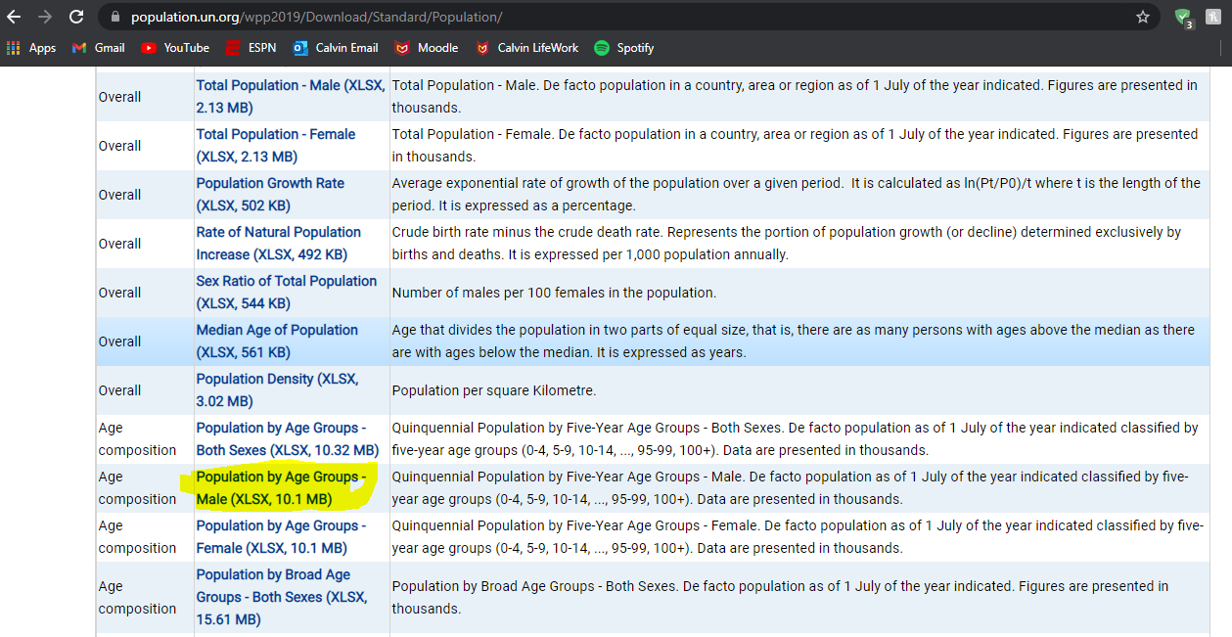
Reference date (as of 1 July) | 1950 | 1955 | 1960 | 1965 | 1970 | 1975 | 1980 | 1985 | 1990 | 1995 | 2000 | 2005 | 2010 | 2015 | 2020
0-4 | 172420 | 207941 | 221606 | 244985 | 267293 | 278289 | 280164 | 302397 | 330649 | 319726 | 318141 | 324554 | 337184 | 346247 | 349433
5-9 | 138298 | 161087 | 196203 | 210104 | 234848 | 257638 | 269790 | 272585 | 295190 | 323931 | 314049 | 313764 | 320668 | 333336 | 342928
10-14 | 133686 | 134817 | 158035 | 192262 | 207446 | 231924 | 255353 | 267331 | 270567 | 293461 | 321975 | 312860 | 312621 | 318749 | 331497
15-19 | 122155 | 130542 | 131917 | 155046 | 189471 | 204456 | 229895 | 253189 | 265117 | 267996 | 290819 | 319208 | 310243 | 310734 | 316642
20-24 | 113207 | 118354 | 126961 | 128692 | 151513 | 186012 | 201553 | 226726 | 249684 | 260565 | 263671 | 286149 | 314102 | 307555 | 308287
25-29 | 97626 | 109515 | 115443 | 123992 | 126114 | 149375 | 183132 | 198800 | 223348 | 245657 | 256835 | 259967 | 282854 | 311265 | 306059
30-34 | 84570 | 94211 | 106321 | 112472 | 121401 | 124117 | 147063 | 180677 | 196063 | 220512 | 242158 | 253567 | 257046 | 279880 | 309237
35-39 | 81447 | 81154 | 90924 | 103171 | 109517 | 118939 | 121215 | 144556 | 177771 | 193012 | 216840 | 238602 | 250592 | 253472 | 276447
40-44 | 73163 | 77551 | 77485 | 87399 | 100025 | 106715 | 115890 | 118502 | 141551 | 174145 | 188816 | 212536 | 234515 | 246335 | 249390
45-49 | 63548 | 68433 | 73198 | 73243 | 83743 | 96390 | 102792 | 112019 | 114928 | 137312 | 169182 | 183226 | 207729 | 229289 | 241233
50-54 | 52644 | 58722 | 63488 | 67940 | 68800 | 79382 | 91594 | 97976 | 107210 | 110195 | 131807 | 162554 | 177092 | 201053 | 222610
55-59 | 42560 | 46808 | 52410 | 57213 | 62367 | 63469 | 73799 | 85313 | 91899 | 100513 | 103555 | 125073 | 154422 | 168629 | 192215
60-64 | 34381 | 36007 | 39688 | 44788 | 50239 | 55306 | 56883 | 66377 | 77332 | 83549 | 91650 | 95399 | 115278 | 143440 | 157180
65-69 | 25077 | 26899 | 28289 | 31641 | 36906 | 41842 | 46983 | 48430 | 57131 | 66624 | 72561 | 80279 | 84638 | 102859 | 128939
70-74 | 16577 | 17544 | 18948 | 20284 | 23612 | 27949 | 32352 | 36661 | 38411 | 45521 | 53447 | 59155 | 66381 | 70994 | 87186
75-79 | 9344 | 9942 | 10561 | 11823 | 13196 | 15554 | 19060 | 22089 | 25605 | 27114 | 32633 | 38818 | 43806 | 50199 | 54755
80-84 | 3877 | 4466 | 4791 | 5345 | 6288 | 7160 | 8430 | 10597 | 12636 | 15019 | 16226 | 20194 | 24923 | 28822 | 33649
85-89 | 1297 | 1314 | 1558 | 1775 | 2079 | 2499 | 2918 | 3492 | 4569 | 5638 | 6934 | 7806 | 10217 | 13141 | 15757
90-94 | 317 | 297 | 308 | 389 | 461 | 564 | 707 | 855 | 1045 | 1419 | 1814 | 2341 | 2792 | 3911 | 5328
95-99 | 59 | 47 | 46 | 50 | 65 | 80 | 106 | 138 | 171 | 210 | 294 | 394 | 545 | 703 | 1078
100+ | 9 | 6 | 5 | 5 | 6 | 8 | 10 | 14 | 18 | 22 | 27 | 39 | 57 | 85 | 124

