Figure 1. Trends in Consumption
Year | Average Consumption (million btu per household) | Total Consumption | Number Housing Units | Data from https://www.eia.gov/consumption/residential/reports/2009/consumption-down.php
1980 | 114 | 9.3 | 81.6
 | 114.1 |  | 83.1
1982 | 103 | 8.6 | 83.8

1984 | 104.7 | 9 | 86.3

1987 | 100.8 | 10.6 | 90.5

1990 | 98 | 9.2 | 94

1993 | 103.6 | 10.01 | 96.6

1997 | 101 | 10.25 | 101.5

2001 | 92.2 | 9.86 | 107

2005 | 94.9 | 10.55 | 111.1

2009 | 89.6 | 10.18 | 113.6

 | Average Consumption (million btu per household) | Number Housing Units
1980 | 114 | 81.6
 | 114.1 | 83.1
1982 | 103 | 83.8
1984 | 104.7 | 86.3
1987 | 100.8 | 90.5
1990 | 98 | 94
1993 | 103.6 | 96.6
1997 | 101 | 101.5
2001 | 92.2 | 107
2005 | 94.9 | 111.1
2009 | 89.6 | 113.6

 | 1980
1980 | 9.3
1982 | 8.6
1984 | 9
1987 | 10.6
1990 | 9.2
1993 | 10.01
1997 | 10.25
2001 | 9.86
2005 | 10.55
2009 | 10.18

Figure 2. Avg State Cons andExp
 | Avg Consumption | Avg Expenditures
Total U.S. | 89.6 | 2,024

MA | 109.4 | 2,479
CT, ME, NH, RI, VT | 115.7 | 2,949
NY | 102.6 | 2,445
PA | 96.4 | 2,353
NJ | 127.4 | 3,065
IL | 128.8 | 2,068
MI | 123.2 | 2,147
WI | 103.2 | 1,925
IN, OH | 105.0 | 1,949
MO | 100.1 | 1,891
IA, MN, ND, SD | 113.0 | 1,947
KS, NE | 101.7 | 1,784
VA | 85.6 | 2,157
GA | 89.7 | 2,074
FL | 55.6 | 2,019
DC, DE, MD, WV | 88.7 | 2,309
NC, SC | 72.3 | 1,879
TN | 78.8 | 1,774
AL, KY, MS | 80.1 | 2,045
TX | 77.0 | 2,156
AR, LA, OK | 82.6 | 1,834
CO | 102.8 | 1,555
ID, MT, UT,WY | 105.0 | 1,649
AZ | 66.0 | 1,961
NM, NV | 85.4 | 1,805
CA | 61.6 | 1,423
AK, HI, OR, WA | 76.1 | 1,647

us-average-by-census-region-sel
Energy consumption per household, U.S. average and by census region in selected years
million British thermal units |  |  |  |  | Data from: https://www.eia.gov/energyexplained/use-of-energy/homes.php
Note: Excludes losses in electricity generation and delivery, and consumption of wood fuels.
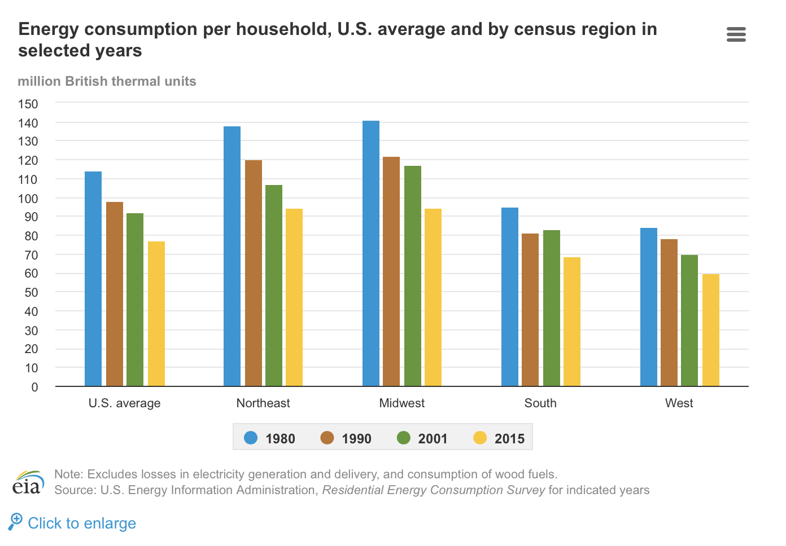
Source: U.S. Energy Information Administration, <em>Residential Energy Consumption Survey</em> for indicated years

 | 1980 | 1990 | 2001 | 2015
U.S. average | 114 | 98 | 92 | 77.1
Northeast | 138 | 120 | 107 | 94.4
Midwest | 141 | 122 | 117 | 94.3
South | 95 | 81 | 83 | 68.9
West | 84 | 78 | 70 | 59.9

