data to plot
Year | GDP_USD | Population | GDP_per_capita
1960 | 1.369443925E+12 | 3034950000 | 451.22454242
1961 | 1.4251150816E+12 | 3091844000 | 460.92722711
1962 | 1.5300687894E+12 | 3150421000 | 485.67121328
1963 | 1.6483049276E+12 | 3211001000 | 513.33055567
1964 | 1.8056739023E+12 | 3273978000 | 551.52291869
1965 | 1.9662770802E+12 | 3339584000 | 588.7790456
1966 | 2.1333452982E+12 | 3407923000 | 625.99574527
1967 | 2.2709516289E+12 | 3478770000 | 652.80303928
1968 | 2.4514491729E+12 | 3551599000 | 690.23816396
1969 | 2.7046520707E+12 | 3625681000 | 745.97077645
1970 | 2.9610585848E+12 | 3700437000 | 800.19159488
1971 | 3.2733496579E+12 | 3775760000 | 866.9379563
1972 | 3.7776082988E+12 | 3851651000 | 980.77637324
1973 | 4.6091874128E+12 | 3927781000 | 1173.48381
1974 | 5.3159759515E+12 | 4003794000 | 1327.7346316
1975 | 5.9203468105E+12 | 4079480000 | 1451.250358
1976 | 6.4382125575E+12 | 4154667000 | 1549.6338353
1977 | 7.2775906597E+12 | 4229506000 | 1720.6715535
1978 | 8.5846585023E+12 | 4304534000 | 1994.3293519
1979 | 9.9713310919E+12 | 4380506000 | 2276.2966406
1980 | 1.1227787362E+13 | 4458003000 | 2518.5688215
1981 | 1.1624037161E+13 | 4536997000 | 2562.0552891
1982 | 1.1514725665E+13 | 4617387000 | 2493.7753031
1983 | 1.1747282629E+13 | 4699569000 | 2499.6510593
1984 | 1.2180064946E+13 | 4784012000 | 2545.9938115
1985 | 1.2793526857E+13 | 4870922000 | 2626.5103111
1986 | 1.5118751369E+13 | 4960568000 | 3047.786336
1987 | 1.7201254955E+13 | 5052522000 | 3404.488878
1988 | 1.9244410731E+13 | 5145426000 | 3740.100573
1989 | 2.0087689311E+13 | 5237441000 | 3835.4015465
1990 | 2.262673659E+13 | 5327231000 | 4247.3729017
1991 | 2.3966885541E+13 | 5414289000 | 4426.5988649
1992 | 2.5453189198E+13 | 5498920000 | 4628.7615019
1993 | 2.5858210432E+13 | 5581598000 | 4632.7611612
1994 | 2.7771192161E+13 | 5663150000 | 4903.8418832
1995 | 3.0887281365E+13 | 5744213000 | 5377.1128203
1996 | 3.1573213341E+13 | 5824892000 | 5420.3946342
1997 | 3.1458340847E+13 | 5905046000 | 5327.3659252
1998 | 3.1393737904E+13 | 5984794000 | 5245.5837083
1999 | 3.2563160743E+13 | 6064239000 | 5369.7027348
2000 | 3.3623637911E+13 | 6143494000 | 5473.0480588
2001 | 3.3430841993E+13 | 6222627000 | 5372.4643937
2002 | 3.4712451851E+13 | 6301773000 | 5508.3627816
2003 | 3.8948207693E+13 | 6381185000 | 6103.6010856
2004 | 4.3874597659E+13 | 6461159000 | 6790.5150854
2005 | 4.7526792786E+13 | 6541907000 | 7264.9753025
2006 | 5.1512231538E+13 | 6623518000 | 7777.170914
2007 | 5.8043560381E+13 | 6705947000 | 8655.5352108
2008 | 6.3690177847E+13 | 6789089000 | 9381.2554007
2009 | 6.041028658E+13 | 6872767000 | 8789.8057042
2010 | 6.6125919193E+13 | 6956824000 | 9505.1878836
2011 | 7.3460345664E+13 | 7041194000 | 10432.938741
2012 | 7.516177895E+13 | 7125828000 | 10547.795842
2013 | 7.7316336531E+13 | 7210582000 | 10722.6208
2014 | 7.9453254441E+13 | 7295291000 | 10891.03292
2015 | 7.5217722629E+13 | 7379797000 | 10192.383697
2016 | 7.6368999871E+13 | 7464022000 | 10231.615056
2017 | 8.1306030232E+13 | 7547859000 | 10772.065328
2018 | 8.6439423192E+13 | 7631091000 | 11327.26935
2019 | 8.7734574388E+13 | 7713468000 | 11374.206049

World Bank GDP Data
Data |  | Source Information
Year | GDP (USD$) | Web Source | https://data.worldbank.org/indicator/NY.GDP.MKTP.CD
1960 | 1.369443925E+12 | Date Accessed | 2021-06-24
1961 | 1.4251150816E+12 | .bib Citation | @misc{TheWorldBank:2021,
1962 | 1.5300687894E+12 |  |  | author = {The World Bank},
1963 | 1.6483049276E+12 |  |  | title = {GDP (current US$)},
1964 | 1.8056739023E+12 |  |  | year = {2021},
1965 | 1.9662770802E+12 |  |  | Bdsk-Url-1 = {https://data.worldbank.org/indicator/NY.GDP.MKTP.CD}}
1966 | 2.1333452982E+12
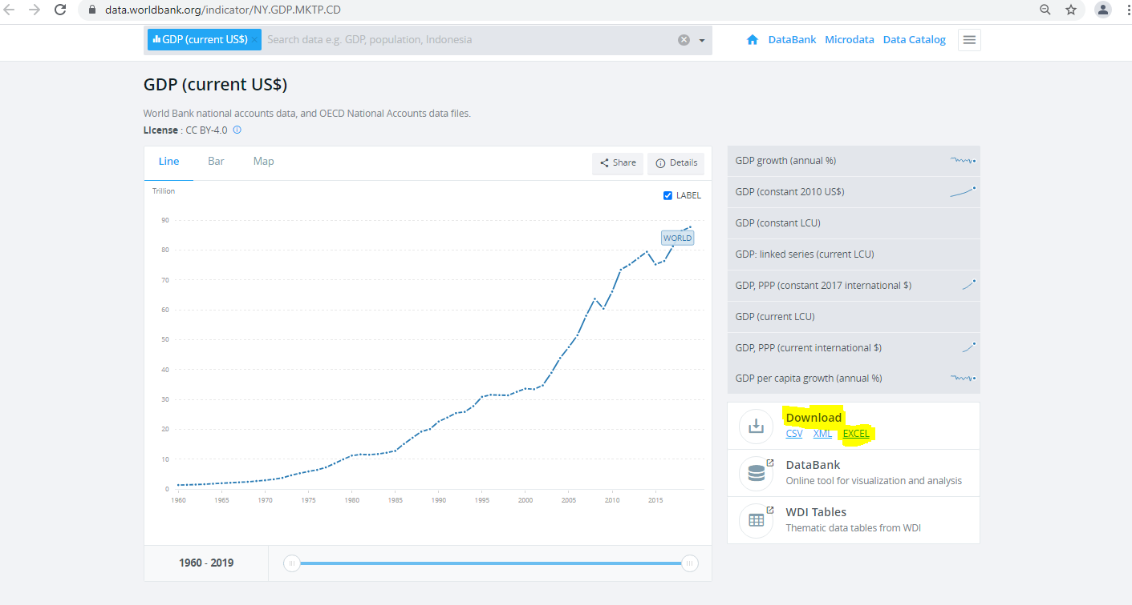
1967 | 2.2709516289E+12
1968 | 2.4514491729E+12
1969 | 2.7046520707E+12
1970 | 2.9610585848E+12
1971 | 3.2733496579E+12
1972 | 3.7776082988E+12
1973 | 4.6091874128E+12
1974 | 5.3159759515E+12
1975 | 5.9203468105E+12
1976 | 6.4382125575E+12
1977 | 7.2775906597E+12
1978 | 8.5846585023E+12
1979 | 9.9713310919E+12
1980 | 1.1227787362E+13
1981 | 1.1624037161E+13
1982 | 1.1514725665E+13
1983 | 1.1747282629E+13
1984 | 1.2180064946E+13
1985 | 1.2793526857E+13
1986 | 1.5118751369E+13
1987 | 1.7201254955E+13
1988 | 1.9244410731E+13
1989 | 2.0087689311E+13
1990 | 2.262673659E+13
1991 | 2.3966885541E+13
1992 | 2.5453189198E+13
1993 | 2.5858210432E+13
1994 | 2.7771192161E+13
1995 | 3.0887281365E+13
1996 | 3.1573213341E+13
1997 | 3.1458340847E+13
1998 | 3.1393737904E+13
1999 | 3.2563160743E+13
2000 | 3.3623637911E+13
2001 | 3.3430841993E+13
2002 | 3.4712451851E+13
2003 | 3.8948207693E+13
2004 | 4.3874597659E+13
2005 | 4.7526792786E+13
2006 | 5.1512231538E+13
2007 | 5.8043560381E+13
2008 | 6.3690177847E+13
2009 | 6.041028658E+13
2010 | 6.6125919193E+13
2011 | 7.3460345664E+13
2012 | 7.516177895E+13
2013 | 7.7316336531E+13
2014 | 7.9453254441E+13
2015 | 7.5217722629E+13
2016 | 7.6368999871E+13
2017 | 8.1306030232E+13
2018 | 8.6439423192E+13
2019 | 8.7734574388E+13

