data to plot
Year | Population
-10000 | 2431214.021
-9000 | 3564407.699
-8000 | 5136461.796
-7000 | 7561695.768 | <----- all data visible
-6000 | 11461003.34
-5000 | 17920172.32
-4000 | 28370429.82
-3000 | 44819892.72
-2000 | 72108132.52
-1000 | 115065665.6
1 | 188239090.4
100 | 195062192.5
200 | 202309552.9
300 | 205316554.4
400 | 208909833.5
500 | 210429836.6
600 | 212642769.1
700 | 225835011.9
800 | 240487640.4
900 | 268747447.9
1000 | 295040195.2
1100 | 352606918.8 | <---- Zoomed to show exponential increase and plateau
1200 | 393081041
1300 | 392403532.4
1400 | 389774827.6
1500 | 461367657.7
1600 | 553956117
1700 | 603167544.1
1750 | 811562143.9
1800 | 989313102.7
1850 | 1262675510
1900 | 1654429527
1910 | 1777175381
1920 | 1912110935
1930 | 2091893626
1940 | 2307348107
1950 | 2536431000
1951 | 2584034000
1952 | 2630862000
1953 | 2677609000
1954 | 2724847000
1955 | 2773020000
1956 | 2822443000
1957 | 2873306000
1958 | 2925687000
1959 | 2979576000
1960 | 3034950000
1961 | 3091844000
1962 | 3150421000
1963 | 3211001000
1964 | 3273978000
1965 | 3339584000
1966 | 3407923000
1967 | 3478770000
1968 | 3551599000
1969 | 3625681000
1970 | 3700437000
1971 | 3775760000
1972 | 3851651000
1973 | 3927781000
1974 | 4003794000
1975 | 4079480000
1976 | 4154667000
1977 | 4229506000
1978 | 4304534000
1979 | 4380506000
1980 | 4458003000
1981 | 4536997000
1982 | 4617387000
1983 | 4699569000
1984 | 4784012000
1985 | 4870922000
1986 | 4960568000
1987 | 5052522000
1988 | 5145426000
1989 | 5237441000
1990 | 5327231000
1991 | 5414289000
1992 | 5498920000
1993 | 5581598000
1994 | 5663150000
1995 | 5744213000
1996 | 5824892000
1997 | 5905046000
1998 | 5984794000
1999 | 6064239000
2000 | 6143494000
2001 | 6222627000
2002 | 6301773000
2003 | 6381185000
2004 | 6461159000
2005 | 6541907000
2006 | 6623518000
2007 | 6705947000
2008 | 6789089000
2009 | 6872767000
2010 | 6956824000
2011 | 7041194000
2012 | 7125828000
2013 | 7210582000
2014 | 7295291000
2015 | 7379797000
2016 | 7464022000
2017 | 7547859000
2018 | 7631091000
2019 | 7713468000
2020 | 7794799000
2021 | 7874966000
2022 | 7953953000
2023 | 8031800000
2024 | 8108605000
2025 | 8184437000
2026 | 8259277000
2027 | 8333078000
2028 | 8405863000
2029 | 8477661000
2030 | 8548487000
2031 | 8618349000
2032 | 8687228000
2033 | 8755084000
2034 | 8821863000
2035 | 8887524000
2036 | 8952049000
2037 | 9015438000
2038 | 9077694000
2039 | 9138829000
2040 | 9198847000
2041 | 9257745000
2042 | 9315508000
2043 | 9372118000
2044 | 9427555000
2045 | 9481803000
2046 | 9534855000
2047 | 9586708000
2048 | 9637357000
2049 | 9686800000
2050 | 9735034000
2051 | 9782062000
2052 | 9827885000
2053 | 9872502000
2054 | 9915905000
2055 | 9958099000
2056 | 9999085000
2057 | 10038881000
2058 | 10077518000
2059 | 10115036000
2060 | 10151470000
2061 | 10186837000
2062 | 10221149000
2063 | 10254419000
2064 | 10286658000
2065 | 10317879000
2066 | 10348098000
2067 | 10377331000
2068 | 10405591000
2069 | 10432889000
2070 | 10459240000
2071 | 10484655000
2072 | 10509150000
2073 | 10532743000
2074 | 10555450000
2075 | 10577288000
2076 | 10598274000
2077 | 10618421000
2078 | 10637737000
2079 | 10656228000
2080 | 10673904000
2081 | 10690773000
2082 | 10706852000
2083 | 10722171000
2084 | 10736765000
2085 | 10750662000
2086 | 10763874000
2087 | 10776402000
2088 | 10788249000
2089 | 10799413000
2090 | 10809892000
2091 | 10819683000
2092 | 10828781000
2093 | 10837182000
2094 | 10844879000
2095 | 10851860000
2096 | 10858112000
2097 | 10863615000
2098 | 10868348000
2099 | 10872284000
2100 | 10875394000

UN recent data and predictions
Data |  | Source Information
Year | Population | Web Source | https://population.un.org/wpp2019/Download/Standard/Population/
1950 | 2536431000 | Date Accessed | 2021-06-24
1951 | 2584034000 | .bib Citation | @misc{UN-Population-Dynamics:2019,
1952 | 2630862000 |  | author = {United Nations, Department of Economic and Social Affairs, Population Division},
1953 | 2677609000 |  | title = {World Population Prospects 2019},
1954 | 2724847000 |  | year = {2019},
1955 | 2773020000 |  | Bdsk-Url-1 = {https://population.un.org/wpp2019/Download/Standard/Population/}}
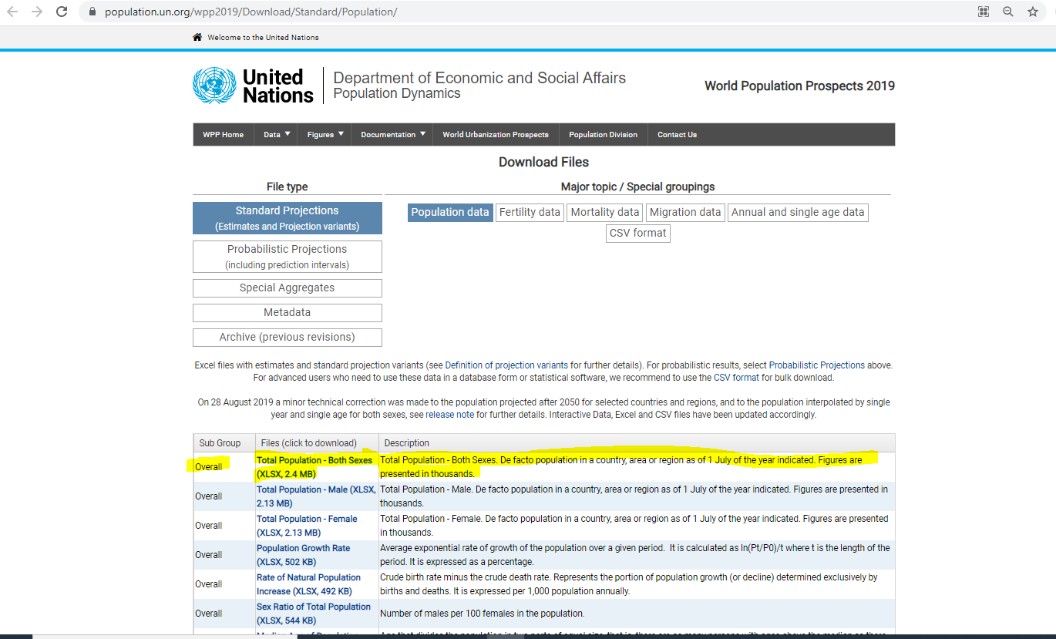
1956 | 2822443000
1957 | 2873306000
1958 | 2925687000
1959 | 2979576000
1960 | 3034950000
1961 | 3091844000
1962 | 3150421000
1963 | 3211001000
1964 | 3273978000
1965 | 3339584000
1966 | 3407923000
1967 | 3478770000
1968 | 3551599000
1969 | 3625681000
1970 | 3700437000
1971 | 3775760000
1972 | 3851651000
1973 | 3927781000
1974 | 4003794000
1975 | 4079480000
1976 | 4154667000
1977 | 4229506000
1978 | 4304534000
1979 | 4380506000
1980 | 4458003000
1981 | 4536997000
1982 | 4617387000
1983 | 4699569000
1984 | 4784012000
1985 | 4870922000
1986 | 4960568000
1987 | 5052522000
1988 | 5145426000
1989 | 5237441000
1990 | 5327231000
1991 | 5414289000
1992 | 5498920000
1993 | 5581598000
1994 | 5663150000
1995 | 5744213000
1996 | 5824892000
1997 | 5905046000
1998 | 5984794000
1999 | 6064239000
2000 | 6143494000
2001 | 6222627000
2002 | 6301773000
2003 | 6381185000
2004 | 6461159000
2005 | 6541907000
2006 | 6623518000
2007 | 6705947000
2008 | 6789089000
2009 | 6872767000
2010 | 6956824000
2011 | 7041194000
2012 | 7125828000
2013 | 7210582000
2014 | 7295291000
2015 | 7379797000
2016 | 7464022000
2017 | 7547859000
2018 | 7631091000
2019 | 7713468000
2020 | 7794799000
2021 | 7874966000
2022 | 7953953000
2023 | 8031800000
2024 | 8108605000
2025 | 8184437000
2026 | 8259277000
2027 | 8333078000
2028 | 8405863000
2029 | 8477661000
2030 | 8548487000
2031 | 8618349000
2032 | 8687228000
2033 | 8755084000
2034 | 8821863000
2035 | 8887524000
2036 | 8952049000
2037 | 9015438000
2038 | 9077694000
2039 | 9138829000
2040 | 9198847000
2041 | 9257745000
2042 | 9315508000
2043 | 9372118000
2044 | 9427555000
2045 | 9481803000
2046 | 9534855000
2047 | 9586708000
2048 | 9637357000
2049 | 9686800000
2050 | 9735034000
2051 | 9782062000
2052 | 9827885000
2053 | 9872502000
2054 | 9915905000
2055 | 9958099000
2056 | 9999085000
2057 | 10038881000
2058 | 10077518000
2059 | 10115036000
2060 | 10151470000
2061 | 10186837000
2062 | 10221149000
2063 | 10254419000
2064 | 10286658000
2065 | 10317879000
2066 | 10348098000
2067 | 10377331000
2068 | 10405591000
2069 | 10432889000
2070 | 10459240000
2071 | 10484655000
2072 | 10509150000
2073 | 10532743000
2074 | 10555450000
2075 | 10577288000
2076 | 10598274000
2077 | 10618421000
2078 | 10637737000
2079 | 10656228000
2080 | 10673904000
2081 | 10690773000
2082 | 10706852000
2083 | 10722171000
2084 | 10736765000
2085 | 10750662000
2086 | 10763874000
2087 | 10776402000
2088 | 10788249000
2089 | 10799413000
2090 | 10809892000
2091 | 10819683000
2092 | 10828781000
2093 | 10837182000
2094 | 10844879000
2095 | 10851860000
2096 | 10858112000
2097 | 10863615000
2098 | 10868348000
2099 | 10872284000
2100 | 10875394000

