data to plot
Year | GDP_USD
1960 | 1.369443925E+12
1961 | 1.4251150816E+12
1962 | 1.5300687894E+12
1963 | 1.6483049276E+12
1964 | 1.8056739023E+12
1965 | 1.9662770802E+12
1966 | 2.1333452982E+12
1967 | 2.2709516289E+12
1968 | 2.4514491729E+12
1969 | 2.7046520707E+12
1970 | 2.9610585848E+12
1971 | 3.2733496579E+12
1972 | 3.7776082988E+12
1973 | 4.6091874128E+12
1974 | 5.3159759515E+12
1975 | 5.9203468105E+12
1976 | 6.4382125575E+12
1977 | 7.2775906597E+12
1978 | 8.5846585023E+12
1979 | 9.9713310919E+12
1980 | 1.1227787362E+13
1981 | 1.1624037161E+13
1982 | 1.1514725665E+13
1983 | 1.1747282629E+13
1984 | 1.2180064946E+13
1985 | 1.2793526857E+13
1986 | 1.5118751369E+13
1987 | 1.7201254955E+13
1988 | 1.9244410731E+13
1989 | 2.0087689311E+13
1990 | 2.262673659E+13
1991 | 2.3966885541E+13
1992 | 2.5453189198E+13
1993 | 2.5858210432E+13
1994 | 2.7771192161E+13
1995 | 3.0887281365E+13
1996 | 3.1573213341E+13
1997 | 3.1458340847E+13
1998 | 3.1393737904E+13
1999 | 3.2563160743E+13
2000 | 3.3623637911E+13
2001 | 3.3430841993E+13
2002 | 3.4712451851E+13
2003 | 3.8948207693E+13
2004 | 4.3874597659E+13
2005 | 4.7526792786E+13
2006 | 5.1512231538E+13
2007 | 5.8043560381E+13
2008 | 6.3690177847E+13
2009 | 6.041028658E+13
2010 | 6.6125919193E+13
2011 | 7.3460345664E+13
2012 | 7.516177895E+13
2013 | 7.7316336531E+13
2014 | 7.9453254441E+13
2015 | 7.5217722629E+13
2016 | 7.6368999871E+13
2017 | 8.1306030232E+13
2018 | 8.6439423192E+13
2019 | 8.7734574388E+13

World Bank GDP Data
Data |  | Source Information
Year | GDP (USD$) | Web Source | https://data.worldbank.org/indicator/NY.GDP.MKTP.CD
1960 | 1.369443925E+12 | Date Accessed | 2021-06-24
1961 | 1.4251150816E+12 | .bib Citation | @misc{TheWorldBank:2021,
1962 | 1.5300687894E+12 |  |  | author = {The World Bank},
1963 | 1.6483049276E+12 |  |  | title = {GDP (current US$)},
1964 | 1.8056739023E+12 |  |  | year = {2021},
1965 | 1.9662770802E+12 |  |  | Bdsk-Url-1 = {https://data.worldbank.org/indicator/NY.GDP.MKTP.CD}}
1966 | 2.1333452982E+12
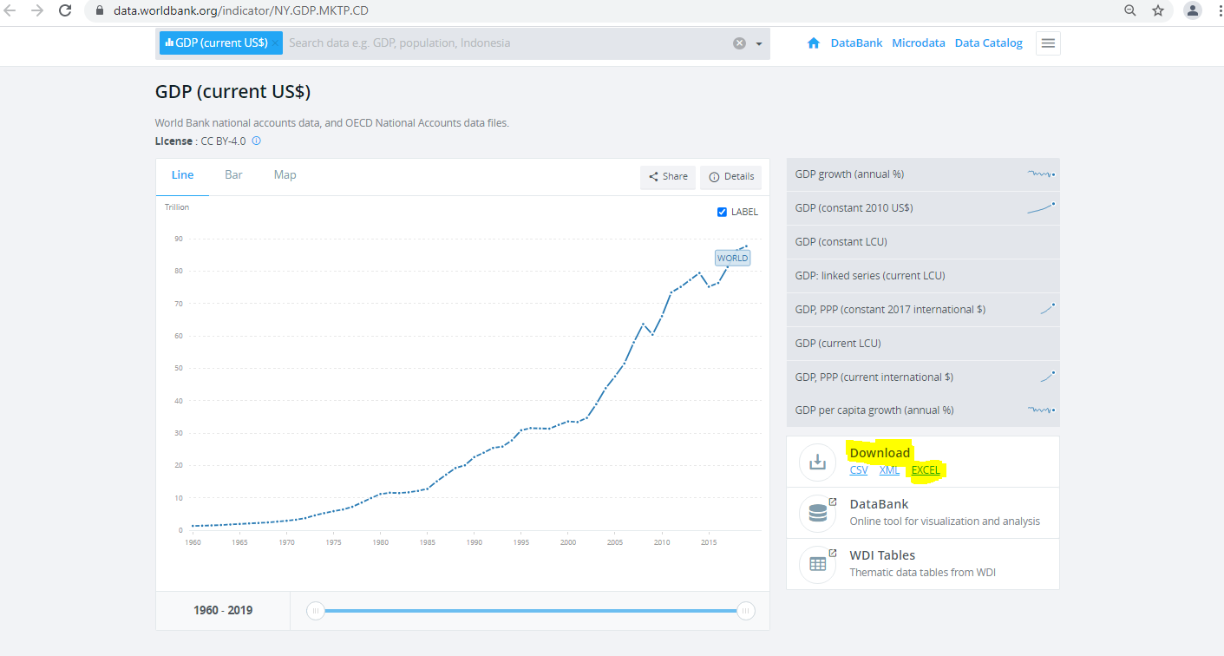
1967 | 2.2709516289E+12
1968 | 2.4514491729E+12
1969 | 2.7046520707E+12
1970 | 2.9610585848E+12
1971 | 3.2733496579E+12
1972 | 3.7776082988E+12
1973 | 4.6091874128E+12
1974 | 5.3159759515E+12
1975 | 5.9203468105E+12
1976 | 6.4382125575E+12
1977 | 7.2775906597E+12
1978 | 8.5846585023E+12
1979 | 9.9713310919E+12
1980 | 1.1227787362E+13
1981 | 1.1624037161E+13
1982 | 1.1514725665E+13
1983 | 1.1747282629E+13
1984 | 1.2180064946E+13
1985 | 1.2793526857E+13
1986 | 1.5118751369E+13
1987 | 1.7201254955E+13
1988 | 1.9244410731E+13
1989 | 2.0087689311E+13
1990 | 2.262673659E+13
1991 | 2.3966885541E+13
1992 | 2.5453189198E+13
1993 | 2.5858210432E+13
1994 | 2.7771192161E+13
1995 | 3.0887281365E+13
1996 | 3.1573213341E+13
1997 | 3.1458340847E+13
1998 | 3.1393737904E+13
1999 | 3.2563160743E+13
2000 | 3.3623637911E+13
2001 | 3.3430841993E+13
2002 | 3.4712451851E+13
2003 | 3.8948207693E+13
2004 | 4.3874597659E+13
2005 | 4.7526792786E+13
2006 | 5.1512231538E+13
2007 | 5.8043560381E+13
2008 | 6.3690177847E+13
2009 | 6.041028658E+13
2010 | 6.6125919193E+13
2011 | 7.3460345664E+13
2012 | 7.516177895E+13
2013 | 7.7316336531E+13
2014 | 7.9453254441E+13
2015 | 7.5217722629E+13
2016 | 7.6368999871E+13
2017 | 8.1306030232E+13
2018 | 8.6439423192E+13
2019 | 8.7734574388E+13

