Sheet1
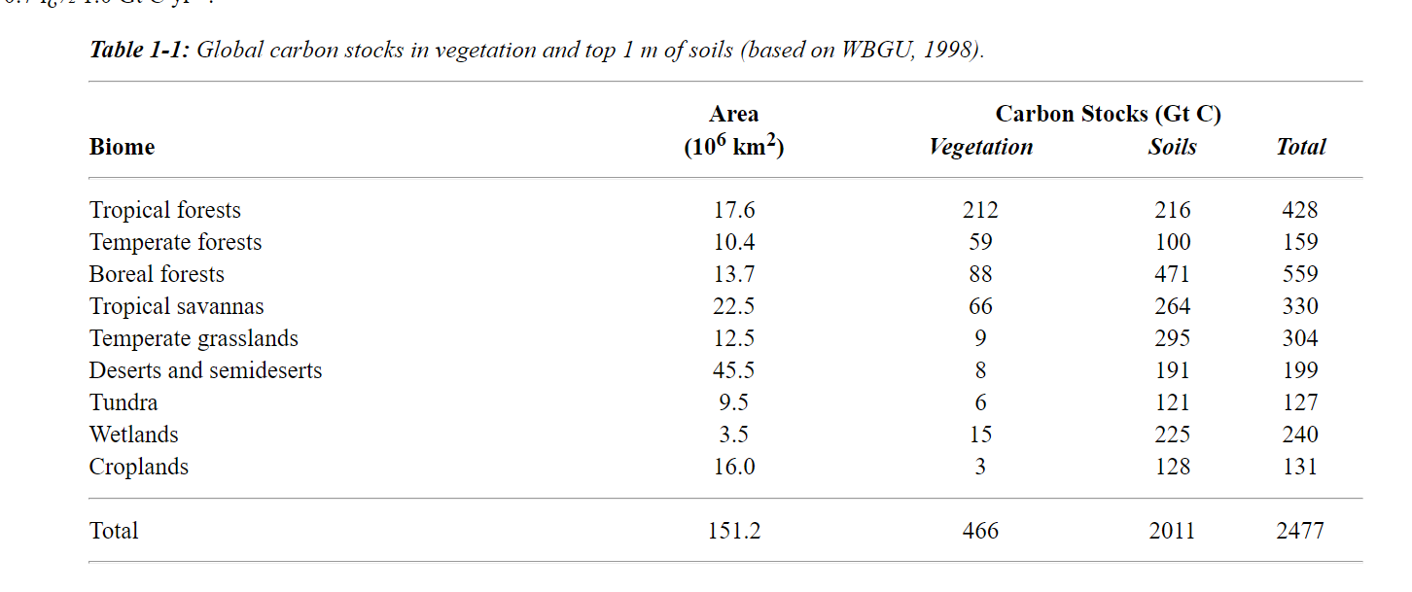
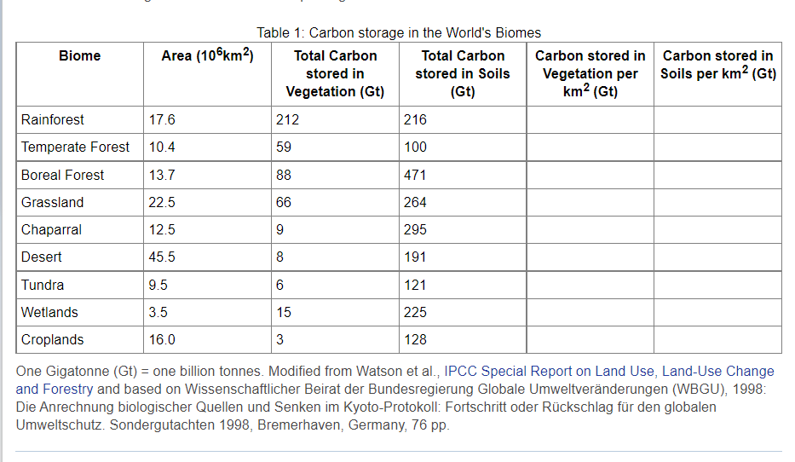
Biome | Area (106km2) | Total Carbon stored in Vegetation (Gt) | Total Carbon stored in Soils (Gt) | Total Carbon stored (Gt) | Carbon stored in Vegetation (Gt/million km2) | Carbon stored in Soils (Gt/million km2) | Total Carbon stored (Gt/million km2)
Rainforest | 17.6 | 212 | 216 | 428 | 12.045454545 | 12.272727273 | 24.318181818 | https://icp.giss.nasa.gov/education/modules/carbon/projects/investigate2.html
Temperate forest | 10.4 | 59 | 100 | 159 | 5.6730769231 | 9.6153846154 | 15.288461538
Boreal forest | 13.7 | 88 | 471 | 559 | 6.4233576642 | 34.379562044 | 40.802919708
Grassland | 22.5 | 66 | 264 | 330 | 2.9333333333 | 11.733333333 | 14.666666667
Chaparral | 12.5 | 9 | 295 | 304 | 0.72 | 23.6 | 24.32
Desert | 45.5 | 8 | 191 | 199 | 0.17582417582 | 4.1978021978 | 4.3736263736
Tundra | 9.5 | 6 | 121 | 127 | 0.63157894737 | 12.736842105 | 13.368421053
Wetlands | 3.5 | 15 | 225 | 240 | 4.2857142857 | 64.285714286 | 68.571428571
Croplands | 16 | 3 | 128 | 131 | 0.1875 | 8 | 8.1875

 |  |  |  |  |  |  |  | https://www.grida.no/climate/ipcc/land_use/019.htm

