UN Female age group population
Female population by five-year age group (thousands) |  |  |  |  |  |  |  |  |  |  |  |  |  |  |  | Source Information
Index | 1 | 2 | 3 | 4 | 5 | 6 | 7 | 8 | 9 | 10 | 11 | 12 | 13 | 14 | 15 | Web Source | https://population.un.org/wpp2019/Download/Standard/Population/
Variant | Estimates | Estimates | Estimates | Estimates | Estimates | Estimates | Estimates | Estimates | Estimates | Estimates | Estimates | Estimates | Estimates | Estimates | Estimates | Date Accessed | 2021-07-14
Region, subregion, country or area * | WORLD | WORLD | WORLD | WORLD | WORLD | WORLD | WORLD | WORLD | WORLD | WORLD | WORLD | WORLD | WORLD | WORLD | WORLD | .bib Citation | @misc{UN-Population-Dynamics:2019,
Notes |  |  |  |  |  |  |  |  |  |  |  |  |  |  |  |  | author = {United Nations, Department of Economic and Social Affairs, Population Division},
Country code | 900 | 900 | 900 | 900 | 900 | 900 | 900 | 900 | 900 | 900 | 900 | 900 | 900 | 900 | 900 |  | title = {World Population Prospects 2019},
Type | World | World | World | World | World | World | World | World | World | World | World | World | World | World | World |  | year = {2019},
Parent code | 0 | 0 | 0 | 0 | 0 | 0 | 0 | 0 | 0 | 0 | 0 | 0 | 0 | 0 | 0 |  | Bdsk-Url-1 = {https://population.un.org/wpp2019/Download/Standard/Population/}}
Reference date (as of 1 July) | 1950 | 1955 | 1960 | 1965 | 1970 | 1975 | 1980 | 1985 | 1990 | 1995 | 2000 | 2005 | 2010 | 2015 | 2020
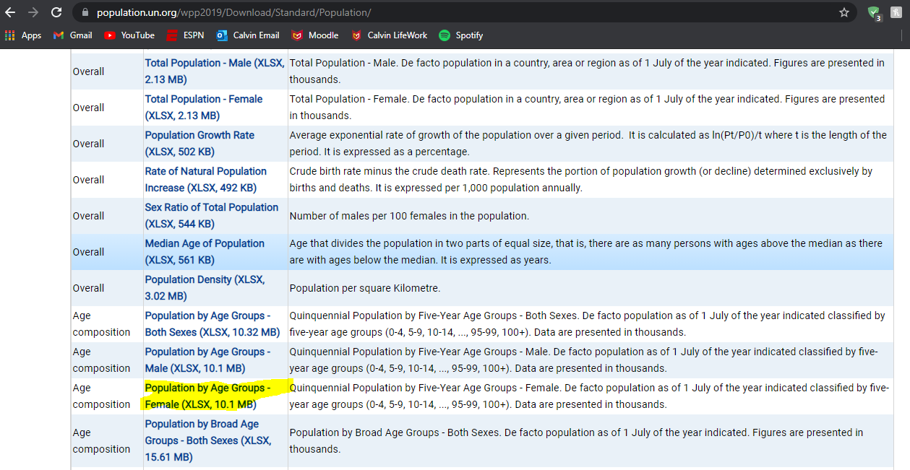
0-4 | 166077 | 199236 | 212402 | 234318 | 256787 | 266221 | 267434 | 287731 | 312905 | 300117 | 297524 | 302684 | 314830 | 324426 | 328509
5-9 | 131785 | 154926 | 187553 | 200959 | 224556 | 247279 | 257559 | 259928 | 280584 | 306503 | 294721 | 293423 | 298887 | 311370 | 321512
10-14 | 127343 | 128616 | 151840 | 183750 | 198212 | 221764 | 244682 | 255382 | 258206 | 279136 | 304908 | 293769 | 292351 | 297197 | 309770
15-19 | 117333 | 124828 | 126068 | 149282 | 181377 | 195801 | 219852 | 242940 | 253753 | 256440 | 277326 | 302955 | 291785 | 290910 | 295554
20-24 | 109689 | 114283 | 122023 | 123584 | 146959 | 178776 | 193518 | 217743 | 240489 | 250736 | 253615 | 274399 | 299587 | 290007 | 289101
25-29 | 98538 | 106315 | 111277 | 119209 | 121194 | 144815 | 176264 | 191405 | 215159 | 237985 | 248521 | 251351 | 272497 | 297822 | 288633
30-34 | 84666 | 95222 | 103287 | 108204 | 116731 | 119397 | 142802 | 174443 | 189532 | 213332 | 235955 | 246135 | 249103 | 270534 | 296294
35-39 | 83026 | 81378 | 92107 | 100175 | 105407 | 114637 | 117340 | 140971 | 172362 | 187491 | 211272 | 233387 | 243874 | 247008 | 268372
40-44 | 74400 | 79460 | 77941 | 88885 | 97346 | 103067 | 112453 | 115393 | 139003 | 170029 | 184962 | 208211 | 230557 | 241397 | 244399
45-49 | 64902 | 70485 | 75953 | 74558 | 85990 | 94669 | 100568 | 109915 | 112990 | 136300 | 167017 | 181232 | 205214 | 227488 | 238133
50-54 | 55078 | 61385 | 66936 | 72219 | 71107 | 83031 | 91657 | 97513 | 106781 | 110086 | 132980 | 163015 | 177498 | 201180 | 223163
55-59 | 46114 | 50850 | 57056 | 62711 | 68179 | 67439 | 79362 | 87703 | 93546 | 102660 | 105959 | 128637 | 157643 | 172316 | 195634
60-64 | 39067 | 41066 | 45672 | 51493 | 57601 | 63022 | 62858 | 74164 | 82402 | 88146 | 97026 | 100378 | 121964 | 150610 | 164961
65-69 | 30066 | 32639 | 34740 | 39069 | 45332 | 51299 | 56731 | 56579 | 67299 | 75008 | 80659 | 88844 | 92683 | 113307 | 140704
70-74 | 20806 | 22948 | 25264 | 27450 | 31975 | 37502 | 43172 | 48108 | 48128 | 57819 | 65038 | 70151 | 78081 | 82435 | 101491
75-79 | 12558 | 13811 | 15456 | 17732 | 19920 | 23664 | 28507 | 33140 | 37462 | 37800 | 46157 | 52051 | 56919 | 64521 | 69027
80-84 | 5750 | 6843 | 7567 | 9020 | 10910 | 12557 | 15067 | 18600 | 22263 | 25574 | 26131 | 32442 | 37766 | 41933 | 48281
85-89 | 2178 | 2314 | 2829 | 3332 | 4191 | 5216 | 6263 | 7700 | 9849 | 12139 | 14206 | 14859 | 19278 | 23211 | 26429
90-94 | 631 | 620 | 658 | 870 | 1075 | 1403 | 1861 | 2328 | 2955 | 3906 | 4926 | 5981 | 6607 | 9009 | 11352
95-99 | 139 | 118 | 118 | 129 | 181 | 230 | 331 | 459 | 595 | 769 | 1033 | 1350 | 1760 | 2087 | 3056
100+ | 25 | 18 | 15 | 15 | 18 | 25 | 35 | 52 | 74 | 98 | 123 | 168 | 237 | 332 | 449

UN Male age group population
Male population by five-year age group (thousands) |  |  |  |  |  |  |  |  |  |  |  |  |  |  |  | Source Information
Index | 1 | 2 | 3 | 4 | 5 | 6 | 7 | 8 | 9 | 10 | 11 | 12 | 13 | 14 | 15 | Web Source | https://population.un.org/wpp2019/Download/Standard/Population/
Variant | Estimates | Estimates | Estimates | Estimates | Estimates | Estimates | Estimates | Estimates | Estimates | Estimates | Estimates | Estimates | Estimates | Estimates | Estimates | Date Accessed | 2021-07-14
Region, subregion, country or area * | WORLD | WORLD | WORLD | WORLD | WORLD | WORLD | WORLD | WORLD | WORLD | WORLD | WORLD | WORLD | WORLD | WORLD | WORLD | .bib Citation | @misc{UN-Population-Dynamics:2019,
Notes |  |  |  |  |  |  |  |  |  |  |  |  |  |  |  |  | author = {United Nations, Department of Economic and Social Affairs, Population Division},
Country code | 900 | 900 | 900 | 900 | 900 | 900 | 900 | 900 | 900 | 900 | 900 | 900 | 900 | 900 | 900 |  | title = {World Population Prospects 2019},
Type | World | World | World | World | World | World | World | World | World | World | World | World | World | World | World |  | year = {2019},
Parent code | 0 | 0 | 0 | 0 | 0 | 0 | 0 | 0 | 0 | 0 | 0 | 0 | 0 | 0 | 0 |  | Bdsk-Url-1 = {https://population.un.org/wpp2019/Download/Standard/Population/}}
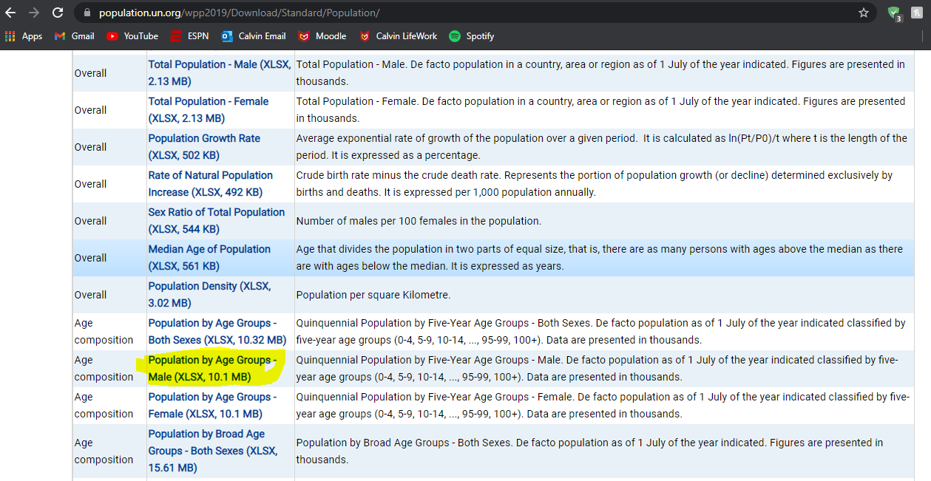
Reference date (as of 1 July) | 1950 | 1955 | 1960 | 1965 | 1970 | 1975 | 1980 | 1985 | 1990 | 1995 | 2000 | 2005 | 2010 | 2015 | 2020
0-4 | 172420 | 207941 | 221606 | 244985 | 267293 | 278289 | 280164 | 302397 | 330649 | 319726 | 318141 | 324554 | 337184 | 346247 | 349433
5-9 | 138298 | 161087 | 196203 | 210104 | 234848 | 257638 | 269790 | 272585 | 295190 | 323931 | 314049 | 313764 | 320668 | 333336 | 342928
10-14 | 133686 | 134817 | 158035 | 192262 | 207446 | 231924 | 255353 | 267331 | 270567 | 293461 | 321975 | 312860 | 312621 | 318749 | 331497
15-19 | 122155 | 130542 | 131917 | 155046 | 189471 | 204456 | 229895 | 253189 | 265117 | 267996 | 290819 | 319208 | 310243 | 310734 | 316642
20-24 | 113207 | 118354 | 126961 | 128692 | 151513 | 186012 | 201553 | 226726 | 249684 | 260565 | 263671 | 286149 | 314102 | 307555 | 308287
25-29 | 97626 | 109515 | 115443 | 123992 | 126114 | 149375 | 183132 | 198800 | 223348 | 245657 | 256835 | 259967 | 282854 | 311265 | 306059
30-34 | 84570 | 94211 | 106321 | 112472 | 121401 | 124117 | 147063 | 180677 | 196063 | 220512 | 242158 | 253567 | 257046 | 279880 | 309237
35-39 | 81447 | 81154 | 90924 | 103171 | 109517 | 118939 | 121215 | 144556 | 177771 | 193012 | 216840 | 238602 | 250592 | 253472 | 276447
40-44 | 73163 | 77551 | 77485 | 87399 | 100025 | 106715 | 115890 | 118502 | 141551 | 174145 | 188816 | 212536 | 234515 | 246335 | 249390
45-49 | 63548 | 68433 | 73198 | 73243 | 83743 | 96390 | 102792 | 112019 | 114928 | 137312 | 169182 | 183226 | 207729 | 229289 | 241233
50-54 | 52644 | 58722 | 63488 | 67940 | 68800 | 79382 | 91594 | 97976 | 107210 | 110195 | 131807 | 162554 | 177092 | 201053 | 222610
55-59 | 42560 | 46808 | 52410 | 57213 | 62367 | 63469 | 73799 | 85313 | 91899 | 100513 | 103555 | 125073 | 154422 | 168629 | 192215
60-64 | 34381 | 36007 | 39688 | 44788 | 50239 | 55306 | 56883 | 66377 | 77332 | 83549 | 91650 | 95399 | 115278 | 143440 | 157180
65-69 | 25077 | 26899 | 28289 | 31641 | 36906 | 41842 | 46983 | 48430 | 57131 | 66624 | 72561 | 80279 | 84638 | 102859 | 128939
70-74 | 16577 | 17544 | 18948 | 20284 | 23612 | 27949 | 32352 | 36661 | 38411 | 45521 | 53447 | 59155 | 66381 | 70994 | 87186
75-79 | 9344 | 9942 | 10561 | 11823 | 13196 | 15554 | 19060 | 22089 | 25605 | 27114 | 32633 | 38818 | 43806 | 50199 | 54755
80-84 | 3877 | 4466 | 4791 | 5345 | 6288 | 7160 | 8430 | 10597 | 12636 | 15019 | 16226 | 20194 | 24923 | 28822 | 33649
85-89 | 1297 | 1314 | 1558 | 1775 | 2079 | 2499 | 2918 | 3492 | 4569 | 5638 | 6934 | 7806 | 10217 | 13141 | 15757
90-94 | 317 | 297 | 308 | 389 | 461 | 564 | 707 | 855 | 1045 | 1419 | 1814 | 2341 | 2792 | 3911 | 5328
95-99 | 59 | 47 | 46 | 50 | 65 | 80 | 106 | 138 | 171 | 210 | 294 | 394 | 545 | 703 | 1078
100+ | 9 | 6 | 5 | 5 | 6 | 8 | 10 | 14 | 18 | 22 | 27 | 39 | 57 | 85 | 124

