data to plot
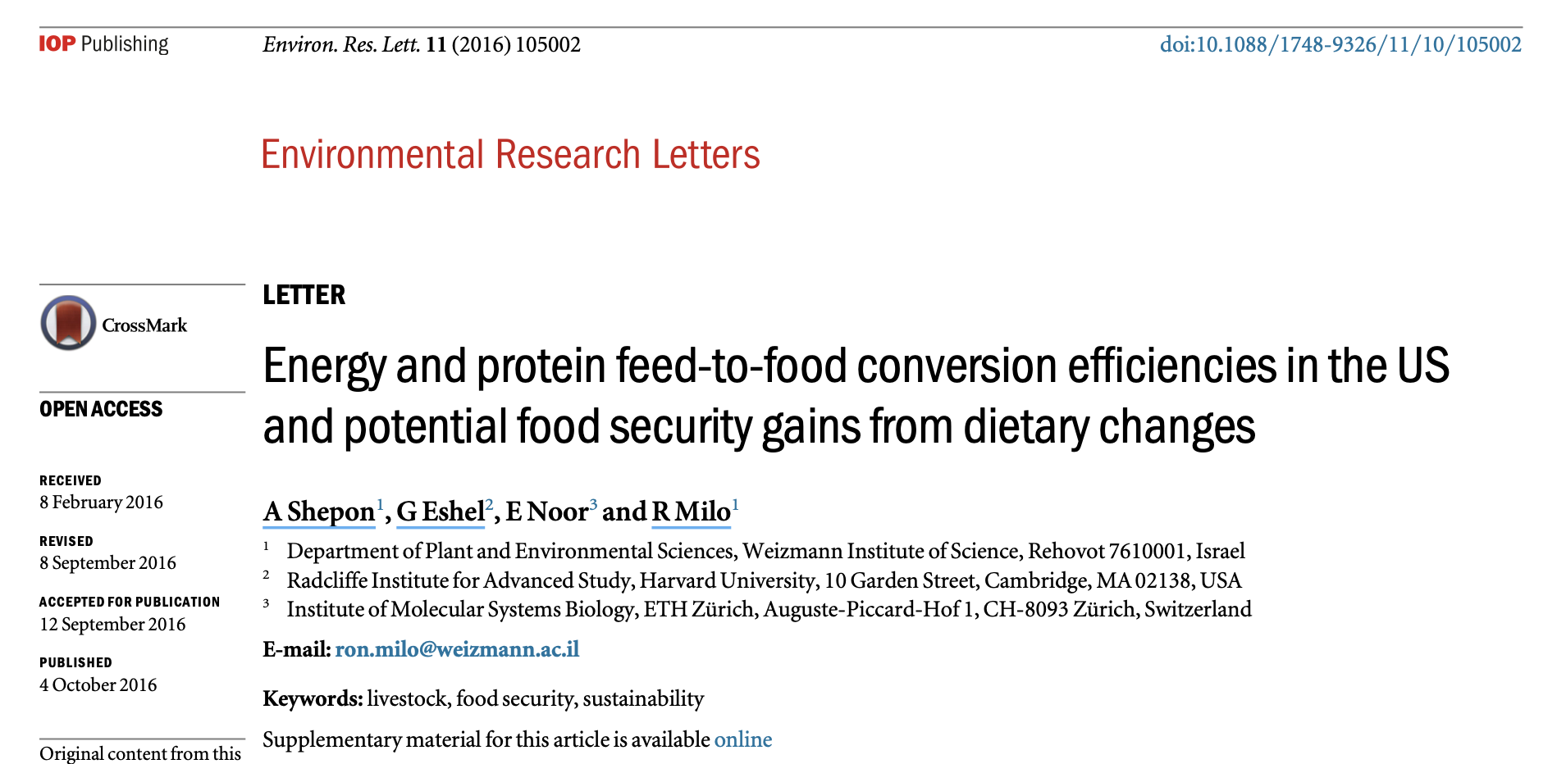
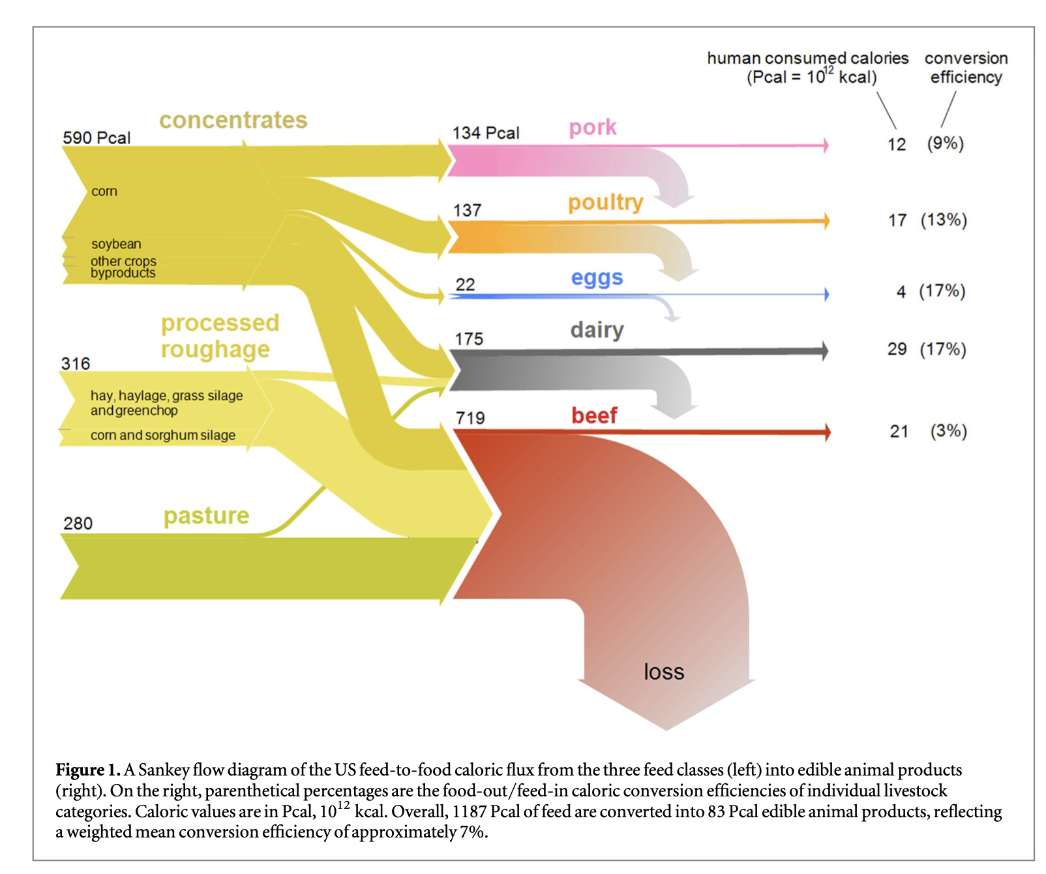
Food | feed_to_food_calorie_efficiency
Pork | 8.9552238806
Poultry | 12.408759124
Eggs | 18.181818182
Dairy | 16.571428571
Beef | 2.9207232267

