meta
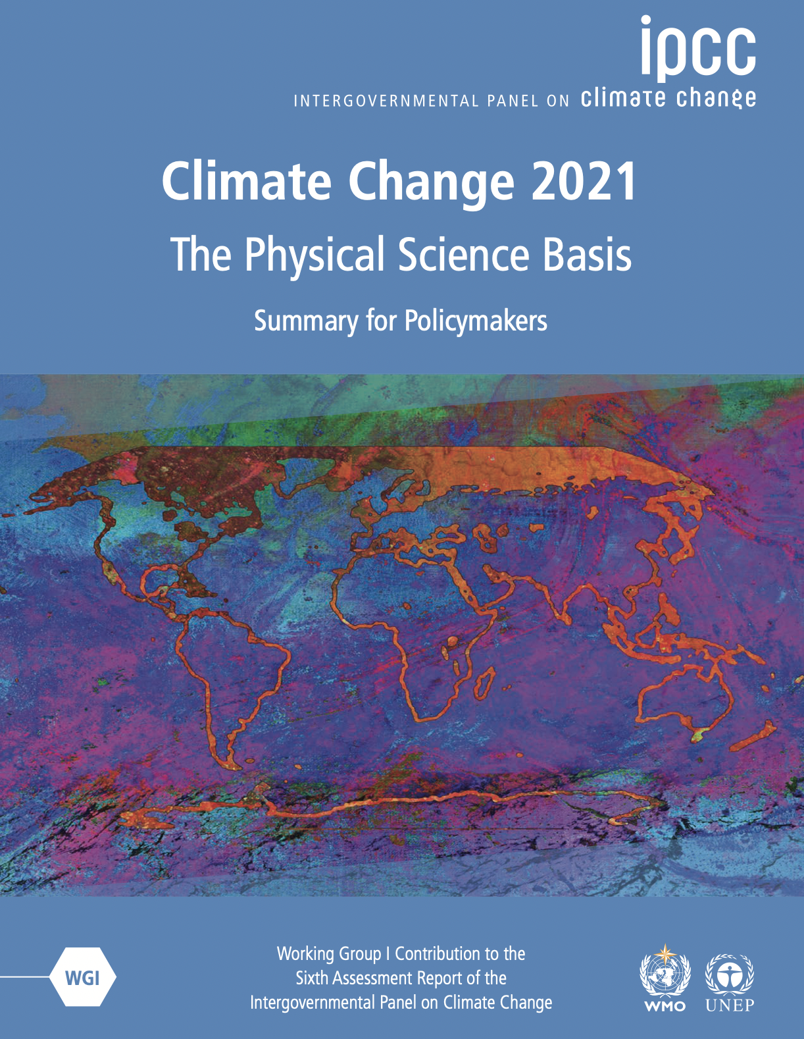
Data downloaded from: | https://data.ceda.ac.uk/badc/ar6_wg1/data/spm/spm_10/v20210809 | Summary for Policymakers of the Working Group I Contribution to the IPCC Sixth Assessment Report - data for Figure SPM.10 (v20210809)
Data are from this figure

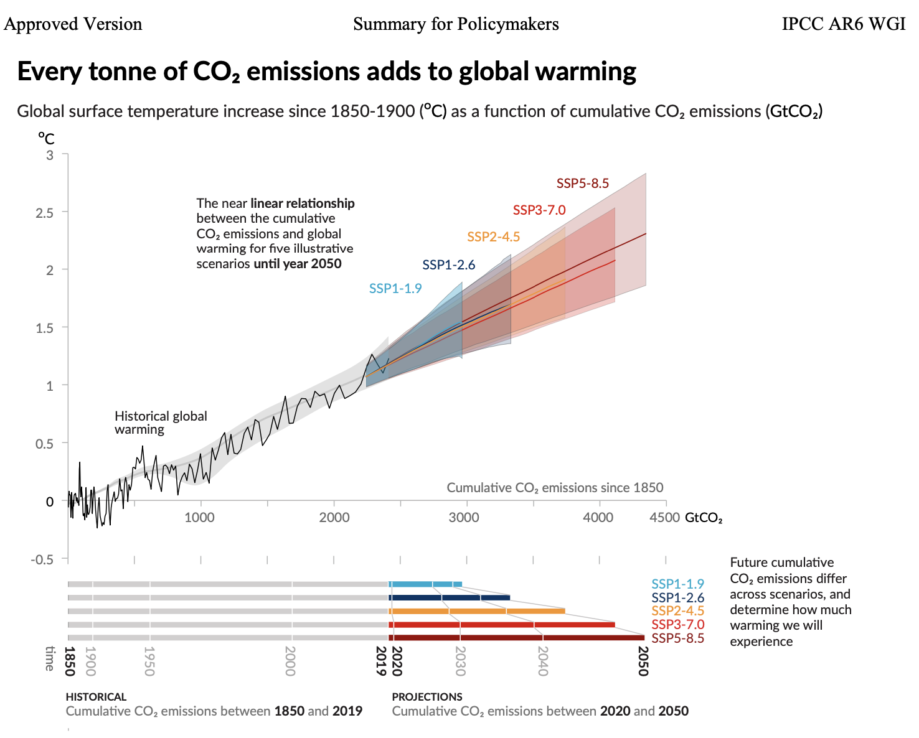
 |  | https://www.ipcc.ch/report/ar6/wg1/#InteractiveAtlas

