food-footprints
Entity | Code | Year | GHG emissions per kilogram (Poore & Nemecek, 2018)
Apples |  | 2010 | 0.43
Bananas |  | 2010 | 0.86
Barley |  | 2010 | 1.18
Beef (beef herd) |  | 2010 | 99.48
Beef (dairy herd) |  | 2010 | 33.3 | https://ourworldindata.org/environmental-impacts-of-food
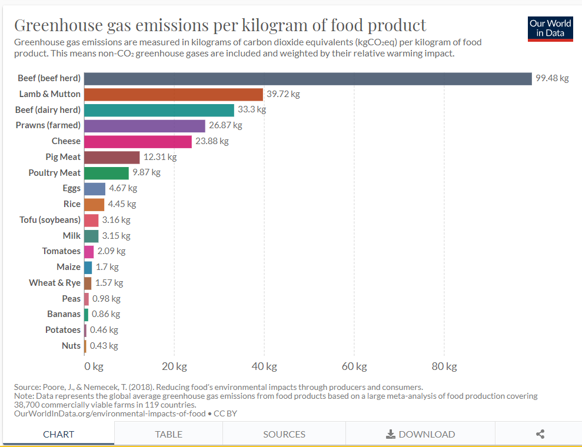
Beet Sugar |  | 2010 | 1.81
Berries & Grapes |  | 2010 | 1.53
Brassicas |  | 2010 | 0.51
Cane Sugar |  | 2010 | 3.2
Cassava |  | 2010 | 1.32
Cheese |  | 2010 | 23.88
Citrus Fruit |  | 2010 | 0.39
Coffee |  | 2010 | 28.53
Dark Chocolate |  | 2010 | 46.65
Eggs |  | 2010 | 4.67
Fish (farmed) |  | 2010 | 13.63
Groundnuts |  | 2010 | 3.23
Lamb & Mutton |  | 2010 | 39.72
Maize |  | 2010 | 1.7
Milk |  | 2010 | 3.15
Nuts |  | 2010 | 0.43
Oatmeal |  | 2010 | 2.48
Onions & Leeks |  | 2010 | 0.5
Other Fruit |  | 2010 | 1.05
Other Pulses |  | 2010 | 1.79
Other Vegetables |  | 2010 | 0.53
Peas |  | 2010 | 0.98
Pig Meat |  | 2010 | 12.31
Potatoes |  | 2010 | 0.46
Poultry Meat |  | 2010 | 9.87
Prawns (farmed) |  | 2010 | 26.87
Rice |  | 2010 | 4.45
Root Vegetables |  | 2010 | 0.43
Soymilk |  | 2010 | 0.98
Tofu (soybeans) |  | 2010 | 3.16
Tomatoes |  | 2010 | 2.09
Wheat & Rye |  | 2010 | 1.57
Wine |  | 2010 | 1.79

