data to plot
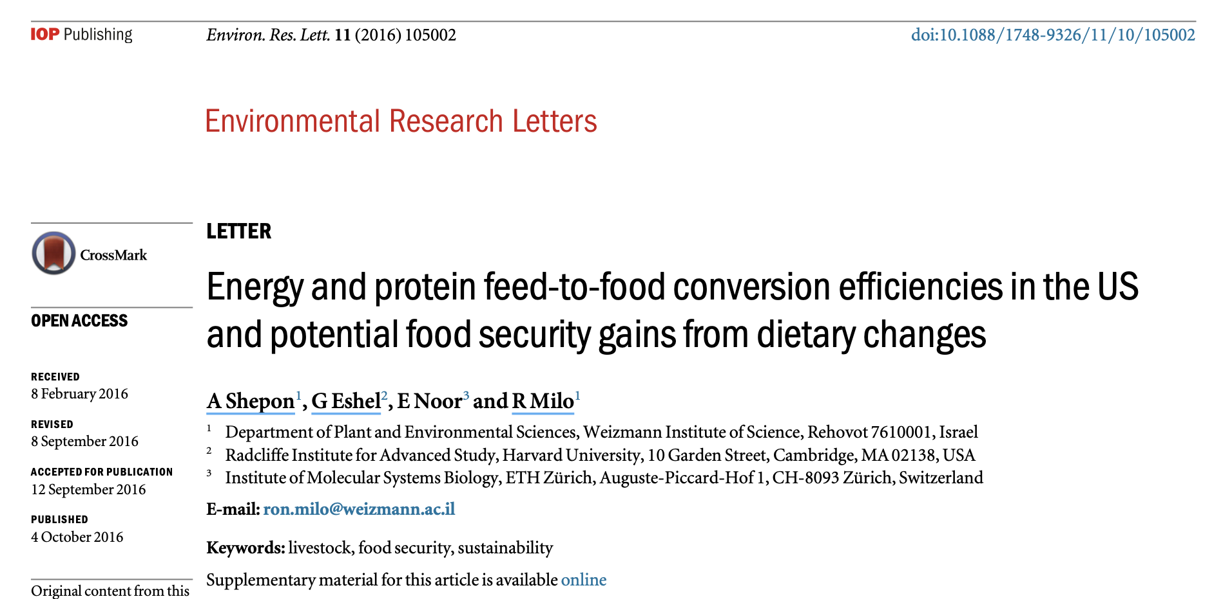
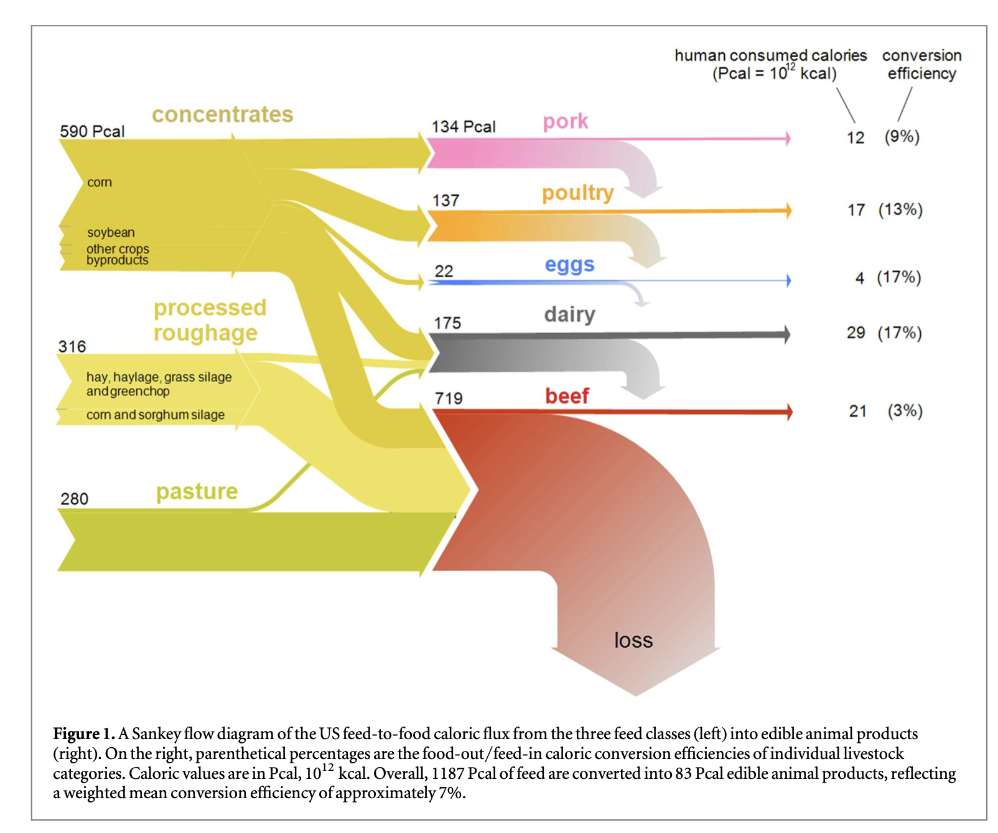
Food | feed_to_food_calorie_efficiency
Beef | 2.9207232267
Pork | 8.9552238806
Poultry | 12.408759124
Dairy | 16.571428571
Eggs | 18.181818182

