data to plot
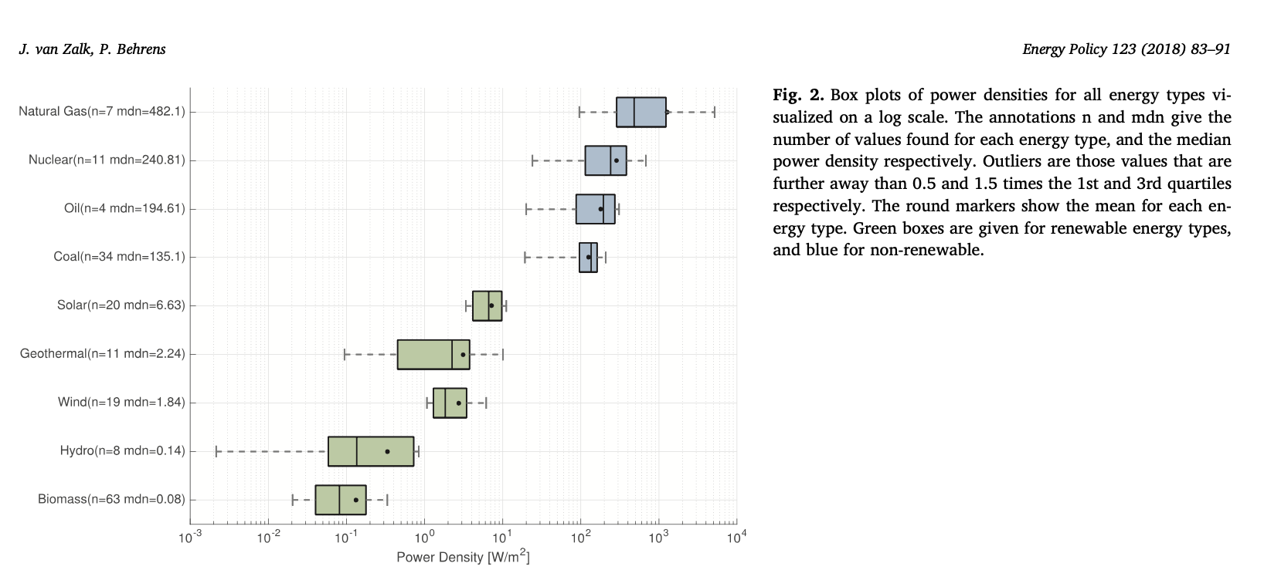
energy_source | power_density_W/m2
Natural gas | 482.1
Nuclear | 240.81
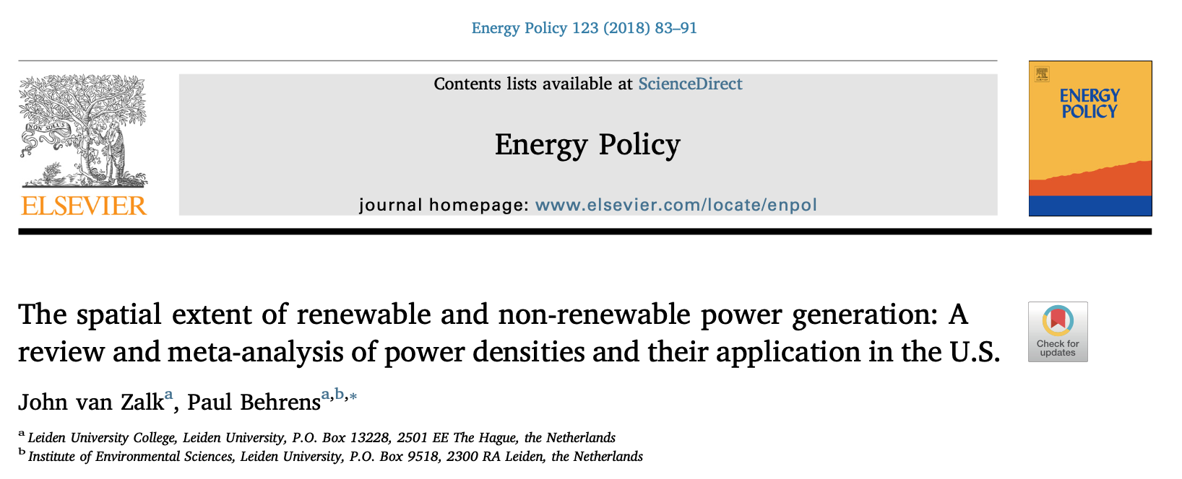
Oil | 194.61
Coal | 135.1
Solar | 6.63
Geothermal | 2.24
Wind | 1.84
Hydro | 0.14
Biomass | 0.08

