extracted data
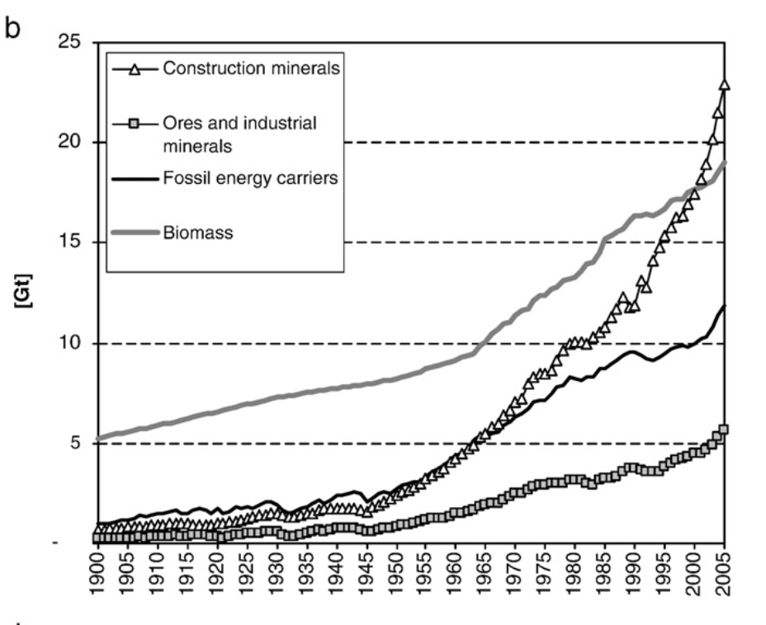
Year | Biomass [Gt] | Fossil [Gt] | Construction [Gt] | Ores [Gt]
1900 | 5.2023471977 | 0.99150126896 | 0.70371859 | 0.2596789
1901 | 5.2530595415 | 0.87024581952 | 0.67255449 | 0.2720914
1902 | 5.3310133458 | 0.9292523521 | 0.7445369 | 0.23583566
1903 | 5.4025798555 | 0.96548081599 | 0.73165518 | 0.24415378
1904 | 5.5098105759 | 1.0796579374 | 0.68096122 | 0.32328307
1905 | 5.5440667366 | 1.062858974 | 0.75440239 | 0.23625391
1906 | 5.5890922392 | 1.1687906763 | 0.70053601 | 0.25468375
1907 | 5.6924851593 | 1.2922369942 | 0.8011129 | 0.29971831
1908 | 5.7150350628 | 1.2637427043 | 0.76720288 | 0.26437835
1909 | 5.8210285992 | 1.2790272 | 0.90267542 | 0.27564951
1910 | 5.8904014523 | 1.4501837525 | 0.90389799 | 0.26753071
1911 | 5.9650244825 | 1.4636168862 | 0.96692718 | 0.31675177
1912 | 5.9644017795 | 1.5308574515 | 1.02720078 | 0.36227237
1913 | 6.0409281873 | 1.6050192924 | 0.95988993 | 0.25330632
1914 | 6.1280305471 | 1.4540024131 | 1.02857252 | 0.30895535
1915 | 6.1980013611 | 1.4571377691 | 0.947746 | 0.34451712
1916 | 6.2962488278 | 1.6260147068 | 0.97202336 | 0.436451
1917 | 6.3741499299 | 1.6929798417 | 0.99845389 | 0.41822165
1918 | 6.4474297803 | 1.626236904 | 0.9825024 | 0.33183596
1919 | 6.4500840208 | 1.4771365903 | 0.88760172 | 0.29082581
1920 | 6.5374977368 | 1.6796191739 | 0.99527842 | 0.31384643
1921 | 6.5820364264 | 1.4703311899 | 1.00496202 | 0.25929411
1922 | 6.6905495392 | 1.501359966 | 1.06725675 | 0.36323874
1923 | 6.783490348 | 1.6909795283 | 1.03510475 | 0.4383571
1924 | 6.8629208842 | 1.7063346005 | 1.05289125 | 0.41595145 | Fig. 1b in
1925 | 6.9493663329 | 1.765898016 | 1.1868584 | 0.52207598 | F. Krausmann, S. Gingrich, N. Eisenmenger, K.-H. Erb, H. Haberl, and M. Fischer-Kowalski. Growth in global materials use, gdp and population during the 20th century. Ecological Economics, 68(10):2696– 2705, 2009.
1926 | 6.9877034555 | 1.651272945 | 1.33740165 | 0.4531355
1927 | 7.0371337862 | 1.7857442426 | 1.4102807 | 0.52331515
1928 | 7.1263569343 | 2.0150071135 | 1.379259 | 0.57764853
1929 | 7.2292482008 | 1.9460903504 | 1.42582004 | 0.58800374
1930 | 7.2972762729 | 1.7675450537 | 1.44596819 | 0.58934705
1931 | 7.2999257114 | 1.5921754347 | 1.45700407 | 0.40328253
1932 | 7.3544146524 | 1.4777292393 | 1.30829875 | 0.31443244
1933 | 7.3811509196 | 1.5177734036 | 1.35232732 | 0.33203259
1934 | 7.4486068585 | 1.6328949534 | 1.41610939 | 0.39615242
1935 | 7.516333054 | 1.7073513002 | 1.52809935 | 0.55980268
1936 | 7.5842644073 | 1.866843965 | 1.50592968 | 0.51915768
1937 | 7.5981521538 | 1.9765622066 | 1.65872816 | 0.68036086
1938 | 7.652897272 | 1.9253144249 | 1.79483798 | 0.55917687
1939 | 7.7054595627 | 2.0242266094 | 1.94230393 | 0.69261548
1940 | 7.7046958635 | 2.16502839 | 1.76075169 | 0.75791801
1941 | 7.7917285074 | 2.2950700608 | 1.76333417 | 0.74885178
1942 | 7.7991335629 | 2.4484116798 | 1.71402313 | 0.74868003
1943 | 7.8730821443 | 2.5227810234 | 1.72327575 | 0.74230709
1944 | 7.8665861081 | 2.4187503701 | 1.65218186 | 0.70015261
1945 | 7.9210960723 | 2.0817457314 | 1.56863639 | 0.58652131
1946 | 7.9369937411 | 2.1131788221 | 1.58913073 | 0.6009667
1947 | 8.0279420155 | 2.3091580645 | 1.8747594 | 0.69529893
1948 | 8.0955616064 | 2.4101115667 | 1.88192325 | 0.80413017
1949 | 8.154444799 | 2.4342648036 | 2.25326904 | 0.73625615
1950 | 8.1823161588 | 2.6111357837 | 2.43330567 | 0.84300465
1951 | 8.2775799403 | 2.6863881188 | 2.36208606 | 0.84369061
1952 | 8.3659806607 | 2.8663396009 | 2.54449728 | 0.93456274
1953 | 8.4676004937 | 2.9877434456 | 2.73956996 | 1.01460425
1954 | 8.5758225342 | 3.0821816241 | 2.95506712 | 1.09234284
1955 | 8.6923962119 | 3.3590689219 | 3.09152856 | 1.19315979
1956 | 8.7846051022 | 3.5629828106 | 3.1260773 | 1.19787728
1957 | 8.8570165583 | 3.6731671685 | 3.49341341 | 1.22811962
1958 | 8.9632459329 | 3.8942904331 | 3.63238975 | 1.25829053
1959 | 9.0413784958 | 4.1508000706 | 4.06967885 | 1.44299451
1960 | 9.1575402249 | 4.3700521596 | 4.24520548 | 1.42333936
1961 | 9.2622116129 | 4.6968752532 | 4.49349094 | 1.52474913
1962 | 9.336136112 | 4.7499354963 | 4.74962996 | 1.60603665
1963 | 9.5536968885 | 5.1003397705 | 4.94961643 | 1.74109747
1964 | 9.7614391381 | 5.2587888164 | 5.20986107 | 1.82877012
1965 | 10.093091323 | 5.473545685 | 5.44565188 | 2.01227705
1966 | 10.27214372 | 5.4689034682 | 5.67737665 | 2.01451426
1967 | 10.679105161 | 5.5781531901 | 5.77853546 | 1.99766127
1968 | 10.867551471 | 5.8148082153 | 6.10366673 | 2.21452794
1969 | 11.062851572 | 6.0968947145 | 6.38534771 | 2.33725606
1970 | 11.363848034 | 6.2992198647 | 6.96573582 | 2.48278114
1971 | 11.556406893 | 6.4466352648 | 7.18934458 | 2.51923521
1972 | 11.74481234 | 6.6753116585 | 7.97928278 | 2.7950784
1973 | 12.009260201 | 7.0146525198 | 8.16431977 | 2.84602296
1974 | 12.295837076 | 7.1027460691 | 8.40182613 | 2.95537631
1975 | 12.395627399 | 7.1437903877 | 8.45838247 | 2.92430705
1976 | 12.666601923 | 7.4553196094 | 8.64812862 | 3.01272256
1977 | 12.786932535 | 7.7740456361 | 9.16650474 | 2.99168962
1978 | 13.076627229 | 7.8904977279 | 9.74506306 | 2.99634536
1979 | 13.19542398 | 8.2295531457 | 9.93106358 | 3.16167674
1980 | 13.320322454 | 8.1883029521 | 9.98222336 | 3.15306095
1981 | 13.651282547 | 8.1136182152 | 9.97990778 | 3.15333167
1982 | 13.789369131 | 8.2760980688 | 9.96259497 | 2.97821498
1983 | 14.124985825 | 8.3024295144 | 10.2319673 | 2.90052823
1984 | 14.547729045 | 8.6479633944 | 10.55759 | 3.17950495
1985 | 15.068140297 | 8.7155455839 | 10.7354282 | 3.25315222
1986 | 15.284313948 | 8.9272112675 | 11.3138902 | 3.20398098
1987 | 15.535836375 | 9.1274785139 | 11.716879 | 3.31516276
1988 | 15.81566105 | 9.3507293638 | 12.1917897 | 3.52209191
1989 | 16.093441032 | 9.5048891206 | 11.7607307 | 3.53770118
1990 | 16.31451353 | 9.5059431318 | 11.8440094 | 3.68880582
1991 | 16.366554274 | 9.3624656845 | 12.9801181 | 3.71854079
1992 | 16.420042951 | 9.1806479624 | 12.7346652 | 3.64039636
1993 | 16.35878611 | 9.1190974554 | 14.1256358 | 3.47426196
1994 | 16.521639448 | 9.2541128289 | 14.7877331 | 3.50039107
1995 | 16.676410419 | 9.443481547 | 15.2339205 | 3.84137476
1996 | 16.980882264 | 9.6667949049 | 15.8445497 | 3.98212488
1997 | 17.13850442 | 9.8356812875 | 16.3018086 | 4.15253708
1998 | 17.296522553 | 9.8696893012 | 16.4754655 | 4.22306947
1999 | 17.493714157 | 9.8406855247 | 16.9816637 | 4.33417409
2000 | 17.748521201 | 9.941692313 | 17.4772765 | 4.50307232
2001 | 17.8939734 | 10.162338969 | 18.2501671 | 4.55057577
2002 | 18.02479783 | 10.332007064 | 18.9533764 | 4.75152019
2003 | 18.304787131 | 10.78820746 | 20.1948242 | 4.90996351
2004 | 18.580762109 | 11.411814543 | 21.3939622 | 5.37686572
2005 | 18.955373574 | 11.64095491 | 22.8235153 | 5.65898674

