C25 publications, US Census
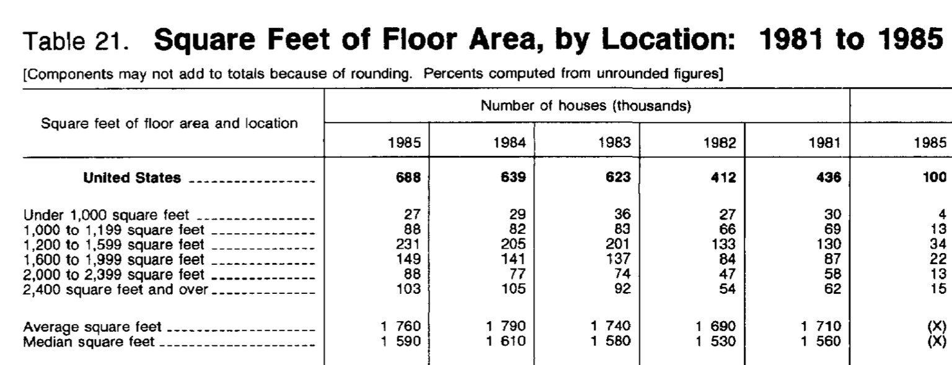
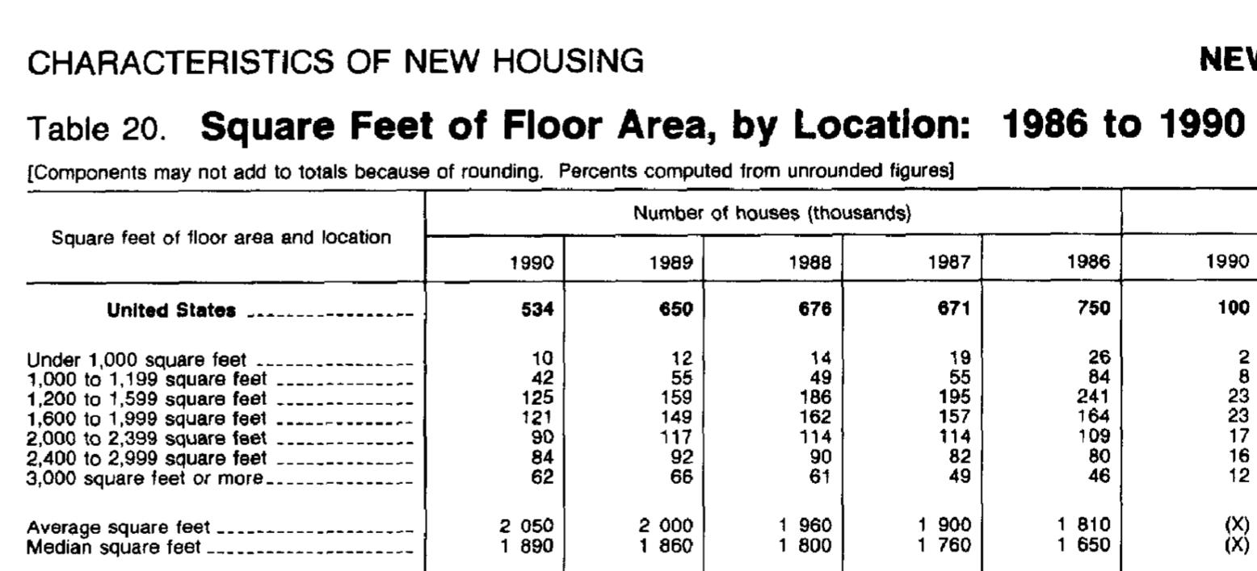
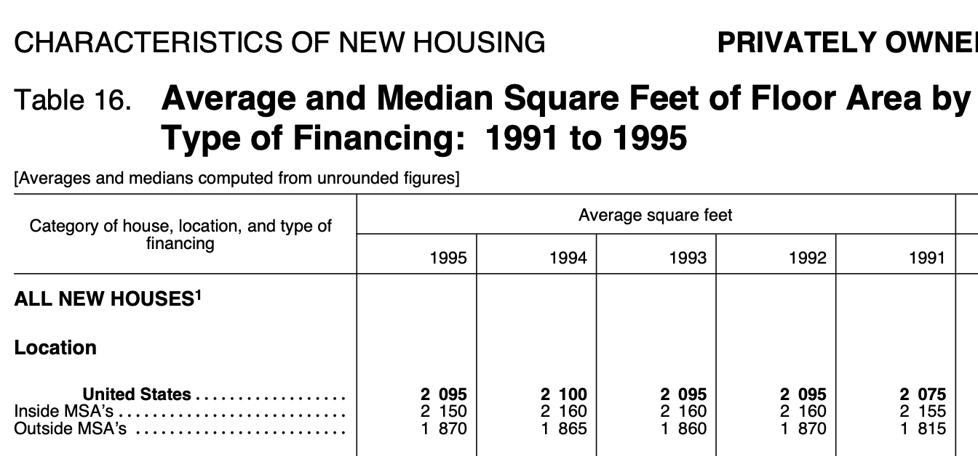
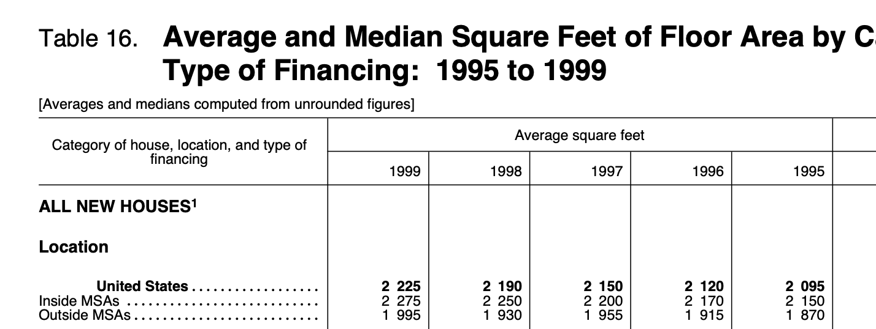
Year | average_home_size_ft2 | Source
1971 | 1520 | Table 15, https://www.census.gov/prod/1/constr/c25/c25-7513.pdf
1972 | 1555 | Table 15, https://www.census.gov/prod/1/constr/c25/c25-7513.pdf
1973 | 1660 | Table 15, https://www.census.gov/prod/1/constr/c25/c25-7513.pdf
1974 | 1670 | Table 21, https://www.census.gov/construction/chars/pdf/c25-7713.pdf
1975 | 1660 | Table 21, https://www.census.gov/construction/chars/pdf/c25-7713.pdf
1976 | 1710 | Table 21, https://www.census.gov/construction/chars/pdf/c25-7713.pdf
1977 | 1720 | Table 21, https://www.census.gov/construction/chars/pdf/c25-7713.pdf
1978 | 1750 | Table 21, https://www.census.gov/prod/1/constr/c25/c25-8013.pdf
1979 | 1760 | Table 21, https://www.census.gov/prod/1/constr/c25/c25-8013.pdf
1980 | 1700 | Table 21, https://www.census.gov/prod/1/constr/c25/c25-8013.pdf
1981 | 1710 | Table 21, https://www.census.gov/prod/1/constr/c25/c25-8513.pdf
1982 | 1690 | Table 21, https://www.census.gov/prod/1/constr/c25/c25-8513.pdf
1983 | 1740 | Table 21, https://www.census.gov/prod/1/constr/c25/c25-8513.pdf
1984 | 1790 | Table 21, https://www.census.gov/prod/1/constr/c25/c25-8513.pdf
1985 | 1760 | Table 21, https://www.census.gov/prod/1/constr/c25/c25-8513.pdf
1986 | 1810 | Table 20, https://www.census.gov/prod/1/constr/c25/c25-9013.pdf
1987 | 1900 | Table 20, https://www.census.gov/prod/1/constr/c25/c25-9013.pdf
1988 | 1960 | Table 20, https://www.census.gov/prod/1/constr/c25/c25-9013.pdf
1989 | 2000 | Table 20, https://www.census.gov/prod/1/constr/c25/c25-9013.pdf
1990 | 2050 | Table 20, https://www.census.gov/prod/1/constr/c25/c25-9013.pdf
1991 | 2075 | Table 16, https://www.census.gov/prod/1/constr/c25/c25_95a.pdf
1992 | 2095 | Table 16, https://www.census.gov/prod/1/constr/c25/c25_95a.pdf
1993 | 2095 | Table 16, https://www.census.gov/prod/1/constr/c25/c25_95a.pdf
1994 | 2100 | Table 16, https://www.census.gov/prod/1/constr/c25/c25_95a.pdf
1995 | 2095 | Table 16, https://www.census.gov/prod/1/constr/c25/c25_95a.pdf
1996 | 2120 | Table 16, https://www.census.gov/prod/2000pubs/c25-99a.pdf
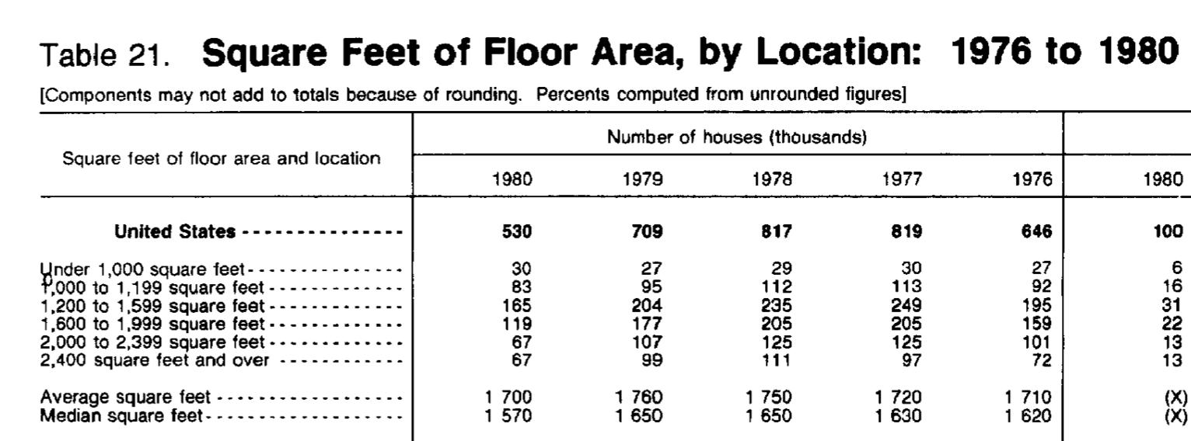
1997 | 2150 | Table 16, https://www.census.gov/prod/2000pubs/c25-99a.pdf
1998 | 2190 | Table 16, https://www.census.gov/prod/2000pubs/c25-99a.pdf

