1_Case study 1 - Car
Case study 1: New car. |  |  | Key
 |  |  |  | raw data (input) cells
 |  |  |  | Calculated Rebound (Re) values
macro multiplier, k | 1.0
price of gasoline | 2.63 | $/USgallon
Fusion Titanium 2.0L gasoline car - capital purchase cost | 35,460 | $
Fusion Titanium 2.0L gasoline car - lifetime | 14 | yr
Fusion Titanium 2.0L gasoline car - mpg | 25.0 | miles/USgallon
Fusion Titanium 2.0L gasoline car - embodied energy | 34,000 | MJ
Fusion Titanium 2.0L gasoline car - 14 year av. Op + maintance Costs | $5,049.5 | $/yr
Fusion Titanium 2.0L gasoline car - av. Yearly Disposal Costs | $-21.4 | $/yr
Fusion Titanium 2.0L Hybrid car - capital purchase cost | 35,255 | $
Fusion Titanium 2.0L Hybrid car - lifetime | 14 | yr
Fusion Titanium 2.0L Hybrid car - mpg | 42.0 | miles/USgallon
Fusion Titanium 2.0L Hybrid car - embodied energy | 40,000 | MJ
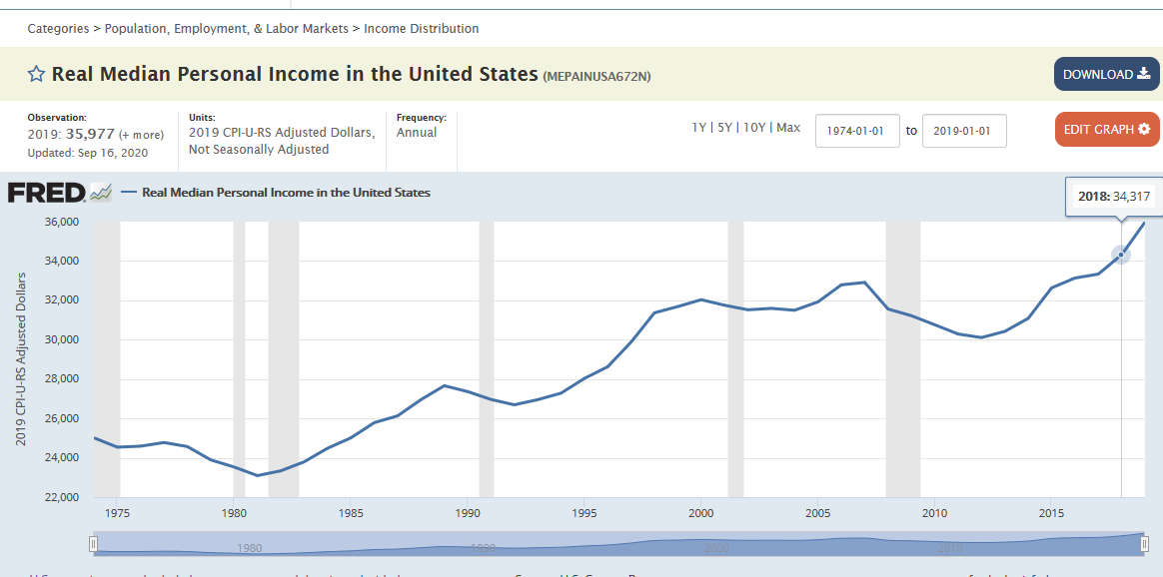
Fusion Titanium 2.0L hybrid car - 14 year av. Op + maintance Costs | $4,778.8 | $/yr
Fusion Titanium 2.0L hybrid car - av yearly disposal costs | $-21.4 | $/yr
miles driven prior to upgrade | 12,416 | miles/year
Real median personal income US, in 2018 | 34,317 | $/year | https://fred.stlouisfed.org/series/MEPAINUSA672N
US Disposable income / real income (minus current taxes) | 0.88319 | -- | BEA NIPA Table 2.1 | https://apps.bea.gov/iTable/index_nipa.cfm
Savings from disposable income | 0.07848 | -- | BEA NIPA Table 2.1 | https://apps.bea.gov/iTable/index_nipa.cfm
fraction of spend on original energy service | 0.065803 |  | BEA Table 2.1, accessed May 13 2021
real interest rate, r | 3.0 | % | BEA Line | Item Description |  |  | 2018
 |  |  | 1 | Personal income |  |  | $17,851.8
Output summary |  |  | 27 | Disposable personal income |  |  | $15,766.5
Re_sum_1 | 35.4% |  | 34 | Personal savings out of disposable income |  |  | $1,237.3
Re_sum_2 | 35.4% |  | 27/1 | Multiply to generate disposable income from personal income |  |  | 0.88319
∆ | 0.00% |  | 34/27 | Multiply to generate personal savings out of personal disposable income |  |  | 0.07848
Takeback | 9,014 | MJ/yr

$${f_{{\dot{C}}_{s}}^{°}}_{}$$
$${\text{ϵ}°}_{{\dot{q}}_{s,}p_{s,}}$$
Elasticities + discounting terms | Equation in main paper | Symbol in paper | Symbol in paper | Value | use
Share of income spent on q_s |  |  | f_{C_o_s} | 0.066
original uncompensated own price elasticity of demand |  |  | epilson°_{q_s,p_s} | -0.2 | sigma + rho
$${\text{ϵ}}_{{\dot{q}}_{s,}\dot{M}}$$
Income elasticity of demand for q_s |  |  | epsilon_{q_s,M} | 1 | Re_dinc
$${\text{ϵ}}_{{\dot{q}}_{o,}\dot{M}}$$
Income elasticity of demand for q_o |  |  | epsilon_{q_o,M} | 1 | Re_iinc
elasticity of substitution |  | σ | sigma | 0.144
$${Φ_{1year}^{°}}_{}$$
 |  | ρ | rho | -5.961
$${Φ_{t}^{°}}_{life}$$
old device, Discounting variable phi, t = start year 1 |  |  | Phi°_t1 | 34.33
$${γ_{1year}^{°}}_{}$$
old device, Discounting variable phi, t = end of life year |  |  | Phi°_t_life | 2.95
$${γ_{t}^{°}}_{life}$$
old device, Discounting variable gamma, t = start year 1 |  |  | Gamma°_t1 | 34.33
$${R_{α}^{°}}_{}$$
old device, Discounting variable gamma, t = end of life year |  |  | Gamma°_t_life | 1.95
$${R_{ω}^{°}}_{}$$
old device, Discounting variable R_alpha |  |  | R°_alpha | 1.20
$${Φ_{1year}^{∗}}_{}$$
old device, Discounting variable R_omega |  |  | R°_omega | 0.80
$${Φ_{t}^{∗}}_{life}$$
new device, Discounting variable phi, t = start year 1 |  |  | Phi*_t1 | 34.33
$${γ_{1year}^{∗}}_{}$$
new device, Discounting variable phi, t = end of life year |  |  | Phi*_t_life | 2.95
$${γ_{t}^{∗}}_{life}$$
new device, Discounting variable gamma, t = start year 1 |  |  | Gamma*_t1 | 34.33
$${R_{α}^{∗}}_{}$$
new device, Discounting variable gamma, t = end of life year |  |  | Gamma*_t_life | 1.95
$${R_{ω}^{∗}}_{}$$
new device, Discounting variable R_alpha |  |  | R*_alpha | 1.20
new device, Discounting variable R_omega |  |  | R*_omega | 0.80

Variable / description |  | Symbol in paper | Symbol in paper | Value | units | Notes | Source

Energy carrier
Gasoline specific energy (HHV) |  |  |  | 44.6 | MJ/kg |  | Jaffe & Taylor, 2018, Physics of Energy, p. 208
Gasoline energy density (SI Units) |  |  |  | 33.45 | MJ/L |  | assuming a density of 0.75kg/liter
Gasoline energy density (US Units) |  |  |  | 127 | MJ/gallon |  | Borenstein assumes $3/gallon; L/gallon = 3.7855
Price of gasoline (US Units), 2018 average US price for consumers |  |  |  | 2.63 | $/gallon |  | average weekly fuel cost for 2018, = $2.63/gallon https://www.eia.gov/petroleum/gasdiesel/
$$p_{E}$$
Price of energy in gasoline |  |  | p_E | 0.021 | $/MJ

Conversion factors
Liters per gallon |  |  |  | 3.7854 | L/gallon
kilometers per mile |  |  |  | 1.609344 | km/mile

Economy wide intensity
US Final energy use in 2018, from IEA (ktoe) |  | for 2018, latest freely available data on IEA |  | 1,594,130 | ktoe/yr |  | IEA Headlines data download 13 May 2021 from https://www.iea.org/reports/world-energy-balances-overview
US Final energy use in 2018, from IEA (ktoe) |  | converted to MJ |  | 66,743,018,385,876 | MJ/yr |  | conversion factor from Table A.II.7, Annex 2, IPCC AR5, https://www.ipcc.ch/site/assets/uploads/2018/02/ipcc_wg3_ar5_annex-ii.pdf
US GDP |  | for 2018, in 2018 USD |  | 20,612 | $ billion/yr |  | BEA, NIPA, Table 1.1.5 | https://apps.bea.gov/iTable/index_nipa.cfm
$$I_{E}$$
Energy intensity |  |  | I_E | 3.24 | MJ/$
first approximation of Re_iinc |  |  | p_E * I_E | 6.73% | --

$$C_{cap}$$
$$η$$
Car specs: Car before upgrade
Car price - capital expenditure |  |  | C_cap | 35,460 | $/car
Fuel Economy pre upgrade |  |  | Eta | 25 | miles/gallon
$${\dot{q}}_{s}$$
$$p_{s}$$
Energy service price pre upgrade |  |  | p_s | 0.105 | $/mile
$${\dot{E}}_{s}$$
Miles driven prior to upgrade |  |  | qdot_s | 12,416 | miles/yr |  | https://www.carinsurance.com/Articles/average-miles-driven-per-year-by-state.aspx
Device energy consumption rate, pre-upgrade |  |  | Edot_s | 62,885 | MJ/yr |  | https://www.bts.gov/content/us-passenger-miles
$$E_{emb}$$
Embodied energy |  |  | E_emb | 34,000 | MJ |  | average miles is 13476 according to FHWA, but Edmunds assumes 15000
$t$⁰_{life}
lifetime of old car |  |  | t⁰_life | 14 | yr
$${\dot{C}}_{cap}$$
Capital cost rate |  |  | Cdot_cap | 2,533 | $/yr
$${\dot{E}}_{emb}$$
Embodied energy rate |  |  | Edot_emb | 2,429 | MJ/yr
$${\dot{C⁰}}_{om}$$
operation and maintenance expenditure rate |  |  | C°dot_om | 5,050 | $/yr
$${\dot{C⁰}}_{d}$$
disposal costs expenditure rate |  |  | C°dot_d | -21 | $/yr
$${\dot{C⁰}}_{omd}$$
Operation, maintainance & disposal expenditure rate |  |  | C°dot_omd | 5,032 | $/yr

$$C_{cap}^{∗}$$
$C_{cap}^{∗}=C_{cap}^{^}$ =$C_{cap}^{−}$
$$η^{\sim }$$
$η^{∗}=η^{^}$ =$η^{−}\text{=} η^{\sim }$
Car specs: Car after upgrade
Car price - capital expenditure |  |  | C*_cap | 35,255 | $/car
Fuel Economy post upgrade |  |  | Eta_tilde | 42.0 | miles/gallon
$$p_{s}^{∗}$$
$p_{s}^{∗}=p_{s}^{^}$ =$p_{s}^{−}\text{=} p_{s}^{\sim }$
Energy service price post upgrade |  |  | p_s_star | 0.063 | $/mile
$${\dot{q}}_{s}^{∗}$$
Miles driven, after emplacement (same as b4 empl) |  |  | qdot_s_star | 12,416 | miles/yr
$${\dot{q}}_{s}^{^}$$
Miles driven, after substitution effects |  |  | qdot_s_hat | 13,323 | miles/yr
$${\dot{q}}_{s}^{−}$$
Miles driven, after income effects |  |  | qdot_s_bar | 13,899 | miles/yr
$${\dot{E}}_{s}^{∗}$$
Device energy consumption rate, after emplacement effects |  |  | Edot_s_star | 37,432 | MJ/yr
$${\dot{E}}_{s}^{^}$$
Device energy consumption rate, after substitution effects |  |  | Edot_s_hat | 40,167 | MJ/yr
$${\dot{E}}_{s}^{−}$$
Device energy consumption rate, after income effects |  |  | Edot_s_bar | 41,903 | MJ/yr
$${\dot{S}}_{dev}^{}$$
Expected savings rate, after emplacement |  |  | Sdot_dev | 25,454 | MJ/yr
$$E_{emb}$$
Embodied energy |  |  | E*_emb | 40,000 | MJ
$$t^{∗}life$$
lifetime of new car |  |  | t*_life | 14 | yr
$${\dot{C}}_{cap}^{∗}$$
Capital cost rate |  |  | Cdot*_cap | 2,518 | $/yr
$${\dot{E}}_{emb}^{∗}$$
${\dot{E}}_{emb}^{∗}$=${\dot{E}}_{emb}^{^}$=${\dot{E}}_{emb}^{−}$=${\dot{E}}_{emb}^{\sim }$
Embodied energy rate |  |  | Edot*_emb | 2,857 | MJ/yr
$${\dot{C}}_{om}^{∗}$$
operation and maintenance expenditure rate |  |  | Cdot*_om | 4,779 | $/yr
$${\dot{C∗}}_{d}$$
${\dot{C}}_{OMd}^{∗}$=${\dot{C}}_{OMd}^{^}$=${\dot{C}}_{OMd}^{−}$=${\dot{C}}_{OMd}^{\sim }$
disposal costs expenditure rate |  |  | Cdot*_d | -21 | $/yr
$${\dot{C∗}}_{omd}$$
Operation, maintainance & disposal expenditure rate |  |  | Cdot*_omd | 4,762 | $/yr
$η^{\sim }$/$η$
Efficiency ratio |  |  | eta_tilde / eta | 1.680 | --

Consumer and other financial data
Real median personal income US, in 2018 |  |  |  | 34,317 | $/yr
US Disposable income / real income (minus current taxes) |  |  |  | 0.8832 | --
Savings from disposable income |  |  |  | 0.07848 | --
$$\dot{M}$$
$\dot{M}{\text{=}\dot{M}}^{∗}{\text{=}\dot{M}}^{^}$=${\dot{M}}^{−}\text{=}{\dot{M}}^{\sim }$
Personal outlays (consumption) |  |  | Mdot | 27,930 | $/yr
$${\dot{M′}}^{^}$$
 |  |  | Mdot_prime_hat | 19,304 | $/yr
$$\dot{G}$$
${\dot{G}}^{∗}{\text{=} \dot{G}}^{^}$=${\dot{ G}}^{−}$
Expected savings rate ($/yr), i.e. energy savings x price of fuel |  |  | Gdot | 529 | $/yr
$${Δ\dot{C}}_{cap}^{∗}$$
$${Δ\dot{(RαC}}_{cap)}^{})∗$$
${Δ\dot{C}}_{cap}^{^}={Δ\dot{C}}_{cap}^{−}$=${Δ\dot{C}}_{cap}^{\sim }$=0
Change in capital expenditure rate (after emplacement) |  |  | ∆C_star_cap | -15 | $/yr
$${Δ\dot{C}}_{omd}^{∗}$$
${Δ\dot{C}}_{md}^{^}={Δ\dot{C}}_{md}^{−}$=${Δ\dot{C}}_{md}^{\sim }$=0
Change in discounted capital expenditure rate (after emplacement) |  |  | ∆(R_alphaC_cap)_star | -18 | $/yr
Change in Op. maint & disposal expenditure rate (after emplacement) |  |  | ∆C_star_omd | -271 | $/yr
$${\dot{C}}_{o}^{}$$
Other goods expenditure rate, pre-upgrade |  |  | Cdot_o | 18,543 | $/yr
$${\dot{C}}_{o}^{∗}$$
$${\dot{C}}_{o}^{}={\dot{C}}_{o}^{∗}$$
Other goods expenditure rate, after emplacement effect |  |  | Cdot_o_star | 18,543 | $/yr
$${\dot{C}}_{o}^{^}$$
Other goods expenditure rate, after substitution effect |  |  | Cdot_o_hat | 18,469 | $/yr
$${\dot{C}}_{o}^{−}$$
Other goods expenditure rate, after income effects |  |  | Cdot_o_bar | 19,268 | $/yr
$${\dot{C}}_{o}^{\sim }$$
$${\dot{C}}_{o}^{\sim }={\dot{C}}_{o}^{−}$$
Other goods expenditure rate, after productivity effects |  |  | Cdot_o_tilde | 19,268 | $/yr
$$\dot{N}$$
Net income (pre-upgrade) |  |  | Ndot | 0 | $/yr
$${\dot{N}}^{∗}$$
Net income (after emplacement effect) |  |  | Ndot_star | 817 | $/yr
$${\dot{N}}^{^}$$
Net income (after substitution effect) |  |  | Ndot_hat | 834 | $/yr
$${\dot{N}}^{−}$$
Net income (after income effect) |  |  | Ndot_bar | 0 | $/yr
$${\dot{N}}^{\sim }$$
Net income (after productivity effect) |  |  | Ndot_tilde | 0 | $/yr

__
$$p_{E}$$
$$I_{E}$$
 | Units | symbol | o (Original) | * (star) | ^ (hat) | (bar) | ~ (tilde)
Energy price | $/MJ |  | 0.021 | 0.021 | 0.021 | 0.021 | 0.021
Energy intensity | MJ/$ |  | 3.238 | 3.238 | 3.238 | 3.238 | 3.238
$$η$$
Energy service efficiency | miles/gallon |  | 25 | 42 | 42 | 42 | 42
$$p_{s}$$
Energy service price | $/mile |  | 0.105 | 0.063 | 0.063 | 0.063 | 0.063
$${\dot{q}}_{s}$$
Energy service consumption rate | miles/yr |  | 12,416 | 12,416 | 13,323 | 13,899 | 13,899
$${\dot{E}}_{s}$$
Device energy consumption rate | MJ/yr |  | 62,885 | 37,432 | 40,167 | 41,903 | 41,903
$${\dot{E}}_{emb}$$
Embodied energy rate | MJ/yr |  | 2,429 | 2,857 | 2,857 | 2,857 | 2,857 |  | Budget constraint check
$${\dot{C}}_{cap}$$
$${\dot{C}}_{omd}$$
Capital expenditure rate | $/yr |  | 2,533 | 2,518 | 2,518 | 2,518 | 2,518
$${\dot{C}}_{s}$$
Ops., Maint., and disposal expenditure rate | $/yr |  | 5,032 | 4,762 | 4,762 | 4,762 | 4,762
Energy service expenditure rate | $/yr |  | 1,306 | 777 | 834 | 870 | 870
$${\dot{C}}_{o}$$
Other goods expenditure rate | $/yr |  | 18,543 | 18,543 | 18,469 | 19,268 | 19,268 | verify: | 834.44 | N_dot_hat
$$\dot{M}$$
Real Income | $/yr |  | 27,930 | 27,930 | 27,930 | 27,930 | 27,930 |  | 834.44 | p_E*∆E_dot_bar_s + ∆C_dot_bar_o
$$\dot{N}$$
Net income (freed cash) | $/yr |  | 0 | 817 | 834 | 0 | 0 |  | 0.00000 | diff (should be 0)
$$\dot{G}$$
Expected savings (gross income) rate | $/yr |  | 0 | 529 | 529 | 529 | 529

__
$${∆p}_{E}$$
 |  | Cause -->
 | Units | symbol |  | ∆* | ∆^ | ∆ | ∆~
Energy price | $/MJ |  |  | 0 | 0 | 0 | 0
$$∆I_{E}$$
Energy intensity | MJ/$ |  |  | 0 | 0 | 0 | 0
∆$η$
Energy service efficiency | miles/gallon |  |  | 17 | 0 | 0 | 0
$${∆p}_{s}$$
Energy service price | $/mile |  |  | -0.043 | 0.000 | 0.000 | 0.000
$${\dot{∆q}}_{s}$$
Energy service consumption rate | miles/yr |  |  | 0 | 907 | 576 | 0
$${\dot{∆E}}_{emb}$$
$${\dot{∆E}}_{s}$$
Device energy consumption rate | MJ/yr |  |  | -25,454 | 2,735 | 1,736 | 0
$${\dot{∆C}}_{cap}$$
Embodied energy rate | MJ/yr |  |  | 429 | 0 | 0 | 0
∆${\dot{C}}_{omd}$
Capital expenditure rate | $/yr |  |  | -15 | 0 | 0 | 0
$${\dot{∆C}}_{s}$$
Ops., Maint., and disposal expenditure rate | $/yr |  |  | -271 | 0 | 0 | 0
Energy service expenditure rate | $/yr |  |  | -529 | 57 | 36 | 0
$${\dot{∆C}}_{o}$$
Other goods expenditure rate | $/yr |  |  | 0 | -74 | 798 | 0
$$\dot{∆M}$$
Real Income | $/yr |  |  | 0 | 0 | 0 | 0
∆$\dot{N}$
Net income (freed cash) | $/yr |  |  | 817 | 17 | -834 | 0
∆$\dot{G}$
Expected savings (gross income) rate | $/yr |  |  | 529 | 0 | 0 | 0

 |  |  | Re_dempl | 0.0%

 |  |  | Variables | values | units
 |  |  | Eo_emb | 34,000 | MJ
 |  |  | E*_emb | 40,000 | MJ
 |  |  | Eo_dot_emb | 2,429 | MJ/yr
 |  |  | t⁰_life | 14 | yr
 |  |  | t*_life | 14 | yr
 |  |  | Sdot_dev | 25,454 | MJ/yr
 |  |  | Re_emb | 1.7%

 |  |  | Variables | values | units
 |  |  | Co_OMd | 5,032 | $/yr
 |  |  | C*_OMd | 4,762 | $/yr
 |  |  | I_E | 3.24 | MJ/$
 |  |  | Sdot_dev | 25,454 | MJ/yr
 |  |  | Re_OMd | -3.4%

 |  |  | Variables | values | units
 |  |  | eta_tilde | 42 | miles/gallon
 |  |  | etao | 25 | miles/gallon
 |  |  | qo_dot_s | 12,416 | miles/yr
 |  |  | q_dot_hat_s | 13,323 | miles/yr
 |  |  | Re_dsub | 10.7%

 |  |  | Variables | values | units
 |  |  | eta_tilde | 42 | miles/gallon
 |  |  | etao | 25 | miles/gallon
 |  |  | Codot_o | 18,543 | $/yr
 |  |  | Codot_hat | 18,469 | $/yr
 |  |  | I_E | 3.24 | MJ/$
 |  |  | Eodot_s | 62,885 | MJ/yr
 |  |  | Re_isub | -0.9%

 |  |  | Variables | values | units
 |  |  | Ndot_hat | 834 | $/yr
 |  |  | Mdot_prime_hat | 19,304 | $/yr
 |  |  | epsilon_{q_s,M} | 1
 |  |  | qo_dot_s | 12,416 | miles/yr
 |  |  | q_dot_hat_s | 13,323 | miles/yr
 |  |  | eta_tilde | 42 | miles/gallon
 |  |  | etao | 25 | miles/gallon
 |  |  | Re_dinc | 6.8%

 |  |  | Variables | values | units
 |  |  | deltaCbar_dot_o | 798 | $/year
 |  |  | I_E | 3.24 | MJ/$
 |  |  | Sdot_dev | 25,454 | MJ/yr
 |  |  | Re_iinc | 10.2%

 |  |  | Variables | values | units
 |  |  | Ndot_hat | 834 | $/yr
 |  |  | Mdot_prime_hat | 19,304 | $/yr
 |  |  | epsilon_{q_o,M} | 1
 |  |  | eta_tilde | 42 | miles/gallon
 |  |  | etao | 25 | miles/gallon
 |  |  | C_dot_o | 18,543 | $/year
 |  |  | C_dot_hat | 18,469 | $/year
 |  |  | I_E | 3.24 | MJ/$
 |  |  | E_dot_s | 62,885 | MJ/yr
 |  |  | Re_iinc | 10.16%

 |  |  | Variables | values | units
 |  |  | DeltaR_alpha_Cdot*_cap | -18 | $/yr
 |  |  | I_E | 3.24 | MJ/$
 |  |  | Sdot_dev | 25,454 | MJ/yr
 |  |  | Re_cap | -0.2%

 |  |  | Variables | values | units
 |  |  | k | 1.0 |  | Check
 |  |  | Ndot_star | 817 | $/year | k*PE*IE | 7%
 |  |  | I_E | 3.24 | MJ/$ | -k*Re_cap | 0%
 |  |  | Sdot_dev | 25,454 | MJ/yr | -k*Re_Omd | 3%
 |  |  | Re_macro | 10.4% |  | Re_macro | 10.4%

economy-wide rebound, Re_sum_1 |  |  | Variables | values
Re_sum = Re_emb + Re_OMd + Re_dsub + Re_isub + Re_dinc + Re_iinc+ Re_macro |  |  | Re_emb | 1.7%
 |  |  | Re_OMd | -3.4%
 |  |  | Re_dsub | 10.7%
 |  |  | Re_isub | -0.9%
 |  |  | Re_dinc | 6.8%
 |  |  | Re_iinc | 10.2%
 |  |  | Re_macro | 10.4%
 |  |  | Re_sum_1 | 35.4%

economy-wide rebound, Re_sum_2 |  |  | Variables | values
 |  |  | k | 1.00
 |  |  | Re_emb | 1.7%
 |  |  | kpEIE | 6.7%
 |  |  | -kRecap | 0.2%
 |  |  | (1-k)Re_OMd | 0.0%
 |  |  | Redsub | 10.7%
 |  |  | Reisub | -0.9%
 |  |  | Redinc | 6.8%
 |  |  | Reiinc | 10.2%
 |  |  | Re_sum_2 | 35.4%
economy-wide rebound, Re_sum_3
 |  |  | Variables | values
 |  |  | k | 1.00
 |  |  | Re_emb | 1.7%
 |  |  | -k*Re_cap | 0.2%
 |  |  | (1 -k)*Re_OMd | 0.0%
 |  |  | Re_dsub | 10.7%
 |  |  | Re_isub | -0.9%
 |  |  | Re_dinc+Re_iinc | 17.0%
 |  |  | k*pE*I_E | 6.7%
 |  |  | Re_sum_3 | 35.4%

 |  |  |  |  |  |  |  |  | Resum
Direct | Redempl | 0.0% | Redsub | 10.7% | Redinc | 6.8% |  |  | 17.6%

Indirect | Reemb | 1.7% | Reisub | -0.9% | Reiinc | 10.2% | Remacro | 10.4% | 17.8%
 | Remd | -3.4% |  |  |  |  |  |  |  | 35.4%
sub-total |  | -1.8% |  | 9.8% |  | 17.0% |  | 10.4% | 35.4%

Case study 1: Ford Fusion car (gasoline vs HEV)
Fusion Titanium 2.0L gasoline car - capital expenditure | 35,460 | $
Fusion Titanium 2.0L gasoline car - lifetime | 14 | yr
Fusion Titanium 2.0L gasoline car - mpg | 25 | miles/gallon |  |  |  | Argonne 2010 report
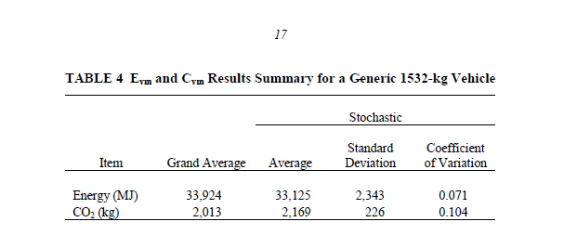
Fusion Titanium 2.0L gasoline car - embodied energy | 34,000 | MJ
Fusion Titanium 2.0L Hybrid car - capital expenditure | 35,255 | $
Fusion Titanium 2.0L Hybrid car - lifetime | 14 | yr
Fusion Titanium 2.0L Hybrid car - mpg | 42 | miles/gallon
Fusion Titanium 2.0L Hybrid car - embodied energy | 40,000 | MJ | assumed + 15% embodied energy for battery
miles driven | 12,416 | miles

1. LCA energy use for mid-size car
34000MJ | from Argonne 2010 report https://greet.es.anl.gov/files/vehicle_and_components_manufacturing
 | HEV batteries seem to be ~10% of LCA energy of vehicle manufacture https://www.sciencedirect.com/science/article/pii/S0306261915004407

2. vehicle lifespan
 | 13-17 years | US Vehicles | https://berla.co/average-us-vehicle-lifespan/

3. average car mileage US per year |  |  |  |  |  |  | US registered drivers | 190,625,023 | 0.86070605756
 | 13,476 | miles per driver | https://www.fhwa.dot.gov/ohim/onh00/bar8.htm |  |  |  | US registered vehicles | 221,475,173
 | 12,416 | vehicle miles/year |  |  |  |  | vhecile miles per driver | 14,425
 |  |  |  |  |  |  | Vehicles miles per vehicle | 12,416
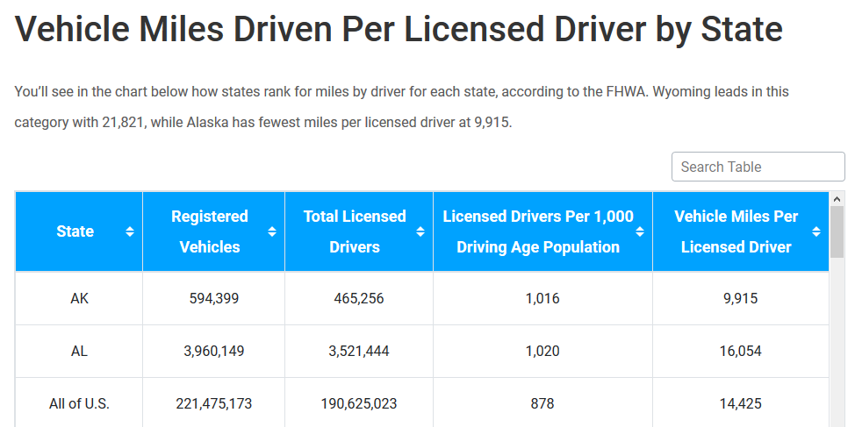
4. Car costs, mpg data

Ford Fusion 2020 |  |  | Ford Fusion 2020 - Hybrid
Titanium FWD |  |  |  | Titanium FWD

Intercooled Turbo Premium Unleaded I-4, 2.0 L | engine size |  |  | Gas/Electric I-4, 2.0 L | engine size
25 | mpg (assumed) |  |  | 42 | mpg (assumed)
3676Lbs | kerb weight |  |  | 3695lbs | kerb weight

Based on TCO for Massachusetts at Edmunds.com. Sum of insurance, maintenance, repairs, taxes & fees (Excluding financing, depreciation, fuel) |  |  |  | Based on TCO for Massachusetts at Edmunds.com. Sum of insurance, maintenance, repairs, taxes & fees (Excluding financing, depreciation, fuel)
https://www.edmunds.com/ford/fusion/2019/cost-to-own/#style=401757616 |  |  |  | https://www.edmunds.com/ford/fusion-energi/2019/cost-to-own/
 | 2020 | 2020
purchase cost | Ford fusion Titanium 2.0L | Ford Fusion hybrid 2L titanium
cash price | $35,460 | $35,255
net cash price | $35,460 | $35,255

maintainence and disposal costs
insurance (5 yr cost)
maintainance (5 yr cost)
repairs (5 yr cost)
taxes & fees (5 yr cost)
tax credit
total OMD costs
5 year total / per year

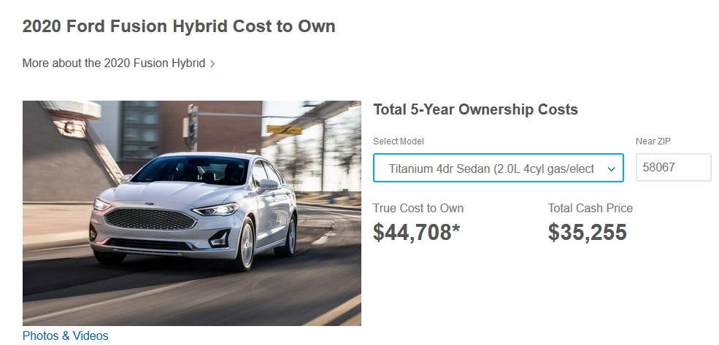
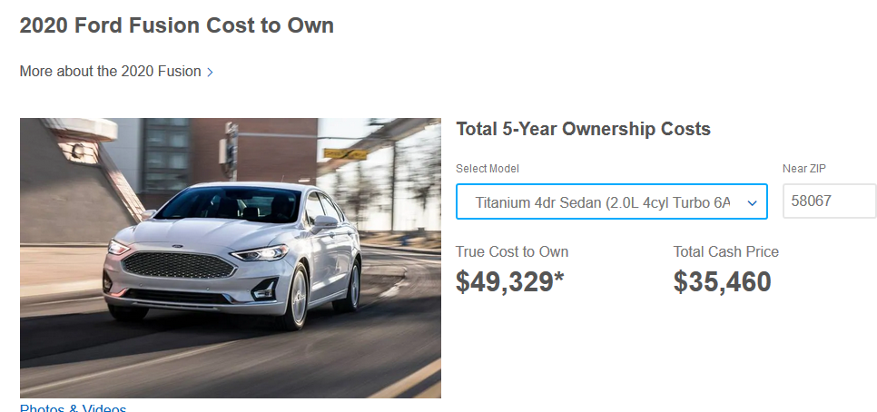

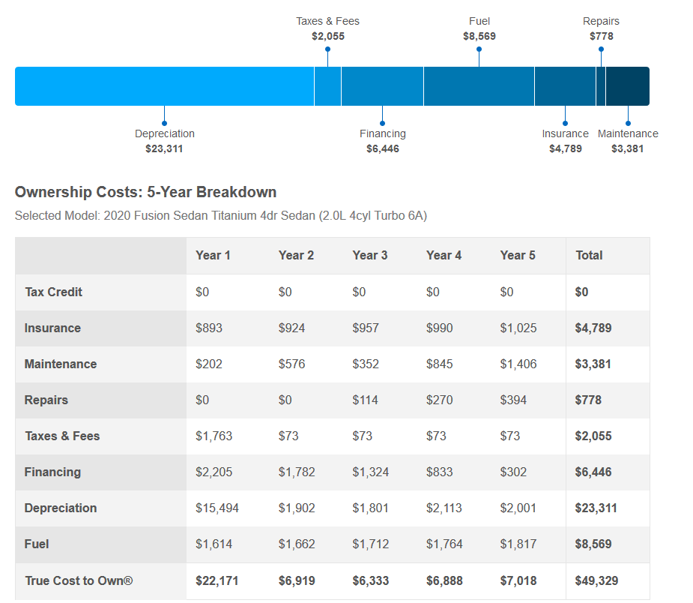
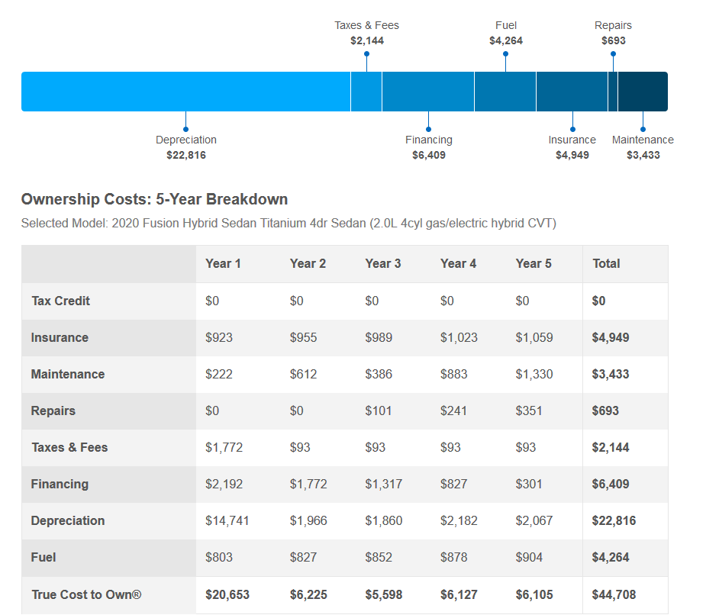

 |  | 24678

 |  | 0.18179790319
 |  |  |  |  |  | 27835
 |  |  |  |  |  | 0.18180234584

§ Capital cost + finance costs – depreciated value
all-gasoline Fusion | sum year 1-7 | Year 1 | Year 2 | Year 3 | Year 4 | Year 5 | Year 6 | Year 7
initial capital cost | $35,460.00 | $35,460.00
finance cost | $6,445.00 | $2,205.00 | $1,782.00 | $1,324.00 | $833.00 | $302.00 | $0.00 | $0.00
depreciation | $26,999.00 | $15,494.00 | $1,902.00 | $1,801.00 | $2,113.00 | $2,001.00 | $1,894.94 | $1,794.50
net capital cost | $33,444.00 | $4,777.71 |  | 0.947 |  | 0.947 | 0.947

hybrid Fusion | sum year 1-7 | Year 1 | Year 2 | Year 3 | Year 4 | Year 5 | Year 6 | Year 7
initial capital cost | $35,255.00 | $35,255.00
tax rebate
finance cost | $6,410.00 | $2,192.00 | $1,772.00 | $1,317.00 | $827.00 | $301.00 | $0.00 | $0.00
depreciation | $26,625.00 | $14,741.00 | $1,966.00 | $1,860.00 | $2,182.00 | $2,067.00 | $1,958.06 | $1,854.86
net capital cost | $33,035.00 | $4,719.29 |  | 0.946 |  | 0.947 | 0.947

https://www.researchgate.net/publication/308033461_SIMULATION_BASED_LIFE-CYCLE_ANALYSIS_OF_A_VEHICLE_FLEET
Djokic, I., Lazic, L., Pavlovic, A. and Avdic, A., 2015. Simulation based life-cycle analysis of a vehicle fleet. In Proceedings of the 2nd Logistics International Conference (pp. 216-221).

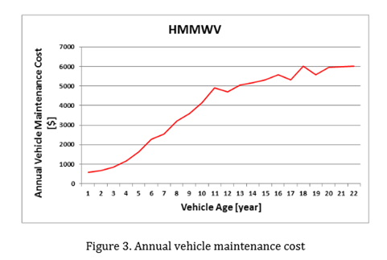
annual car O+M costs following Dokic et al 2015: yr 14 costs ~ 6x costs in yr 3
 | Hybrid Fusion | all-gasoline Fusion
Year 1 | $2,917.00 | $2,858.00
Year 2 | $1,660.00 | $1,573.00
Year 3 | $1,569.00 | $1,496.00
Year 4 | $2,240.00 | $2,178.00
Year 5 | $2,833.00 | $2,898.00
Year 6 | $3,502.47 | $3,642.19
Year 7 | $4,246.38 | $4,470.75
Year 8 | $4,990.29 | $5,299.32
Year 9 | $5,734.20 | $6,127.89
Year 10 | $6,478.11 | $6,956.46
Year 11 | $7,147.63 | $7,702.17
Year 12 | $7,649.77 | $8,261.46
Year 13 | $7,925.95 | $8,569.06
Year 14 | $8,008.80 | $8,661.34

all-gasoline Fusion | average year 1-14 | Year 1 | Year 2 | Year 3 | Year 4 | Year 5 | Year 6 | Year 7 | Year 8 | Year 9 | Year 10 | Year 11 | Year 12 | Year 13 | Year 14
insurance |  | $893.00 | $924.00 | $957.00 | $990.00 | $1,025.00 | $1,061.24 | $1,098.76
maintenance |  | $202.00 | $576.00 | $352.00 | $845.00 | $1,406.00 | $1,933.00 | $2,460.00
repairs |  | $- | $- | $114.00 | $270.00 | $394.00 | $574.95 | $839.00
taxes and fees |  | $1,763.00 | $73.00 | $73.00 | $73.00 | $73.00 | $73.00 | $73.00
total | $5,050 | $2,858.00 | $1,573.00 | $1,496.00 | $2,178.00 | $2,898.00 | $3,642.19 | $4,470.75 | $5,299.32 | $6,127.89 | $6,956.46 | $7,702.17 | $8,261.46 | $8,569.06 | $8,661.34
 |  |  |  |  |  |  |  |  |  |  |  | 0.9 | 0.75 | 0.55 | 0.3
Hybrid Fusion | average year 1-14 | Year 1 | Year 2 | Year 3 | Year 4 | Year 5 | Year 6 | Year 7 | Year 8 | Year 9 | Year 10 | Year 11 | Year 12 | Year 13 | Year 14
insurance |  | $923.00 | $955.00 | $989.00 | $1,023.00 | $1,059.00 | $1,096.27 | $1,134.85
maintenance |  | $222.00 | $612.00 | $386.00 | $883.00 | $1,330.00 | $1,802.00 | $2,274.00
repairs |  | $- | $- | $101.00 | $241.00 | $351.00 | $511.21 | $744.54
taxes and fees |  | $1,772.00 | $93.00 | $93.00 | $93.00 | $93.00 | $93.00 | $93.00
total | $4,779 | $2,917.00 | $1,660.00 | $1,569.00 | $2,240.00 | $2,833.00 | $3,502.47 | $4,246.38 | $4,990.29 | $5,734.20 | $6,478.11 | $7,147.63 | $7,649.77 | $7,925.95 | $8,008.80
 |  |  |  |  |  |  |  |  |  |  |  | 0.9 | 0.75 | 0.55 | 0.3

Variables | 5-yr av (current | Yr 1 | Yr 2 | Yr 3 | Yr 4 | Yr 5
Re_emb | 1.40% | 1.40% | 1.40% | 1.40% | 1.40% | 1.40%
Re_md | -0.70% | 2.80% | 1.30% | 1.20% | -8.40% | -0.40%
Re_dsub | 6.00% | 6.00% | 6.00% | 6.00% | 6.00% | 6.00%
Re_isub | -0.20% | -0.20% | -0.20% | -0.20% | -0.20% | -0.20%
Re_dinc | 1.90% | 0.30% | 1.00% | 1.00% | 5.70% | 1.80%
Re_iinc | 3.90% | 0.50% | 1.90% | 2.10% | 11.30% | 3.60%
Re_prod | 4.00% | 0.50% | 2.00% | 2.10% | 11.60% | 3.70%
Re_sum_1 | 16.30% | 11.30% | 13.40% | 13.60% | 27.50% | 15.90%
Rebound components - time varying calcs

Disposal costs | -$300.00
Assume dispolal costs in year 15 = -£300 for each car, based on mid/full size car costs from website link:
https://www.junkcarmedics.com/prices/

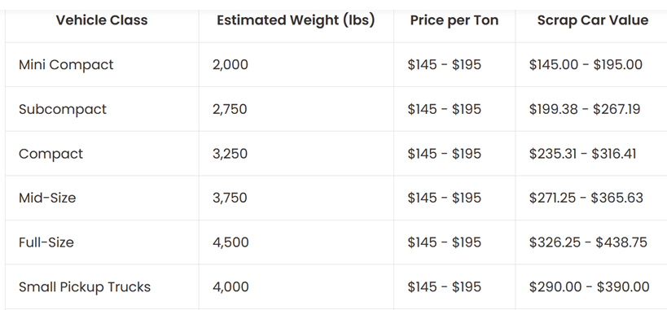

scrap value we could take as mid size, $300, so disposal cost would be -$300

2_Case study 2 - LED lamp
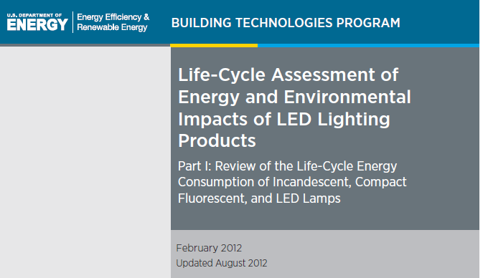
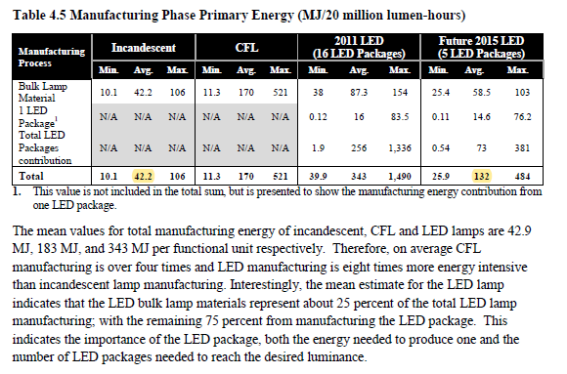
Case study 2: New Light Bulb |  |  | Key
 |  |  |  | raw data (input) cells
macro multiplier, k | 1.0 |  |  | Calculated Rebound (Re) values
price of electricity | 0.1287 | $/kWhr
price of electricity | 0.0358 | $/MJ
incandescent bulb - capital expenditure | 1.88 | $
incandescent bulb - lifetime | 1.80 | yr
incandescent bulb - efficacy | 8.83 | Lm/W
incandescent bulb - embodied energy | 2.21 | MJ
incandescent bulb - operation and maintenance costs | 0.00001 | $/Yr
incandescent bulb - disposal costs | 0.00000 | $/Yr
LED bulb - capital expenditure | 1.21 | $
LED bulb - lifetime | 10 | yr
LED bulb - efficacy | 81.80 | Lm/W
LED bulb - embodied energy | 6.50 | MJ
LED bulb - operation and maintenance costs | 0.00001 | $/Yr
LED bulb - disposal costs | 0.00000 | $/Yr
lighting consumption prior to upgrade | 580,350 | Lmh/yr
Real median personal income US, in 2018 | 34,317 | $/year | https://fred.stlouisfed.org/series/MEPAINUSA672N
US Disposable income / real income (minus current taxes) | 0.88319 | -- | BEA NIPA Table 2.1 | https://apps.bea.gov/iTable/index_nipa.cfm
Savings from disposable income | 0.07848 | -- | BEA NIPA Table 2.1 | https://apps.bea.gov/iTable/index_nipa.cfm
fraction of spend on original energy service | 0.0003028 |  | BEA Table 2.1, accessed May 13 2021
real interest rate, r | 3.0 | % | BEA Line | Item Description |  |  |  | 2018
 |  |  | 1 | Personal income |  |  |  | 17851.8
 |  |  | 27 | Disposable personal income |  |  |  | 15766.5
Output summary |  |  | 34 | Personal savings out of disposable income |  |  |  | 1237.3
Re_sum_1 | 41.1% |  | 27/1 | Multiply to generate disposable income from personal income |  |  |  | 0.88319
Re_sum_2 | 41.1% |  | 34/27 | Multiply to generate personal savings out of personal disposable income |  |  |  | 0.07848
∆ | 0.00%
Takeback | 87 | MJ/yr

$${\text{f}\text{o}}_{{\dot{C}}_{s}}$$
$${\text{ϵ}}_{{\dot{q}}_{s,}p_{s}}$$
Elasticities + discounting terms | Equation in main paper | Symbol in paper | Symbol in paper | Value | use
Share of income spent on q_s |  |  | f_{C_o_s} | 0.00030
original uncompensated own price elasticity of demand |  |  | epilson_{q_s,p_s} | -0.4
$${\text{ϵ}}_{{\dot{q}}_{s,}\dot{M}}$$
Income elasticity of demand for q_s |  |  | epsilon_{q_s,M} | 1 | Re_dinc
$${\text{ϵ}}_{{\dot{q}}_{o,}\dot{M}}$$
$${\text{ϵ}}_{{\dot{q}}_{o,}\dot{M}}$$
Income elasticity of demand for q_o |  |  | epsilon_{q_o,M} | 1 | Re_iinc
elasticity of substitution |  | σ | sigma | 0.400
$${Φ_{1year}^{°}}_{}$$
 |  | ρ | rho | -1.501
$${Φ_{t}^{°}}_{life}$$
old device, Discounting variable phi, t = start year 1 |  |  | Phi°_t1 | 34.33
$${γ_{1year}^{°}}_{}$$
old device, Discounting variable phi, t = end of life year |  |  | Phi°_t_life | 19.30
$${γ_{t}^{°}}_{life}$$
old device, Discounting variable gamma, t = start year 1 |  |  | Gamma°_t1 | 34.33
$${R_{α}^{°}}_{}$$
old device, Discounting variable gamma, t = end of life year |  |  | Gamma°_t_life | 18.30
$${R_{ω}^{°}}_{}$$
old device, Discounting variable R_alpha |  |  | R°_alpha | 1.01
$${Φ_{1year}^{∗}}_{}$$
old device, Discounting variable R_omega |  |  | R°_omega | 0.96
$${Φ_{t}^{∗}}_{life}$$
new device, Discounting variable phi, t = start year 1 |  |  | Phi*_t1 | 34.33
$${γ_{1year}^{∗}}_{}$$
new device, Discounting variable phi, t = end of life year |  |  | Phi*_t_life | 3.91
$${γ_{t}^{∗}}_{life}$$
new device, Discounting variable gamma, t = start year 1 |  |  | Gamma*_t1 | 34.33
$${R_{α}^{∗}}_{}$$
new device, Discounting variable gamma, t = end of life year |  |  | Gamma*_t_life | 2.91
$${R_{ω}^{∗}}_{}$$
new device, Discounting variable R_alpha |  |  | R*_alpha | 1.14
new device, Discounting variable R_omega |  |  | R*_omega | 0.85

$$p_{E}$$
Variable / description |  | Symbol in paper | Symbol in paper | Value | units | Notes
Price of electricity (average consumer US price in 2018) |  |  | p_E | 0.0358 | $/MJ | price of electricty taken as 12.87$cents/kWh, as average 2018 price for consumers
 |  |  |  | 0.1287 | $/kWh | https://www.eia.gov/electricity/data/state/avgprice_annual.xlsx
 |  |  |  | 1MJ = 277.78Wh
Conversion factors
1MJ |  |  |  | 0.2778 | kWh
1kWh |  |  |  | 3.6000 | MJ

Economy wide intensity
US Final energy use in 2018, from IEA (ktoe) |  | for 2018, latest freely available data on IEA |  | 1,594,130 | ktoe/yr |  | IEA Headlines data download 13 May 2021 from https://www.iea.org/reports/world-energy-balances-overview
US Final energy use in 2018, from IEA (ktoe) |  | converted to MJ |  | 66,743,018,385,876 | MJ/yr |  | conversion factor from Table A.II.7, Annex 2, IPCC AR5, https://www.ipcc.ch/site/assets/uploads/2018/02/ipcc_wg3_ar5_annex-ii.pdf
US GDP |  | for 2018, in 2018 USD |  | 20,612 | $ billion/yr |  | BEA, NIPA, Table 1.1.5 | https://apps.bea.gov/iTable/index_nipa.cfm
$$I_{E}$$
Energy intensity |  |  | I_E | 3.24 | MJ/$
first approximation of Re_iinc |  |  | p_E * I_E | 11.58% | --

$$C_{cap}$$
$$η$$
Lighting specs: before upgrade
lights - capital expenditure |  |  | C_cap | 1.88 | $
luminous efficacy pre upgrade |  |  | Eta | 8.8 | Lm/W
$${\dot{q}}_{s}$$
$$p_{s}$$
Energy service price pre upgrade |  |  | p_s | 0.0000146 | $/Lmh
$${\dot{E}}_{s}$$
lighting consumption prior to upgrade |  |  | qdot_s | 580,350 | Lmh/yr
Device energy consumption rate, pre-upgrade |  |  | Edot_s | 237 | MJ/yr
$$E_{emb}$$
Embodied energy |  |  | E⁰_emb | 2.2 | MJ
$t$⁰_{life}
lifetime of old device |  |  | t⁰_life | 1.8 | yr
$${\dot{C}}_{cap}$$
Capital cost rate |  |  | Cdot_cap | 1.0 | $/yr
$${\dot{E}}_{emb}$$
Embodied energy rate |  |  | Edot_emb | 1.2 | MJ/yr
$${\dot{C⁰}}_{om}$$
operation and maintenance expenditure rate |  |  | C°dot_om | 0.00001 | $/yr
$${\dot{C⁰}}_{d}$$
disposal costs expenditure rate |  |  | C°dot_d | 0.00000 | $/yr
$${\dot{C⁰}}_{omd}$$
Operation, maintainance & disposal expenditure rate |  |  | C°dot_omd | 0.00001 | $/yr

$$C_{cap}^{∗}$$
$C_{cap}^{∗}=C_{cap}^{^}$ =$C_{cap}^{−}$
$$η^{\sim }$$
$η^{∗}=η^{^}$ =$η^{−}\text{=} η^{\sim }$
lighting specs: lights after upgrade
lights - capital expenditure |  |  | C*_cap | 1.21 | $
luminous efficacy post upgrade |  |  | Eta_tilde | 82 | Lm/W
$$p_{s}^{∗}$$
$p_{s}^{∗}=p_{s}^{^}$ =$p_{s}^{−}\text{=} p_{s}^{\sim }$
Energy service price post upgrade |  |  | p_s_star | 0.0000016 | $/Lm
$${\dot{q}}_{s}^{∗}$$
Lmh consumption, after emplacement (same as b4 empl) |  |  | qdot_s_star | 580,350 | Lmh/yr
$${\dot{q}}_{s}^{^}$$
Lmh consumption, after substitution effects |  |  | qdot_s_hat | 1,412,867 | Lmh/yr
$${\dot{q}}_{s}^{−}$$
Lmh consumption, after income effects |  |  | qdot_s_bar | 1,413,439 | Lmh/yr
$${\dot{E}}_{s}^{∗}$$
Device energy consumption rate, after emplacement effects |  |  | Edot_s_star | 25.5 | MJ/yr
$${\dot{E}}_{s}^{^}$$
Device energy consumption rate, after substitution effects |  |  | Edot_s_hat | 62.2 | MJ/yr
$${\dot{E}}_{s}^{−}$$
Device energy consumption rate, after income effects |  |  | Edot_s_bar | 62.2 | MJ/yr
$${\dot{S}}_{dev}^{}$$
Expected savings rate, after emplacement |  |  | Sdot_dev | 211 | MJ/yr
$$E_{emb}$$
Embodied energy |  |  | E*_emb | 6.5 | MJ
$$t^{∗}life$$
lifetime of new device |  |  | t*_life | 10 | yr
$${\dot{C}}_{cap}^{∗}$$
Capital cost rate |  |  | Cdot*_cap | 0.1 | $/yr
$${\dot{E}}_{emb}^{∗}$$
$${\dot{E}}_{emb}^{∗}$$
${\dot{E}}_{emb}^{∗}$=${\dot{E}}_{emb}^{^}$=${\dot{E}}_{emb}^{−}$=${\dot{E}}_{emb}^{\sim }$
Embodied energy rate |  |  | Edot*_emb | 0.65 | MJ/yr
$${\dot{C}}_{om}^{∗}$$
operation and maintenance expenditure rate |  |  | Cdot*_om | 0.00001 | $/yr
$${\dot{C∗}}_{d}$$
disposal costs expenditure rate |  |  | Cdot*_d | 0.00000 | $/yr
$${\dot{C∗}}_{omd}$$
${\dot{C}}_{md}^{∗}$=${\dot{C}}_{md}^{^}$=${\dot{C}}_{md}^{−}$=${\dot{C}}_{md}^{\sim }$
Operation, maintainance & disposal expenditure rate |  |  | Cdot*_omd | 0.00001 | $/yr
$η^{\sim }$/$η$
Efficiency ratio |  |  | eta_tilde / eta | 9.3 | --

Consumer and other financial data
Real median personal income US, in 2018 |  |  |  | 34,317 | $/yr
US Disposable income / real income (minus current taxes) |  |  |  | 0.88 | --
Savings from disposable income |  |  |  | 0.07848 | --
$$\dot{M}$$
$\dot{M}{\text{=}\dot{M}}^{∗}{\text{=}\dot{M}}^{^}$=${\dot{M}}^{−}\text{=}{\dot{M}}^{\sim }$
Personal outlays (consumption) |  |  | Mdot | 27,930 | $/yr
$${\dot{M′}}^{^}$$
 |  |  | Mdot_prime_hat | 27,918 | $/yr
$$\dot{G}$$
${\dot{G}}^{∗}{\text{=} \dot{G}}^{^}$=${\dot{ G}}^{−}$
Expected savings rate ($/yr), i.e. energy savings x price of fuel |  |  | Gdot | 7.5 | $/yr
$${Δ\dot{C}}_{cap}^{∗}$$
$${Δ\dot{(RαC}}_{cap)}^{})∗$$
${Δ\dot{C}}_{cap}^{^}={Δ\dot{C}}_{cap}^{−}$=${Δ\dot{C}}_{cap}^{\sim }$=0
Change in capital expenditure rate (after emplacement) |  |  | ∆C_star_cap | -0.9 | $/yr
$${Δ\dot{C}}_{omd}^{∗}$$
Change in discounted capital expenditure rate (after emplacement) |  |  | ∆(R_alphaC_cap)_star | -0.9 | $/yr
${Δ\dot{C}}_{md}^{^}={Δ\dot{C}}_{md}^{−}$=${Δ\dot{C}}_{md}^{\sim }$=0
Change in Op. maint & disposal expenditure rate (after emplacement) |  |  | ∆C_star_omd | 0.0 | $/yr
$${\dot{C}}_{o}^{}$$
Other goods expenditure rate, pre-upgrade |  |  | Cdot_o | 27,920 | $/yr
$${\dot{C}}_{o}^{∗}$$
$${\dot{C}}_{o}^{}={\dot{C}}_{o}^{∗}$$
Other goods expenditure rate, after emplacement effect |  |  | Cdot_o_star | 27,920 | $/yr
$${\dot{C}}_{o}^{^}$$
Other goods expenditure rate, after substitution effect |  |  | Cdot_o_hat | 27,916 | $/yr
$${\dot{C}}_{o}^{−}$$
Other goods expenditure rate, after income effects |  |  | Cdot_o_bar | 27,927 | $/yr
$${\dot{C}}_{o}^{\sim }$$
$${\dot{C}}_{o}^{\sim }={\dot{C}}_{o}^{−}$$
Other goods expenditure rate, after productivity effects |  |  | Cdot_o_tilde | 27,927 | $/yr
$$\dot{N}$$
Net income (pre-upgrade) |  |  | Ndot | 0 | $/yr
$${\dot{N}}^{∗}$$
Net income (after emplacement effect) |  |  | Ndot_star | 8.5 | $/yr
$${\dot{N}}^{^}$$
Net income (after substitution effect) |  |  | Ndot_hat | 11.3 | $/yr
$${\dot{N}}^{−}$$
Net income (after income effect) |  |  | Ndot_bar | 0 | $/yr
$${\dot{N}}^{\sim }$$
Net income (after productivity effect) |  |  | Ndot_tilde | 0 | $/yr

__
$$p_{E}$$
$$I_{E}$$
 | Units | symbol | Original | * (star) | ^ (hat) | (bar) | ~ (tilde)
Energy price | $/MJ |  | 0.036 | 0.036 | 0.036 | 0.036 | 0.036
Energy intensity | MJ/$ |  | 3.238 | 3.238 | 3.238 | 3.238 | 3.238
$$η$$
Energy service efficiency | Lm/W |  | 8.8 | 81.8 | 81.8 | 81.8 | 81.8
$${\dot{q}}_{s}$$
$$p_{s}$$
Energy service price | $/Lmh |  | 0.000015 | 0.0000016 | 0.0000016 | 0.0000016 | 0.0000016
Energy service consumption rate | Lmh/yr |  | 580,350 | 580,350 | 1,412,867 | 1,413,439 | 1,413,439
$${\dot{E}}_{s}$$
Device energy consumption rate | MJ/yr |  | 237 | 26 | 62 | 62 | 62 | Budget constraint check
$${\dot{E}}_{emb}$$
Embodied energy rate | MJ/yr |  | 1.23 | 0.65 | 0.65 | 0.65 | 0.65
$${\dot{C}}_{cap}$$
Capital expenditure rate | $/yr |  | 1.0 | 0.1 | 0.1 | 0.1 | 0.1
$${\dot{C}}_{s}$$
$${\dot{C}}_{omd}$$
Ops., Maint., and disposal expenditure rate | $/yr |  | 0.0000 | 0.0000 | 0.0000 | 0.0000 | 0.0000
Energy service expenditure rate | $/yr |  | 8.46 | 0.9 | 2.2 | 2.2 | 2.2
$${\dot{C}}_{o}$$
Other goods expenditure rate | $/yr |  | 27,920 | 27,920 | 27,916 | 27,927 | 27,927 | verify: | 11.299543349 | N_dot_hat
$$\dot{M}$$
Real income | $/yr |  | 27,930 | 27,930 | 27,930 | 27,930 | 27,930 |  | 11.299543349 | p_E*∆E_dot_bar_s + ∆C_dot_bar_o
$$\dot{N}$$
Net income | $/yr |  | 0.0 | 8.5 | 11.3 | 0.0 | 0.0 |  | 0 | diff (should be 0)
$$\dot{G}$$
Expected savings (gross income) rate | $/yr |  | 0.0 | 7.5 | 7.5 | 7.5 | 7.5

__
$${∆p}_{E}$$
 |  | Cause -->
 | Units | symbol |  | ∆* | ∆^ | ∆ | ∆~
Energy price | $/MJ |  |  | 0 | 0 | 0 | 0
$$∆I_{E}$$
Energy intensity | MJ/$ |  |  | 0 | 0 | 0 | 0
∆$η$
Energy service efficiency | Lm/W |  |  | 73 | 0 | 0 | 0
$${∆p}_{s}$$
Energy service price | $/Lmh |  |  | -0.0000130 | 0.0000000 | 0.0000000 | 0.0000000
$${\dot{∆q}}_{s}$$
Energy service consumption rate | Lmh/yr |  |  | 0 | 832,517 | 572 | 0
$${\dot{∆E}}_{s}$$
Device energy consumption rate | MJ/yr |  |  | -211 | 37 | 0 | 0
$${\dot{∆E}}_{emb}$$
Embodied energy rate | MJ/yr |  |  | -0.6 | 0.0 | 0.0 | 0.0
$${\dot{∆C}}_{cap}$$
∆${\dot{C}}_{omd}$
Capital expenditure rate | $/yr |  |  | -0.9 | 0.0 | 0.0 | 0.0
$${\dot{∆C}}_{s}$$
Ops., Maint., and disposal expenditure rate | $/yr |  |  | 0.0 | 0.0 | 0.0 | 0.0
Energy service expenditure rate | $/yr |  |  | -7.5 | 1.3 | 0.0 | 0.0
$${\dot{∆C}}_{o}$$
Other goods expenditure rate | $/yr |  |  | 0.0 | -4.2 | 11.3 | 0.0
∆$\dot{M}$
Real income | $/yr |  |  | 0 | 0 | 0 | 0
∆$\dot{N}$
Net income | $/yr |  |  | 8.5 | 2.8 | -11.3 | 0.0
∆$\dot{G}$
Expected savings (gross income) rate | $/yr |  |  | 7.5 | 0.0 | 0.0 | 0.0

 |  |  | Re_dempl | 0.0%

 |  |  | Variables | values | units
 |  |  | Eo_emb | 2.215 | MJ
 |  |  | E*_emb | 6.503 | MJ
 |  |  | Eo_dot_emb | 1.230 | MJ/yr
 |  |  | t⁰_life | 1.8 | yr
 |  |  | t*_life | 10 | yr
 |  |  | Sdot_dev | 211 | MJ/yr
 |  |  | Re_emb | -0.3%

 |  |  | Variables | values | units
 |  |  | Co_OMd | 0.00001 | $/yr
 |  |  | C*_OMd | 0.00001 | $/yr
 |  |  | I_E | 3.24 | MJ/$
 |  |  | Sdot_dev | 211 | MJ/yr
 |  |  | Re_omd | 0.0%

 |  |  | Variables | values | units
 |  |  | eta_tilde | 82 | Lm/W
 |  |  | eta | 9 | Lm/W
 |  |  | qo_dot_s | 580,350 | Lm/yr
 |  |  | q_dot_hat_s | 1,412,867 | Lm/yr
 |  |  | Re_dsub | 17.4%

 |  |  | Variables | values | units
 |  |  | eta_tilde | 82 | Lm/W
 |  |  | etao | 9 | Lm/W
 |  |  | Codot_o | 27,920 | $/yr
 |  |  | Codot_hat | 27,916 | $/yr
 |  |  | I_E | 3.24 | MJ/$
 |  |  | Edot_s | 237 | MJ/yr
 |  |  | Re_isub | -6.4%

 |  |  | Variables | values | units
 |  |  | Ndot_hat | 11 | $/yr
 |  |  | Mdot_prime_hat | 27,918 | $/yr
 |  |  | epsilon_{q_s,M} | 1
 |  |  | qo_dot_s | 580,350 | Lm/yr
 |  |  | q_dot_hat_s | 1,412,867 | Lm/yr
 |  |  | eta_tilde | 82 | Lm/W
 |  |  | etao | 9 | Lm/W
 |  |  | Re_dinc | 0.0%

 |  |  | Variables | values | units
 |  |  | deltaCbar_dot_o | 11 | $/year
 |  |  | I_E | 3.24 | MJ/$
 |  |  | Sdot_dev | 211 | MJ/yr
 |  |  | Re_iinc | 17.3%

 |  |  | Variables | values | units
 |  |  | Ndot_hat | 11 | $/yr
 |  |  | Mdot_prime_hat | 27,918 | $/yr
 |  |  | epsilon_{q_o,M} | 1
 |  |  | eta_tilde | 82 | Lm/W
 |  |  | etao | 9 | Lm/W
 |  |  | C_dot_o | 27,920 | $/year
 |  |  | C_dot_hat | 27,916 | $/year
 |  |  | I_E | 3.24 | MJ/$
 |  |  | E_dot_s | 237 | MJ/yr
 |  |  | Re_iinc | 17.3%

 |  |  | Variables | values | units
 |  |  | DeltaR_alpha_Cdot*_cap | -0.9 | $/yr
 |  |  | I_E | 3.24 | MJ/$
 |  |  | Sdot_dev | 211 | MJ/yr
 |  |  | Re_cap | -1.4%

 |  |  | Variables | values | units
 |  |  | k | 1.0 |  | Check
 |  |  | Ndot_star | 8 | $/year | k*PE*IE | 12%
 |  |  | I_E | 3.24 | MJ/$ | -k*Re_cap | 1%
 |  |  | Sdot_dev | 211 | MJ/yr | -k*Re_Omd | 0%
 |  |  | Re_macro | 13.0% |  | Re_macro | 13.0%

economy-wide rebound, Re_sum_1 |  |  | Variables | values
Re_sum = Re_emb + Re_md + Re_dsub + Re_isub + Re_dinc + Re_iinc+ Re_prod |  |  | Re_emb | -0.3%
 |  |  | Re_omd | 0.0%
 |  |  | Re_dsub | 17.4%
 |  |  | Re_isub | -6.4%
 |  |  | Re_dinc | 0.0%
 |  |  | Re_iinc | 17.3%
 |  |  | Re_macro | 13.0%
 |  |  | Re_sum_1 | 41.1%

economy-wide rebound, Re_sum_2 |  |  | Variables | values
 |  |  | k | 1.00
 |  |  | Re_emb | -0.3%
 |  |  | -k*Re_cap | 1.4%
 |  |  | (1 -k)*Re_md | 0.0%
 |  |  | Re_dsub | 17.4%
 |  |  | Re_isub | -6.4%
 |  |  | Re_dinc+Re_iinc | 17.4%
 |  |  | k*pE*I_E | 11.6%
 |  |  | Re_sum_2 | 41.1%

 |  |  | Variables | values
economy-wide rebound, Re_sum_3 |  |  | k | 1.00
 |  |  | Re_emb | -0.3%
 |  |  | -k*Re_cap | 1.4%
 |  |  | (1 -k)*Re_md | 0.0%
 |  |  | Re_dsub | 17.4%
 |  |  | Re_isub | -6.4%
 |  |  | Re_dinc+Re_iinc | 17.4%
 |  |  | k*pE*I_E | 11.6%
 |  |  | Re_sum_3 | 41.1%

 |  |  |  |  |  |  |  |  | Resum
Direct | Redempl | 0.0% | Redsub | 17.4% | Redinc | 0.0% |  |  | 17.4%

Indirect | Reemb | -0.3% | Reisub | -6.4% | Reiinc | 17.3% | Remacro | 13.0% | 23.7%
 | Remd | 0.0% |  |  |  |  |  |  |  | 41.1%
sub-total |  | -0.3% |  | 11.0% |  | 17.4% |  | 13.0% | 41.1%

Case study 2 - Incandescent vs LED light bulb
incandescent bulb - capital expenditure | 1.88 | $
incandescent bulb - lifetime | 1.8 | yr
incandescent bulb - luminosity | 530 | Lm
incandescent bulb - energy used (Watts) | 60 | W
incandescent bulb - efficacy | 8.8 | Lm/W
incandescent bulb - direct energy/yr | 237 | MJ
incandescent bulb - hours/year | 1,095 | hrs/yr
incandescent bulb - lifetime lumen-hrs | 1,044,630 | lumen-hrs
manufacturing phase MJ/20million lumen hours | 42 | (MJ/20 million lumen hours)
incandescent bulb - embodied energy | 2.2 | MJ
LED bulb - capital expenditure | 1.21 | $
LED bulb - lifetime | 10 | yr
LED bulb - luminosity | 450 | Lm
LED bulb - energy used (Watts) | 5.5 | W
LED bulb - efficacy | 81.8 | Lm/W
LED bulb - direct energy/yr | 22 | MJ/yr
LED bulb - hours/year | 1,095 | hrs/yr
incandescent bulb - lifetime Million lumen-hrs | 4,926,405 | lumen-hrs
manufacturing phase MJ/20million lumen hours | 26 | (MJ/20 million lumen hours)
LED bulb - embodied energy | 6.5 | MJ
price of energy | 0.0358 | $/MJ | 0.1287 | $/kWhr

manufacturing phase (embodied energy) data | US DoE Life-cycle assessment of energy and environmental impacts of LED lighting products, availabe at https://www1.eere.energy.gov/buildings/publications/pdfs/ssl/2012_LED_Lifecycle_Report.pdf

3_Case study 1 battery LCA
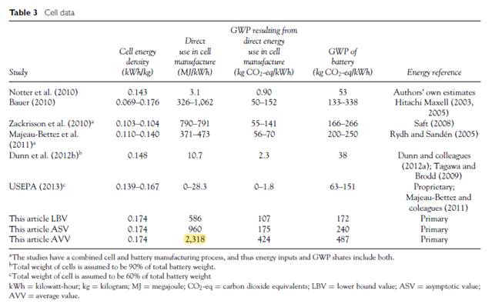
Case study - car

· Vehicle life: most studies take 150,000-180,000km, and say that this equates to one battery. So they don’t allow for battery replacement. One study suggested that even if a second battery is required later, that the EV battery is improving so quickly that its not much additional energy for the 2nd battery
· Energy for the battery: around 10-20% of energy for the vehicle. Our (non plug-in hybrid) car is only 1.4kWh battery size. Full EVs start at around 30kWh in size, with a Tesla up to 100kWh. So in our car, the battery is v small. For the largest EVs, the battery energy seems to be similar 100% of the vehicle manufacture, i.e. double the energy needed to make the car. But for our baby battery, we can take a lower number

Articles reviewed/found/used
· Hawkins TR, Singh B, Majeau-Bettez G, Strømman AH. Comparative Environmental Life Cycle Assessment of Conventional and Electric Vehicles. J Ind Ecol. 2013;17(1):53–64.
· Nordelöf A, Messagie M, Tillman AM, Ljunggren Söderman M, Van Mierlo J. Environmental impacts of hybrid, plug-in hybrid, and battery electric vehicles—what can we learn from life cycle assessment? Int J Life Cycle Assess. 2014;19(11):1866–90.
· Ellingsen LAW, Majeau-Bettez G, Singh B, Srivastava AK, Valøen LO, Strømman AH. Life Cycle Assessment of a Lithium-Ion Battery Vehicle Pack. J Ind Ecol. 2014;18(1):113–24.
· Onat NC, Kucukvar M, Tatari O. Conventional, hybrid, plug-in hybrid or electric vehicles? State-based comparative carbon and energy footprint analysis in the United States. Appl Energy. 2015;150:36–49.
· Ellingsen LAW, Singh B, Strømman AH. The size and range effect: Lifecycle greenhouse gas emissions of electric vehicles. Environ Res Lett. 2016;11(5).
· Cox B, Mutel CL, Bauer C, Mendoza Beltran A, Van Vuuren DP. Uncertain Environmental Footprint of Current and Future Battery Electric Vehicles. Environ Sci Technol. 2018;52(8):4989–95.

1. Size of batteries
Ford Fusion Hybrid (our car) battery size = 1.4kWh
Ford Fusion plugin hybrid (energie) = 9kWh
For comparison, full EV cars have battery sizes of 30kWh+, with the largest i.e. Tesla is around 60-100kWh, for 300+miles driving range

EV Battery life / driving miles:
· Onat et al 2015: In this analysis, the battery lifetimes are assumed to be same as the vehicle lifetimes, meaning that it is assumed that the batteries are never replaced during the vehicles’ operation phase. If the battery is replaced in the future, the impacts from battery production may not necessarily be doubled because the battery industry is improving rapidly
· Linda Ager-Wick Ellingsen et al 2016: Another important use phase parameter for EVs is battery longevity. Studies assessing the environmental impacts of Li-ion batteries have assumed total driving distances between 150 000 km and 200 000 km (Notter et al 2010,Zackrisson et al 2010, United States Environ- mental Protection Agency 2013,Li et al 2014). Battery warranties for different EV models range from 100 000 km within the first five years to unlimited km within the first eight years (The Norwegian Consumer Council 2014). As the car manufacturers themselves set the warranties, a reasonable assumption is that these warranties represent theminimumofwhat canbe expec- ted from the battery packs. In addition, some vehicle manufacturers suggest that vehicle batteries can be used for energy storage during and after vehicle life (Car- ranza 2013).Therefore,we deem the assumption of a total driving distance of180 000 km to be reasonable.

Additional energy requirements of battery vs car manufacture
· A wide range of values, from 20-75% of the energy used to make the cars
· Note: most of the studies focus on full EVs, with larger batteries than our example
· For our example, our battery is only 1.4kWh in size, vs 30kWh+ for a full EV
· Ellingsen 2013 finds the energy for the battery is related to the battery size, 2500MJ/kWh, for our example 1.4kWQh battery this is ~ 3,500MJ, about 10% fo the energy for car manufacture.
· So a lower value seems reasonable, say to take 10-20% of the vehicle energy use for battery manufactu4re for our example.

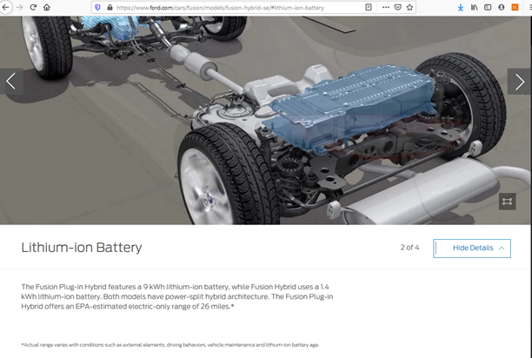

· Linda Ager-Wick Ellingsen et al 2016: (~50% energy use) | · Nordelöf et al 2014: +25% of energy use. Battery is ~26,000MJ vs 94,000MJ for the car manufacture | · Cox et al 2018: (full EV +75% energy use) | Onat et al 2015: battery ~ 20% of car manufacture

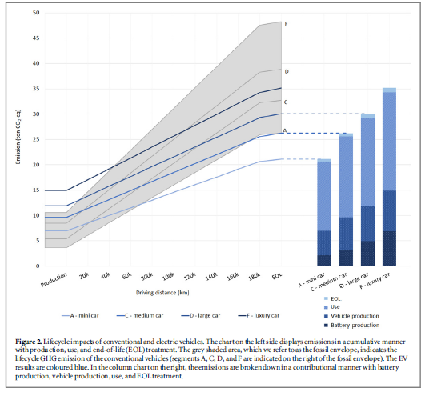 The cradle-to-gate CCP intensity of the EVs was 6.3–7.1 kg CO2-eq kg−1 sions differed from the ICEVs. The cradle-to-gate CCP intensity of the EVs was 6.3–7.1 kg CO2-eq kg−1 ofcar, whereas for the ICEVs it was 3.9–5.7 kg CO2-eq ofcar, whereas for the ICEVs it was 3.9–5.7 kg CO2-eq kg−1 of car. The difference in the cradle-to-gate CCP ofcar, whereas for the ICEVs it was 3.9–5.7 kg CO2-eq kg−1 of car. | 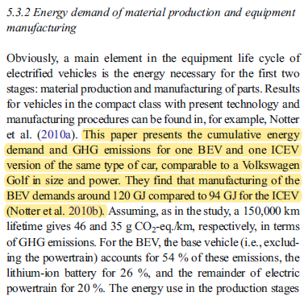 | 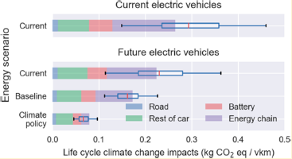 | 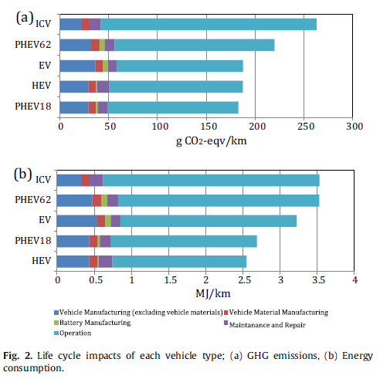

Ellingsen 2013 uses a different approach, and calculates MJ per kWh of battery size
· Tesla battery is 60-100kWh, so could be up to 200,000MJ
· The ford focus energy (full EV) is only 9kWh
· The ford focus hybrid (our example) is only 1.4kWh. which would make the energy for battery production = 3,500MJ. This would be around 10% of the ~35,000MJ assumed for vehicle production

