Telemetry Data
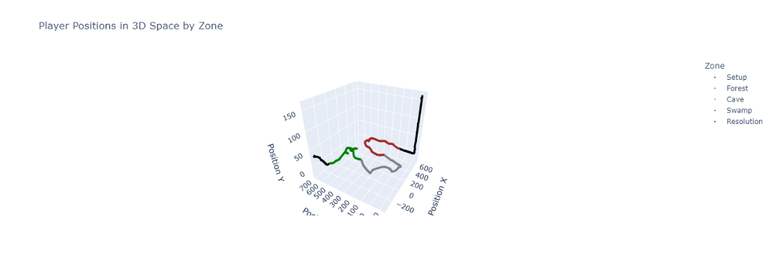
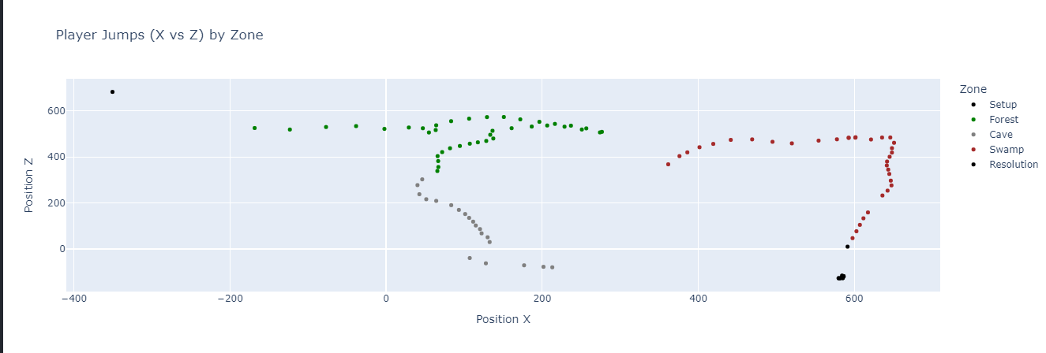
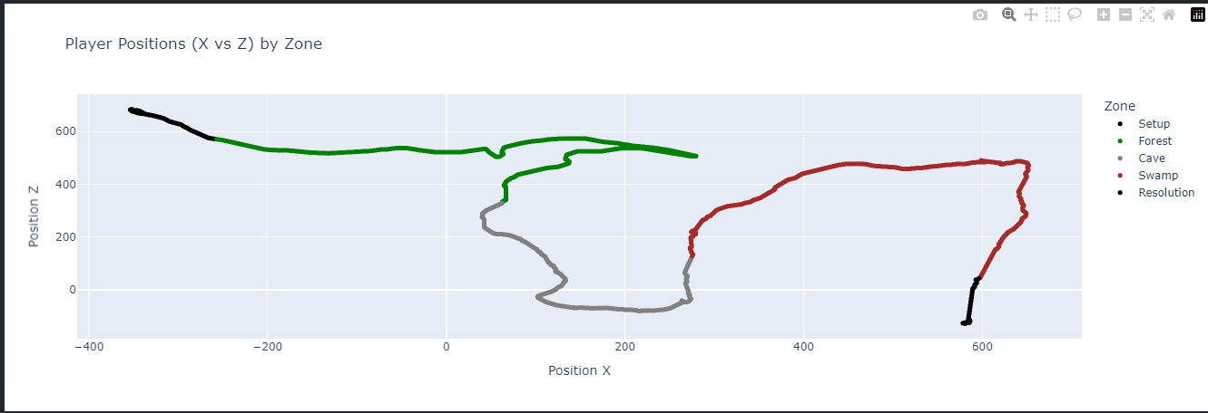
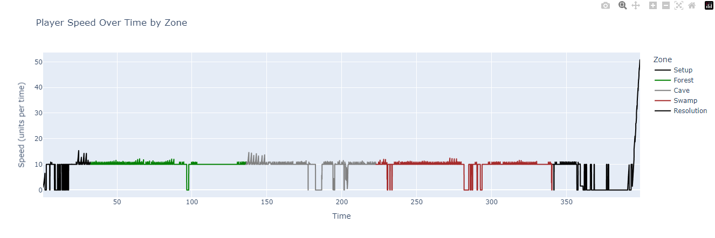
TELEMETRY DATA
At a minimum, show telemetry data from a series of 3+ runs that has at least one run that completes the level. The data must include player position, velocity, jumps, events triggered, deaths/resets, distance traveled, and time spent in each phase, all organized and formatted in a useful way.

