Sheet1
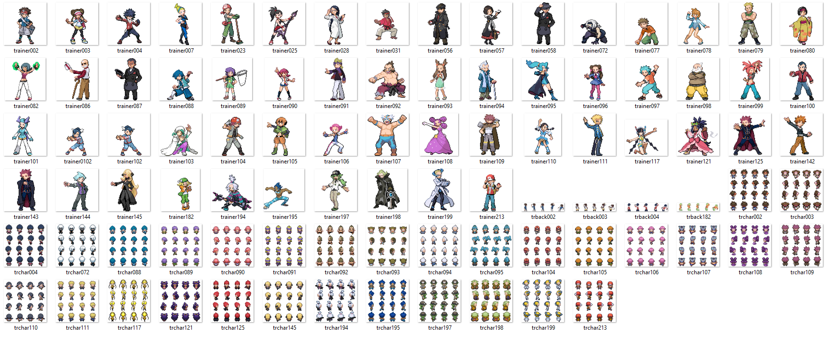
trainer088 | Cool kid
trainer089 | Bug Catcher F
trainer090 | Student
trainer091 | Cool guy
trainer092 | Karate guru
trainer093 | Lass
trainer094 | Old man
trainer095 | Protagonist F
trainer104 | Miner
trainer105 | Adventurer
trainer106 | Tai Chi
trainer107 | Wrestler
trainer108 | Dancer
trainer109 | Protagonist M
trainer110 | Student
trainer111 | Hipster
trainer117 | Excentric
trainer121 | Dancer

