scope outputs
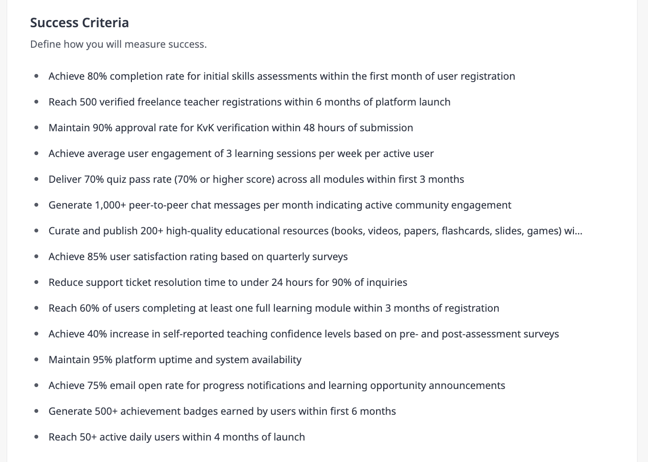
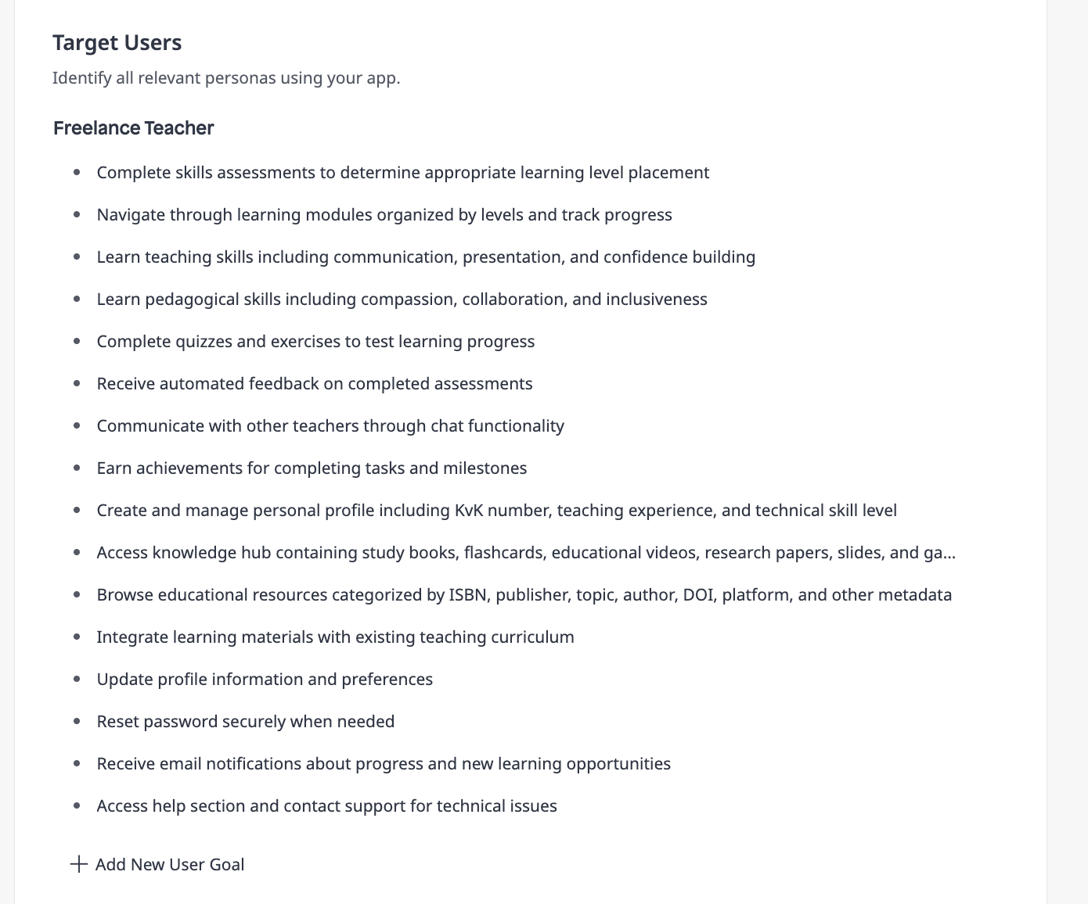
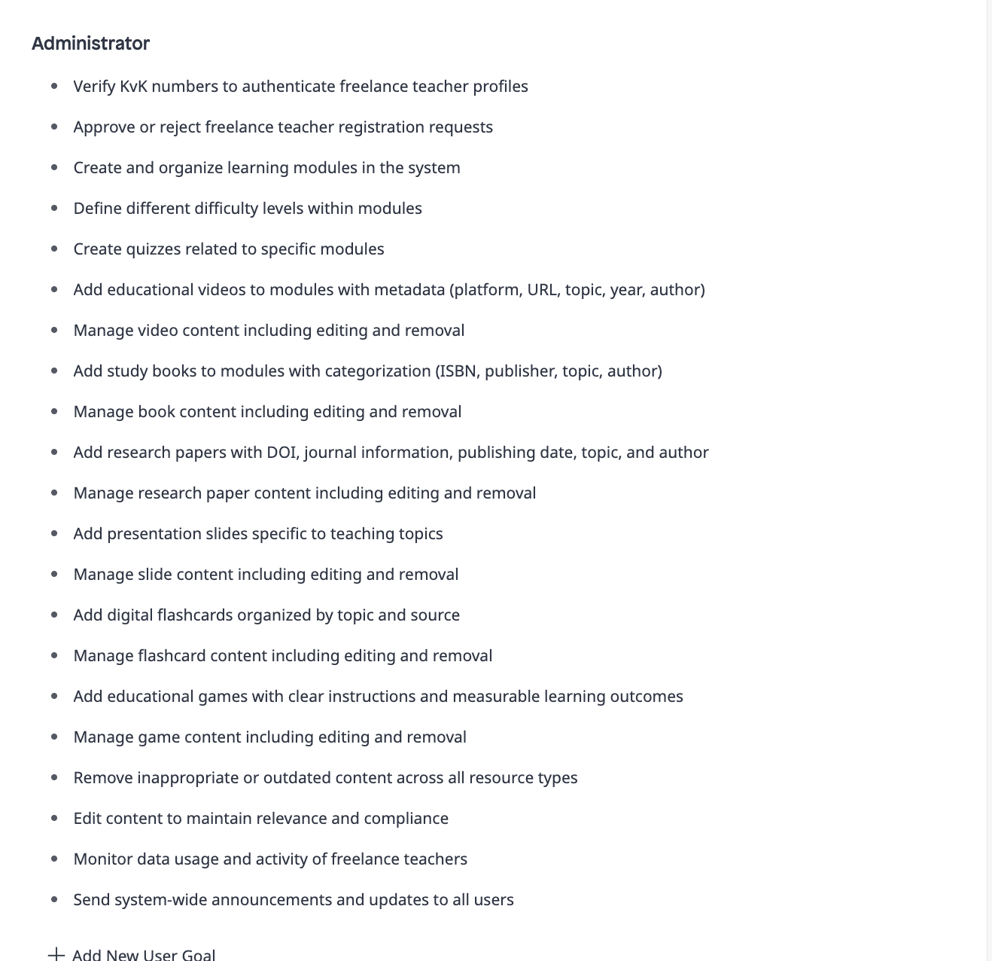
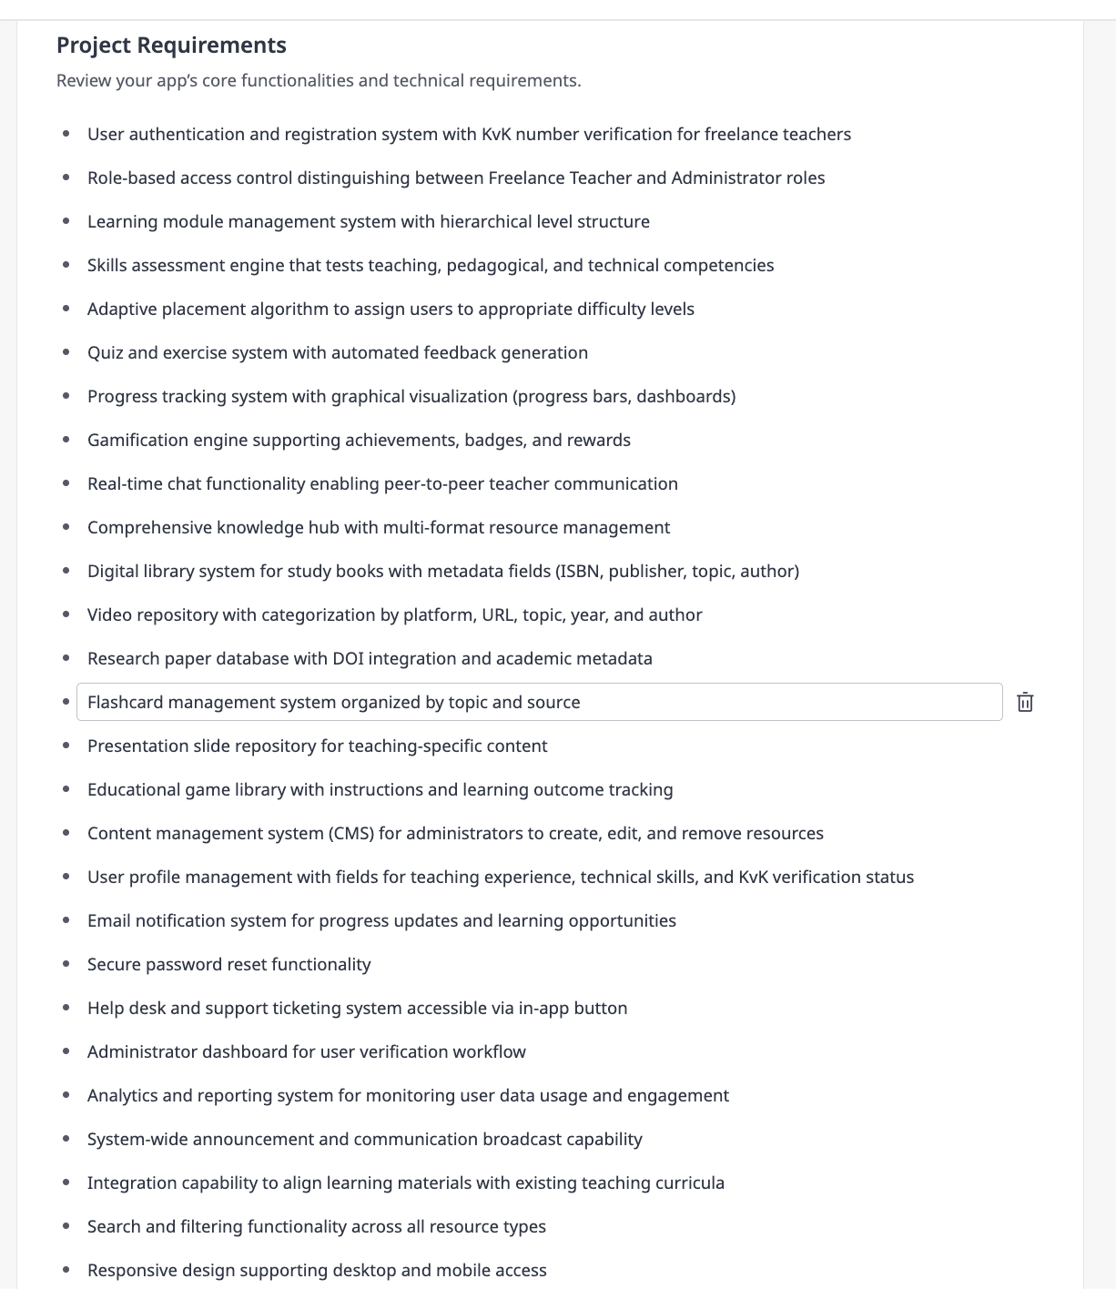
Goal
The Edugrowth platform aims to empower freelance teachers in the Netherlands by providing a comprehensive professional development ecosystem that enhances their teaching, pedagogical, and technical skills. The platform addresses the challenge faced by independent educators who often lack structured training opportunities and peer support networks. By offering modular learning pathways, skills assessments, gamified progress tracking, and a rich knowledge hub containing curated educational resources, Edugrowth enables freelance teachers to continuously improve their craft while maintaining their professional credentials through KvK verification. The long-term vision is to create a trusted community where freelance educators can learn, share experiences, access quality teaching materials, and ultimately deliver better educational outcomes to their students. This platform aligns with the growing demand for flexible, self-paced professional development solutions in the education sector while ensuring quality through verified user profiles and administrator-curated content.
Success Criteria

plan outputs
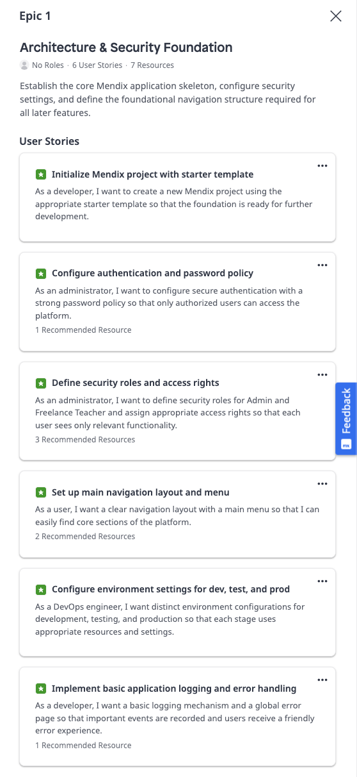
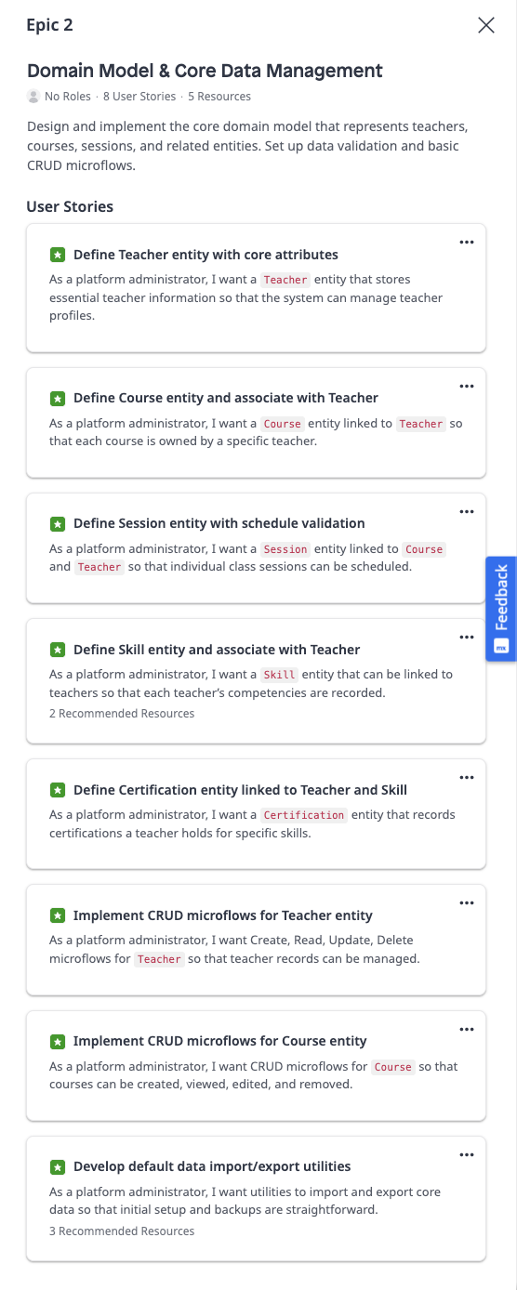
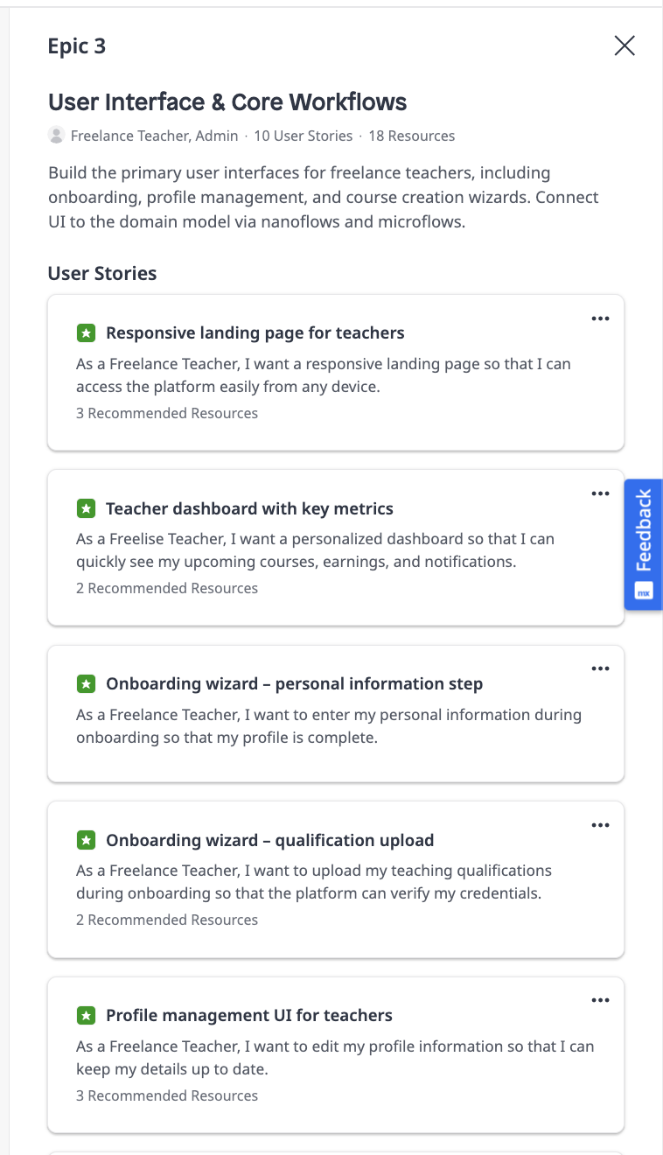
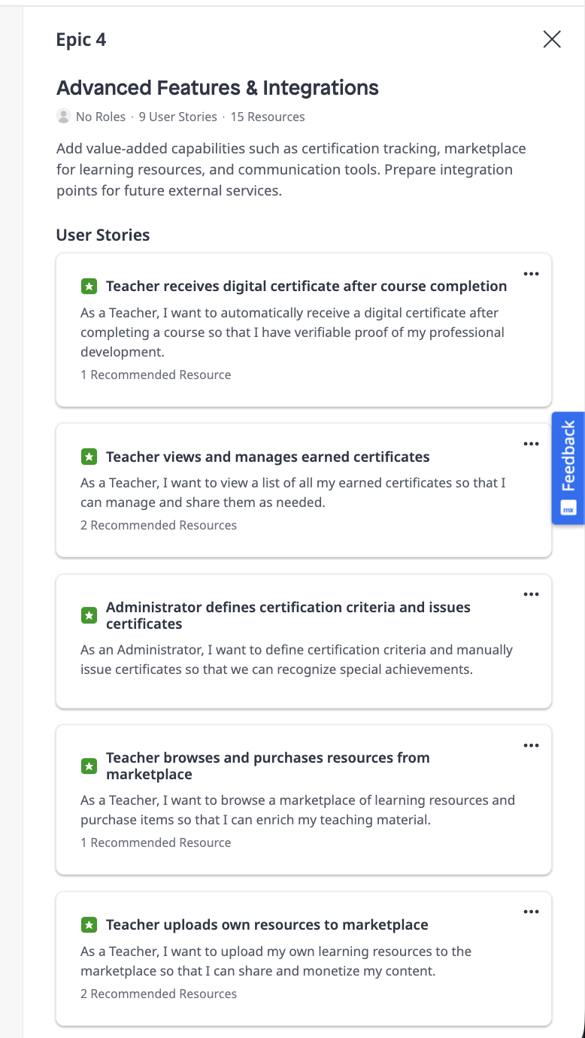
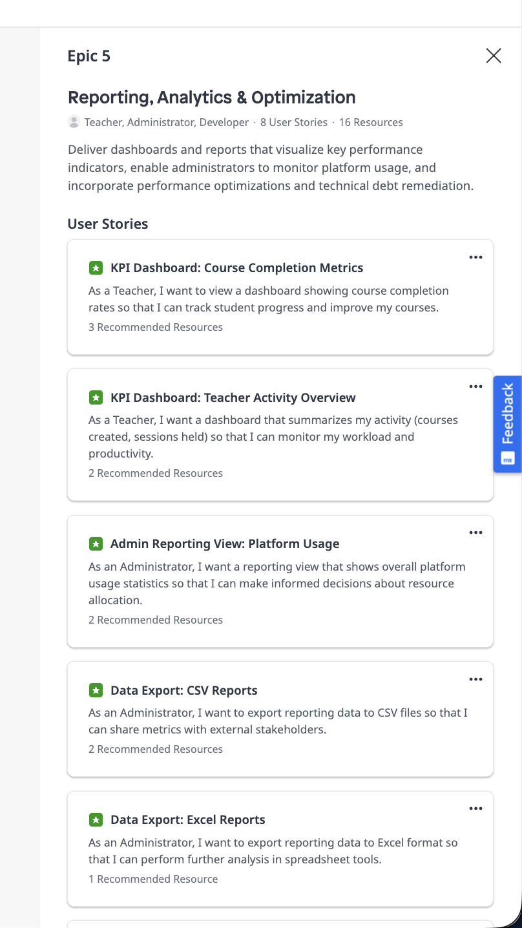

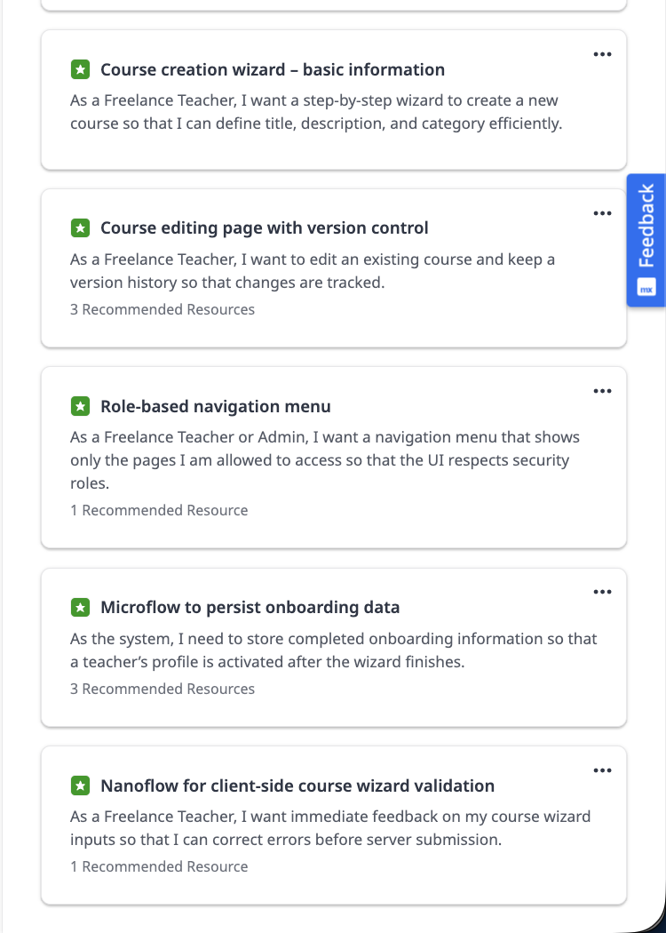

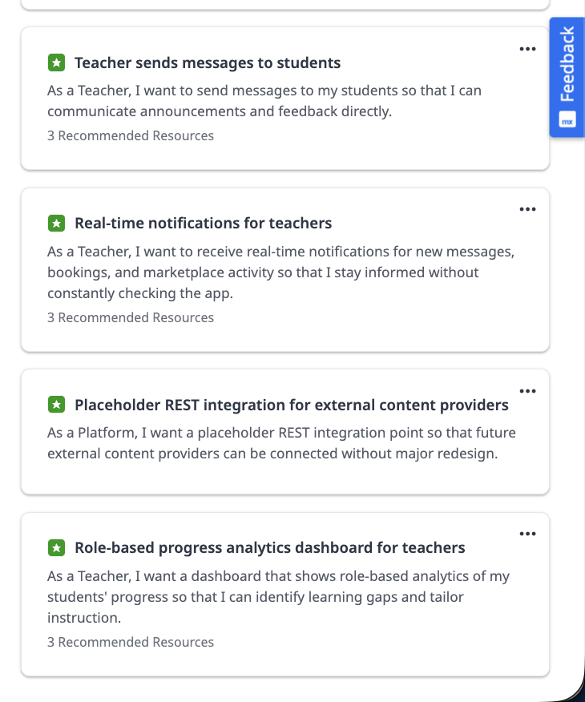

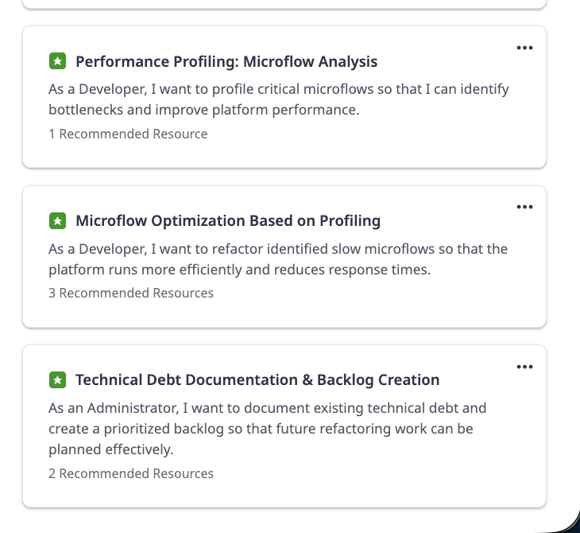

building_notes
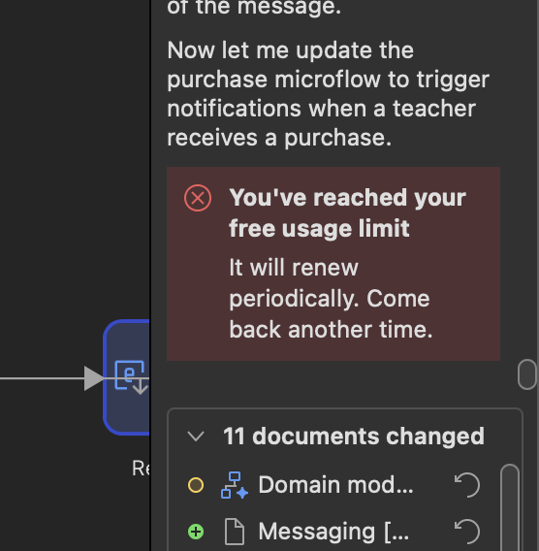
note_id | category | topic | note | source_url
1 | limitation | Security roles | When asked to create security roles, MAIA stated that it could not implement security roles and access rights configuration in the requested way. | https://docs.mendix.com/refguide/mendix-ai-assistance/
2 | limitation | Security roles | MAIA stated that it could not create or modify security roles such as Admin or FreelanceTeacher. | https://docs.mendix.com/refguide/maia-make/
3 | limitation | Security settings | MAIA stated that it could not configure module-level security settings.
4 | limitation | Page access | MAIA stated that it could not set up page access rules based on user roles.
5 | limitation | Navigation visibility | MAIA stated that it could not modify navigation menu visibility based on roles.
6 | manual intervention | Security configuration | The security settings were configured manually instead. Security was set to prototype mode.
7 | technical issue | Studio Pro crash | While configuring security manually, Studio Pro crashed. After restarting, the task was attempted again.
8 | context | Model information | MAIA Make uses Claude Sonnet 4.5.
9 | prompting | Story execution | The prompt used was: "Can you execute this story?" The relevant story was attached.
10 | manual intervention | Microflow roles | For several microflows, allowed roles had to be assigned manually.
11 | limitation | Nanoflows | EDU-24 could not be executed because nanoflows could not be created. MAIA reported that nanoflows are supported in Mendix and used for client-side validation, but that it could not create nanoflow documents directly through the available PED tools because that document type was not fully supported for creation.
12 | manual intervention | EDU-24 | MAIA advised implementing EDU-24 manually because it could not create the required nanoflows programmatically.
13 | manual intervention | Datagrid action column | Due to technical limitations with page generation for custom content columns in datagrids, the Actions column had to be added manually in Studio Pro.
14 | usability | Module selection | MAIA regularly asked which module it should work in.
15 | technical issue | Studio Pro crash | Studio Pro crashed again.
16 | usage limit | Epic 3 | After approximately 40 minutes of running epic 3, MAIA showed the message: "You've reached your free usage limit. It will renew periodically. Come back another time."

