Temporal & Comparison
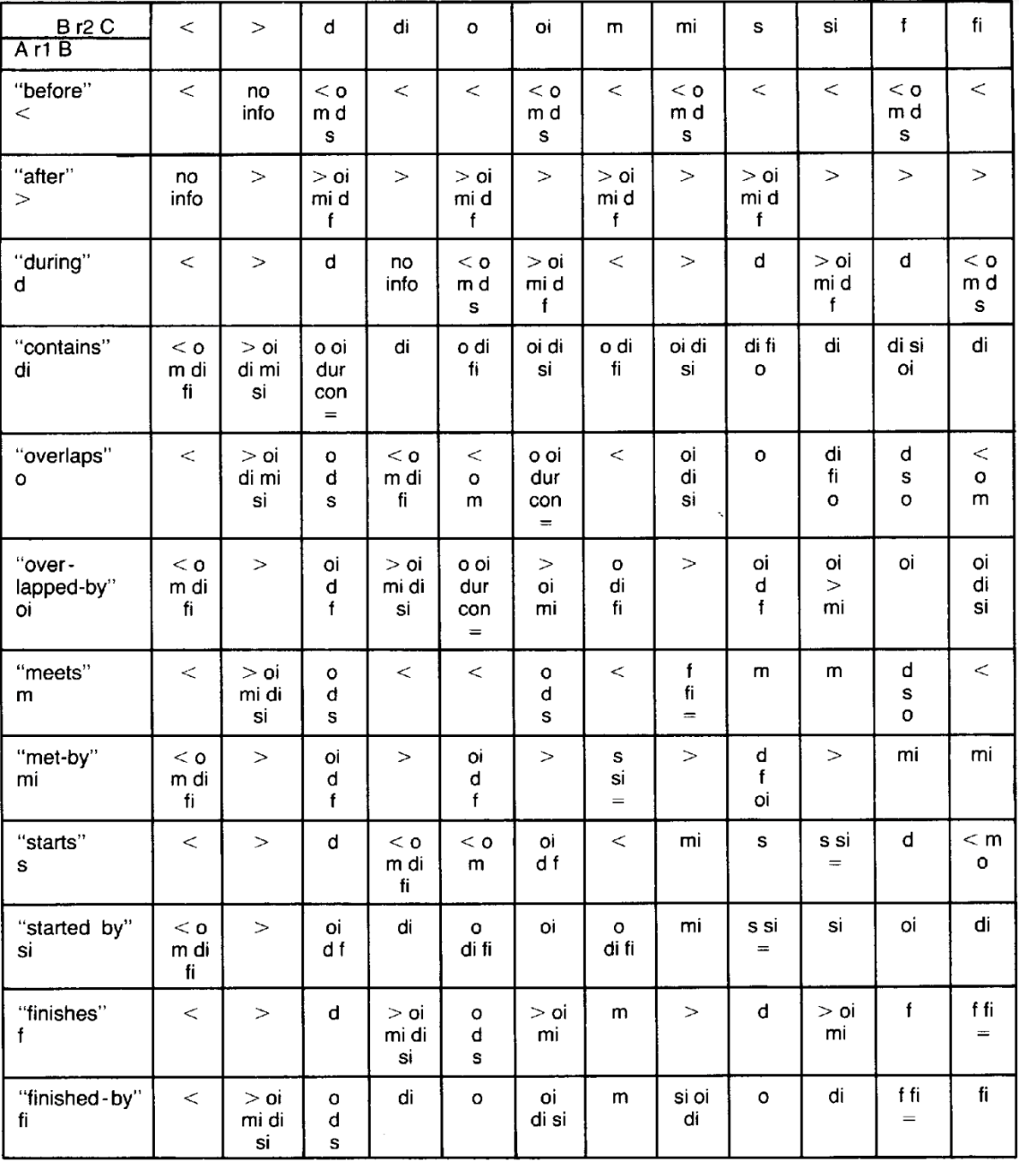
Cf. paper by Allan (1983) on many different kinds of temporal relations and specifying combinatorially entailed relation.
Linear Protocol: AxB & BxC -> AxC
 | BxC | 1 - Before | 2 - After | 3 - During | 4 - Contains | 5 - Overlaps | 6 - Overlapped by | 7 - Meets | 8 - Met by | 9 - Starts | 10 - Started by | 11 - Finishes | 12 - Finsished by
AxB
1 - Before |  | 1 | ?(1,2,3,4,5,6,7,8,9,10,11,12) | ?1, 3, 5, 7, 9 | 1 | 1 | ?1, 3, 5, 7, 9 | 1 | ?1, 3, 5, 7, 9 | 1 | 1 | ?1, 3, 5, 7, 9 | 1
2 - After |  | ?(1,2,3,4,5,6,7,8,9,10,11,12) | 2 | ?1, 4, 6, 8, 11 | 2 | ?1, 4, 6, 8, 11 | 2 | ?1, 4, 6, 8, 11 | 2 | ?1, 4, 6, 8, 11 | 2 | 2 | 2
3 - During |  | 1 | 2 | 3 | ?(1,2,3,4,5,6,7,8,9,10,11,12) | ?1, 3, 5, 7, 9 | ?2,3,6,8,11 | 1 | 2 | 3 | ?2,3,6,8,11 | 3 | ?1,3,5,7,9
4 - Contains |  | ?1,4,5,7,12 | ?1,4,6,7,12 | ?0, 3, 4, 5,6, (9, 12) | 4 | ?4,5,12 | ?4,6,10 | ?,4,5,12 | ?4,6,10 | ?4,5,12 | 4 | ?4,6,10 | 4
5 - Overlaps |  | 1 | ?1,4,6,7,12 | ?3,5,9 | ?1, 4, 5, 7, 11 | ?1, 5, 7 | ?0, 3,4,5,6 | 1 | ?4,6,10 | 5 | ?4,5,12 | ?3,5,9 | ?1,5,7
6 - Overlapped by |  | ?1,4,5,7,12 | 2 | ?3, 6, 11 | ?2, 4, 6, 8, 10 | ?0,3,4,5,6 | ?2,4,8 | ?4,5,12 | 2 | ?3,6,11 | ?2,6,8 | 6 | ?4,6,10
7 - Meets |  | 1 | ?1,4,6,7,12 | ?3, 5, (7), 9 | 1 | 1 | ?3,5,9 | 1 | ?0,11,12 | 7 | 7 | ?3,5,9 | 1
8 - Met by |  | ?1,4,5,7,12 | 2 | ?3, 6, (8), 11 | 2 | ?3,6,11 | 2 | ?0,9,10 | 2 | ?3,6,11 | 2 | 8 | 8
9 - Starts |  | 1 | 2 | 4 | ?1, 4, 5, 7, (9), 12 | ?1,5,7 | ?3,4,11 | 1 | 8 | 9 | ?0,9,10 | 3 | ?1,5,7
10 - Started by |  | ?1,4,5,7,12 | 2 | ?3, 6, 11 | 4 | ?4,5,12 | 6 | ?4,5,12 | 8 | ?0,9,10 | 10 | 6 | 4
11 - Finishes |  | 1 | 2 | ?3, (11) | ?, 2, 4, 6, 8, 10 | ?3,5,9 | ?2,6,8 | 7 | 2 | 3 | ?2,6,8 | 11 | ?0,11,12
12 - Finsished by |  | 1 | ?1,4,6,7,12 | ?3, 5, 9 | 4 | 5 | ?4, 6, 10 | 7 | ?4,6,10 | 5 | 4 | ?0,11,12 | 12

 | BxC | 1 - Less than | 2 - More than | 3 - Part of | 4 - Contains | 5 - Last part of A = first part of B | 6 - Last part of B = first part of A | 7 - Less than or equal to | 8 - More than or equal to | 9 - A = first part of B | 10 - B = first part of A | 11 - A = last part of B | 12 - B = last part of A
AxB
1 - Less than |  | 1 | ?(1,2,3,4,5,6,7,8,9,10,11,12) | ?1, 3, 5, 7, 9 | 1 | 1 | ?1, 3, 5, 7, 9 | 1 | ?1, 3, 5, 7, 9 | 1 | 1 | ?1, 3, 5, 7, 9 | 1
2 - More than |  | ?(1,2,3,4,5,6,7,8,9,10,11,12) | 2 | ?1, 4, 6, 8, 11 | 2 | ?1, 4, 6, 8, 11 | 2 | ?1, 4, 6, 8, 11 | 2 | ?1, 4, 6, 8, 11 | 2 | 2 | 2
3 - Part of |  | 1 | 2 | 3 | ?(1,2,3,4,5,6,7,8,9,10,11,12) | ?1, 3, 5, 7, 9 | ?2,3,6,8,11 | 1 | 2 | 3 | ?2,3,6,8,11 | 3 | ?1,3,5,7,9
4 - Contains |  | ?1,4,5,7,12 | ?1,4,6,7,12 | ?0, 3, 4, 5,6, (9, 12) | 4 | ?4,5,12 | ?4,6,10 | ?,4,5,12 | ?4,6,10 | ?4,5,12 | 4 | ?4,6,10 | 4
5 - Last part of A = first part of B |  | 1 | ?1,4,6,7,12 | ?3,5,9 | ?1, 4, 5, 7, 11 | ?1, 5, 7 | ?0, 3,4,5,6 | 1 | ?4,6,10 | 5 | ?4,5,12 | ?3,5,9 | ?1,5,7
6 - Last part of B = first part of A |  | ?1,4,5,7,12 | 2 | ?3, 6, 11 | ?2, 4, 6, 8, 10 | ?0,3,4,5,6 | ?2,4,8 | ?4,5,12 | 2 | ?3,6,11 | ?2,6,8 | 6 | ?4,6,10
7 - Less than or equal to |  | 1 | ?1,4,6,7,12 | ?3, 5, (7), 9 | 1 | 1 | ?3,5,9 | 1 | ?0,11,12 | 7 | 7 | ?3,5,9 | 1
8 - More than or equal to |  | ?1,4,5,7,12 | 2 | ?3, 6, (8), 11 | 2 | ?3,6,11 | 2 | ?0,9,10 | 2 | ?3,6,11 | 2 | 8 | 8
9 - A = first part of B |  | 1 | 2 | 4 | ?1, 4, 5, 7, (9), 12 | ?1,5,7 | ?3,4,11 | 1 | 8 | 9 | ?0,9,10 | 3 | ?1,5,7
10 - B = first part of A |  | ?1,4,5,7,12 | 2 | ?3, 6, 11 | 4 | ?4,5,12 | 6 | ?4,5,12 | 8 | ?0,9,10 | 10 | 6 | 4
11 - A = last part of B |  | 1 | 2 | ?3, (11) | ?, 2, 4, 6, 8, 10 | ?3,5,9 | ?2,6,8 | 7 | 2 | 3 | ?2,6,8 | 11 | ?0,11,12
12 - B = last part of A |  | 1 | ?1,4,6,7,12 | ?3, 5, 9 | 4 | 5 | ?4, 6, 10 | 7 | ?4,6,10 | 5 | 4 | ?0,11,12 | 12

Spatial technically has three dimensions that can again be compared
 | BxC | 1 - Less than | 2 - More than | 3 - Part of | 4 - Contains | 5 - Last part of A = first part of B | 6 - Last part of B = first part of A | 7 - Less than or equal to | 8 - More than or equal to | 9 - A = first part of B | 10 - B = first part of A | 11 - A = last part of B | 12 - B = last part of A
AxB
1 - Left of |  | 1 | ?(1,2,3,4,5,6,7,8,9,10,11,12) | ?1, 3, 5, 7, 9 | 1 | 1 | ?1, 3, 5, 7, 9 | 1 | ?1, 3, 5, 7, 9 | 1 | 1 | ?1, 3, 5, 7, 9 | 1
2 - Right of |  | ?(1,2,3,4,5,6,7,8,9,10,11,12) | 2 | ?1, 4, 6, 8, 11 | 2 | ?1, 4, 6, 8, 11 | 2 | ?1, 4, 6, 8, 11 | 2 | ?1, 4, 6, 8, 11 | 2 | 2 | 2
3 - Inside/(smaller) In front of/ (smaller)behind |  | 1 | 2 | 3 | ?(1,2,3,4,5,6,7,8,9,10,11,12) | ?1, 3, 5, 7, 9 | ?2,3,6,8,11 | 1 | 2 | 3 | ?2,3,6,8,11 | 3 | ?1,3,5,7,9
4 - Contains (/in front of/behind) |  | ?1,4,5,7,12 | ?1,4,6,7,12 | ?0, 3, 4, 5,6, (9, 12) | 4 | ?4,5,12 | ?4,6,10 | ?,4,5,12 | ?4,6,10 | ?4,5,12 | 4 | ?4,6,10 | 4
5 - Last part of A = first part of B |  | 1 | ?1,4,6,7,12 | ?3,5,9 | ?1, 4, 5, 7, 11 | ?1, 5, 7 | ?0, 3,4,5,6 | 1 | ?4,6,10 | 5 | ?4,5,12 | ?3,5,9 | ?1,5,7
6 - Last part of B = first part of A |  | ?1,4,5,7,12 | 2 | ?3, 6, 11 | ?2, 4, 6, 8, 10 | ?0,3,4,5,6 | ?2,4,8 | ?4,5,12 | 2 | ?3,6,11 | ?2,6,8 | 6 | ?4,6,10
7 - Most right part of A touches most left part of B |  | 1 | ?1,4,6,7,12 | ?3, 5, (7), 9 | 1 | 1 | ?3,5,9 | 1 | ?0,11,12 | 7 | 7 | ?3,5,9 | 1
8 - Most left part of A touches most right part of B |  | ?1,4,5,7,12 | 2 | ?3, 6, (8), 11 | 2 | ?3,6,11 | 2 | ?0,9,10 | 2 | ?3,6,11 | 2 | 8 | 8
9 - Most left part of A = most left part of B and B contains A |  | 1 | 2 | 4 | ?1, 4, 5, 7, (9), 12 | ?1,5,7 | ?3,4,11 | 1 | 8 | 9 | ?0,9,10 | 3 | ?1,5,7
10 - Most left part of A = most left part of B and A contains B |  | ?1,4,5,7,12 | 2 | ?3, 6, 11 | 4 | ?4,5,12 | 6 | ?4,5,12 | 8 | ?0,9,10 | 10 | 6 | 4
11 - Most right part of A = most right part of B and B contains A |  | 1 | 2 | ?3, (11) | ?, 2, 4, 6, 8, 10 | ?3,5,9 | ?2,6,8 | 7 | 2 | 3 | ?2,6,8 | 11 | ?0,11,12
12 - Most right part of A = most right part of B and A contains B |  | 1 | ?1,4,6,7,12 | ?3, 5, 9 | 4 | 5 | ?4, 6, 10 | 7 | ?4,6,10 | 5 | 4 | ?0,11,12 | 12

