Instructions
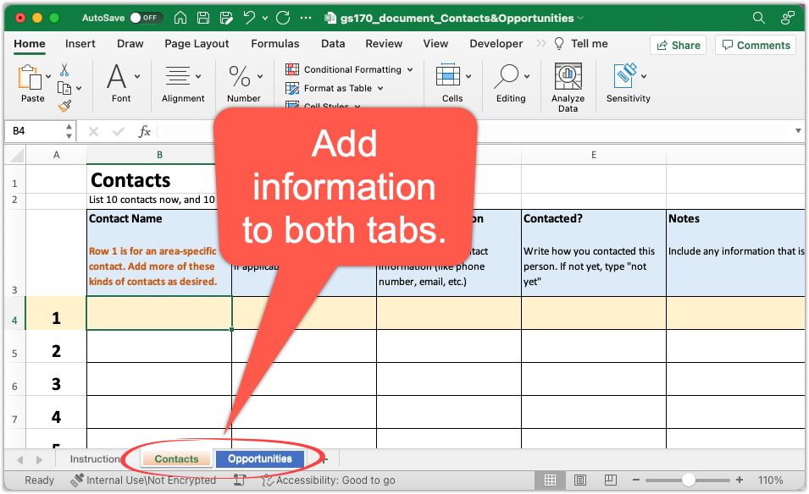
Instructions
-Follow the directions at W01 Project A: Start Contacts and Opportunities List.
-In this workbook, add information to both tabs. See the illustration below.

