Sheet1
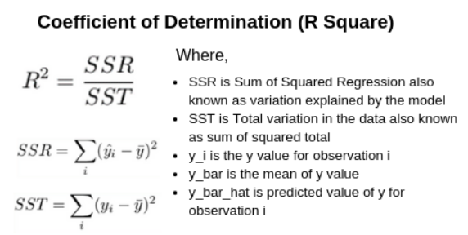
Node | Model | Input | Predicted | R2 Score | RMSE (L/hr) | NOTE | In terms of regression analysis, the coefficient of determination is an overall measure of the accuracy of the regression model.
PH0100 | linear regression | p | fr | 0.939 | 0.8909 |  | The coefficient of determination (R²) is a number between 0 and 1 that measures how well a statistical model predicts an outcome
 | linear regression | pv | fr | 0.9234 | 0.9929
 | linear regression | pv | p | 0.9776 | 0.162
PH0302 | linear regression | pv | fr | 0.8528 | 0.8156
PH0303 | linear regression | pv | fr | 0.9879 | 0.2483
PH0100 | SVM | p | fr | 0.9534 | 0.793 | 0.982,0.494 for unprocessed
 | SVM | pv | fr | 0.9087 | 1.1108 | 0.96,0.735 for unprocessed
 | SVM | pv | p | 0.9682 | 0.1934 | 0.9856,0.1303 for unprocessed
PH0302 | SVM | pv | fr | 0.2094 | 1.9714 | 0.9829,0.2894 for smoothened
PH0303 | SVM | pv | fr | 0.4635 | 1.7646 | 0.9498,0.5031 for unprocessed
PH0100 | CNN | p | fr | 0.9315 | 0.9622 | 0.9817,0.4984 for unprocessed
 | CNN | pv | fr | 0.9134 | 1.0817 | 0.9568,0.7663 for unprocessed
 | CNN | pv | p | 0.9796 | 0.1549 | 0.9857,0.1299 for unprocessed
PH0302 | CNN | pv | fr | 0.6606 | 1.2915 | 0.98,0.3129 for sampled
PH0303 | CNN | pv | fr | 0.96 | 0.4815

 |  |  |  |  |  |  | CNN with 2 layers, ReLU activation, and 1 L2 loss

