Sheet1
FCFS (First Come First Served)
Διεργασία | Χρόνος άφιξης | Διάρκεια εκτέλεσης | PID |  | Time of First Schedule | Completion Time | Response Time (Time of First Schedule - Arrival Time) | Waiting Time (Turn Around Time - Burst Time) | Turnaround Time (Complition Time - Arrival TIme)
Α | 0 | 8 | 3 |  | 0 | 8 | A: 0-0=0 | A: 8-8=0 | A: 8-0=8
Β | 3 | 4 | 2 |  | 8 | 12 | B: 8-3=5 | Β: 9-4=5 | Β: 12-3 = 9
Γ | 4 | 4 | 1 |  | 12 | 16 | Γ: 12-4=8 | Γ: 12-4=8 | Γ: 16-4= 12
Δ | 5 | 5 | 5 |  | 16 | 21 | Δ: 16-5=11 | Δ: 16-5=11 | Δ: 21-5= 16
Ε | 7 | 7 | 4 |  | 21 | 28 | E: 21-7=16 | Ε: 21-7=16 | Ε: 28-7= 21

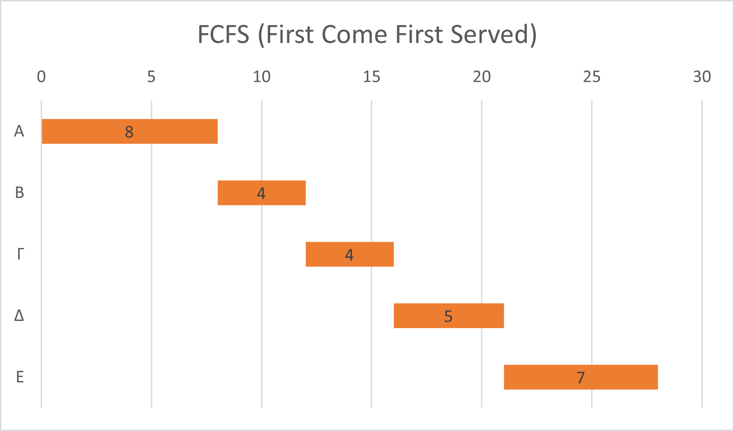
 |  |  |  |  |  |  | AVG = (0+5+8+11+16)/5 = 8 | AVG = (0+5+8+11+16)/5 = 8 | AVG = (8+9+12+16+21)/5 = 13.2

 |  |  |  |  |  |  | #θεματικών εναλλαγών
 |  |  |  |  |  |  | A: 1
 |  |  |  |  |  |  | B: 1
 |  |  |  |  |  |  | Γ: 1
 |  |  |  |  |  |  | Δ: 1
 |  |  |  |  |  |  | E: 1
 |  |  |  |  |  |  | total: 5

SJF (Shortest Job First)
Διεργασία | Χρόνος άφιξης | Διάρκεια εκτέλεσης | PID |  | Time of First Schedule | Completion Time | Response Time (Time of First Schedule - Arrival Time) | Waiting Time (Turn Around Time - Burst Time) | Turnaround Time (Complition Time - Arrival TIme)
Α | 0 | 8 | 3 |  | 0 | 8 | A: 0-0=0 | A: 8-8=0 | A: 8-0 =8
Β | 3 | 4 | 2 |  | 12 | 16 | B:12-3=9 | Β: 13-3=10 | Β: 16-3 = 13
Γ | 4 | 4 | 1 |  | 8 | 12 | Γ: 8-4=4 | Γ: 12-4=8 | Γ: 12-4= 12
Δ | 5 | 5 | 5 |  | 16 | 21 | Δ: 16-5=11 | Δ: 16-5=11 | Δ: 21-5= 16
Ε | 7 | 7 | 4 |  | 21 | 28 | E: 21-7=16 | Ε: 21-7=16 | Ε: 28-7= 21

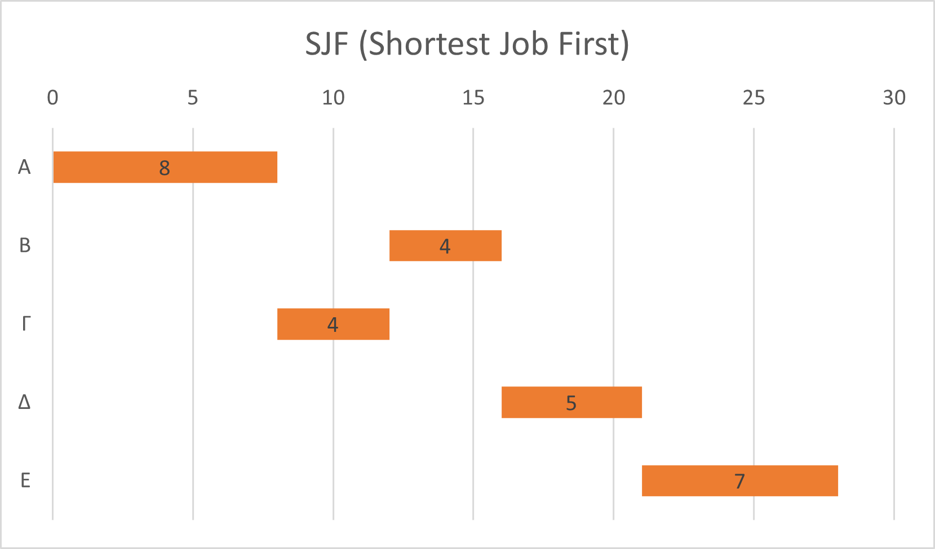
 |  |  |  |  |  |  | AVG = (0+9+4+11+16)/5 = 8 | AVG = (0+10+8+11+16)/5 = 9 | AVG = (8+13+12+16+21)/5 = 14

 |  |  |  |  |  |  | #θεματικών εναλλαγών
 |  |  |  |  |  |  | A: 1
 |  |  |  |  |  |  | B: 1
 |  |  |  |  |  |  | Γ: 1
 |  |  |  |  |  |  | Δ: 1
 |  |  |  |  |  |  | E: 1
 |  |  |  |  |  |  | total: 5

SRTF (Shortest Remaining Time First)
Διεργασία | Χρόνος άφιξης | Διάρκεια εκτέλεσης | PID |  | Time of First Schedule | Completion Time | Response Time (Time of First Schedule - Arrival Time) | Waiting Time (Turn Around Time - Burst Time) | Turnaround Time (Complition Time - Arrival TIme)
Α | 0 | 8 | 3 |  | 0 | 16 | A: 0-0=0 | A: 16-8=8 | A: 16-0=16
Β | 3 | 4 | 2 |  | 3 | 7 | B:3-3=0 | Β: 4-4=0 | Β: 7-3=4
Γ | 4 | 4 | 1 |  | 7 | 11 | Γ: 7-4=3 | Γ: 7-4=3 | Γ: 11-4=7
Δ | 5 | 5 | 5 |  | 16 | 21 | Δ: 16-5=11 | Δ: 16-5=11 | Δ: 21-5= 16
Ε | 7 | 7 | 4 |  | 21 | 28 | E: 21-7=16 | Ε: 21-7=14 | Ε: 28-7= 21

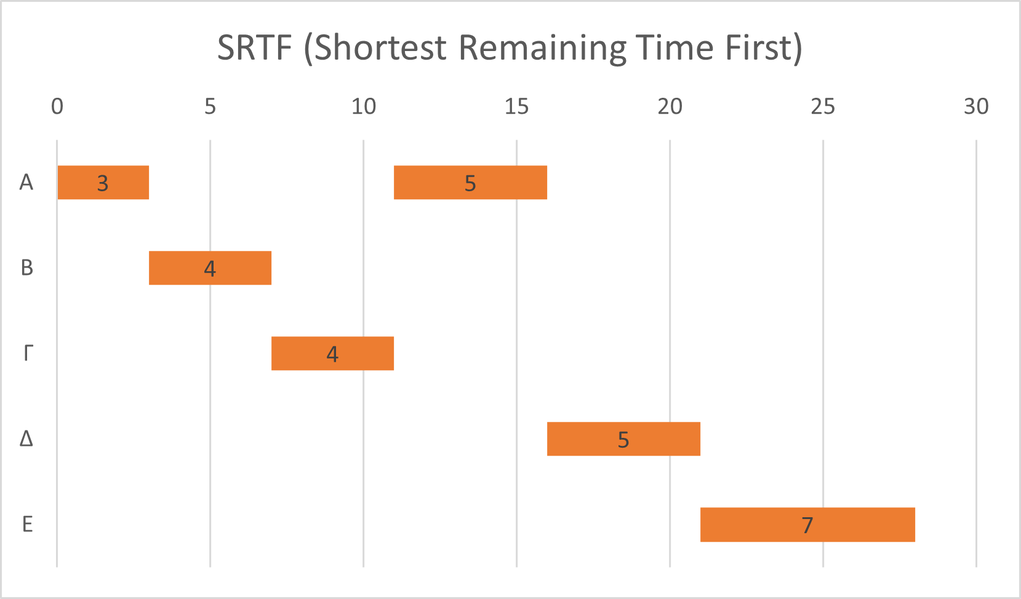
 |  |  |  |  | 3 |  | AVG = (0+0+3+11+16)/5 = 6 | AVG = (8+0+3+11+14)/5=7.2 | AVG = (16+4+7+16+21)/5 = 12.8
 |  |  |  |  | 4
 |  |  |  |  | 4 |  | #θεματικών εναλλαγών
 |  |  |  |  | 5 |  | A: 2
 |  |  |  |  | 7 |  | B: 1
 |  |  |  |  |  |  | Γ: 1
 |  |  |  |  |  |  | Δ: 1
 |  |  |  |  |  |  | E: 1
 |  |  |  |  |  |  | total: 6

RR (Round Robin)
Διεργασία | Χρόνος άφιξης | Διάρκεια εκτέλεσης | PID |  | Time of First Schedule | Completion Time | Response Time (Time of First Schedule - Arrival Time) | Waiting Time (Turn Around Time - Burst Time) | Turnaround Time (Complition Time - Arrival TIme)
Α | 0 | 8 | 3 |  | 0 | 24 | A: 0-0=0 | A: 24-8=16 | A: 24-0=24
Β | 3 | 4 | 2 |  | 4 | 16 | B: 4-3=1 | B: 13-4=9 | B: 16-3=13
Γ | 4 | 4 | 1 |  | 6 | 18 | Γ: 6-4=2 | Γ: 14-4=10 | Γ: 18-4=14
Δ | 5 | 5 | 5 |  | 8 | 25 | Δ: 8-5=3 | Δ: 20-5=15 | Δ: 25-5=20
Ε | 7 | 7 | 4 |  | 10 | 28 | E: 10-7=3 | E: 21-7=14 | E: 28-7=21

Quatum = 2 |  |  |  |  |  |  | AVG = (0+1+2+3+3)/5 = 1.8 | AVG = (16+9+10+15+14)/5 = 12.8 | AVG = (24+13+14+20+21)/5 = 18.4

 |  |  |  |  |  |  | #θεματικών εναλλαγών
 |  |  |  |  |  |  | A: 3
 |  |  |  |  |  |  | B: 2
 |  |  |  |  |  |  | Γ: 2
 |  |  |  |  |  |  | Δ: 3
 |  |  |  |  |  |  | E: 3
 |  |  |  |  |  |  | total: 13

RR (Round Robin)
Διεργασία | Χρόνος άφιξης | Διάρκεια εκτέλεσης | PID |  | Completion Time | Waiting Time (Turn Around Time - Burst Time) | Turnaround Time (Complition Time - Arrival TIme)
Α | 0 | 8 | 3 |  | 24+10x | A: 24+10x-8=16+10x | A: 24+10x-0=24+10x
Β | 3 | 4 | 2 |  | 16+6x | B: 13+6x-4=9+6x | B: 16+16x-3=13+6x
Γ | 4 | 4 | 1 |  | 18+7x | Γ: 14+7x-4=10+7x | Γ: 18+7x-4=14+7x
Δ | 5 | 5 | 5 |  | 25+11x | Δ: 20+11x-5=15+11x | Δ: 25+11x-5=20+11x
Ε | 7 | 7 | 4 |  | 28+12x | E: 21+12x-7=14+12x | E: 28+12x-7=21+12x
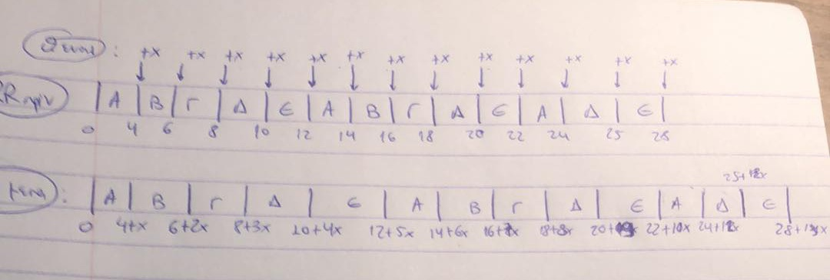
 |  |  |  |  |  | AVG(WT)=[(16+10x)+(9+6x)+(10+7x)+(15+11x)+(14+12x)]/5=12,8+9,2x
 |  |  |  | ΜΧΑ(RR)=3*ΜΧΑ(SRTF)=>12,8+9,2x=3*7,2=>9,2x=8,8=>x=0,9565

