edit tips
increment | bike_name | brand | bike_type | year | cylinder_cc | power_hp | weight_kg | weight_lb | price_usd | seat_height | Full_mark | introduction | style | style_mark | engine | engine_mark | handling | handling_mark | braking | braking_mark | conclusion | mark | concurrence
 | Diavel | Ducati | Cruiser | 2017 |  |  |  |  |  |  |  |  |  | 4 |  | 4.5 |  | 4 |  | 3 |  | 3.92
 | R nine T | BMW | Roadster |  |  |  |  |  |  |  |  |  |  | 3.5 |  | 5 |  | 4 |  | 4.5 |  | 4.35
 | Hayabusa | Suzuki | Super Sport |  |  |  |  |  |  |  |  |  |  | 3 |  | 4.5 |  | 3 |  | 4.5 |  | 3.81

 | auto increment
 | brand
 | name
 | year
 | engine
 | type | cruiser | roadster | touring | sport | adventure | off road

 | introduction
 | style
 | quality
test ride | motor
 | agility / handling |  |  |  |  |  |  |  |  |  |  |  |  | if change css
 | braking |  |  |  |  |  |  |  |  |  |  |  |  | bundle exec rake assets:precompile
 |  |  |  |  |  |  |  |  |  | page speed test |  |  |  | git add .
 | conclusion |  |  |  |  |  |  |  |  |  |  |  |  | then push to github
 |  |  |  |  |  |  |  |  |  |  |  |  |  |  |  |  |  |  | ceate / edit credential
 |  |  |  |  |  |  | console |  |  | remove gem
 |  |  |  |  |  |  |  |  |  | bundle update |  |  | github |  |  |  |  |  | EDITOR=vi bin/rails credentials:edit
 |  |  |  |  |  |  | rails c |  |  | add gem |  |  | git add . |  |  | Heroku |  |  | heroku config:set RAILS_MASTER_KEY=`cat config/master.key`
 |  |  |  |  |  |  |  |  |  | bundle install |  |  | git status |  |  | git remote -v
 | rebuid the database from the migrate file |  |  |  |  |  | q=BrandBikeDb.create |  |  |  |  |  | git commit - am "blabla" |  |  | heroku git:remote -a full-throttle
 | rake db:drop db:create db:migrate db:seed |  |  |  |  |  | q.brand_name="Yamaha" |  |  |  |  |  | git push -u origin master |  |  | git push heroku master
 |  |  |  |  |  |  | q.save |  |  |  |  |  |  |  |  |  |  |  |  | rake sitemap:create
 |  |  |  |  |  |  | BrandBikeDb.find(4) |  |  |  |  |  |  |  |  | heroku run rake db:migrate |  |  |  | rake sitemap:refresh
 |  |  |  |  |  |  | q=BrandBikeDb.find(6) |  |  |  |  |  |  |  |  |  |  |  |  | heroku run rake sitemap:create
 |  |  |  |  |  |  |  | q.remove_pictureintro! |  |  |  |  |  |  |  | heroku run rails console |  |  |  | heroku run rake sitemap:refresh
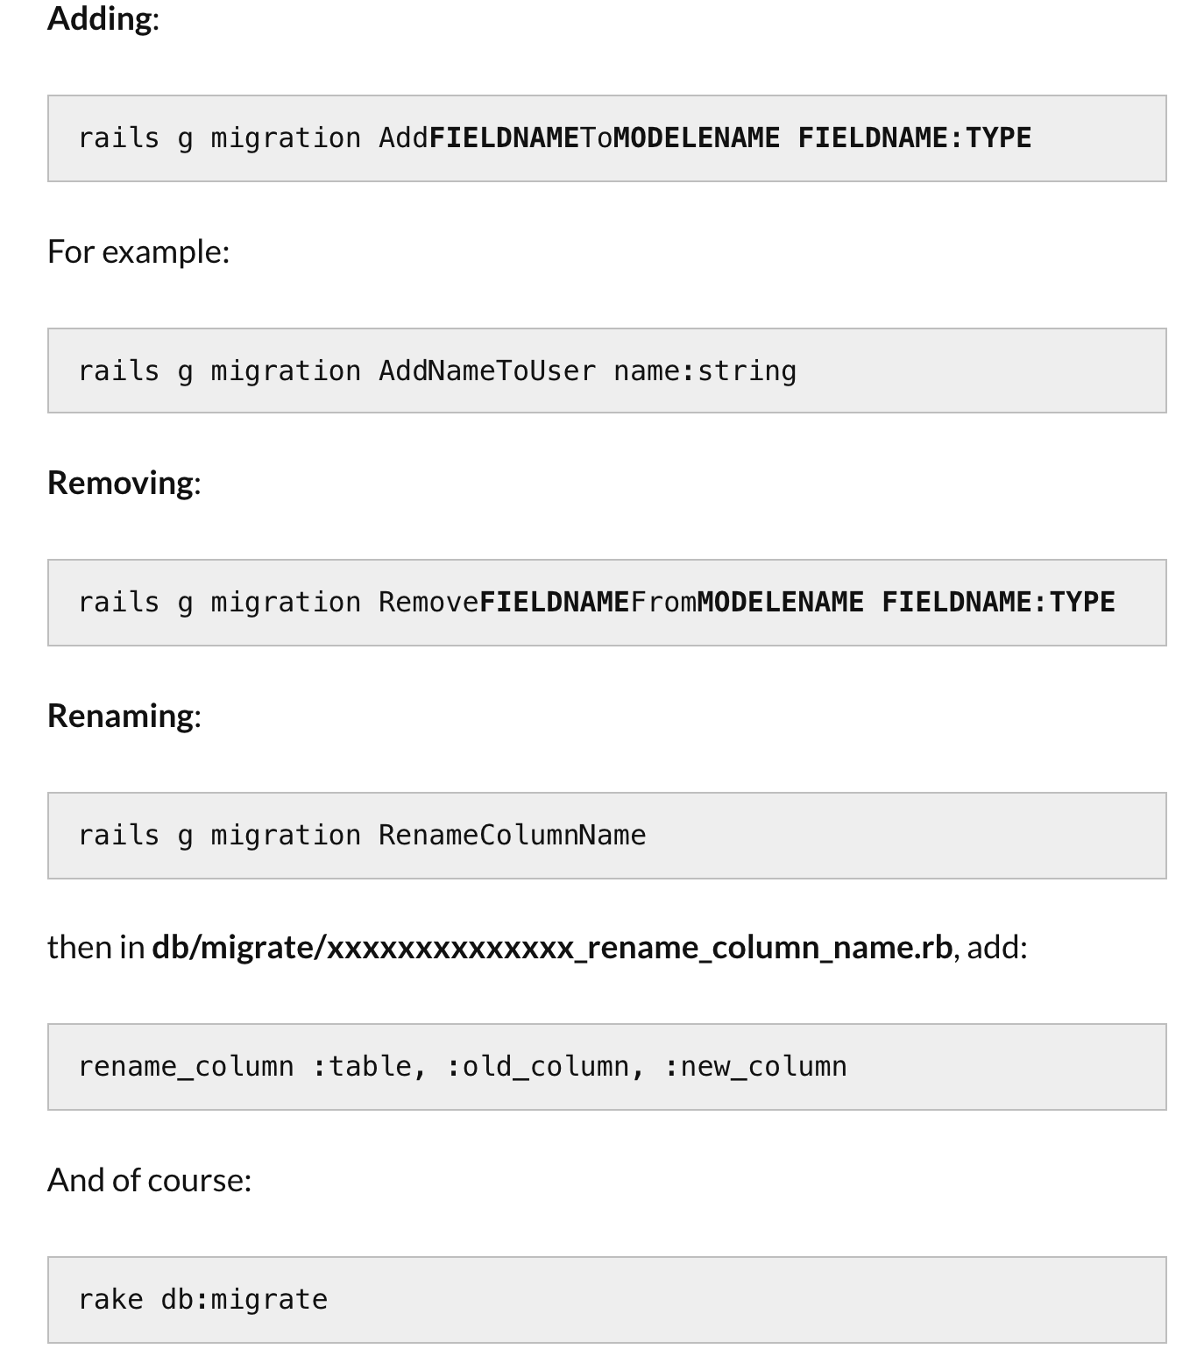
 |  |  |  |  |  |  |  |  |  |  |  |  |  |  |  | heroku logs --tail

 |  |  |  |  |  |  |  |  |  |  |  |  |  |  |  | heroku restart

 |  |  |  |  |  |  |  |  |  |  |  | class AddUsernameToUsers < ActiveRecord::Migration[5.1]
 |  |  |  |  |  |  |  |  |  |  |  | def change
 |  |  |  |  |  |  |  |  |  |  |  | add_column :users, :usernameb, :string
 |  |  |  |  |  |  |  |  |  |  |  | add_index :users, :usernameb, unique: true
 |  |  |  |  |  |  |  |  |  |  |  | end
 |  |  |  |  |  |  |  |  |  |  |  | end

