Part1
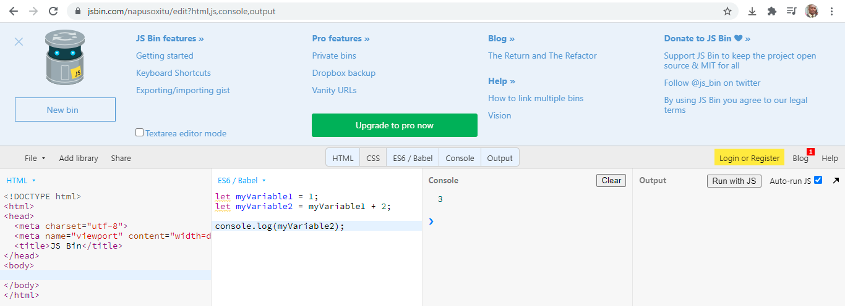
CodePen: | https://codepen.io/nicolaspatschkowski/pen/KKpRQWw
For trying out snippets of JavaScript without having to worry about integrating them in a web page, you can use JS Bin:
Website for practicing JS |  | jsbin.com

Variable Declaration and initialization

In many JavaScript demos, you may come across the keyword var instead of let.
While there is one subtle difference between the two (which we will explore in our chapter on scoping), for now you can simply think of var as the older version of let: it is another way of creating a variable.

Modifying the value of a variable
Here, we declare the variable numberOfCats and initialize it with the value 3. We then reassign it the value 4 (without the let keyword, as the variable has already been declared).

Arithmetic operators - working with numbers

Addition and subtraction

Multiplication and division

constants
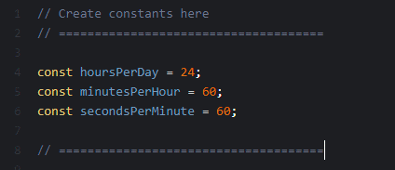

Chapter 2 : Resume
Declare variables with the let keyword and a camel case name, and initialize them with the = operator.
Modify the contents of a variable by reassigning it or with operators.
Use constants to prevent essential pieces of data from being over-written.

In JavaScript, there are three main primitive types
number, string and boolean
Primitive types | Primitive types are the basic building blocks of every data structure in JavaScript.
We do not need to declare a variable's type in JavaScript

Booleans | Booleans are the simplest of the primitive types: they hold the values true or false.

String | Strings of characters (or just strings) are how you store text in JavaScript variables. Anything from one letter to quite a large number of letters.
 | over 134 million even in older browsers) can be stored in a variable of type string

Strings can also be concatenated (one added to the end of another) using the + operator

Loosely-typed language
JavaScript is what is called a dynamic, or loosely-typed language. This means that you can initialize a variable as a number,
then reassign it as a string, or any other type of variable. This allows for a lot of flexibility,
but it can also lead to unexpected behavior if you're not careful

https://developer.mozilla.org/en-US/docs/Web/JavaScript/Data_structures
Chapter 3 : Resume
In this chapter, you learned the three main primitive data types in JavaScript: number, boolean, string
Other, more complex data types exist, and in the next chapter, we will start looking at a very useful one: objects.
Technically, there are three other primitive data types in JavaScript: null, undefined, and Symbol.

objects | JavaScript objects are written in JavaScript Object Notation (JSON) — a series of comma-separated key/value pairs between curly braces, which you can store in a variable
 | Each key is a string, and the associated values can be of any data type.

Accessing an Object's data
Use the name of the variable containing the object, a dot (.), and then the name of the key for which you wish to retrieve the value.

Classes | As mentioned earlier, a class is a blueprint for an object in code. It allows you to build multiple objects of the same type (called instances of the same class) more quickly, easily, and reliably.

Chapter 4 : Resume
Objects — key/value pairs in JSON notation which allow you to store multiple pieces of related data in one variable.
Dot notation — accessing and modifying the values in an object.
Classes — how using classes can allow you to create objects more easily, and in a more readable way.

collections | the most common type of collection in JavaScript the array
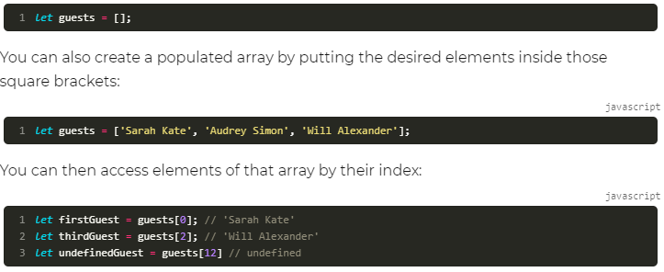

In JavaScript, primitive types like numbers, booleans, and strings are passed by value.
This is not the case with objects and arrays, which are passed by reference.
https://codeburst.io/explaining-value-vs-reference-in-javascript-647a975e12a0

Counting elements

Adding and removing elements

Sets | In JavaScript, a set is an unordered list. This means that you cannot reliably retrieve specific list elements, as they do not have a fixed index.
 | Instead, you can add and remove elements (duplicates are not allowed), and check whether a set contains a certain element or not.
 | Sets can come in handy for things like storing which users are online at a given time so you can check if they are or not.
 | https://developer.mozilla.org/en-US/docs/Web/JavaScript/Reference/Global_Objects/Set

Maps | A map is an ordered list of key/value pairs. While this sounds like an object, there are some important differences.
 | For example, keys can be any value (not just strings) in maps; you can easily find its size, and its key/value pairs can be filtered or modified in certain circumstances.
 | https://developer.mozilla.org/en-US/docs/Web/JavaScript/Reference/Global_Objects/Map

Chapter 5 : Resume
You learned about collections.
You explored the most common collection in JavaScript: the array.
You learned how to create arrays, how to populate them, and some basic tools for manipulating them.
Finally, you learned about the concepts of sets and maps.

Part2
One of the advantages of learning JavaScript is that it can allow you to program in several different environments.
In each environment, the way in which code is executed varies slightly.
Here, we will briefly explore three different environments: JSBin, web pages, and servers.

JSBin
JSBin is a great tool for trying out snippets of JavaScript: that's why I've been using it to demonstrate certain tools or principles.
In JSBin, you can write code line for line in the JavaScript pane, and hit the Run button to execute. JSBin then runs through your lines of code and executes them one after the other.
JSBin is a simple environment which executes your code line by line when you hit the Run button.

Web pages
This is pretty much how JavaScript works on the web. You write some code, save it in one or more files, and then import those files using a special tag in your HTML file.
The browser then automatically runs the code in those files, generally speaking in the order in which they are imported.

Servers
It used to be that JavaScript could only be used in web pages (on the front end), but not any more! It can now also be used on the back end, managing access to certain resources.
For example, take any webmail service. You have a web page through which you can access your emails, but they are not stored in that page.
They are stored in a database, and the page you use accesses that database through a server, which can be written in JavaScript!

Chapter 6 : Resume
In this chapter, you learned a few examples of how JavaScript is executed in a handful of environments.

If/else statements

A quick word on equality: == vs ===
There are ways of checking if two values are equal in JavaScript: == and ===, also known as loose equality and strict equality.
Loose equality checks value, but not type. Therefore, this returns true: 5 == '5'
On the other hand, strict equality checks value and type. Therefore: 5 === '5' returns false.
Similarly, there are two not-equal operators != and !== with the same distinction.

Variable scoping
In JavaScript, variables created with let or const can only be seen or used inside the code block where they are declared.
You will undoubtedly come across the legacy var keyword for creating variables during your development career.
Variables declared this way are not block-scoped but function-scoped, so they do not behave in exactly the same way as the variables and constants I describe in this cours.
https://www.geeksforgeeks.org/difference-between-var-and-let-in-javascript/
A code block, often shortened to block, is a section of code enclosed in curly braces {}.

Switch statements
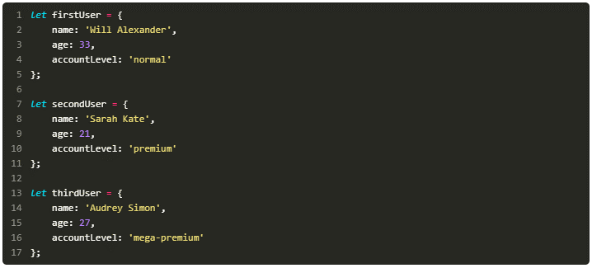

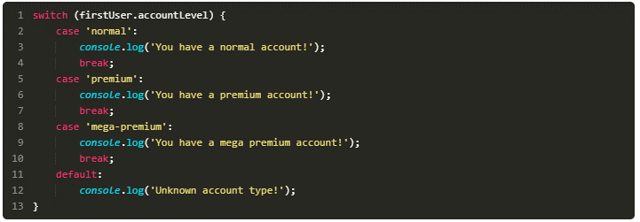

After the code to execute in each case, add the break statement.
If you do not do this, JavaScript will keep executing the following cases (known as cascading) until it meets a break statement or the end of the switch.
As you can see in the example, you can also add a default case which will only be executed if the variable you are checking does not match any of the listed values.

Chapter 7 : Resume
You learned how if / else statements work.
You saw the different kinds of conditions you can use for if/else statements.
You learned how to group together different conditions with logical operators.
You explored variable scoping, and the consequences that has on code structure.
You discovered the switch statement for checking against a list of expected values.

For loop

 | For … in -> works with index

For cases where the specific index of an element is not needed during iteration, you can use a for …of loop:
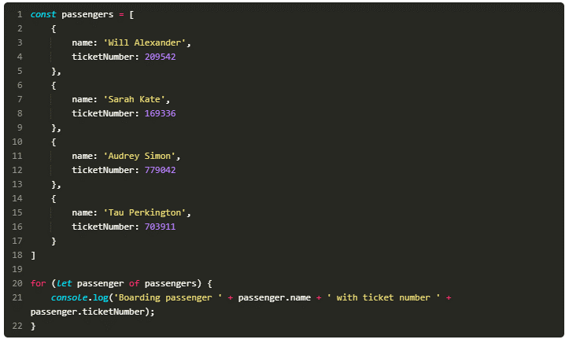

 | For … of -> works with value (stored at the index)

while loop

Chapter 8 : Resume
In this chapter, you looked at two ways of repeating tasks:
The for loop, for a set number of iterations.
The while loop, for when the required number of iterations is unknown.

Three types of error
Syntax errors, Logic errors
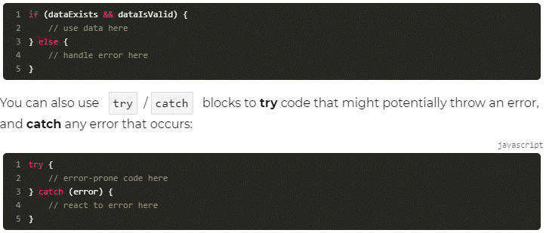

Chapter 9 : Resume
Syntax errors — errors in the usage of JavaScript: typos, missing brackets, wrong number of quotes, etc.
Logic errors — mistakes in the application of program flow, like erroneous conditions in if statements or forgetting to increment the index in a loop, potentially leading to an infinite loop.
Runtime errors — errors which are often caused by outside resources like networks, databases, or users; they can be handled by being aware of where they may occur, and using error handling techniques like try /catch blocks.

Part3
 | Function syntax
 | In this example, the name of the function is add

 | Variables containing numbers, strings, and booleans, contain values, but those assigned to objects and arrays, contain their reference as opposed to the actual values.
 | https://codeburst.io/explaining-value-vs-reference-in-javascript-647a975e12a0
 | https://dev.to/simo_benhida/reference-and-copying-objetcs--arrays-in-javascript-2h23

Chapter 10 : Resume
In this chapter, you learned:
What a function is, how to declare one, and how to call one.
About parameters, arguments, and return values.
To write a function which runs through an array of numbers to calculate their average.
Why it's important to be careful when using objects and arrays in functions.

 | Remember that an object (an instance of a class is an object) is a reference type, so you can still make changes to the newAccount instance — the constant part refers to the reference to that instance.

 | Instance Method
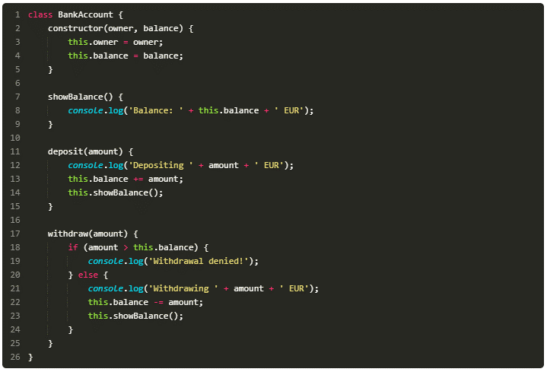

 | Static methods

 | You don't need to create a new instance of the Math object to use these methods, you simply call them on the global Math object

 | You don't need to add a constructor to your class, as you are not going to instantiate it.
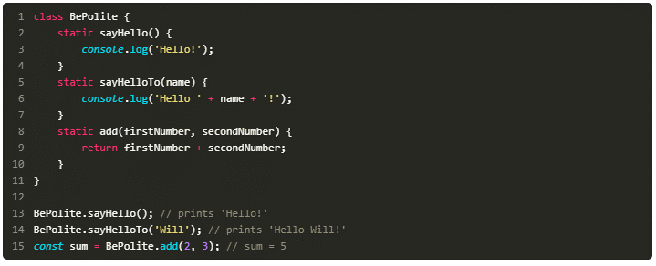

Chapter 11 : Resume
In this chapter, we looked at two types of class method:
Instance methods, which act upon individual instances of a class.
Static methods, which do not rely on an instance of a class.

Refactoring code | Refactoring code is changing the structure of a piece of code without changing its behavior.
DRY | DRY — Don't Repeat Yourself — is a programming principle that keeps code repetition to a minimum.
 | “The first rule of functions is that they should be small. The second rule of functions is that they should be smaller than that.”
 | — Robert C. Martin, Clean Code: A Handbook of Agile Software Craftsmanship

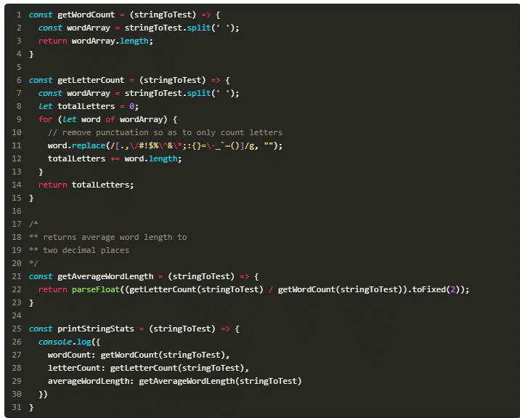
 | Comment a code
//
/* */

 | Naming conventions
 | variable and function names in JavaScript are generally written in lower camel case (getWordCount, numberOfCats),
 | , while class names are written in upper camel case (PremiumAccount, SpecialGuest).

 | “You should name a variable using the same care with which you name a first-born child.”
 | — Robert C. Martin, Clean Code: A Handbook of Agile Software Craftsmanship
Chapter 12 : Resume
In this chapter, we looked at some clean coding techniques and best practices:
Refactoring code into functions — when code is repeated, or when one function is doing too many things.
Having functions with only one purpose are often clearer than multi-purpose functions.
Leaving appropriate comments makes your code much easier to understand.
Having a strict naming convention with clear, descriptive names is very important.
You saw examples of code formatting, and different choices you can make.

 | There are three main types of tests
Unit tests | Unit testing checks individual units (generally single functions or classes) by providing them with input and making sure they generate the expected output.
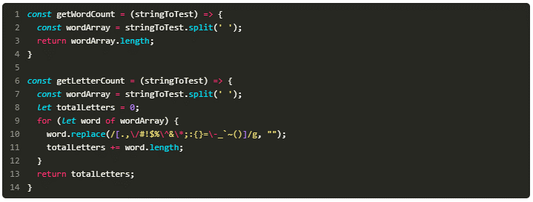

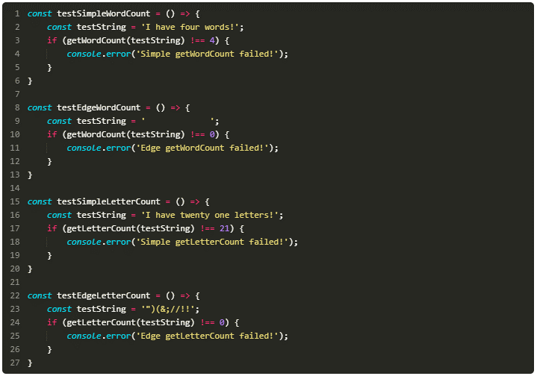

 | I used console.error() instead of console.log() to have the messages show up as errors in the console.
 | https://medium.com/welldone-software/an-overview-of-javascript-testing-in-2019-264e19514d0a
 | These are simple tests, and can be OK for quick checks, but it is generally better to use a testing framework.
 | Unit tests generally make up between 60% and 80% of overall tests in JavaScript projects.

Integration tests | Integration tests check multiple functions or classes to make sure that they work together as they are supposed to.

Functional tests | also known as end-to-end (E2E) tests, check whole scenarios in context.
 | For example, a user signs in to your app, opens their notifications, and marks them all as read.
 | These tests also check any external resources your project may use, like a third-party payment system, for example.

Chapter 13 : Resume
In this chapter, you were introduced to the three types of test:
Unit tests
Integration tests
Functional (E2E) tests
You also saw that, while manual helper code tests can work, there are automated frameworks which make testing easier and more reliable.

 | Debug your function

Chapter 14 : Resume
In this chapter, you learned three different debugging techniques:
Console logging — great for small, simple, isolated errors, but not so great in larger, more complex projects.
Using developer tools — whether the tools integrated in major browsers or the debugger in your IDE, this is almost certainly the most reliable way to debug code.
Rubber duck debugging — for when things are going horribly wrong.

 | Go recursive: calling functions within themselves

Chapter 15 : Resume
In this chapter:
You saw that recursive functions are functions which call themselves.
You saw that, in the context of JavaScript, these are very often used for tree traversal — working your way through tree-like data objects.
You saw an example of how the code works.

