Chap9
Chap 9 | Functions
Command/Shortcut/Definition | Role
Function myPing { ping.exe -w 100 -n 1 10.10.10.10 } | Example 1 of function definition
Function myPing { ping.exe -w 100 -n 1 $args } | Example 2 of function definition. You only need to type the function again in order to overwrite the old version.
myPing www.microsoft.com | Example 2 utilization of the function. Everything the caller specifies after the function name is in the $args variable.
$$ | This special variable always contains the last token of the last pipeline.
Del function:test | Removing Functions
$args | Arbitrary arguments: the $args variable contains all the arguments that are passed to a function. This is a good solution to implementing optional (voluntary) arguments.
$args | $args can hold any number of arguments, a function isn't restricted to a limited number of arguments either
$args | The most important insight is that arguments are separated by blank characters, and if there's any white space in a text, the text has to be placed within quotation marks.
$Value1, $Value2 = $args
Function subtract($Value1, $Value2) { $value1 - $value2} | Parameters definition. If you want to specify a fixed number of arguments instead of any number of arguments, then lock in the expected arguments in the function description by defining the parameters
Subtract 1 2 3 | All the arguments that you didn't assign to unnamed arguments will end up in $args again.
function subtract ($Value1=10, $Value2=20) {$value1 - $value2} | Arguments Having Predefined Default Values
Subtract function($Value1=$(Throw "Value1 wasn't specified!"), $Value2=20){$value1 - $value2} | This function will report an error if the argument for "Value1" is not specified. The second argument may be omitted; the default value will be used.
function Subtract([int]$Value1, [int]$Value2){ $value1 - $value2 } | Using Strongly Typed Arguments. This function accepts nothing but numbers as an argument
Subtract Hello world | # The function will accept no inputs that cannot be converted to numbers
Function WriteText([Switch]$inverse, $text) | "Switch" Parameter Is Like a Switch. if the parameter exists, then it will contain $true(for "yes"), otherwise $false(for "no").
return | All further statements after return are ignored.
(Dir c:\).Count
@(Dir c:\).count
Write-Host cmdlet | Excluding Text Output from the Result. Page 265
Write-Debug cmdlet | Using Debugging Reports. Page 266
$DebugPreference = "SilentlyContinue" | turn off debugging
$ErrorActionPreference = "SilentlyContinue" | Suppress all error messages that occurs inside the function
$ErrorActionPreference = "Continue" | Immediately begin outputting all error messages again
Dir function: | Inspecting Available Functions
$function:prompt | to look closely at the definition of function prompt
${function:Clear-Host} | The "-" sign is a special character for PowerShell and, as always, if names contain special characters, put the entire expression in braces (remove line breaks to collapse to one line):
Table 9.1: Predefined PowerShell functions | Page 269
${function:D:} | The ":" sign is a special character for PowerShell and, as always, if names contain special characters, put the entire expression in braces (remove line breaks to collapse to one line):
$input | Functions and the Pipeline. The Slow Sequential Mode: $input
$input | The results of the preceding command are always in the $input automatic variable. $input is an array: depending on the circumstances, it can contain many elements, exactly one element, or no element at all.
Function output { $input} | In the simplest case, a function will merely output the contents of $input again
Filter | Functions and the Pipeline. Filter: Rapid Streaming Mode
Filter | If your function supports the rapid streaming mode of the pipeline, in which the results of preceding commands are processed in real time while using minimal memory,then use the 'Filter' keyword instead of the 'Function' keyword.
Filter MarkEXE { …} | $_ is used inside the filter definition instead of $input
 | Filters are superior to normal functions in pipelines because they immediately process every single result of the preceding command and don't have to wait until the preceding command has completed all its tasks.
begin, process and end blocks | Developing Genuine Pipeline Functions. Page 276

Define mandadory parameter and strong type
function sum ([Parameter(Mandatory=$true)][int]$num1,[Parameter(Mandatory=$true)][int]$num2)
{$sum=$num1+$num2
$sum}
Define mandadory parameter and strong type with Validate set of values
function sum ([Parameter(Mandatory=$true)][int]$num1,
[Parameter(Mandatory=$true)][int]$num2,
[Parameter(Mandatory=$true)][Validateset('add','subtract')][string]$operation)
{$sum=$num1+$num2
$sum}
Define default values
function sum ([Parameter(Mandatory=$true)][int]$num1=1,
[Parameter(Mandatory=$true)][int]$num2=2,
[Parameter(Mandatory=$true)][Validateset('add','subtract')][string]$operation='add')
{$sum=$num1+$num2
$sum}
Define a switch parameter
function sum ([Parameter(Mandatory=$true)][int]$num1,[Parameter(Mandatory=$true)][int]$num2, [switch] $on)
{$sum=$num1+$num2
$sum
$on }

Chap13
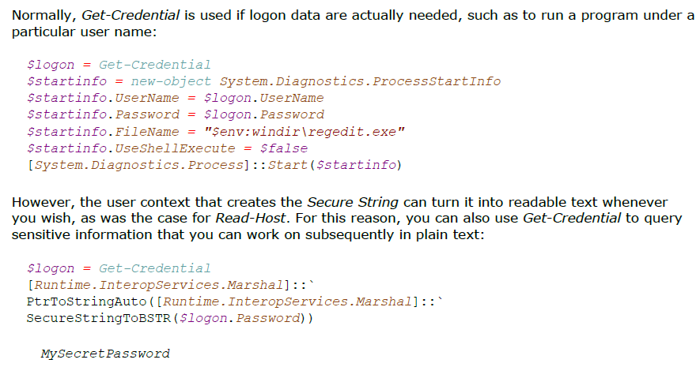
Chap 13 | Text and Regular Expressions
Command/Shortcut/Definition | Role
` | The peculiar backtick character. if you type it before characters that are particularly important for PowerShell, such as "$" or quotation marks, PowerShell will interpret the characters following the backtick as normal text characters.
Table 13.1: Special characters and "escape" sequences for text | Page 368
$text = @" text of several lines $var"@ | Acquiring Text of Several Lines. Using "here-strings" is the best way to acquire long text consisting of several lines or many special characters.
$text = @" text of several lines"@ | "Here-strings" are called by this name because they enable you to acquire text exactly the way you want to store it in a text variable, much like a text editor
$text = Read-Host "Your entry" | Communicating with the User
$ExecutionContext.InvokeCommand.ExpandString($text) | Treat entered text as if it were in double quotation marks (for command and variable interpretation)
$pwd = Read-Host -asSecureString "Password" | If you'd like to use Read-Host to acquire sensitive data, passwords, use the -asSecureString parameter.
-f | The -f format operator is the most important PowerShell string operator.
"Hello Carl" -replace "Carl", "Eddie"
"Hello Carl" -creplace "carl", "eddie" | case sensitivity
Table 13.2: Operators used for handling string | Page 373
"{0} {3} at {2}MB fit into one CD at {1}MB" -f (720mb/1.44mb), 720, 1.44, "diskettes" | The number in the braces states which value will appear later in the wildcard and in which order
{index[,alignment][:format]} | The formatting operator -f can insert values into text as well as format the values.
Table 13.3: Formatting numbers | Page 375
Table 13.4: Formatting date values | Page 377
Table 13.5: Customized date value formats | Page 378
$path.Split(".")[-1] | Getting the extension of a file.
Table 13.6: The methods of a string object | Page 382
Join() | Changing Arrays to Text
[string]::Join(" ", $array) | Changing Arrays to Text
Concat() | Assembling a String Out of Several Parts
[string]::Concat((Get-Date), " is a great date!") | Assembling a String Out of Several Parts
Table 13.7: Using simple placeholders | Page 87. Wildcards
If ($ip -like "*.*.*.*") { "valid" } Else { "invalid" } | if you want to verify whether a user has given a valid IP address
$email -like "*.*@*.*" | If you want to verify whether a valid e-mail address is in a variable, you could check that pattern
Regular Expressions | Use regular expressions for more accurate pattern recognition if you require it.
Table 13.8: Placeholders for characters | Regular Expressions
Table 13.9: Quantifiers for patterns | Regular Expressions
Table 13.10: Anchor boundaries | Regular Expressions
Table 13.11: Regular expression elements | Page 395
$matches | look in the $matches variable to see which results were returned. The $matches variable is created automatically when you use the -match operator (or one of its siblings, like -cmatch)
"Set a=1" -match "Get|GetValue|Set|SetValue" | Searching for Several Keywords
"Mr. Miller and Mrs. Meyer" -replace "(Mr.|Mrs.)", "Our client" | Replacing a String
"Too many blank characters" -replace "\s{2,}", " " | Removing Superfluous White Space
"This this this is a test" -replace "\b(\w+)(\s+\1){1,}\b", '$1' | Finding and Removing Doubled Words

Chap16
You can navigate the Windows registry just as you would the file system because PowerShell treats the file system concept discussed in Chapter 15 as a prototype for all hierarchical information systems.
Chap 16 | The Registry
Command/Shortcut/Definition | Role
Cd HKCU:Dir | You can navigate the Windows registry just as you would the file system. Example Hive: HKEY_CURRENT_USER
The keys in the registry | The keys in the registry correspond to directories in the file system.
key values | key values don't quite behave analogously to files in the file system. Instead, they are managed as properties of keys and are displayed in the Property column.
Table 16.1: The most important commands for working with the registry | Page 464
HKEY_LOCAL_MACHINE | You'll find the most important settings in the HKEY_LOCAL_MACHINE root key
HKCU:, HKLM: | Predefined drives for the two most important roots of the registry
Providers | PowerShell has a modular structure and uses what are called "providers," Which are responsible for a particular information store.
Get-PSProvider | Get-PSProvider retrieves a list of all installed providers.
Table 16.2: Default providers | Page 467
Get-PSDrive -PSProvider Registry | to see which drives are already used by registry provider
New-PSDrive -name HKCR -PSProvider registry -root HKLM:\SOFTWARE\Classes | New-PSDrive to create a new drive
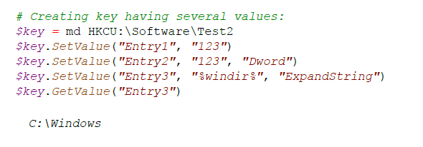
Table 16.3: Properties of a Microsoft.Win32.Registry object (registry key) | Page 471
$key = Get-Item HKLM:\Software\Microsoft\PowerShell\1 | Use Get-Item from within PowerShell to access the key:
$key.Name | Use Get-Item from within PowerShell to access the key:
Get-ItemProperty $key.PSPath | If you want to retrieve the contents of values, use Get-ItemProperty and pass the path from the PSPath property:
New-Item -type Directory HKCU:\Software\Test1 | Use New-item or the md function to create new keys. Keys in the registry behave like directories in the file system.
Table 16.4: Permitted ItemTypes in the registry | Page 476
Set-ItemProperty HKCU:\Software\Testkey -name "Entry1" -value "123" | use Set-ItemProperty to add new values to a key. The values that you add in this way are automatically registered as REG_SZ values in the registry, that is, as a string.
New-ItemProperty HKCU:\Software\Testkey -name "Entry2" -value "123" -propertyType dword | to add new values to a key using another data type, use New-ItemProperty and the -propertyType parameter. It accepts the types listed in Table 16.4
SetValue() and GetValue() methods | you can add and read out additional values easily by using the SetValue() and GetValue() methods
$key.SetValue("Entry2", "123", "Dword") | you can add and read out additional values easily by using the SetValue() and GetValue() methods
$key.GetValue("Entry3") | you can add and read out additional values easily by using the SetValue() and GetValue() methods
Get-ItemProperty HKCU:\Software\Testkey Entry3 | Reading Values
(Get-ItemProperty HKCU:\Software\Testkey Entry3).Entry3 | Reading Values
(Get-ItemProperty HKCU:\Software\Testkey Entry4).Entry4 | Entry4 is of the REG_EXPAND_SZ type. Windows automatically resolves environment variables contained in the string when they are retrieved.
Remove-ItemProperty | Use Remove-ItemProperty to remove a value
(Get-ItemProperty HKCU:\Software\Test3 "(default)")."(default)" | Read contents of the default value
(Get-Acl HKCU:\Software\Testkey2).Access | Format-Table -wrap | Look at the current permissions of the key

