Help-System
Command | Role | Alias | To avoid cmdlet not running in powershell, run powershell as administrator
Get-Alias | get the list of alias | gal
Get-Alias -Definition <cmdlet> | get the corresponding alias to the cmdlet |  | Jeffrey Snover
Set-Location |  | cd | https://powershell.org/
Get-Location |  | pwd
Get-ChildItem |  | dir, ls | $PSVersionTable
Get-Content |  | cat, type
New-Item |  | ni, mkdir, md
Get-Service |  | gsv
Get-Process |  | ps, gps
Update-Help -Force | Update the help files
Get-Help | Get help | help, man
Get-Help *service* | list of cmdlet that include 'service' in noun part
Get-Help g*service*
Get-Verb | list all the possible verb
Get-Verb | measure | count the number of existing verbs
Get-Help <cmdlet> | Get simplified help about a specific cmdlet.
Get-Help <cmdlet> -Detailed | Get detailed help about a specific cmdlet. With parameters definitions and examples
Get-Help <cmdlet> -Examples | Get just examples of uses of the cmdlet
Get-Help <cmdlet> -Full | In addition to info give with detailed parmeter, it provide how the cmdlet works with pipeline
Get-Help <cmdlet> -Online | find the help online if it is not available locally. May be because Update-Help did not work well ...
Get-Help <cmdlet> -ShowWindow | Display the help on a separate windows and allows to filter the part of help that you need (for instance Example, copy and paste the example form that window to the shell)
Get-Service -Name b*, c* | Get all the services that start with a 'b' and all the ones that start with 'C'
Get-Service -DisplayName *Bitlocker* | Get all the services that have the word 'Bitlocker' inside their display name
Tab key and Tab key + Shift | Allows to search one by one the cmdlet or the associate property that you need. Tab +Shift allow to move back, Tab allows to move ahead
Get-Help About_* | Get the list of conceptual topics that gives detailed information about a cmdlet, wildcards …
; | You can sequentially run multiple cmdlet in one shot by separing them by a semi-column ';'
Get-Help -Category Provider | Give the list of Help category related to provider …

A parameter inside brackets, and surrounded by a second pairs of brackets means that if you decide to use this not required parameter, you do not need to precise its name (here its is -Path ) but you have to precise its argument(s)

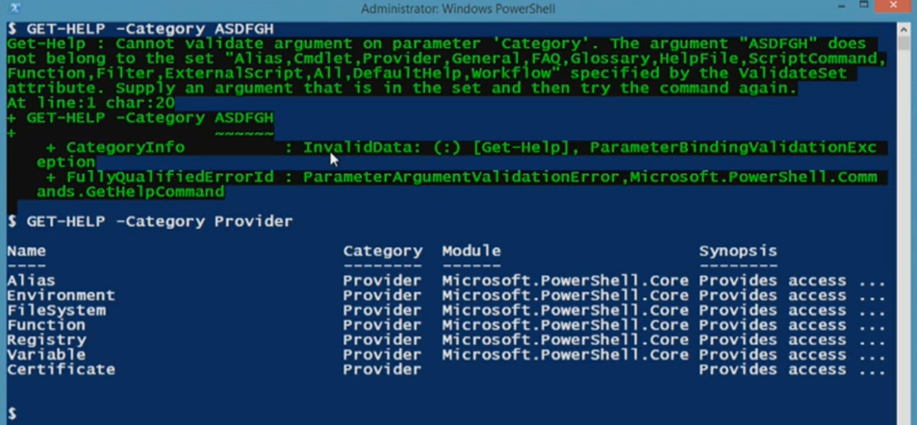

Absence of brackets around this parameter (-Name) means that it is required

Objects
Command | Role | Alias
Get-Process | Where handles -gt 900 |  |  | $PSItem = $_
Get-Process | Where handles -gt 900 | Sort handles
Get-Member | Allows to list properties and methods of an object and the type of the object | gm
Get-Process -Name adobe | gm | Will display the properties and method of the adobe process
Get-History | Will display the command history (commandes that you typed)
$x = [xml] (cat .\file.xml) | casting value assigned to a variable
$x = [xml] (cat .\file.xml) | Allows to manipulate a xml file in the shell
Get-Service | Where {$_.handles -ge 1000} | The result of those 2 commandes is the same. But using Where with {} allows you to do more sophisticated stuff. Using Where without {} allows you to do a linited amount of stuff.
Get-Service | Where handles -ge 1000

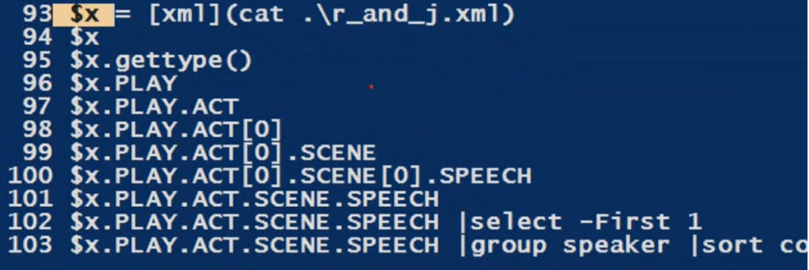

Where object | $PSItem = $_

Sheet1
Object Type (Here it is a process)

Object Properties (Name, MemberType, Definition)

