Page 1
 | 1 |  | 2 | 3 | 4 |  | 5 | 6 | 7 | 8 | 9 | 10 | 11 | 12 | 13 | 14 | 15 | 16 | 17 | 18 | 19 | 20 | 21 | 22 | 23 | 24 | 25 | 26
A

 | Part number:

 | Deliverable: |  | Drawn by: | Checked by:

 | Page: | of | Date: | Revision:

B

 | © 2021 Preston EV Limited - All Rights Reserved - CONFIDENTIAL

DT04-6P
DT06-6S
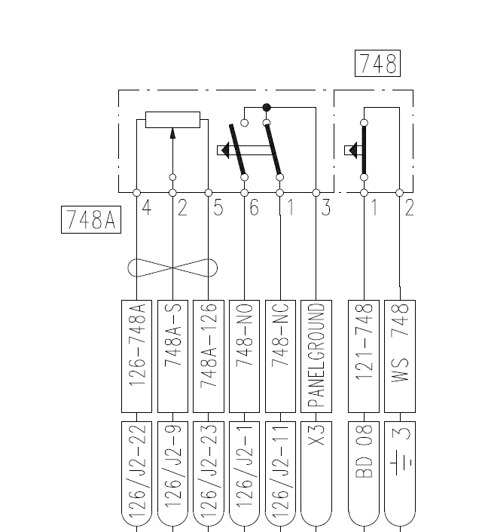

C
 |  |  |  |  |  | 4 |  |  |  |  | 4

 |  |  |  |  |  | 5 |  |  |  |  | 5

 |  |  |  |  |  |  |  |  |  |  | 2

D

E

F

????

G

H

I

DT04-2P
DT06-2S

J

K

L

M

N

O

P

Q

R

S

T

U

V

W

X

Y

Z

Page 1 (2)
 | 1 |  | 2 | 3 | 4 |  | 5 | 6 | 7 | 8 | 9 | 10 | 11 | 12 | 13 | 14 | 15 | 16 | 17 | 18 | 19 | 20 | 21 | 22 | 23 | 24 | 25 | 26
A

 | Part number:

 | Deliverable: |  | Drawn by: | Checked by:

 | Page: | of | Date: | Revision:

B

 | © 2021 Preston EV Limited - All Rights Reserved - CONFIDENTIAL

DT04-6P
DT06-6S

C
 |  |  |  |  |  | 4 |  |  |  |  | 4

 |  |  |  |  |  | 5 |  |  |  |  | 5

 |  |  |  |  |  |  |  |  |  |  | 2

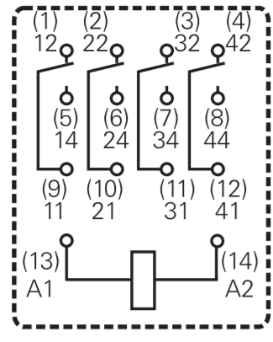
D

E

F

????

G

H

I

DT04-2P
DT06-2S

J

K

L

M

N

O

P

Q

R

S

T

U

V

W

X

Y

Z

