Hoja1
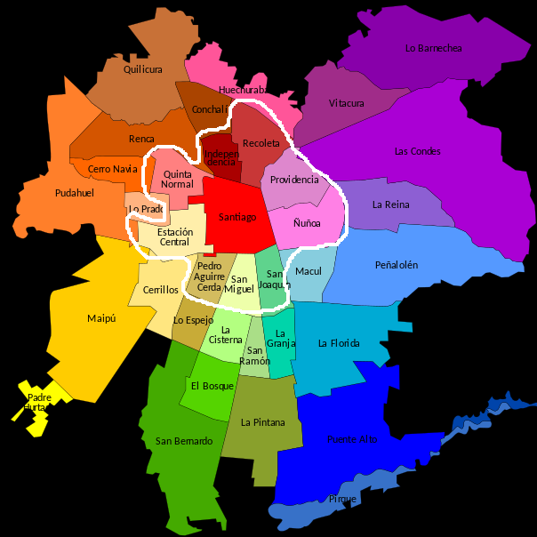
 | Downtown Classification |  |  |  |  |  |  |  |  | Downtown Regression

 | Models | Epochs | Layers | Hidden | Drop | Lr | Acc | F1-score |  | Models | Epochs | Layers | Hidden | Drop | Lr | RMSE | MAE
Graph Neural Networks | GraphSAGE | 300 | 5 | 64 | 0.1 | 0.005 | 61.85% | 59.28% | Graph Neural Networks | GraphSAGE | 300 | 5 | 64 | 0.1 | 0.005 | 0.1547 | 0.1202
 | GraphSAGE + edges_attr | 300 | 5 | 64 | 0.1 | 0.005 | 63.79% | 60.91% |  | GraphSAGE + edges_attr | 300 | 5 | 64 | 0.1 | 0.005 | 0.1664 | 0.1322
 | GAT | 300 | 5 | 64 | 0.1 | 0.005 | 59.20% | 52.21% |  | GAT | 300 | 5 | 64 | 0.1 | 0.005 | 0.1814 | 0.1488
 | GAT + edges_attr | 300 | 5 | 64 | 0.1 | 0.005 | 59.44% | 53.08% |  | GAT + edges_attr | 300 | 5 | 64 | 0.1 | 0.005 | 0.1787 | 0.1453
Classic Models | Logistic Regression |  |  |  |  |  | 51.94% | 43.30% | Classic Models | Linear Regression |  |  |  |  |  | 0.1999 | 0.1701
 | Decision Tree Classifier |  |  |  |  |  | 59.50% | 59.48% |  | Decision Tree Regressor |  |  |  |  |  | 0.2273 | 0.1486
 | Random Forest Classifier |  |  |  |  |  | 65.82% | 64.64% |  | Random Forest Regressor |  |  |  |  |  | 0.1667 | 0.1210

 | Full Graph Classification |  |  |  |  |  |  |  |  | Full Graph Regression

 | Models | Epochs | Layers | Hidden | Drop | Lr | Acc | F1-score |  | Models | Epochs | Layers | Hidden | Drop | Lr | RMSE | MAE
Graph Neural Networks | GraphSAGE | 300 | 5 | 64 | 0.1 | 0.005 | 50.74% | 46.38% | Graph Neural Networks | GraphSAGE | 300 | 5 | 64 | 0.1 | 0.005 | 0.1964 | 0.1588
 | GraphSAGE + edges_attr | 300 | 5 | 64 | 0.1 | 0.005 | 51.46% | 47.84% |  | GraphSAGE + edges_attr | 300 | 5 | 64 | 0.1 | 0.005 | 0.2016 | 0.1639
 | GAT | 300 | 5 | 64 | 0.1 | 0.005 | 48.60% | 41.85% |  | GAT | 300 | 5 | 64 | 0.1 | 0.005 | 0.2147 | 0.1805
 | GAT + edges_attr | 300 | 5 | 64 | 0.1 | 0.005 | 48.56% | 41.35% |  | GAT + edges_attr | 300 | 5 | 64 | 0.1 | 0.005 | 0.2117 | 0.1761
Classic Models | Logistic Regression |  |  |  |  |  | 42.64% | 33.85% | Classic Models | Linear Regression |  |  |  |  |  | 0.2309 | 0.1982
 | Decision Tree Classifier |  |  |  |  |  | 51.47% | 51.52% |  | Decision Tree Regressor |  |  |  |  |  | 0.2681 | 0.1832
 | Random Forest Classifier |  |  |  |  |  | 59.30% | 57.94% |  | Random Forest Regressor |  |  |  |  |  | 0.1947 | 0.1483

 | Classification: Label gse (grupos socio-economicos) de los nodos : [ABC1, C2, C3, D, E]
 | Regressión: Indice Socio Material Territoial

 | Downtown se refiere un grafo comunas alrededor de la comuna Santiago, incluyendola:'Santiago', 'Providencia', 'Ñuñoa', 'San Joaquín', 'San Miguel', 'Pedro Aguirre Cerda', 'Estación Central', 'Quinta Normal', 'Independencia', 'Recoleta'

